主标数量 12.19
辅料编号 | 插入图片 | 辅料描述 | 用途 |  |  |  |  |  | 总计
 |  |  |  | XS | S | M | L | XL
22AULBM10367 | 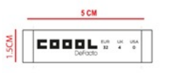 | DF COOOL WOVEN SIZE LABEL | 主标 | 400 | 800 | 800 | 800 | 400 | 3200

