主标数量 12.19
服装款号 | 辅料编号 | 插入图片 | 辅料描述 | 用途 |  |  |  |  |  | 总计
 |  |  |  |  | XS | S | M | L | XL
H0891AX | 25 AULBW13795 | 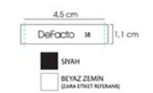 | DF WOMEN WOVEN LABEL | 主标 | 410 | 820 | 820 | 820 | 410 | 3280

