made with love转印标
 |  |  | 2.3 | 50 | 56 | 62 | 68 | 74 | 80 | 86 | 92 | 98
款号 | 颜色 | 大货样 寄美盛 | tiny baby | new baby | up to 1 | 1-3 | 3-6 | 6-9 | 9-12 | 12-18 | 18-24 | 2-3 | 总数
 |  |  | mnths | mnths | mnths | mnths | mnths | mnths | mnths | mnths | mnths | yrs |  | 大货
BA76701 | 烫标Love 11-0602TCX | 1-3M*10个和 6-9M*5个 |  |  | 83 | 149 | 305 | 267 | 263 | 212 | 98 |  | 1377
BA76901 | 烫标Love 11-0607TCX | 1-3M*10个和 6-9M*5个 |  |  | 93 | 169 | 328 | 295 | 298 | 228 | 100 |  | 1511
BA76801 | 烫标Love 14-0708TCX | 1-3M*10个和 6-9M*5个 |  |  | 87 | 120 | 276 | 255 | 258 | 214 | 96 |  | 1306
BA02401 | 烫标Love 14-4505TCX | 1-3M*10个和 6-9M*5个 |  | 5 | 45 | 118 | 260 | 233 | 185 | 161 | 74 |  | 1081
BA16601 | 烫标Love 11-0602TCX | 1-3M*10个和 6-9M*5个 |  | 125 | 110 | 121 | 95 | 69 | 59 | 60 |  |  | 639
BA16001 | 烫标Love 11-0602TCX | 1-3M*10个和 6-9M*5个 |  | 107 | 213 | 388 | 503 | 434 | 330 | 230 | 169 |  | 2374
AZ69301 | 烫标Love 16-1518TCX | 1-3M*10个和 6-9M*5个 |  | 114 | 212 | 370 | 495 | 431 | 344 | 244 | 178 |  | 2388
BA11901 | 烫标Love 15-5205TCX | 1-3M*10个和 6-9M*5个 |  | 124 | 211 | 443 | 567 | 472 | 374 | 250 | 134 |  | 2575
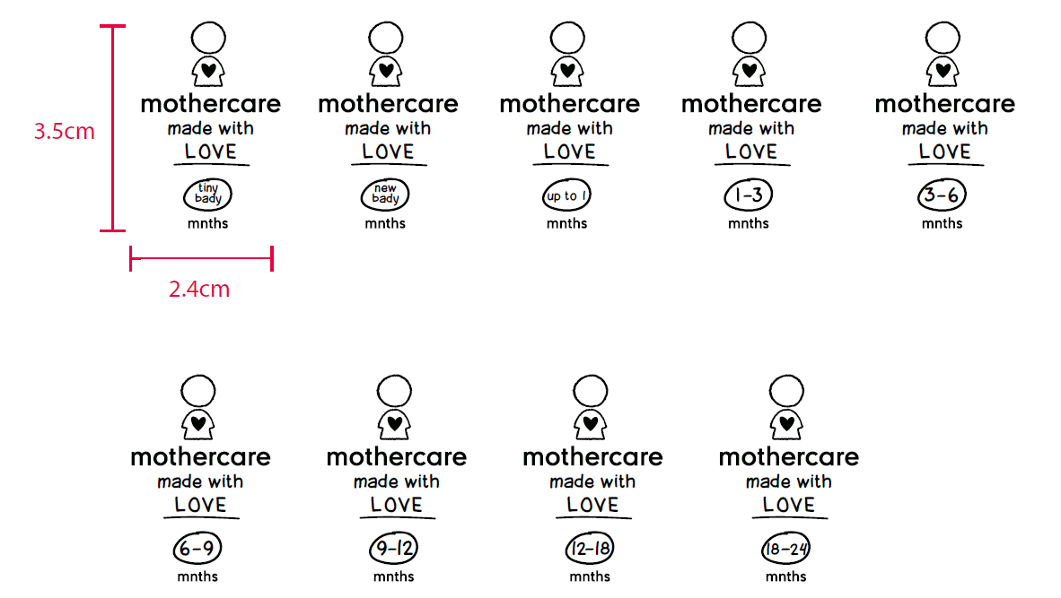
 |  |  |  |  |  |  |  |  |  |  |  |  | 13251

made the FUTURE today
 |  |  |  | 062 | 068 | 074 | 080 | 086 | 092 | 098 | 104 | 110 | 116 | 122 | 128 | 134 | 140
款号 | 颜色 |  | 大货样 寄美盛 | 1-3 | 3-6 | 6-9 | 9-12 | 12-18 | 18-24 | 2-3 | 3-4 | 4-5 | 5-6 | 6-7 | 7-8 | 8-9 | 9-10 | 总数 | 工厂
 |  | 尺寸 |  | mnths | mnths | mnths | mnths | mnths | mnths | yrs | yrs | yrs | yrs | yrs | yrs | yrs | yrs
BA34501 | FUTURE18-5618TCX绿 | 31*45mm | 2-3Y*10个 5-6y*10个 |  |  |  |  |  | 73 | 155 | 180 | 190 | 208 | 197 | 164 | 162 | 251 | 1580 | 美盛
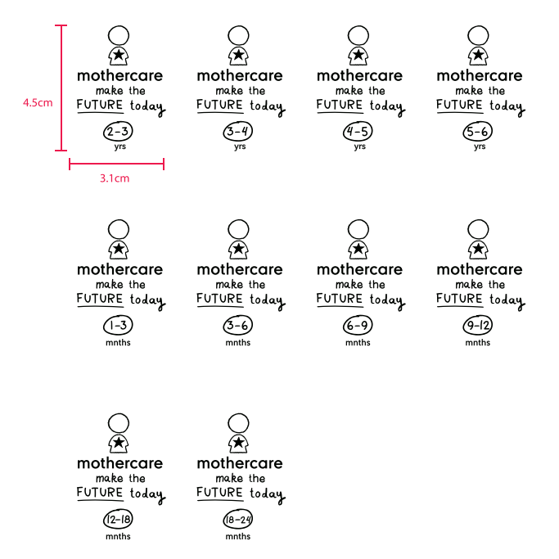
 |  |  |  |  |  |  |  |  |  |  |  |  |  |  |  |  |  | 1580
