Sheet2
KATIE J- NYC SS26 ORDER
S.NO | FABRIC | STYLE NAME | DIGITAL | COLOUR | PO NO :- | XS | S | M | L | XL | TOTAL | 生产数量
1 | 50S POPLINE | SERENITYDJ JUNIOR SERENITY BEAD STRAP MDR | 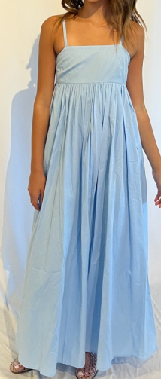 | SERENE BLUE | 52509 | 30 | 20 | 20 | 10 | 0 | 80 | 100
 |  |  |  |  | 52583 | 3 | 3 | 1 | 1 | 0 | 8 | 15 | 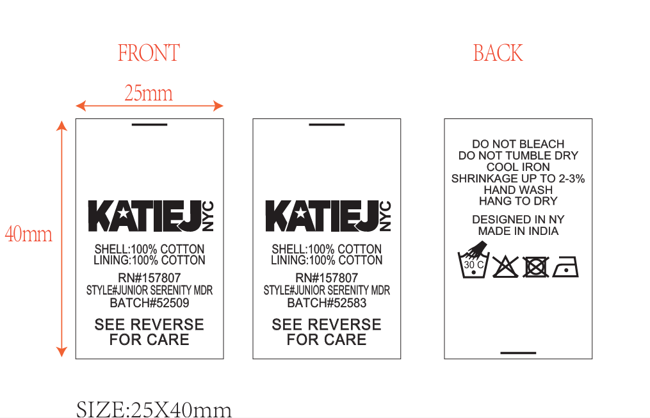
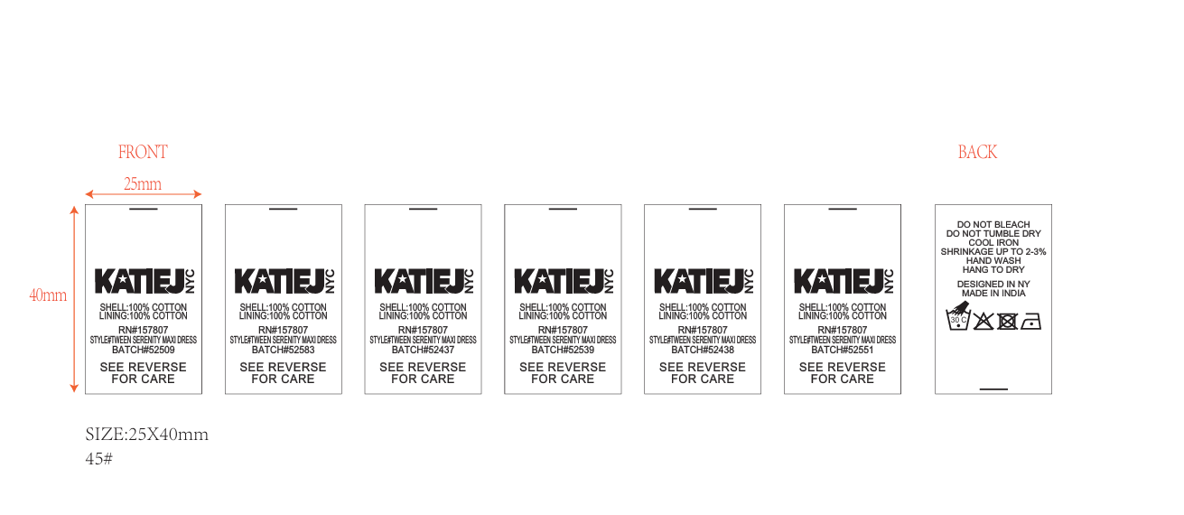
2 |  | SERENITYDJ TWEEN SERENITY BEAD STRAP MDR |  | SERENE BLUE | 52437 | 0 | 11 | 16 | 13 | 8 | 48 | 70
 |  |  |  |  | 52438 | 0 | 5 | 12 | 14 | 9 | 40 | 62
 |  |  |  |  | 52509 | 0 | 44 | 44 | 44 | 44 | 176 | 198
 |  |  |  |  | 52539 | 0 | 2 | 2 | 2 | 2 | 8 | 15
 |  |  |  |  | 52551 | 0 | 2 | 4 | 4 | 2 | 12 | 20
 |  |  |  |  | 54583 | 0 | 2 | 4 | 4 | 2 | 12 | 20
3 | 100% COTTON CAMBRIC SHELL + LINING. | SOFIEMSKJ JUNIOR SOFIE TIERED MAXI SKIRT | 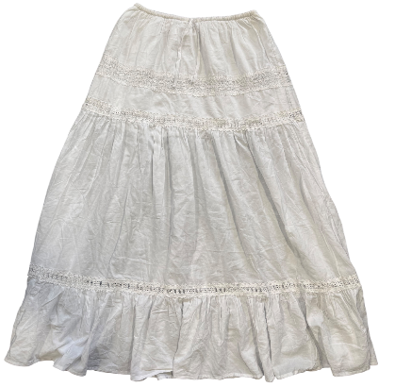 | WHITE | 52509 | 30 | 20 | 20 | 10 | 0 | 80 | 100 | 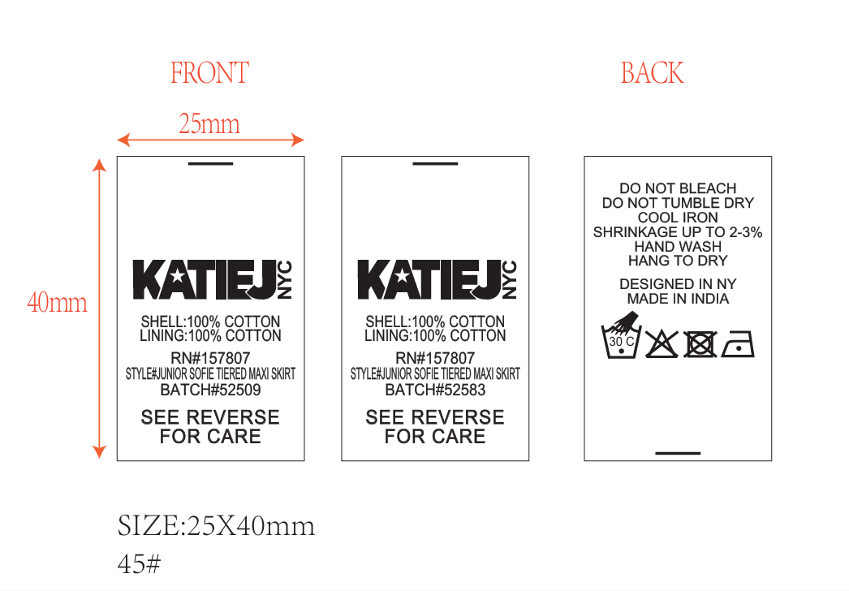
 |  |  |  |  | 52583 | 3 | 3 | 1 | 1 | 0 | 8 | 15
4 |  | SOFIEMSKT TWEEN SOFIE TIERED MAXI SKIRT |  | WHITE | 52440 | 0 | 44 | 77 | 67 | 40 | 228 | 250
 |  |  |  |  | 52442 | 0 | 9 | 21 | 25 | 15 | 70 | 85
 |  |  |  |  | 52498 | 0 | 2 | 3 | 3 | 3 | 11 | 18
 |  |  |  |  | 52509 | 0 | 68 | 68 | 68 | 68 | 272 | 300
 |  |  |  |  | 52523 | 0 | 20 | 20 | 20 | 20 | 80 | 100
 |  |  |  |  | 52539 | 0 | 14 | 14 | 14 | 14 | 56 | 65
 |  |  |  |  | 52551 | 0 | 2 | 4 | 4 | 2 | 12 | 20
 |  |  |  |  | 52583 | 0 | 4 | 8 | 8 | 4 | 24 | 35
 |  |  | TOTAL |  |  | 66 | 275 | 339 | 312 | 233 | 1225 | 1488

 |  |  |  |  | SIZE | XS | S | M | L | XL
 |  |  |  |  |  | 80 | 300 | 365 | 340 | 260

