UK
 | PO: DEW396UK |  | POLO装箱单 2026-01
 | # SKU | DESC | UPC | SIZE | QTY每箱数量 | UK英国数量 | Dimension纸箱 | CARTON NO: |  |  | 箱数 | G.W.: | N.W.: | 箱贴数量
义乌 | RBELTW22 | Belt White ONE | 887513040620 |  | 100 | 300 | 60*30*40 | 1 | - | 3 | 3 | 21 | 20 | 8
安徽 | RHBT2222 | Blue Plaid Trews Hat | 887513055259 |  | 50 | 150 | 48*35*22.5 | 4 | - | 6 | 3 | 4.6 | 4 | 8
安徽 | RHEF2222 | Eurostar Unisex Hat | 887513055167 |  | 50 | 100 | 48*35*22.5 | 7 | - | 8 | 2 | 4.6 | 4 | 6
安徽 | RHGR1111 | Greenside Hat | 887513082095 |  | 50 | 50 | 48*35*22.5 | 9 | - | 9 | 1 | 4.6 | 4 | 2 | 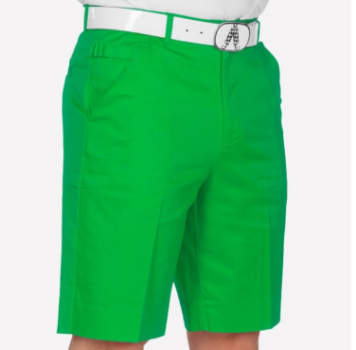
安徽 | RHBD2222 | Old Tom's Hat | 887513055211 |  | 50 | 150 | 48*35*22.5 | 10 | - | 12 | 3 | 4.6 | 4 | 8 | 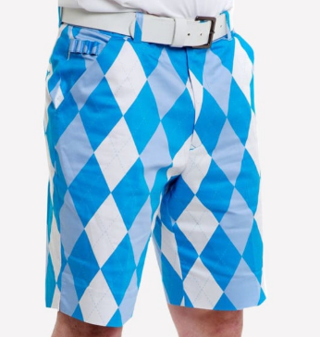
安徽 | RHOR1111 | Orange Slice Hat | 887513081623 |  | 50 | 50 | 48*35*22.5 | 13 | - | 13 | 1 | 4.6 | 4 | 2
安徽 | RHNP1111 | Pink Ticket Hat | 887513081630 |  | 50 | 50 | 48*35*22.5 | 14 | - | 14 | 1 | 4.6 | 4 | 2 | 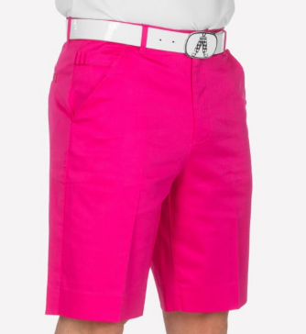
安徽 | RHPU1111 | Purple Patch Hat | 887513051282 |  | 50 | 50 | 48*35*22.5 | 15 | - | 15 | 1 | 4.6 | 4 | 2
安徽 | RHST1111 | Royal Stewart Tartan Hat | 887513057666 |  | 50 | 100 | 48*35*22.5 | 16 | - | 17 | 2 | 4.6 | 4 | 6 | 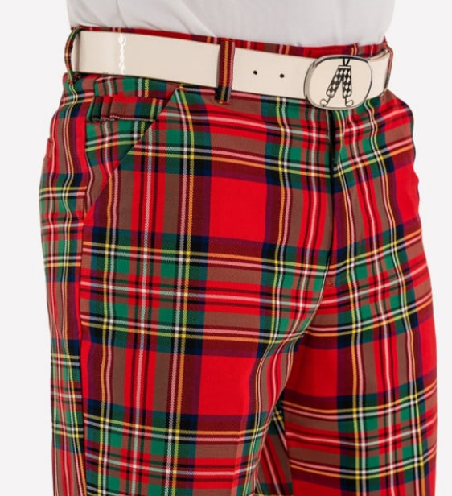
安徽 | RHJD2222 | Trew Brit Hat | 887513055181 |  | 50 | 400 | 48*35*22.5 | 18 | - | 25 | 8 | 4.6 | 4 | 18
安徽 | RHYE1111 | YOLO Yellow Hat | 887513082552 |  | 50 | 50 | 48*35*22.5 | 26 | - | 26 | 1 | 4.6 | 4 | 2
安徽 | RHUS2222 | USA Flag Hat | 5056592202891 |  | 50 | 100 | 48*35*22.5 | 27 | - | 28 | 2 | 4.6 | 4 | 6 | 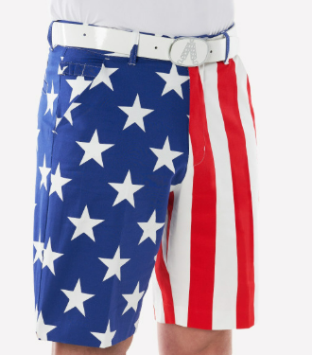
安徽 | RHRR2222 | Red Hat | 5056592203782 |  | 50 | 50 | 48*35*22.5 | 29 | - | 29 | 1 | 4.6 | 4 | 2 | 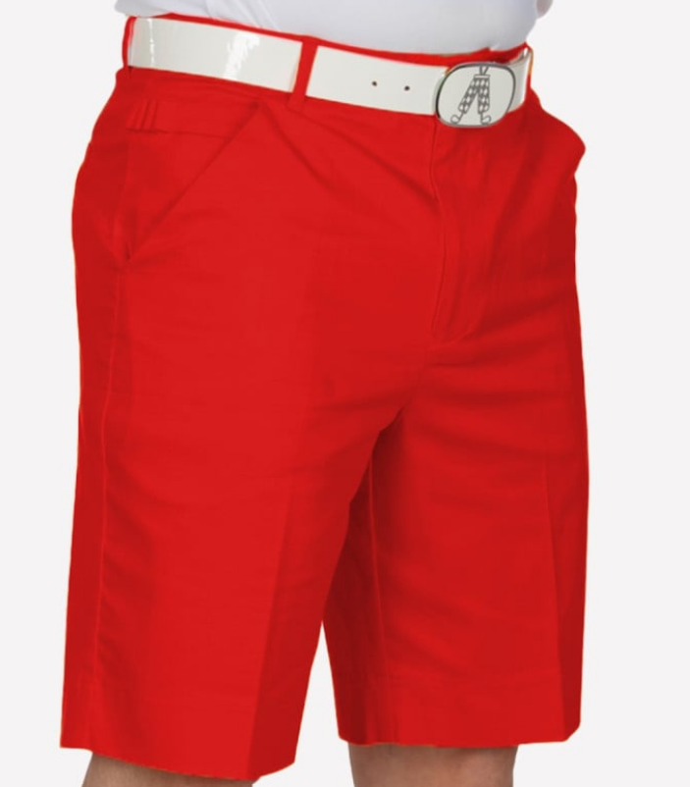
安徽 | RHDW2222 | My Name'5 Doddie Tartan Hat | 5056592204246 |  | 50 | 700 | 48*35*22.5 | 30 | - | 43 | 14 | 4.6 | 4 | 30 | 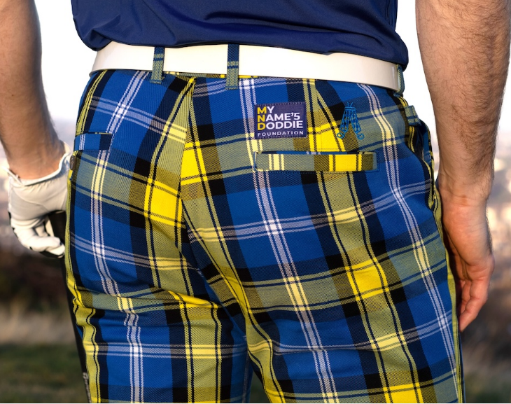
安徽 | RHDW2222 | My Name'5 Doddie Tartan Hat | 5056592204246 |  | 50 | 50 | 48*35*22.5 | 44 | - | 44 | 1 | 4.6 | 4 | 2
江西 | RSEF3232 | Eurostar Men's Shorts 32 | 887513025009 | 32 | 10 | 20 | 48*35*12 | 45 | - | 46 | 2 | 3.45 | 2.85 | 6
江西 | RSEF3432 | Eurostar Men's Shorts 34 | 887513025016 | 34 | 10 | 30 | 48*35*12 | 47 | - | 49 | 3 | 3.66 | 3.06 | 8
江西 | RSEF3632 | Eurostar Men's Shorts 36 | 887513025023 | 36 | 10 | 40 | 48*35*12 | 50 | - | 53 | 4 | 3.79 | 3.19 | 10
江西 | RSGR3432 | Greenside Men's Shorts 34 | 887513082033 | 34 | 10 | 40 | 48*35*12 | 54 | - | 57 | 4 | 3.66 | 3.06 | 10
江西 | RSGR3632 | Greenside Men's Shorts 36 | 887513082040 | 36 | 10 | 20 | 48*35*12 | 58 | - | 59 | 2 | 3.79 | 3.19 | 4
江西 | RSGR3832 | Greenside Men's Shorts 38 | 887513082057 | 38 | 10 | 20 | 48*35*12 | 60 | - | 61 | 2 | 3.93 | 3.33 | 4
江西 | RSGR4032 | Greenside Men's Shorts 40 | 887513082064 | 40 | 10 | 10 | 48*35*12 | 62 | - | 62 | 1 | 5.07 | 4.47 | 2
江西 | RSGR4232 | Greenside Men's Shorts 42 | 887513082071 | 42 | 10 | 10 | 48*35*12 | 63 | - | 63 | 1 | 5.2 | 4.6 | 2
江西 | RSGR4432 | Greenside Men's Shorts 44 | 887513082088 | 44 | 10 | 10 | 48*35*12 | 64 | - | 64 | 1 | 5.33 | 4.73 | 2
江西 | RSOR3432 | Orange Slice Men's Shorts 34 | 887513992912 | 34 | 10 | 10 | 48*35*12 | 65 | - | 65 | 1 | 3.66 | 3.06 | 2
江西 | RSOR3632 | Orange Slice Men's Shorts 36 | 887513992929 | 36 | 10 | 30 | 48*35*12 | 66 | - | 68 | 3 | 3.79 | 3.19 | 6
江西 | RSOR3832 | Orange Slice Men's Shorts 38 | 887513992936 | 38 | 10 | 30 | 48*35*12 | 69 | - | 71 | 3 | 3.93 | 3.33 | 6
江西 | RSOR4032 | Orange Slice Men's Shorts 40 | 887513992943 | 40 | 10 | 10 | 48*35*12 | 72 | - | 72 | 1 | 5.07 | 4.47 | 2
江西 | RSNP3232 | Pink Ticket Men's Shorts 32 | 887513992981 | 32 | 10 | 20 | 48*35*12 | 73 | - | 74 | 2 | 3.45 | 2.85 | 4
江西 | RSNP3432 | Pink Ticket Men's Shorts 34 | 887513992998 | 34 | 10 | 30 | 48*35*12 | 75 | - | 77 | 3 | 3.66 | 3.06 | 6
江西 | RSNP3632 | Pink Ticket Men's Shorts 36 | 887513993001 | 36 | 10 | 60 | 48*35*12 | 78 | - | 83 | 6 | 3.79 | 3.19 | 14
江西 | RSNP3832 | Pink Ticket Men's Shorts 38 | 887513993018 | 38 | 10 | 40 | 48*35*12 | 84 | - | 87 | 4 | 3.93 | 3.33 | 8
江西 | RSNP4032 | Pink Ticket Men's Shorts 40 | 887513993025 | 40 | 10 | 30 | 48*35*12 | 88 | - | 90 | 3 | 5.07 | 4.47 | 6
江西 | RSNP4432 | Pink Ticket Men's Shorts 44 | 887513993049 | 44 | 10 | 10 | 48*35*12 | 91 | - | 91 | 1 | 5.33 | 4.73 | 2
江西 | RSPU3432 | Purple Patch Men's Shorts 34 | 887513082262 | 34 | 10 | 10 | 48*35*12 | 92 | - | 92 | 1 | 3.66 | 3.06 | 2
江西 | RSPU3632 | Purple Patch Men's Shorts 36 | 887513082279 | 36 | 10 | 30 | 48*35*12 | 93 | - | 95 | 3 | 3.79 | 3.19 | 6
江西 | RSPU3832 | Purple Patch Men's Shorts 38 | 887513082286 | 38 | 10 | 20 | 48*35*12 | 96 | - | 97 | 2 | 3.93 | 3.33 | 4
江西 | RSPU4032 | Purple Patch Men's Shorts 40 | 887513082293 | 40 | 10 | 20 | 48*35*12 | 98 | - | 99 | 2 | 5.07 | 4.47 | 4
江西 | RSPU4232 | Purple Patch Men's Shorts 42 | 887513082309 | 42 | 10 | 10 | 48*35*12 | 100 | - | 100 | 1 | 5.2 | 4.6 | 2
江西 | RSRR3432 | Red Men's Shorts 34 | 5056592203720 | 34 | 10 | 40 | 48*35*12 | 101 | - | 104 | 4 | 3.66 | 3.06 | 8
江西 | RSRR3632 | Red Men's Shorts 36 | 5056592203737 | 36 | 10 | 40 | 48*35*12 | 105 | - | 108 | 4 | 3.79 | 3.19 | 8
江西 | RSRR3832 | Red Men's Shorts 38 | 5056592203744 | 38 | 10 | 30 | 48*35*12 | 109 | - | 111 | 3 | 3.93 | 3.33 | 8
江西 | RSRR4032 | Red Men's Shorts 40 | 5056592203751 | 40 | 10 | 30 | 48*35*12 | 112 | - | 114 | 3 | 5.07 | 4.47 | 6
江西 | RSRR4232 | Red Men's Shorts 42 | 5056592203768 | 42 | 10 | 20 | 48*35*12 | 115 | - | 116 | 2 | 5.2 | 4.6 | 4
江西 | RSRR4432 | Red Men's Shorts 44 | 5056592203775 | 44 | 10 | 10 | 48*35*12 | 117 | - | 117 | 1 | 5.33 | 4.73 | 2
江西 | RSDW3032 | My Name'5 Doddie Tartan Shorts 30 | 5056592204154 | 30 | 10 | 20 | 48*35*12 | 118 | - | 119 | 2 | 0.6 |  | 4
江西 | RSDW3232 | My Name'5 Doddie Tartan Shorts 32 | 5056592204161 | 32 | 10 | 60 | 48*35*12 | 120 | - | 125 | 6 | 3.45 | 2.85 | 14
江西 | RSDW3432 | My Name'5 Doddie Tartan Shorts 34 | 5056592204178 | 34 | 10 | 210 | 48*35*12 | 126 | - | 146 | 21 | 3.66 | 3.06 | 44
江西 | RSDW3632 | My Name'5 Doddie Tartan Shorts 36 | 5056592204185 | 36 | 10 | 280 | 48*35*12 | 147 | - | 174 | 28 | 3.79 | 3.19 | 58
江西 | RSDW3832 | My Name'5 Doddie Tartan Shorts 38 | 5056592204192 | 38 | 10 | 180 | 48*35*12 | 175 | - | 192 | 18 | 3.93 | 3.33 | 36
江西 | RSDW4032 | My Name'5 Doddie Tartan Shorts 40 | 5056592204208 | 40 | 10 | 60 | 48*35*12 | 193 | - | 198 | 6 | 5.07 | 4.47 | 14
江西 | RSDW4232 | My Name'5 Doddie Tartan Shorts 42 | 5056592204215 | 42 | 10 | 60 | 48*35*12 | 199 | - | 204 | 6 | 5.2 | 4.6 | 14
江西 | RSDW4432 | My Name'5 Doddie Tartan Shorts 44 | 5056592204222 | 44 | 10 | 50 | 48*35*12 | 205 | - | 209 | 5 | 5.33 | 4.73 | 12
江西 | R2BT3432 | Blue Plaid Trews Men's Plus 2s 34 | 887513014812 | 34 | 10 | 20 | 48*35*12 | 210 | - | 211 | 2 | 4.73 | 4.13 | 4
江西 | R2BT3632 | Blue Plaid Trews Men's Plus 2s 36 | 887513014829 | 36 | 10 | 20 | 48*35*12 | 212 | - | 213 | 2 | 4.91 | 4.31 | 4
江西 | R2BT3832 | Blue Plaid Trews Men's Plus 2s 38 | 887513014836 | 38 | 10 | 20 | 48*35*12 | 214 | - | 215 | 2 | 5.03 | 4.43 | 4
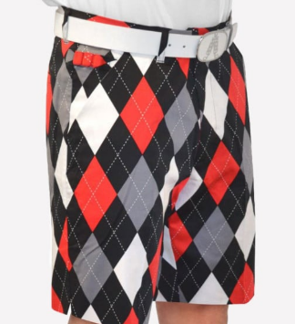
江西 | R2RD3232 | Diamonds in the Rough Plus 2s 32 | 887513009290 | 32 | 10 | 10 | 48*35*12 | 216 | - | 216 | 1 | 4.61 | 4.01 | 2
江西 | R2RD3432 | Diamonds in the Rough Plus 2s 34 | 887513009306 | 34 | 10 | 30 | 48*35*12 | 217 | - | 219 | 3 | 4.73 | 4.13 | 8
江西 | R2RD3632 | Diamonds in the Rough Plus 2s 36 | 887513009313 | 36 | 10 | 10 | 48*35*12 | 220 | - | 220 | 1 | 4.91 | 4.31 | 2
江西 | R2RD3832 | Diamonds in the Rough Plus 2s 38 | 887513009320 | 38 | 10 | 20 | 48*35*12 | 221 | - | 222 | 2 | 5.03 | 4.43 | 4
江西 | R2BD3232 | Old Tom's Plus Twos 32/32 | 887513001584 | 32 | 10 | 20 | 48*35*12 | 223 | - | 224 | 2 | 4.61 | 4.01 | 4
江西 | R2BD3432 | Old Tom's Plus Twos 34/32 | 887513001591 | 34 | 10 | 20 | 48*35*12 | 225 | - | 226 | 2 | 4.73 | 4.13 | 4
江西 | R2BD3632 | Old Tom's Plus Twos 36/32 | 887513001607 | 36 | 10 | 20 | 48*35*12 | 227 | - | 228 | 2 | 4.91 | 4.31 | 4
江西 | R2BD4032 | Old Tom's Plus Twos 40/32 | 887513001621 | 40 | 10 | 10 | 48*35*12 | 229 | - | 229 | 1 | 5.14 | 4.54 | 2
江西 | R2BD4232 | Old Tom's Plus Twos 42/32 | 887513001638 | 42 | 10 | 10 | 48*35*12 | 230 | - | 230 | 1 | 5.27 | 4.67 | 2
江西 | RPEF3232 | Eurostar Men's Trousers 32/32 | 887513024873 | 32/32 | 10 | 10 | 48*35*12 | 231 | - | 231 | 1 | 4.57 | 3.97 | 2
江西 | RPEF3432 | Eurostar Men's Trousers 34/32 | 887513024897 | 34/32 | 10 | 10 | 48*35*12 | 232 | - | 232 | 1 | 4.7 | 4.1 | 2
江西 | RPEF3434 | Eurostar Men's Trousers 34/34 | 887513024903 | 34/34 | 10 | 10 | 48*35*12 | 233 | - | 233 | 1 | 4.94 | 4.34 | 2
江西 | RPEF3630 | Eurostar Men's Trousers 36/30 | 887513024910 | 36/30 | 10 | 10 | 48*35*12 | 234 | - | 234 | 1 | 4.77 | 4.17 | 2
江西 | RPGR3030 | Greenside Men's Trousers 30/30 | 887513081876 | 30/30 | 10 | 10 | 48*35*12 | 235 | - | 235 | 1 | 4.42 | 3.82 | 2
江西 | RPGR3230 | Greenside Men's Trousers 32/30 | 887513081883 | 32/30 | 10 | 10 | 48*35*12 | 236 | - | 236 | 1 | 4.56 | 3.96 | 2
江西 | RPGR3232 | Greenside Men's Trousers 32/32 | 887513081890 | 32/32 | 10 | 20 | 48*35*12 | 237 | - | 238 | 2 | 4.57 | 3.97 | 4
江西 | RPGR3430 | Greenside Men's Trousers 34/30 | 887513081906 | 34/30 | 10 | 10 | 48*35*12 | 239 | - | 239 | 1 | 4.62 | 4.02 | 2
江西 | RPGR3432 | Greenside Men's Trousers 34/32 | 887513081913 | 34/32 | 10 | 10 | 48*35*12 | 240 | - | 240 | 1 | 4.7 | 4.1 | 2
江西 | RPGR3434 | Greenside Men's Trousers 34/34 | 887513081920 | 34/34 | 10 | 10 | 48*35*12 | 241 | - | 241 | 1 | 4.94 | 4.34 | 2
江西 | RPGR3630 | Greenside Men's Trousers 36/30 | 887513081937 | 36/30 | 10 | 10 | 48*35*12 | 242 | - | 242 | 1 | 4.77 | 4.17 | 2
江西 | RPGR3632 | Greenside Men's Trousers 36/32 | 887513081944 | 36/32 | 10 | 10 | 48*35*12 | 243 | - | 243 | 1 | 4.91 | 4.31 | 2
江西 | RPGR3832 | Greenside Men's Trousers 38/32 | 887513081968 | 38/32 | 10 | 10 | 48*35*12 | 244 | - | 244 | 1 | 5.03 | 4.43 | 2
江西 | RPOR3230 | Orange Slice Men's Trousers 32/30 | 887513992301 | 32/30 | 10 | 10 | 48*35*12 | 245 | - | 245 | 1 | 4.56 | 3.96 | 2
江西 | RPOR3430 | Orange Slice Men's Trousers 34/30 | 887513992325 | 34/30 | 10 | 10 | 48*35*12 | 246 | - | 246 | 1 | 4.62 | 4.02 | 2
江西 | RPOR3432 | Orange Slice Men's Trousers 34/32 | 887513992332 | 34/32 | 10 | 20 | 48*35*12 | 247 | - | 248 | 2 | 4.7 | 4.1 | 4
江西 | RPOR3630 | Orange Slice Men's Trousers 36/30 | 887513992356 | 36/30 | 10 | 10 | 48*35*12 | 249 | - | 249 | 1 | 4.77 | 4.17 | 2
江西 | RPOR3832 | Orange Slice Men's Trousers 38/32 | 887513992387 | 38/32 | 10 | 20 | 48*35*12 | 250 | - | 251 | 2 | 5.03 | 4.43 | 4
江西 | RPOR3834 | Orange Slice Men's Trousers 38/34 | 887513992394 | 38/34 | 10 | 10 | 48*35*12 | 252 | - | 252 | 1 | 5.22 | 4.62 | 2
江西 | RPOR4034 | Orange Slice Men's Trousers 40/34 | 887513992400 | 40/34 | 10 | 10 | 48*35*12 | 253 | - | 253 | 1 | 5.31 | 4.71 | 2
江西 | RPNP3030 | Pink Ticket Men's Trousers 30/30 | 887513992431 | 30/30 | 10 | 10 | 48*35*12 | 254 | - | 254 | 1 | 4.42 | 3.82 | 2
江西 | RPNP3230 | Pink Ticket Men's Trousers 32/30 | 887513992448 | 32/30 | 10 | 20 | 48*35*12 | 255 | - | 256 | 2 | 4.56 | 3.96 | 4
江西 | RPNP3232 | Pink Ticket Men's Trousers 32/32 | 887513992455 | 32/32 | 10 | 10 | 48*35*12 | 257 | - | 257 | 1 | 4.57 | 3.97 | 2
江西 | RPNP3430 | Pink Ticket Men's Trousers 34/30 | 887513992462 | 34/30 | 10 | 10 | 48*35*12 | 258 | - | 258 | 1 | 4.62 | 4.02 | 2
江西 | RPNP3432 | Pink Ticket Men's Trousers 34/32 | 887513992479 | 34/32 | 10 | 10 | 48*35*12 | 259 | - | 259 | 1 | 4.7 | 4.1 | 2
江西 | RPNP3434 | Pink Ticket Men's Trousers 34/34 | 887513992486 | 34/34 | 10 | 10 | 48*35*12 | 260 | - | 260 | 1 | 4.94 | 4.34 | 2
江西 | RPNP3834 | Pink Ticket Men's Trousers 38/34 | 887513992530 | 38/34 | 10 | 10 | 48*35*12 | 261 | - | 261 | 1 | 5.22 | 4.62 | 2
江西 | RPPU3030 | Purple Patch Men's Trousers 30/30 | 887513082101 | 30/30 | 10 | 10 | 48*35*12 | 262 | - | 262 | 1 | 4.42 | 3.82 | 2
江西 | RPPU3230 | Purple Patch Men's Trousers 32/30 | 887513082118 | 32/30 | 10 | 10 | 48*35*12 | 263 | - | 263 | 1 | 4.56 | 3.96 | 2
江西 | RPPU3232 | Purple Patch Men's Trousers 32/32 | 887513082125 | 32/32 | 10 | 10 | 48*35*12 | 264 | - | 264 | 1 | 4.57 | 3.97 | 2
江西 | RPPU3430 | Purple Patch Men's Trousers 34/30 | 887513082132 | 34/30 | 10 | 10 | 48*35*12 | 265 | - | 265 | 1 | 4.62 | 4.02 | 2
江西 | RPPU3432 | Purple Patch Men's Trousers 34/32 | 887513082149 | 34/32 | 10 | 20 | 48*35*12 | 266 | - | 267 | 2 | 4.7 | 4.1 | 4
...
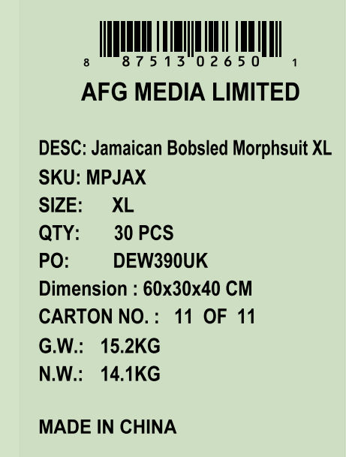
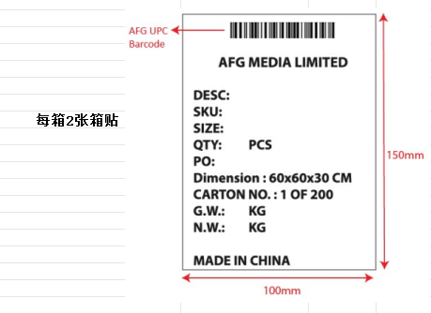

US
...
 |  |  |  |  |  |  |  |  |  |  | 箱数 | G.W.: | N.W.: | 贴纸数量
 |  |  |  |  |  |  |  |  | - | 7 | 7 | 21 | 20 | 16
 |  |  |  |  |  |  |  |  | - | 10 | 3 | 4.6 | 4 | 6
 |  |  |  |  |  |  |  |  | - | 22 | 12 | 4.6 | 4 | 26
 |  |  |  |  |  |  |  |  | - | 23 | 1 | 4.6 | 4 | 2
 |  |  |  |  |  |  |  |  | - | 24 | 1 | 4.6 | 4 | 2
 |  |  |  |  |  |  |  |  | - | 30 | 6 | 4.6 | 4 | 12
 |  |  |  |  |  |  |  |  | - | 31 | 1 | 4.6 | 4 | 2
 |  |  |  |  |  |  |  |  | - | 41 | 10 | 4.6 | 4 | 22 | 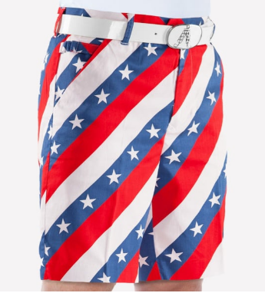
 |  |  |  |  |  |  |  |  | - | 42 | 1 | 4.6 | 4 | 2
 |  |  |  |  |  |  |  |  | - | 43 | 1 | 4.6 | 4 | 2
 |  |  |  |  |  |  |  |  | - | 44 | 1 | 4.6 | 4 | 2
 |  |  |  |  |  |  |  |  | - | 45 | 1 | 4.6 | 4 | 2
 |  |  |  |  |  |  |  |  | - | 47 | 2 | 4.6 | 4 | 4
 |  |  |  |  |  |  |  |  | - | 49 | 2 | 4.6 | 4 | 4
 |  |  |  |  |  |  |  |  | - | 51 | 2 | 4.6 | 4 | 4
 |  |  |  |  |  |  |  |  | - | 59 | 8 | 4.6 | 4 | 18
 |  |  |  |  |  |  |  |  | - | 60 | 1 | 4.6 | 4 | 2
 |  |  |  |  |  |  |  |  | - | 61 | 1 | 4.6 | 4 | 2
...
 | PO: DEW396US |  | POLO装箱单 2026-01
江西 | RPDW3432 | My Name'5 Doddie Tartan Trousers 34/32 | 5056592203973 | 34/32 | 10 | 20 | 48*35*12 | 693 | -
江西 | RPDW3434 | My Name'5 Doddie Tartan Trousers 34/34 | 5056592203980 | 34/34 | 10 | 10 | 48*35*12 | 695 | -
江西 | RPDW3630 | My Name'5 Doddie Tartan Trousers 36/30 | 5056592203997 | 36/30 | 10 | 10 | 48*35*12 | 696 | -
江西 | RPDW3632 | My Name'5 Doddie Tartan Trousers 36/32 | 5056592204000 | 36/32 | 10 | 20 | 48*35*12 | 697 | -
江西 | RPDW3634 | My Name'5 Doddie Tartan Trousers 36/34 | 5056592204017 | 36/34 | 10 | 10 | 48*35*12 | 699 | -
江西 | RPDW3832 | My Name'5 Doddie Tartan Trousers 38/32 | 5056592204024 | 38/32 | 10 | 10 | 48*35*12 | 700 | -
江西 | RPDW3834 | My Name'5 Doddie Tartan Trousers 38/34 | 5056592204031 | 38/34 | 10 | 10 | 48*35*12 | 701 | -
江西 | RPDW4034 | My Name'5 Doddie Tartan Trousers 40/34 | 5056592204048 | 40/34 | 10 | 10 | 48*35*12 | 702 | -
江西 | RPDW4234 | My Name'5 Doddie Tartan Trousers 42/34 | 5056592204055 | 42/34 | 10 | 10 | 48*35*12 | 703 | -
江西 | RPDW4434 | My Name'5 Doddie Tartan Trousers 44/34 | 5056592204062 | 44/34 | 10 | 10 | 48*35*12 | 704 | -
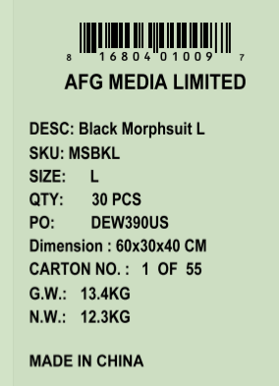
 |  |  |  |  |  | 9870 | 15.53

