2.27 jew
订单日期 | Style Code | Season | Order Number | Ship To | ColorCode-Name | Prepack Code | Set Content | STD | Qty. In A Blister | Delivery Country | LOT贴纸数量 | Total Open Quantity
2026-01-09 | F0891AX | NS | 1798756 | DEFACTO PERAKENDE TİC.A.Ş. DEPO Organize San. Bölgesi 6.Depo Kazım Karabekir Mah. Cumhuriyet Cad. Tekirdağ/Çerkezköy Tel:0090 282 758 11 34-35 | WT1 - WHITE (000) | F0891AXYDAA | 1 | 5 | 5 | TURKEY | 300 | 1500 | 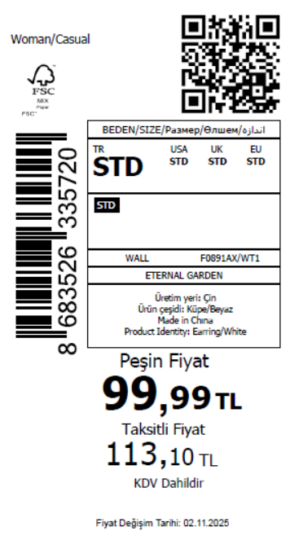 2225
2026-01-09 | F0891AX | NS | 1798755 | AZERBAIJAN | WT1 - WHITE (000) | F0891AXYDAA | 1 | 5 | 5 | AZERBAIJAN | 3 | 15
2026-01-09 | F0891AX | NS | 1798752 | AZERBAIJAN | WT1 - WHITE (000) | F0891AXYDAA | 1 | 5 | 5 | AZERBAIJAN | 12 | 60
2026-01-09 | F0891AX | NS | 1798753 | KOSOVO | WT1 - WHITE (000) | F0891AXYDAA | 1 | 5 | 5 | KOSOVO | 3 | 15
2026-01-09 | F0891AX | NS | 1798751 | KOSOVO | WT1 - WHITE (000) | F0891AXYDAA | 1 | 5 | 5 | KOSOVO | 12 | 60
2026-01-09 | F0891AX | NS | 1798754 | LEBANON | WT1 - WHITE (000) | F0891AXYDAA | 1 | 5 | 5 | LEBANON | 3 | 15
2026-01-09 | F0891AX | NS | 1798750 | LEBANON | WT1 - WHITE (000) | F0891AXYDAA | 1 | 5 | 5 | LEBANON | 12 | 60
2026-01-09 | F0891AX | NS | 1798748-无价格 | İSTANBUL DEPO | WT1 - WHITE (000) | F0891AXECOMASTD | 1 | 5 | 5 | ECOM | 20 | 100
2026-01-09 | F0891AX | NS | 1798763 | GEORGIA | WT1 - WHITE (000) | F0891AXYDAA | 1 | 5 | 5 | GEORGIA | 7 | 35
2026-01-09 | F0891AX | NS | 1798758 | NORTH IRAQ | WT1 - WHITE (000) | F0891AXYDAA | 1 | 5 | 5 | NORTH IRAQ | 15 | 75
2026-01-09 | F0891AX | NS | 1798764 | BOSNIA | WT1 - WHITE (000) | F0891AXYDAA | 1 | 5 | 5 | BOSNIA | 8 | 40
2026-01-09 | F0891AX | NS | 1798762 | MACEDONIA | WT1 - WHITE (000) | F0891AXYDAA | 1 | 5 | 5 | MACEDONIA | 4 | 20
2026-01-09 | F0891AX | NS | 1798757 | SERBIA | WT1 - WHITE (000) | F0891AXYDAA | 1 | 5 | 5 | SERBIA | 4 | 20
2026-01-09 | F0891AX | NS | 1798768 | ALBANIA | WT1 - WHITE (000) | F0891AXYDAA | 1 | 5 | 5 | ALBANIA | 6 | 30
2026-01-09 | F0891AX | NS | 1798759 | MONTENEGRO | WT1 - WHITE (000) | F0891AXYDAA | 1 | 5 | 5 | MONTENEGRO | 1 | 5
2026-01-09 | F0891AX | NS | 1798760 | MOROCCO | WT1 - WHITE (000) | F0891AXYDAA | 1 | 5 | 5 | MOROCCO | 15 | 75
2026-01-09 | F0891AX | NS | 1798761 | MOLDOVA | WT1 - WHITE (000) | F0891AXYDAA | 1 | 5 | 5 | MOLDOVA | 10 | 50
2026-01-09 | F0891AX | NS | 1798749 | TOPTAN-7 | WT1 - WHITE (000) | F0891AXTOP7ASTD | 1 | 5 | 5 | TOPTAN-7 | 10 | 50 |  | 无稿件
 |  |  |  |  |  |  |  |  |  |  | 445 | 2225

2026-01-09 | F0883AX | NS | 1798799 | DEFACTO PERAKENDE TİC.A.Ş. DEPO Organize San. Bölgesi 6.Depo Kazım Karabekir Mah. Cumhuriyet Cad. Tekirdağ/Çerkezköy Tel:0090 282 758 11 34-35 | GD1 - GOLD | F0883AXYDAA | 5 | 5 | 5 | TURKEY | 300 | 1500 | 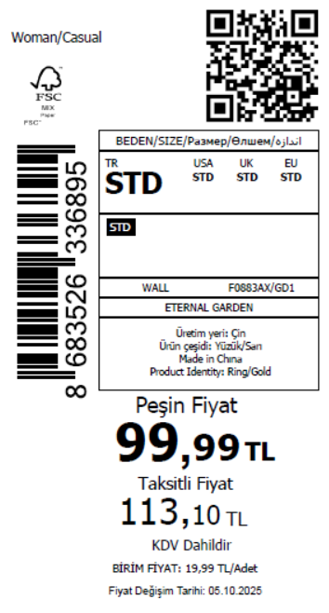 2330
2026-01-09 | F0883AX | NS | 1798792 | KAZAKHSTAN | GD1 - GOLD | F0883AXKZKASTD | 5 | 5 | 5 | KAZAKHSTAN | 10 | 50 |  | 无稿件
2026-01-09 | F0883AX | NS | 1798806 | GEORGIA | GD1 - GOLD | F0883AXYDAA | 5 | 5 | 5 | GEORGIA | 7 | 35
2026-01-09 | F0883AX | NS | 1798802 | NORTH IRAQ | GD1 - GOLD | F0883AXYDAA | 5 | 5 | 5 | NORTH IRAQ | 15 | 75
2026-01-09 | F0883AX | NS | 1798804 | MOROCCO | GD1 - GOLD | F0883AXYDAA | 5 | 5 | 5 | MOROCCO | 15 | 75
2026-01-09 | F0883AX | NS | 1798807 | BOSNIA | GD1 - GOLD | F0883AXYDAA | 5 | 5 | 5 | BOSNIA | 8 | 40
2026-01-09 | F0883AX | NS | 1798801 | SERBIA | GD1 - GOLD | F0883AXYDAA | 5 | 5 | 5 | SERBIA | 4 | 20
2026-01-09 | F0883AX | NS | 1798808 | ALBANIA | GD1 - GOLD | F0883AXYDAA | 5 | 5 | 5 | ALBANIA | 6 | 30
2026-01-09 | F0883AX | NS | 1798805 | MOLDOVA | GD1 - GOLD | F0883AXYDAA | 5 | 5 | 5 | MOLDOVA | 10 | 50
2026-01-09 | F0883AX | NS | 1798800 | SOUTH IRAQ | GD1 - GOLD | F0883AXYDAA | 5 | 5 | 5 | SOUTH IRAQ | 15 | 75
2026-01-09 | F0883AX | NS | 1798803 | MONTENEGRO | GD1 - GOLD | F0883AXYDAA | 5 | 5 | 5 | MONTENEGRO | 1 | 5
2026-01-09 | F0883AX | NS | 1798791 | TOPTAN-7 | GD1 - GOLD | F0883AXTOP7ASTD | 5 | 5 | 5 | TOPTAN-7 | 10 | 50 |  | 无稿件
2026-01-09 | F0883AX | NS | 1798798 | AZERBAIJAN | GD1 - GOLD | F0883AXYDAA | 5 | 5 | 5 | AZERBAIJAN | 3 | 15
2026-01-09 | F0883AX | NS | 1798795 | AZERBAIJAN | GD1 - GOLD | F0883AXYDAA | 5 | 5 | 5 | AZERBAIJAN | 12 | 60
2026-01-09 | F0883AX | NS | 1798796 | KOSOVO | GD1 - GOLD | F0883AXYDAA | 5 | 5 | 5 | KOSOVO | 3 | 15
2026-01-09 | F0883AX | NS | 1798794 | KOSOVO | GD1 - GOLD | F0883AXYDAA | 5 | 5 | 5 | KOSOVO | 12 | 60
2026-01-09 | F0883AX | NS | 1798797 | LEBANON | GD1 - GOLD | F0883AXYDAA | 5 | 5 | 5 | LEBANON | 3 | 15
2026-01-09 | F0883AX | NS | 1798793 | LEBANON | GD1 - GOLD | F0883AXYDAA | 5 | 5 | 5 | LEBANON | 12 | 60
2026-01-09 | F0883AX | NS | 1798790-无价格 | İSTANBUL DEPO | GD1 - GOLD | F0883AXECOMASTD | 5 | 5 | 5 | ECOM | 20 | 100
 |  |  |  |  |  |  |  |  |  |  | 466 | 2330

2026-01-09 | F0885AX | NS | 1798869 | DEFACTO PERAKENDE TİC.A.Ş. DEPO Organize San. Bölgesi 6.Depo Kazım Karabekir Mah. Cumhuriyet Cad. Tekirdağ/Çerkezköy Tel:0090 282 758 11 34-35 | GD1 - GOLD | F0885AXYDAA | 2 | 5 | 5 | TURKEY | 301 | 1505 | 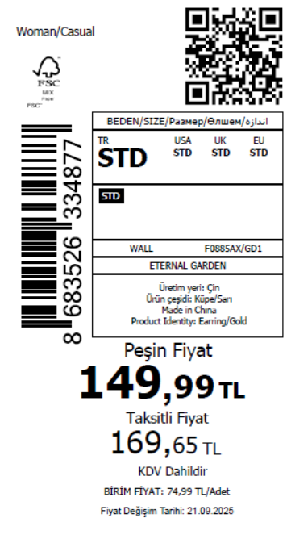 2170
2026-01-09 | F0885AX | NS | 1798858 | GEORGIA | GD1 - GOLD | F0885AXYDAA | 2 | 5 | 5 | GEORGIA | 7 | 35
2026-01-09 | F0885AX | NS | 1798845 | NORTH IRAQ | GD1 - GOLD | F0885AXYDAA | 2 | 5 | 5 | NORTH IRAQ | 15 | 75
2026-01-09 | F0885AX | NS | 1798849 | MOROCCO | GD1 - GOLD | F0885AXYDAA | 2 | 5 | 5 | MOROCCO | 15 | 75
2026-01-09 | F0885AX | NS | 1798863 | BOSNIA | GD1 - GOLD | F0885AXYDAA | 2 | 5 | 5 | BOSNIA | 8 | 40
2026-01-09 | F0885AX | NS | 1798855 | MACEDONIA | GD1 - GOLD | F0885AXYDAA | 2 | 5 | 5 | MACEDONIA | 4 | 20
2026-01-09 | F0885AX | NS | 1798842 | SERBIA | GD1 - GOLD | F0885AXYDAA | 2 | 5 | 5 | SERBIA | 4 | 20
2026-01-09 | F0885AX | NS | 1798867 | ALBANIA | GD1 - GOLD | F0885AXYDAA | 2 | 5 | 5 | ALBANIA | 6 | 30
2026-01-09 | F0885AX | NS | 1798851 | MOLDOVA | GD1 - GOLD | F0885AXYDAA | 2 | 5 | 5 | MOLDOVA | 10 | 50
2026-01-09 | F0885AX | NS | 1798847 | MONTENEGRO | GD1 - GOLD | F0885AXYDAA | 2 | 5 | 5 | MONTENEGRO | 1 | 5
2026-01-09 | F0885AX | NS | 1798836 | TOPTAN-7 | GD1 - GOLD | F0885AXTOP7ASTD | 2 | 5 | 5 | TOPTAN-7 | 10 | 50 |  | 无稿件
2026-01-09 | F0885AX | NS | 1798841 | AZERBAIJAN | GD1 - GOLD | F0885AXYDAA | 2 | 5 | 5 | AZERBAIJAN | 3 | 15
2026-01-09 | F0885AX | NS | 1798838 | AZERBAIJAN | GD1 - GOLD | F0885AXYDAA | 2 | 5 | 5 | AZERBAIJAN | 12 | 60
2026-01-09 | F0885AX | NS | 1798839 | KOSOVO | GD1 - GOLD | F0885AXYDAA | 2 | 5 | 5 | KOSOVO | 3 | 15
2026-01-09 | F0885AX | NS | 1798840 | LEBANON | GD1 - GOLD | F0885AXYDAA | 2 | 5 | 5 | LEBANON | 3 | 15
2026-01-09 | F0885AX | NS | 1798837 | LEBANON | GD1 - GOLD | F0885AXYDAA | 2 | 5 | 5 | LEBANON | 12 | 60
2026-01-09 | F0885AX | NS | 1798835-无价格 | İSTANBUL DEPO | GD1 - GOLD | F0885AXECOMASTD | 2 | 5 | 5 | ECOM | 20 | 100
 |  |  |  |  |  |  |  |  |  |  | 434 | 2170

2026-01-09 | F0889AX | NS | 1798934 | DEFACTO PERAKENDE TİC.A.Ş. DEPO Organize San. Bölgesi 6.Depo Kazım Karabekir Mah. Cumhuriyet Cad. Tekirdağ/Çerkezköy Tel:0090 282 758 11 34-35 | WT1 - WHITE (000) | F0889AXYDAA | 1 | 5 | 5 | TURKEY | 151 | 755 | 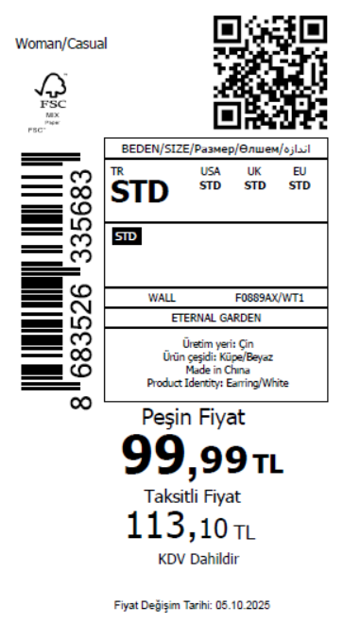 1160
2026-01-09 | F0889AX | NS | 1798925 | GEORGIA | WT1 - WHITE (000) | F0889AXYDAA | 1 | 5 | 5 | GEORGIA | 3 | 15
2026-01-09 | F0889AX | NS | 1798918 | NORTH IRAQ | WT1 - WHITE (000) | F0889AXYDAA | 1 | 5 | 5 | NORTH IRAQ | 8 | 40
2026-01-09 | F0889AX | NS | 1798920 | MOROCCO | WT1 - WHITE (000) | F0889AXYDAA | 1 | 5 | 5 | MOROCCO | 4 | 20
2026-01-09 | F0889AX | NS | 1798928 | BOSNIA | WT1 - WHITE (000) | F0889AXYDAA | 1 | 5 | 5 | BOSNIA | 2 | 10
2026-01-09 | F0889AX | NS | 1798916 | UKRAINE | WT1 - WHITE (000) | F0889AXYDAA | 1 | 5 | 5 | UKRAINE | 4 | 20
2026-01-09 | F0889AX | NS | 1798917 | SERBIA | WT1 - WHITE (000) | F0889AXYDAA | 1 | 5 | 5 | SERBIA | 2 | 10
2026-01-09 | F0889AX | NS | 1798931 | ALBANIA | WT1 - WHITE (000) | F0889AXYDAA | 1 | 5 | 5 | ALBANIA | 2 | 10
2026-01-09 | F0889AX | NS | 1798922 | MOLDOVA | WT1 - WHITE (000) | F0889AXYDAA | 1 | 5 | 5 | MOLDOVA | 5 | 25
2026-01-09 | F0889AX | NS | 1798901 | TOPTAN-7 | WT1 - WHITE (000) | F0889AXTOP7ASTD | 1 | 5 | 5 | TOPTAN-7 | 4 | 20 |  | 无稿件
2026-01-09 | F0889AX | NS | 1798914 | AZERBAIJAN | WT1 - WHITE (000) | F0889AXYDAA | 1 | 5 | 5 | AZERBAIJAN | 3 | 15
2026-01-09 | F0889AX | NS | 1798907 | AZERBAIJAN | WT1 - WHITE (000) | F0889AXYDAA | 1 | 5 | 5 | AZERBAIJAN | 6 | 30
2026-01-09 | F0889AX | NS | 1798909 | KOSOVO | WT1 - WHITE (000) | F0889AXYDAA | 1 | 5 | 5 | KOSOVO | 3 | 15
2026-01-09 | F0889AX | NS | 1798905 | KOSOVO | WT1 - WHITE (000) | F0889AXYDAA | 1 | 5 | 5 | KOSOVO | 6 | 30
2026-01-09 | F0889AX | NS | 1798912 | LEBANON | WT1 - WHITE (000) | F0889AXYDAA | 1 | 5 | 5 | LEBANON | 3 | 15
2026-01-09 | F0889AX | NS | 1798903 | LEBANON | WT1 - WHITE (000) | F0889AXYDAA | 1 | 5 | 5 | LEBANON | 6 | 30
2026-01-09 | F0889AX | NS | 1798898-无价格 | İSTANBUL DEPO | WT1 - WHITE (000) | F0889AXECOMASTD | 1 | 5 | 5 | ECOM | 20 | 100
 |  |  |  |  |  |  |  |  |  |  | 232 | 1160

2026-01-09 | E8072AX | NS | 1798948 | DEFACTO PERAKENDE TİC.A.Ş. DEPO Organize San. Bölgesi 6.Depo Kazım Karabekir Mah. Cumhuriyet Cad. Tekirdağ/Çerkezköy Tel:0090 282 758 11 34-35 | KR1 - KARMA | E8072AXYDAA | 5 | 5 | 5 | TURKEY | 200 | 1000 | 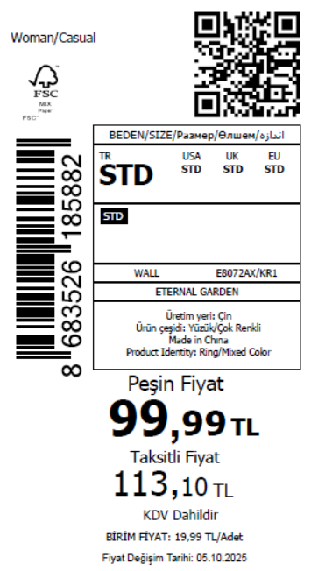 1785
2026-01-09 | E8072AX | NS | 1798941 | KAZAKHSTAN | KR1 - KARMA | E8072AXKZKASTD | 5 | 5 | 5 | KAZAKHSTAN | 10 | 50 |  | 无稿件
2026-01-09 | E8072AX | NS | 1798955 | MOROCCO | KR1 - KARMA | E8072AXYDAA | 5 | 5 | 5 | MOROCCO | 15 | 75
2026-01-09 | E8072AX | NS | 1798961 | ALBANIA | KR1 - KARMA | E8072AXYDAA | 5 | 5 | 5 | ALBANIA | 6 | 30
2026-01-09 | E8072AX | NS | 1798940 | TOPTAN-7 | KR1 - KARMA | E8072AXTOP7ASTD | 5 | 5 | 5 | TOPTAN-7 | 10 | 50 |  | 无稿件
2026-01-09 | E8072AX | NS | 1798959 | GEORGIA | KR1 - KARMA | E8072AXYDAA | 5 | 5 | 5 | GEORGIA | 7 | 35
2026-01-09 | E8072AX | NS | 1798947 | AZERBAIJAN | KR1 - KARMA | E8072AXYDAA | 5 | 5 | 5 | AZERBAIJAN | 3 | 15
2026-01-09 | E8072AX | NS | 1798944 | AZERBAIJAN | KR1 - KARMA | E8072AXYDAA | 5 | 5 | 5 | AZERBAIJAN | 9 | 45
2026-01-09 | E8072AX | NS | 1798951 | NORTH IRAQ | KR1 - KARMA | E8072AXYDAA | 5 | 5 | 5 | NORTH IRAQ | 15 | 75
2026-01-09 | E8072AX | NS | 1798945 | KOSOVO | KR1 - KARMA | E8072AXYDAA | 5 | 5 | 5 | KOSOVO | 3 | 15
2026-01-09 | E8072AX | NS | 1798943 | KOSOVO | KR1 - KARMA | E8072AXYDAA | 5 | 5 | 5 | KOSOVO | 9 | 45
2026-01-09 | E8072AX | NS | 1798960 | BOSNIA | KR1 - KARMA | E8072AXYDAA | 5 | 5 | 5 | BOSNIA | 8 | 40
2026-01-09 | E8072AX | NS | 1798946 | LEBANON | KR1 - KARMA | E8072AXYDAA | 5 | 5 | 5 | LEBANON | 3 | 15
2026-01-09 | E8072AX | NS | 1798942 | LEBANON | KR1 - KARMA | E8072AXYDAA | 5 | 5 | 5 | LEBANON | 9 | 45
2026-01-09 | E8072AX | NS | 1798958 | MOLDOVA | KR1 - KARMA | E8072AXYDAA | 5 | 5 | 5 | MOLDOVA | 10 | 50
2026-01-09 | E8072AX | NS | 1798949 | SOUTH IRAQ | KR1 - KARMA | E8072AXYDAA | 5 | 5 | 5 | SOUTH IRAQ | 15 | 75
2026-01-09 | E8072AX | NS | 1798939-无价格 | İSTANBUL DEPO | KR1 - KARMA | E8072AXECOMASTD | 5 | 5 | 5 | ECOM | 20 | 100
2026-01-09 | E8072AX | NS | 1798952 | MONTENEGRO | KR1 - KARMA | E8072AXYDAA | 5 | 5 | 5 | MONTENEGRO | 1 | 5
2026-01-09 | E8072AX | NS | 1798950 | SERBIA | KR1 - KARMA | E8072AXYDAA | 5 | 5 | 5 | SERBIA | 4 | 20
 |  |  |  |  |  |  |  |  |  |  | 357 | 1785

2026-01-09 | E8033AX | NS | 1798975 | DEFACTO PERAKENDE TİC.A.Ş. DEPO Organize San. Bölgesi 6.Depo Kazım Karabekir Mah. Cumhuriyet Cad. Tekirdağ/Çerkezköy Tel:0090 282 758 11 34-35 | KR1 - KARMA | E8033AXYDAA | 2 | 5 | 5 | TURKEY | 140 | 700 | 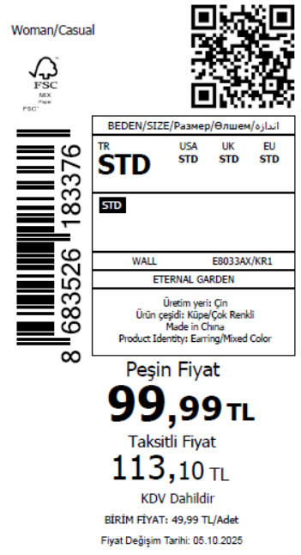 1090
2026-01-09 | E8033AX | NS | 1798981 | GEORGIA | KR1 - KARMA | E8033AXYDAA | 2 | 5 | 5 | GEORGIA | 3 | 15
2026-01-09 | E8033AX | NS | 1798974 | AZERBAIJAN | KR1 - KARMA | E8033AXYDAA | 2 | 5 | 5 | AZERBAIJAN | 3 | 15
2026-01-09 | E8033AX | NS | 1798971 | AZERBAIJAN | KR1 - KARMA | E8033AXYDAA | 2 | 5 | 5 | AZERBAIJAN | 5 | 25
2026-01-09 | E8033AX | NS | 1798978 | NORTH IRAQ | KR1 - KARMA | E8033AXYDAA | 2 | 5 | 5 | NORTH IRAQ | 8 | 40
2026-01-09 | E8033AX | NS | 1798979 | MOROCCO | KR1 - KARMA | E8033AXYDAA | 2 | 5 | 5 | MOROCCO | 4 | 20
2026-01-09 | E8033AX | NS | 1798972 | KOSOVO | KR1 - KARMA | E8033AXYDAA | 2 | 5 | 5 | KOSOVO | 3 | 15
2026-01-09 | E8033AX | NS | 1798969 | KOSOVO | KR1 - KARMA | E8033AXYDAA | 2 | 5 | 5 | KOSOVO | 5 | 25
2026-01-09 | E8033AX | NS | 1798982 | BOSNIA | KR1 - KARMA | E8033AXYDAA | 2 | 5 | 5 | BOSNIA | 2 | 10
2026-01-09 | E8033AX | NS | 1798973 | LEBANON | KR1 - KARMA | E8033AXYDAA | 2 | 5 | 5 | LEBANON | 3 | 15
2026-01-09 | E8033AX | NS | 1798968 | LEBANON | KR1 - KARMA | E8033AXYDAA | 2 | 5 | 5 | LEBANON | 5 | 25
2026-01-09 | E8033AX | NS | 1798977 | SERBIA | KR1 - KARMA | E8033AXYDAA | 2 | 5 | 5 | SERBIA | 2 | 10
2026-01-09 | E8033AX | NS | 1798983 | ALBANIA | KR1 - KARMA | E8033AXYDAA | 2 | 5 | 5 | ALBANIA | 2 | 10
2026-01-09 | E8033AX | NS | 1798964-无价格 | İSTANBUL DEPO | KR1 - KARMA | E8033AXECOMASTD | 2 | 5 | 5 | ECOM | 20 | 100
2026-01-09 | E8033AX | NS | 1798976 | UKRAINE | KR1 - KARMA | E8033AXYDAA | 2 | 5 | 5 | UKRAINE | 4 | 20
2026-01-09 | E8033AX | NS | 1798980 | MOLDOVA | KR1 - KARMA | E8033AXYDAA | 2 | 5 | 5 | MOLDOVA | 5 | 25
2026-01-09 | E8033AX | NS | 1798966 | TOPTAN-7 | KR1 - KARMA | E8033AXTOP7ASTD | 2 | 5 | 5 | TOPTAN-7 | 4 | 20 |  | 无稿件
 |  |  |  |  |  |  |  |  |  |  | 218 | 1090

2026-01-09 | F0910AX | NS | 1801388 | DEFACTO PERAKENDE TİC.A.Ş. DEPO Organize San. Bölgesi 6.Depo Kazım Karabekir Mah. Cumhuriyet Cad. Tekirdağ/Çerkezköy Tel:0090 282 758 11 34-35 | PN79 - PINK | F0910AXYDAA | 1 | 5 | 5 | TURKEY | 200 | 1000 | 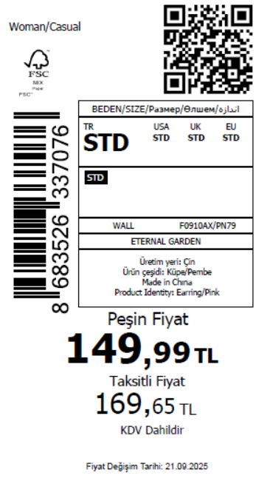 1680
2026-01-09 | F0910AX | NS | 1801395 | GEORGIA | PN79 - PINK | F0910AXYDAA | 1 | 5 | 5 | GEORGIA | 7 | 35
2026-01-09 | F0910AX | NS | 1801390 | NORTH IRAQ | PN79 - PINK | F0910AXYDAA | 1 | 5 | 5 | NORTH IRAQ | 15 | 75
2026-01-09 | F0910AX | NS | 1801392 | MOROCCO | PN79 - PINK | F0910AXYDAA | 1 | 5 | 5 | MOROCCO | 15 | 75
2026-01-09 | F0910AX | NS | 1801396 | BOSNIA | PN79 - PINK | F0910AXYDAA | 1 | 5 | 5 | BOSNIA | 8 | 40
2026-01-09 | F0910AX | NS | 1801394 | MACEDONIA | PN79 - PINK | F0910AXYDAA | 1 | 5 | 5 | MACEDONIA | 4 | 20
2026-01-09 | F0910AX | NS | 1801389 | SERBIA | PN79 - PINK | F0910AXYDAA | 1 | 5 | 5 | SERBIA | 4 | 20
2026-01-09 | F0910AX | NS | 1801397 | ALBANIA | PN79 - PINK | F0910AXYDAA | 1 | 5 | 5 | ALBANIA | 6 | 30
2026-01-09 | F0910AX | NS | 1801393 | MOLDOVA | PN79 - PINK | F0910AXYDAA | 1 | 5 | 5 | MOLDOVA | 10 | 50
2026-01-09 | F0910AX | NS | 1801391 | MONTENEGRO | PN79 - PINK | F0910AXYDAA | 1 | 5 | 5 | MONTENEGRO | 1 | 5
2026-01-09 | F0910AX | NS | 1801381 | TOPTAN-7 | PN79 - PINK | F0910AXTOP7ASTD | 1 | 5 | 5 | TOPTAN-7 | 10 | 50 |  | 无稿件
2026-01-09 | F0910AX | NS | 1801387 | AZERBAIJAN | PN79 - PINK | F0910AXYDAA | 1 | 5 | 5 | AZERBAIJAN | 3 | 15
2026-01-09 | F0910AX | NS | 1801384 | AZERBAIJAN | PN79 - PINK | F0910AXYDAA | 1 | 5 | 5 | AZERBAIJAN | 9 | 45
2026-01-09 | F0910AX | NS | 1801385 | KOSOVO | PN79 - PINK | F0910AXYDAA | 1 | 5 | 5 | KOSOVO | 3 | 15
2026-01-09 | F0910AX | NS | 1801383 | KOSOVO | PN79 - PINK | F0910AXYDAA | 1 | 5 | 5 | KOSOVO | 9 | 45
2026-01-09 | F0910AX | NS | 1801386 | LEBANON | PN79 - PINK | F0910AXYDAA | 1 | 5 | 5 | LEBANON | 3 | 15
2026-01-09 | F0910AX | NS | 1801382 | LEBANON | PN79 - PINK | F0910AXYDAA | 1 | 5 | 5 | LEBANON | 9 | 45
2026-01-09 | F0910AX | NS | 1801380-无价格 | İSTANBUL DEPO | PN79 - PINK | F0910AXECOMASTD | 1 | 5 | 5 | ECOM | 20 | 100
 |  |  |  |  |  |  |  |  |  |  | 336 | 1680

