2.10
订单日期 | Style Code | Season | Order Number | Ship To | ColorCode-Name | Prepack Code | Set Content | STD | Qty. In A Blister | Delivery Country | lot 贴纸 | Total Open Quantity |  |  |  | 工厂价格 | 出货日期 | COMPO
2026-01-09 | H2541AX | NS | 1798514 | DEFACTO PERAKENDE TİC.A.Ş. DEPO Organize San. Bölgesi 6.Depo Kazım Karabekir Mah. Cumhuriyet Cad. Tekirdağ/Çerkezköy Tel:0090 282 758 11 34-35 | GD1 - GOLD | H2541AXDFASTD | 1 | 5 | 5 | TURKEY | 200 | 1000 | 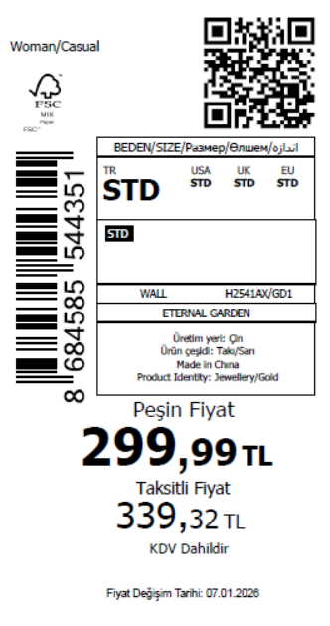 1965 |  | 0.92 | 0.65 | 2026-02-25 | 100% zinc
2026-01-09 | H2541AX | NS | 1798507 | KAZAKHSTAN | GD1 - GOLD | H2541AXKZKASTD | 1 | 5 | 5 | KAZAKHSTAN | 10 | 50 |  | 无稿件 | 0.92 | 0.65 | 2026-02-25 | 100% zinc
2026-01-09 | H2541AX | NS | 1798525 | EGYPT | GD1 - GOLD | H2541AXDFASTD | 1 | 5 | 5 | EGYPT | 15 | 75 |  |  | 0.92 | 0.65 | 2026-02-25 | 100% zinc
2026-01-09 | H2541AX | NS | 1798524 | GEORGIA | GD1 - GOLD | H2541AXDFASTD | 1 | 5 | 5 | GEORGIA | 7 | 35 |  |  | 0.92 | 0.65 | 2026-02-25 | 100% zinc
2026-01-09 | H2541AX | NS | 1798513 | AZERBAIJAN | GD1 - GOLD | H2541AXDFASTD | 1 | 5 | 5 | AZERBAIJAN | 3 | 15 |  |  | 0.92 | 0.65 | 2026-02-25 | 100% zinc
2026-01-09 | H2541AX | NS | 1798510 | AZERBAIJAN | GD1 - GOLD | H2541AXDFASTD | 1 | 5 | 5 | AZERBAIJAN | 10 | 50 |  |  | 0.92 | 0.65 | 2026-02-25 | 100% zinc
2026-01-09 | H2541AX | NS | 1798519 | NORTH IRAQ | GD1 - GOLD | H2541AXDFASTD | 1 | 5 | 5 | NORTH IRAQ | 15 | 75 |  |  | 0.92 | 0.65 | 2026-02-25 | 100% zinc
2026-01-09 | H2541AX | NS | 1798521 | MOROCCO | GD1 - GOLD | H2541AXDFASTD | 1 | 5 | 5 | MOROCCO | 15 | 75 |  |  | 0.92 | 0.65 | 2026-02-25 | 100% zinc
2026-01-09 | H2541AX | NS | 1798511 | KOSOVO | GD1 - GOLD | H2541AXDFASTD | 1 | 5 | 5 | KOSOVO | 3 | 15 |  |  | 0.92 | 0.65 | 2026-02-25 | 100% zinc
2026-01-09 | H2541AX | NS | 1798509 | KOSOVO | GD1 - GOLD | H2541AXDFASTD | 1 | 5 | 5 | KOSOVO | 10 | 50 |  |  | 0.92 | 0.65 | 2026-02-25 | 100% zinc
2026-01-09 | H2541AX | NS | 1798526 | BOSNIA | GD1 - GOLD | H2541AXDFASTD | 1 | 5 | 5 | BOSNIA | 8 | 40 |  |  | 0.92 | 0.65 | 2026-02-25 | 100% zinc
2026-01-09 | H2541AX | NS | 1798523 | MACEDONIA | GD1 - GOLD | H2541AXDFASTD | 1 | 5 | 5 | MACEDONIA | 4 | 20 |  |  | 0.92 | 0.65 | 2026-02-25 | 100% zinc
2026-01-09 | H2541AX | NS | 1798512 | LEBANON | GD1 - GOLD | H2541AXDFASTD | 1 | 5 | 5 | LEBANON | 3 | 15 |  |  | 0.92 | 0.65 | 2026-02-25 | 100% zinc
2026-01-09 | H2541AX | NS | 1798508 | LEBANON | GD1 - GOLD | H2541AXDFASTD | 1 | 5 | 5 | LEBANON | 10 | 50 |  |  | 0.92 | 0.65 | 2026-02-25 | 100% zinc
2026-01-09 | H2541AX | NS | 1798515 | UZBEKISTAN | GD1 - GOLD | H2541AXDFASTD | 1 | 5 | 5 | UZBEKISTAN | 4 | 20 |  |  | 0.92 | 0.65 | 2026-02-25 | 100% zinc
2026-01-09 | H2541AX | NS | 1798516 | UKRAINE | GD1 - GOLD | H2541AXDFASTD | 1 | 5 | 5 | UKRAINE | 10 | 50 |  |  | 0.92 | 0.65 | 2026-02-25 | 100% zinc
2026-01-09 | H2541AX | NS | 1798518 | SERBIA | GD1 - GOLD | H2541AXDFASTD | 1 | 5 | 5 | SERBIA | 4 | 20 |  |  | 0.92 | 0.65 | 2026-02-25 | 100% zinc
2026-01-09 | H2541AX | NS | 1798527 | ALBANIA | GD1 - GOLD | H2541AXDFASTD | 1 | 5 | 5 | ALBANIA | 6 | 30 |  |  | 0.92 | 0.65 | 2026-02-25 | 100% zinc
2026-01-09 | H2541AX | NS | 1798522 | MOLDOVA | GD1 - GOLD | H2541AXDFASTD | 1 | 5 | 5 | MOLDOVA | 10 | 50 |  |  | 0.92 | 0.65 | 2026-02-25 | 100% zinc
2026-01-09 | H2541AX | NS | 1798517 | SOUTH IRAQ | GD1 - GOLD | H2541AXDFASTD | 1 | 5 | 5 | SOUTH IRAQ | 15 | 75 |  |  | 0.92 | 0.65 | 2026-02-25 | 100% zinc
2026-01-09 | H2541AX | NS | 1798520 | MONTENEGRO | GD1 - GOLD | H2541AXDFASTD | 1 | 5 | 5 | MONTENEGRO | 1 | 5 |  |  | 0.92 | 0.65 | 2026-02-25 | 100% zinc
2026-01-09 | H2541AX | NS | 1798506 | TOPTAN-7 | GD1 - GOLD | H2541AXTOP7ASTD | 1 | 5 | 5 | TOPTAN-7 | 10 | 50 |  | 无稿件 | 0.92 | 0.65 | 2026-02-25 | 100% zinc
2026-01-09 | H2541AX | NS | 1798505-无价格 | İSTANBUL DEPO | GD1 - GOLD | H2541AXECOMASTD | 1 | 5 | 5 | ECOM | 20 | 100 |  |  | 0.92 | 0.65 | 2026-02-25 | 100% zinc
 |  |  |  |  |  |  |  |  |  |  | 393 | 1965

2026-01-09 | H2542AX | NS | 1798555 | DEFACTO PERAKENDE TİC.A.Ş. DEPO Organize San. Bölgesi 6.Depo Kazım Karabekir Mah. Cumhuriyet Cad. Tekirdağ/Çerkezköy Tel:0090 282 758 11 34-35 | GD1 - GOLD | H2542AXDFASTD | 9 | 5 | 5 | TURKEY | 300 | 1500 | 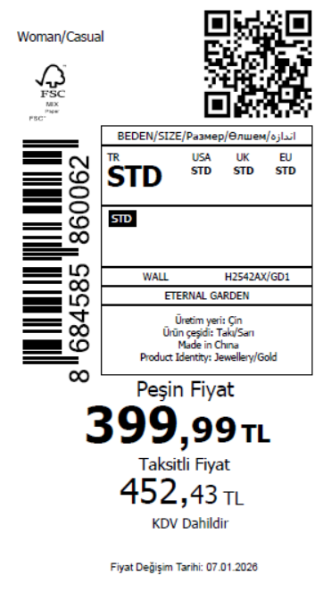 2510 |  | 1.8 | 1.4 | 2026-02-25 | 70% zinc, 20% iron, 10% glass, 10% acrylic
2026-01-09 | H2542AX | NS | 1798548 | KAZAKHSTAN | GD1 - GOLD | H2542AXKZKASTD | 9 | 5 | 5 | KAZAKHSTAN | 10 | 50 |  | 无稿件 | 1.8 | 1.4 | 2026-02-25 | 70% zinc, 20% iron, 10% glass, 10% acrylic
2026-01-09 | H2542AX | NS | 1798560 | EGYPT | GD1 - GOLD | H2542AXDFASTD | 9 | 5 | 5 | EGYPT | 15 | 75 |  |  | 1.8 | 1.4 | 2026-02-25 | 70% zinc, 20% iron, 10% glass, 10% acrylic
2026-01-09 | H2542AX | NS | 1798558 | GEORGIA | GD1 - GOLD | H2542AXDFASTD | 9 | 5 | 5 | GEORGIA | 7 | 35 |  |  | 1.8 | 1.4 | 2026-02-25 | 70% zinc, 20% iron, 10% glass, 10% acrylic
2026-01-09 | H2542AX | NS | 1798554 | AZERBAIJAN | GD1 - GOLD | H2542AXDFASTD | 9 | 5 | 5 | AZERBAIJAN | 3 | 15 |  |  | 1.8 | 1.4 | 2026-02-25 | 70% zinc, 20% iron, 10% glass, 10% acrylic
2026-01-09 | H2542AX | NS | 1798551 | AZERBAIJAN | GD1 - GOLD | H2542AXDFASTD | 9 | 5 | 5 | AZERBAIJAN | 13 | 65 |  |  | 1.8 | 1.4 | 2026-02-25 | 70% zinc, 20% iron, 10% glass, 10% acrylic
2026-01-09 | H2542AX | NS | 1798562 | NORTH IRAQ | GD1 - GOLD | H2542AXDFASTD | 9 | 5 | 5 | NORTH IRAQ | 15 | 75 |  |  | 1.8 | 1.4 | 2026-02-25 | 70% zinc, 20% iron, 10% glass, 10% acrylic
2026-01-09 | H2542AX | NS | 1798565 | MOROCCO | GD1 - GOLD | H2542AXDFASTD | 9 | 5 | 5 | MOROCCO | 15 | 75 |  |  | 1.8 | 1.4 | 2026-02-25 | 70% zinc, 20% iron, 10% glass, 10% acrylic
2026-01-09 | H2542AX | NS | 1798552 | KOSOVO | GD1 - GOLD | H2542AXDFASTD | 9 | 5 | 5 | KOSOVO | 3 | 15 |  |  | 1.8 | 1.4 | 2026-02-25 | 70% zinc, 20% iron, 10% glass, 10% acrylic
2026-01-09 | H2542AX | NS | 1798550 | KOSOVO | GD1 - GOLD | H2542AXDFASTD | 9 | 5 | 5 | KOSOVO | 13 | 65 |  |  | 1.8 | 1.4 | 2026-02-25 | 70% zinc, 20% iron, 10% glass, 10% acrylic
2026-01-09 | H2542AX | NS | 1798564 | BOSNIA | GD1 - GOLD | H2542AXDFASTD | 9 | 5 | 5 | BOSNIA | 8 | 40 |  |  | 1.8 | 1.4 | 2026-02-25 | 70% zinc, 20% iron, 10% glass, 10% acrylic
2026-01-09 | H2542AX | NS | 1798568 | MACEDONIA | GD1 - GOLD | H2542AXDFASTD | 9 | 5 | 5 | MACEDONIA | 4 | 20 |  |  | 1.8 | 1.4 | 2026-02-25 | 70% zinc, 20% iron, 10% glass, 10% acrylic
2026-01-09 | H2542AX | NS | 1798553 | LEBANON | GD1 - GOLD | H2542AXDFASTD | 9 | 5 | 5 | LEBANON | 3 | 15 |  |  | 1.8 | 1.4 | 2026-02-25 | 70% zinc, 20% iron, 10% glass, 10% acrylic
2026-01-09 | H2542AX | NS | 1798549 | LEBANON | GD1 - GOLD | H2542AXDFASTD | 9 | 5 | 5 | LEBANON | 13 | 65 |  |  | 1.8 | 1.4 | 2026-02-25 | 70% zinc, 20% iron, 10% glass, 10% acrylic
2026-01-09 | H2542AX | NS | 1798556 | UZBEKISTAN | GD1 - GOLD | H2542AXDFASTD | 9 | 5 | 5 | UZBEKISTAN | 4 | 20 |  |  | 1.8 | 1.4 | 2026-02-25 | 70% zinc, 20% iron, 10% glass, 10% acrylic
2026-01-09 | H2542AX | NS | 1798557 | UKRAINE | GD1 - GOLD | H2542AXDFASTD | 9 | 5 | 5 | UKRAINE | 10 | 50 |  |  | 1.8 | 1.4 | 2026-02-25 | 70% zinc, 20% iron, 10% glass, 10% acrylic
2026-01-09 | H2542AX | NS | 1798561 | SERBIA | GD1 - GOLD | H2542AXDFASTD | 9 | 5 | 5 | SERBIA | 4 | 20 |  |  | 1.8 | 1.4 | 2026-02-25 | 70% zinc, 20% iron, 10% glass, 10% acrylic
2026-01-09 | H2542AX | NS | 1798566 | ALBANIA | GD1 - GOLD | H2542AXDFASTD | 9 | 5 | 5 | ALBANIA | 6 | 30 |  |  | 1.8 | 1.4 | 2026-02-25 | 70% zinc, 20% iron, 10% glass, 10% acrylic
2026-01-09 | H2542AX | NS | 1798567 | MOLDOVA | GD1 - GOLD | H2542AXDFASTD | 9 | 5 | 5 | MOLDOVA | 10 | 50 |  |  | 1.8 | 1.4 | 2026-02-25 | 70% zinc, 20% iron, 10% glass, 10% acrylic
2026-01-09 | H2542AX | NS | 1798559 | SOUTH IRAQ | GD1 - GOLD | H2542AXDFASTD | 9 | 5 | 5 | SOUTH IRAQ | 15 | 75 |  |  | 1.8 | 1.4 | 2026-02-25 | 70% zinc, 20% iron, 10% glass, 10% acrylic
2026-01-09 | H2542AX | NS | 1798563 | MONTENEGRO | GD1 - GOLD | H2542AXDFASTD | 9 | 5 | 5 | MONTENEGRO | 1 | 5 |  |  | 1.8 | 1.4 | 2026-02-25 | 70% zinc, 20% iron, 10% glass, 10% acrylic
2026-01-09 | H2542AX | NS | 1798547 | TOPTAN-7 | GD1 - GOLD | H2542AXTOP7ASTD | 9 | 5 | 5 | TOPTAN-7 | 10 | 50 |  | 无稿件 | 1.8 | 1.4 | 2026-02-25 | 70% zinc, 20% iron, 10% glass, 10% acrylic
2026-01-09 | H2542AX | NS | 1798546-无价格 | İSTANBUL DEPO | GD1 - GOLD | H2542AXECOMASTD | 9 | 5 | 5 | ECOM | 20 | 100 |  |  | 1.8 | 1.4 | 2026-02-25 | 70% zinc, 20% iron, 10% glass, 10% acrylic
 |  |  |  |  |  |  |  |  |  |  | 502 | 2510

2026-01-09 | H2543AX | NS | 1798581 | DEFACTO PERAKENDE TİC.A.Ş. DEPO Organize San. Bölgesi 6.Depo Kazım Karabekir Mah. Cumhuriyet Cad. Tekirdağ/Çerkezköy Tel:0090 282 758 11 34-35 | GD1 - GOLD | H2543AXDFASTD | 1 | 5 | 5 | TURKEY | 150 | 750 | 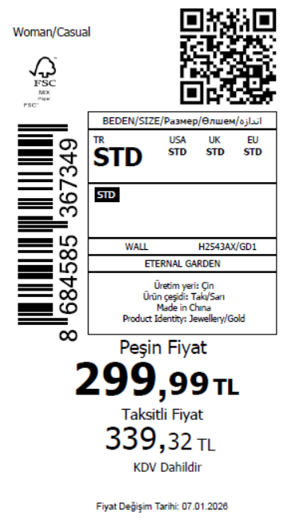 1255 |  | 1.5 | 1.2 | 2026-02-25 | 100% iron
2026-01-09 | H2543AX | NS | 1798573 | KAZAKHSTAN | GD1 - GOLD | H2543AXKZKASTD | 1 | 5 | 5 | KAZAKHSTAN | 4 | 20 |  | 无稿件 | 1.5 | 1.2 | 2026-02-25 | 100% iron
2026-01-09 | H2543AX | NS | 1798585 | EGYPT | GD1 - GOLD | H2543AXDFASTD | 1 | 5 | 5 | EGYPT | 6 | 30 |  |  | 1.5 | 1.2 | 2026-02-25 | 100% iron
2026-01-09 | H2543AX | NS | 1798583 | GEORGIA | GD1 - GOLD | H2543AXDFASTD | 1 | 5 | 5 | GEORGIA | 3 | 15 |  |  | 1.5 | 1.2 | 2026-02-25 | 100% iron
2026-01-09 | H2543AX | NS | 1798579 | AZERBAIJAN | GD1 - GOLD | H2543AXDFASTD | 1 | 5 | 5 | AZERBAIJAN | 3 | 15 |  |  | 1.5 | 1.2 | 2026-02-25 | 100% iron
2026-01-09 | H2543AX | NS | 1798576 | AZERBAIJAN | GD1 - GOLD | H2543AXDFASTD | 1 | 5 | 5 | AZERBAIJAN | 6 | 30 |  |  | 1.5 | 1.2 | 2026-02-25 | 100% iron
2026-01-09 | H2543AX | NS | 1798589 | NORTH IRAQ | GD1 - GOLD | H2543AXDFASTD | 1 | 5 | 5 | NORTH IRAQ | 8 | 40 |  |  | 1.5 | 1.2 | 2026-02-25 | 100% iron
2026-01-09 | H2543AX | NS | 1798591 | MOROCCO | GD1 - GOLD | H2543AXDFASTD | 1 | 5 | 5 | MOROCCO | 4 | 20 |  |  | 1.5 | 1.2 | 2026-02-25 | 100% iron
2026-01-09 | H2543AX | NS | 1798577 | KOSOVO | GD1 - GOLD | H2543AXDFASTD | 1 | 5 | 5 | KOSOVO | 3 | 15 |  |  | 1.5 | 1.2 | 2026-02-25 | 100% iron
2026-01-09 | H2543AX | NS | 1798575 | KOSOVO | GD1 - GOLD | H2543AXDFASTD | 1 | 5 | 5 | KOSOVO | 6 | 30 |  |  | 1.5 | 1.2 | 2026-02-25 | 100% iron
2026-01-09 | H2543AX | NS | 1798588 | BOSNIA | GD1 - GOLD | H2543AXDFASTD | 1 | 5 | 5 | BOSNIA | 2 | 10 |  |  | 1.5 | 1.2 | 2026-02-25 | 100% iron
2026-01-09 | H2543AX | NS | 1798578 | LEBANON | GD1 - GOLD | H2543AXDFASTD | 1 | 5 | 5 | LEBANON | 3 | 15 |  |  | 1.5 | 1.2 | 2026-02-25 | 100% iron
2026-01-09 | H2543AX | NS | 1798574 | LEBANON | GD1 - GOLD | H2543AXDFASTD | 1 | 5 | 5 | LEBANON | 6 | 30 |  |  | 1.5 | 1.2 | 2026-02-25 | 100% iron
2026-01-09 | H2543AX | NS | 1798582 | UZBEKISTAN | GD1 - GOLD | H2543AXDFASTD | 1 | 5 | 5 | UZBEKISTAN | 4 | 20 |  |  | 1.5 | 1.2 | 2026-02-25 | 100% iron
2026-01-09 | H2543AX | NS | 1798584 | UKRAINE | GD1 - GOLD | H2543AXDFASTD | 1 | 5 | 5 | UKRAINE | 4 | 20 |  |  | 1.5 | 1.2 | 2026-02-25 | 100% iron
2026-01-09 | H2543AX | NS | 1798587 | SERBIA | GD1 - GOLD | H2543AXDFASTD | 1 | 5 | 5 | SERBIA | 2 | 10 |  |  | 1.5 | 1.2 | 2026-02-25 | 100% iron
2026-01-09 | H2543AX | NS | 1798590 | ALBANIA | GD1 - GOLD | H2543AXDFASTD | 1 | 5 | 5 | ALBANIA | 2 | 10 |  |  | 1.5 | 1.2 | 2026-02-25 | 100% iron
2026-01-09 | H2543AX | NS | 1798592 | MOLDOVA | GD1 - GOLD | H2543AXDFASTD | 1 | 5 | 5 | MOLDOVA | 5 | 25 |  |  | 1.5 | 1.2 | 2026-02-25 | 100% iron
2026-01-09 | H2543AX | NS | 1798586 | SOUTH IRAQ | GD1 - GOLD | H2543AXDFASTD | 1 | 5 | 5 | SOUTH IRAQ | 6 | 30 |  |  | 1.5 | 1.2 | 2026-02-25 | 100% iron
2026-01-09 | H2543AX | NS | 1798572 | TOPTAN-7 | GD1 - GOLD | H2543AXTOP7ASTD | 1 | 5 | 5 | TOPTAN-7 | 4 | 20 |  | 无稿件 | 1.5 | 1.2 | 2026-02-25 | 100% iron
2026-01-09 | H2543AX | NS | 1798571-无价格 | İSTANBUL DEPO | GD1 - GOLD | H2543AXECOMASTD | 1 | 5 | 5 | ECOM | 20 | 100 |  |  | 1.5 | 1.2 | 2026-02-25 | 100% iron
 |  |  |  |  |  |  |  |  |  |  | 251 | 1255

2026-01-09 | H2546AX | NS | 1801315 | DEFACTO PERAKENDE TİC.A.Ş. DEPO Organize San. Bölgesi 6.Depo Kazım Karabekir Mah. Cumhuriyet Cad. Tekirdağ/Çerkezköy Tel:0090 282 758 11 34-35 | BN226 - BROWN | H2546AXDFASTD | 1 | 5 | 5 | TURKEY | 180 | 900 | 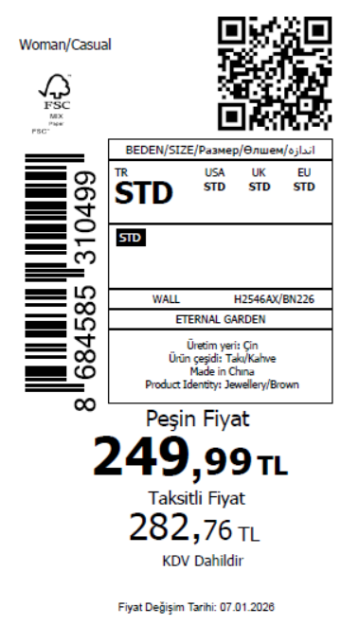 1865 |  |  | 0.8 | 2026-02-25 | 100% zinc
2026-01-09 | H2546AX | NS | 1801306 | KAZAKHSTAN | BN226 - BROWN | H2546AXKZKASTD | 1 | 5 | 5 | KAZAKHSTAN | 10 | 50 |  | 无稿件 |  | 0.8 | 2026-02-25 | 100% zinc
2026-01-09 | H2546AX | NS | 1801330 | EGYPT | BN226 - BROWN | H2546AXDFASTD | 1 | 5 | 5 | EGYPT | 15 | 75 |  |  |  | 0.8 | 2026-02-25 | 100% zinc
2026-01-09 | H2546AX | NS | 1801329 | GEORGIA | BN226 - BROWN | H2546AXDFASTD | 1 | 5 | 5 | GEORGIA | 7 | 35 |  |  |  | 0.8 | 2026-02-25 | 100% zinc
2026-01-09 | H2546AX | NS | 1801314 | AZERBAIJAN | BN226 - BROWN | H2546AXDFASTD | 1 | 5 | 5 | AZERBAIJAN | 3 | 15 |  |  |  | 0.8 | 2026-02-25 | 100% zinc
2026-01-09 | H2546AX | NS | 1801309 | AZERBAIJAN | BN226 - BROWN | H2546AXDFASTD | 1 | 5 | 5 | AZERBAIJAN | 10 | 50 |  |  |  | 0.8 | 2026-02-25 | 100% zinc
2026-01-09 | H2546AX | NS | 1801324 | NORTH IRAQ | BN226 - BROWN | H2546AXDFASTD | 1 | 5 | 5 | NORTH IRAQ | 15 | 75 |  |  |  | 0.8 | 2026-02-25 | 100% zinc
2026-01-09 | H2546AX | NS | 1801326 | MOROCCO | BN226 - BROWN | H2546AXDFASTD | 1 | 5 | 5 | MOROCCO | 15 | 75 |  |  |  | 0.8 | 2026-02-25 | 100% zinc
2026-01-09 | H2546AX | NS | 1801311 | KOSOVO | BN226 - BROWN | H2546AXDFASTD | 1 | 5 | 5 | KOSOVO | 3 | 15 |  |  |  | 0.8 | 2026-02-25 | 100% zinc
2026-01-09 | H2546AX | NS | 1801308 | KOSOVO | BN226 - BROWN | H2546AXDFASTD | 1 | 5 | 5 | KOSOVO | 10 | 50 |  |  |  | 0.8 | 2026-02-25 | 100% zinc
2026-01-09 | H2546AX | NS | 1801331 | BOSNIA | BN226 - BROWN | H2546AXDFASTD | 1 | 5 | 5 | BOSNIA | 8 | 40 |  |  |  | 0.8 | 2026-02-25 | 100% zinc
2026-01-09 | H2546AX | NS | 1801328 | MACEDONIA | BN226 - BROWN | H2546AXDFASTD | 1 | 5 | 5 | MACEDONIA | 4 | 20 |  |  |  | 0.8 | 2026-02-25 | 100% zinc
2026-01-09 | H2546AX | NS | 1801312 | LEBANON | BN226 - BROWN | H2546AXDFASTD | 1 | 5 | 5 | LEBANON | 3 | 15 |  |  |  | 0.8 | 2026-02-25 | 100% zinc
2026-01-09 | H2546AX | NS | 1801307 | LEBANON | BN226 - BROWN | H2546AXDFASTD | 1 | 5 | 5 | LEBANON | 10 | 50 |  |  |  | 0.8 | 2026-02-25 | 100% zinc
2026-01-09 | H2546AX | NS | 1801316 | UZBEKISTAN | BN226 - BROWN | H2546AXDFASTD | 1 | 5 | 5 | UZBEKISTAN | 4 | 20 |  |  |  | 0.8 | 2026-02-25 | 100% zinc
2026-01-09 | H2546AX | NS | 1801318 | UKRAINE | BN226 - BROWN | H2546AXDFASTD | 1 | 5 | 5 | UKRAINE | 10 | 50 |  |  |  | 0.8 | 2026-02-25 | 100% zinc
2026-01-09 | H2546AX | NS | 1801322 | SERBIA | BN226 - BROWN | H2546AXDFASTD | 1 | 5 | 5 | SERBIA | 4 | 20 |  |  |  | 0.8 | 2026-02-25 | 100% zinc
2026-01-09 | H2546AX | NS | 1801332 | ALBANIA | BN226 - BROWN | H2546AXDFASTD | 1 | 5 | 5 | ALBANIA | 6 | 30 |  |  |  | 0.8 | 2026-02-25 | 100% zinc
2026-01-09 | H2546AX | NS | 1801327 | MOLDOVA | BN226 - BROWN | H2546AXDFASTD | 1 | 5 | 5 | MOLDOVA | 10 | 50 |  |  |  | 0.8 | 2026-02-25 | 100% zinc
2026-01-09 | H2546AX | NS | 1801321 | SOUTH IRAQ | BN226 - BROWN | H2546AXDFASTD | 1 | 5 | 5 | SOUTH IRAQ | 15 | 75 |  |  |  | 0.8 | 2026-02-25 | 100% zinc
2026-01-09 | H2546AX | NS | 1801325 | MONTENEGRO | BN226 - BROWN | H2546AXDFASTD | 1 | 5 | 5 | MONTENEGRO | 1 | 5 |  |  |  | 0.8 | 2026-02-25 | 100% zinc
2026-01-09 | H2546AX | NS | 1801305 | TOPTAN-7 | BN226 - BROWN | H2546AXTOP7ASTD | 1 | 5 | 5 | TOPTAN-7 | 10 | 50 |  | 无稿件 |  | 0.8 | 2026-02-25 | 100% zinc
2026-01-09 | H2546AX | NS | 1801304-无价格 | İSTANBUL DEPO | BN226 - BROWN | H2546AXECOMASTD | 1 | 5 | 5 | ECOM | 20 | 100 |  |  |  | 0.8 | 2026-02-25 | 100% zinc
 |  |  |  |  |  |  |  |  |  |  | 373 | 1865

2026-01-09 | H2547AX | NS | 1798631 | DEFACTO PERAKENDE TİC.A.Ş. DEPO Organize San. Bölgesi 6.Depo Kazım Karabekir Mah. Cumhuriyet Cad. Tekirdağ/Çerkezköy Tel:0090 282 758 11 34-35 | KR1 - KARMA | H2547AXDFASTD | 1 | 5 | 5 | TURKEY | 150 | 750 | 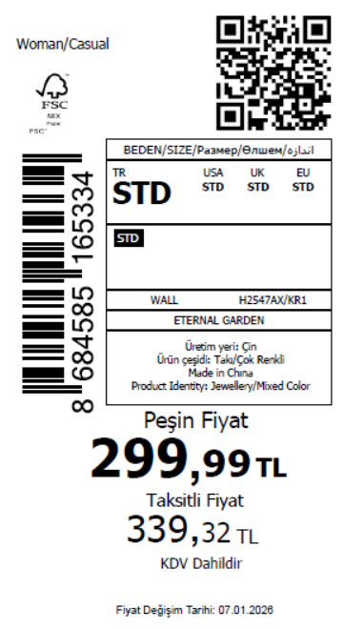 1255 |  | 1.45 | 0.85 | 2026-02-25 | 80% zinc, 20% acrylic
2026-01-09 | H2547AX | NS | 1798621 | KAZAKHSTAN | KR1 - KARMA | H2547AXKZKASTD | 1 | 5 | 5 | KAZAKHSTAN | 4 | 20 |  | 无稿件 | 1.45 | 0.85 | 2026-02-25 | 80% zinc, 20% acrylic
2026-01-09 | H2547AX | NS | 1798647 | EGYPT | KR1 - KARMA | H2547AXDFASTD | 1 | 5 | 5 | EGYPT | 6 | 30 |  |  | 1.45 | 0.85 | 2026-02-25 | 80% zinc, 20% acrylic
2026-01-09 | H2547AX | NS | 1798640 | GEORGIA | KR1 - KARMA | H2547AXDFASTD | 1 | 5 | 5 | GEORGIA | 3 | 15 |  |  | 1.45 | 0.85 | 2026-02-25 | 80% zinc, 20% acrylic
2026-01-09 | H2547AX | NS | 1798628 | AZERBAIJAN | KR1 - KARMA | H2547AXDFASTD | 1 | 5 | 5 | AZERBAIJAN | 3 | 15 |  |  | 1.45 | 0.85 | 2026-02-25 | 80% zinc, 20% acrylic
2026-01-09 | H2547AX | NS | 1798624 | AZERBAIJAN | KR1 - KARMA | H2547AXDFASTD | 1 | 5 | 5 | AZERBAIJAN | 6 | 30 |  |  | 1.45 | 0.85 | 2026-02-25 | 80% zinc, 20% acrylic
2026-01-09 | H2547AX | NS | 1798630 | NORTH IRAQ | KR1 - KARMA | H2547AXDFASTD | 1 | 5 | 5 | NORTH IRAQ | 8 | 40 |  |  | 1.45 | 0.85 | 2026-02-25 | 80% zinc, 20% acrylic
2026-01-09 | H2547AX | NS | 1798633 | MOROCCO | KR1 - KARMA | H2547AXDFASTD | 1 | 5 | 5 | MOROCCO | 4 | 20 |  |  | 1.45 | 0.85 | 2026-02-25 | 80% zinc, 20% acrylic
2026-01-09 | H2547AX | NS | 1798625 | KOSOVO | KR1 - KARMA | H2547AXDFASTD | 1 | 5 | 5 | KOSOVO | 3 | 15 |  |  | 1.45 | 0.85 | 2026-02-25 | 80% zinc, 20% acrylic
2026-01-09 | H2547AX | NS | 1798623 | KOSOVO | KR1 - KARMA | H2547AXDFASTD | 1 | 5 | 5 | KOSOVO | 6 | 30 |  |  | 1.45 | 0.85 | 2026-02-25 | 80% zinc, 20% acrylic
2026-01-09 | H2547AX | NS | 1798650 | BOSNIA | KR1 - KARMA | H2547AXDFASTD | 1 | 5 | 5 | BOSNIA | 2 | 10 |  |  | 1.45 | 0.85 | 2026-02-25 | 80% zinc, 20% acrylic
2026-01-09 | H2547AX | NS | 1798626 | LEBANON | KR1 - KARMA | H2547AXDFASTD | 1 | 5 | 5 | LEBANON | 3 | 15 |  |  | 1.45 | 0.85 | 2026-02-25 | 80% zinc, 20% acrylic
2026-01-09 | H2547AX | NS | 1798622 | LEBANON | KR1 - KARMA | H2547AXDFASTD | 1 | 5 | 5 | LEBANON | 6 | 30 |  |  | 1.45 | 0.85 | 2026-02-25 | 80% zinc, 20% acrylic
2026-01-09 | H2547AX | NS | 1798632 | UZBEKISTAN | KR1 - KARMA | H2547AXDFASTD | 1 | 5 | 5 | UZBEKISTAN | 4 | 20 |  |  | 1.45 | 0.85 | 2026-02-25 | 80% zinc, 20% acrylic
2026-01-09 | H2547AX | NS | 1798634 | UKRAINE | KR1 - KARMA | H2547AXDFASTD | 1 | 5 | 5 | UKRAINE | 4 | 20 |  |  | 1.45 | 0.85 | 2026-02-25 | 80% zinc, 20% acrylic
2026-01-09 | H2547AX | NS | 1798644 | SERBIA | KR1 - KARMA | H2547AXDFASTD | 1 | 5 | 5 | SERBIA | 2 | 10 |  |  | 1.45 | 0.85 | 2026-02-25 | 80% zinc, 20% acrylic
2026-01-09 | H2547AX | NS | 1798652 | ALBANIA | KR1 - KARMA | H2547AXDFASTD | 1 | 5 | 5 | ALBANIA | 2 | 10 |  |  | 1.45 | 0.85 | 2026-02-25 | 80% zinc, 20% acrylic
2026-01-09 | H2547AX | NS | 1798635 | MOLDOVA | KR1 - KARMA | H2547AXDFASTD | 1 | 5 | 5 | MOLDOVA | 5 | 25 |  |  | 1.45 | 0.85 | 2026-02-25 | 80% zinc, 20% acrylic
2026-01-09 | H2547AX | NS | 1798637 | SOUTH IRAQ | KR1 - KARMA | H2547AXDFASTD | 1 | 5 | 5 | SOUTH IRAQ | 6 | 30 |  |  | 1.45 | 0.85 | 2026-02-25 | 80% zinc, 20% acrylic
2026-01-09 | H2547AX | NS | 1798620 | TOPTAN-7 | KR1 - KARMA | H2547AXTOP7ASTD | 1 | 5 | 5 | TOPTAN-7 | 4 | 20 |  | 无稿件 | 1.45 | 0.85 | 2026-02-25 | 80% zinc, 20% acrylic
2026-01-09 | H2547AX | NS | 1798619-无价格 | İSTANBUL DEPO | KR1 - KARMA | H2547AXECOMASTD | 1 | 5 | 5 | ECOM | 20 | 100 |  |  | 1.45 | 0.85 | 2026-02-25 | 80% zinc, 20% acrylic
 |  |  |  |  |  |  |  |  |  |  | 251 | 1255

2026-01-09 | H2564AX | NS | 1798689 | DEFACTO PERAKENDE TİC.A.Ş. DEPO Organize San. Bölgesi 6.Depo Kazım Karabekir Mah. Cumhuriyet Cad. Tekirdağ/Çerkezköy Tel:0090 282 758 11 34-35 | GD1 - GOLD | H2564AXDFASTD | 1 | 5 | 5 | TURKEY | 200 | 1000 | 1965 |  | 1.5 | 1.1 | 2026-02-25 | 100% iron
2026-01-09 | H2564AX | NS | 1798682 | KAZAKHSTAN | GD1 - GOLD | H2564AXKZKASTD | 1 | 5 | 5 | KAZAKHSTAN | 10 | 50 |  | 无稿件 | 1.5 | 1.1 | 2026-02-25 | 100% iron
2026-01-09 | H2564AX | NS | 1798700 | EGYPT | GD1 - GOLD | H2564AXDFASTD | 1 | 5 | 5 | EGYPT | 15 | 75 |  |  | 1.5 | 1.1 | 2026-02-25 | 100% iron
2026-01-09 | H2564AX | NS | 1798699 | GEORGIA | GD1 - GOLD | H2564AXDFASTD | 1 | 5 | 5 | GEORGIA | 7 | 35 |  |  | 1.5 | 1.1 | 2026-02-25 | 100% iron
2026-01-09 | H2564AX | NS | 1798688 | AZERBAIJAN | GD1 - GOLD | H2564AXDFASTD | 1 | 5 | 5 | AZERBAIJAN | 3 | 15 |  |  | 1.5 | 1.1 | 2026-02-25 | 100% iron
2026-01-09 | H2564AX | NS | 1798685 | AZERBAIJAN | GD1 - GOLD | H2564AXDFASTD | 1 | 5 | 5 | AZERBAIJAN | 10 | 50 |  |  | 1.5 | 1.1 | 2026-02-25 | 100% iron
2026-01-09 | H2564AX | NS | 1798694 | NORTH IRAQ | GD1 - GOLD | H2564AXDFASTD | 1 | 5 | 5 | NORTH IRAQ | 15 | 75 |  |  | 1.5 | 1.1 | 2026-02-25 | 100% iron
2026-01-09 | H2564AX | NS | 1798696 | MOROCCO | GD1 - GOLD | H2564AXDFASTD | 1 | 5 | 5 | MOROCCO | 15 | 75 |  |  | 1.5 | 1.1 | 2026-02-25 | 100% iron
2026-01-09 | H2564AX | NS | 1798686 | KOSOVO | GD1 - GOLD | H2564AXDFASTD | 1 | 5 | 5 | KOSOVO | 3 | 15 |  |  | 1.5 | 1.1 | 2026-02-25 | 100% iron
2026-01-09 | H2564AX | NS | 1798684 | KOSOVO | GD1 - GOLD | H2564AXDFASTD | 1 | 5 | 5 | KOSOVO | 10 | 50 |  |  | 1.5 | 1.1 | 2026-02-25 | 100% iron
2026-01-09 | H2564AX | NS | 1798701 | BOSNIA | GD1 - GOLD | H2564AXDFASTD | 1 | 5 | 5 | BOSNIA | 8 | 40 |  |  | 1.5 | 1.1 | 2026-02-25 | 100% iron
2026-01-09 | H2564AX | NS | 1798698 | MACEDONIA | GD1 - GOLD | H2564AXDFASTD | 1 | 5 | 5 | MACEDONIA | 4 | 20 |  |  | 1.5 | 1.1 | 2026-02-25 | 100% iron
2026-01-09 | H2564AX | NS | 1798687 | LEBANON | GD1 - GOLD | H2564AXDFASTD | 1 | 5 | 5 | LEBANON | 3 | 15 |  |  | 1.5 | 1.1 | 2026-02-25 | 100% iron
2026-01-09 | H2564AX | NS | 1798683 | LEBANON | GD1 - GOLD | H2564AXDFASTD | 1 | 5 | 5 | LEBANON | 10 | 50 |  |  | 1.5 | 1.1 | 2026-02-25 | 100% iron
...
 |  |  |  |  |  |  | Set Content | STD | Qty. In A Blister | Delivery Country | lot 贴纸 | Total Open Quantity
 |  |  |  |  |  |  | 1 | 5 | 5 | UKRAINE | 10 | 50
 |  |  |  |  |  |  | 1 | 5 | 5 | SERBIA | 4 | 20
 |  |  |  |  |  |  | 1 | 5 | 5 | ALBANIA | 6 | 30
 |  |  |  |  |  |  | 1 | 5 | 5 | MOLDOVA | 10 | 50
 |  |  |  |  |  |  | 1 | 5 | 5 | SOUTH IRAQ | 15 | 75
 |  |  |  |  |  |  | 1 | 5 | 5 | MONTENEGRO | 1 | 5
 |  |  |  |  |  |  | 1 | 5 | 5 | TOPTAN-7 | 10 | 50 |  | 无稿件
 |  |  |  |  |  |  | 1 | 5 | 5 | ECOM | 20 | 100
 |  |  |  |  |  |  |  |  |  |  | 393 | 1965

 |  |  |  |  |  |  | 1 | 5 | 5 | TURKEY | 300 | 1500 | 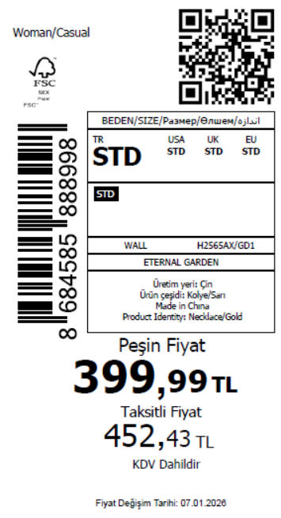 2510
 |  |  |  |  |  |  | 1 | 5 | 5 | KAZAKHSTAN | 10 | 50 |  | 无稿件
 |  |  |  |  |  |  | 1 | 5 | 5 | EGYPT | 15 | 75
 |  |  |  |  |  |  | 1 | 5 | 5 | GEORGIA | 7 | 35
 |  |  |  |  |  |  | 1 | 5 | 5 | AZERBAIJAN | 3 | 15
 |  |  |  |  |  |  | 1 | 5 | 5 | AZERBAIJAN | 13 | 65
 |  |  |  |  |  |  | 1 | 5 | 5 | NORTH IRAQ | 15 | 75
 |  |  |  |  |  |  | 1 | 5 | 5 | MOROCCO | 15 | 75
 |  |  |  |  |  |  | 1 | 5 | 5 | KOSOVO | 3 | 15
 |  |  |  |  |  |  | 1 | 5 | 5 | KOSOVO | 13 | 65
 |  |  |  |  |  |  | 1 | 5 | 5 | BOSNIA | 8 | 40
...
 |  |  |  |  |  |  | Set Content | STD | Qty. In A Blister | Delivery Country | lot 贴纸 | Total Open Quantity
 |  |  |  |  |  |  | 1 | 5 | 5 | UKRAINE | 10 | 50
 |  |  |  |  |  |  | 1 | 5 | 5 | SERBIA | 4 | 20
 |  |  |  |  |  |  | 1 | 5 | 5 | ALBANIA | 6 | 30
 |  |  |  |  |  |  | 1 | 5 | 5 | MOLDOVA | 10 | 50
 |  |  |  |  |  |  | 1 | 5 | 5 | SOUTH IRAQ | 15 | 75
 |  |  |  |  |  |  | 1 | 5 | 5 | MONTENEGRO | 1 | 5
 |  |  |  |  |  |  | 1 | 5 | 5 | TOPTAN-7 | 10 | 50 |  | 无稿件
 |  |  |  |  |  |  | 1 | 5 | 5 | ECOM | 20 | 100
 |  |  |  |  |  |  |  |  |  |  | 502 | 2510

 |  |  |  |  |  |  | 1 | 5 | 5 | TURKEY | 200 | 1000 | 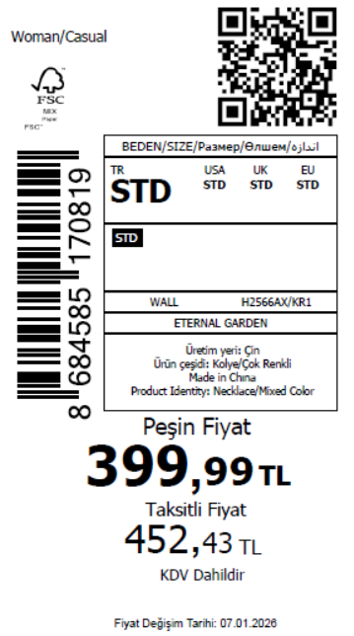 1950
 |  |  |  |  |  |  | 1 | 5 | 5 | KAZAKHSTAN | 10 | 50 |  | 无稿件
 |  |  |  |  |  |  | 1 | 5 | 5 | EGYPT | 15 | 75
 |  |  |  |  |  |  | 1 | 5 | 5 | GEORGIA | 7 | 35
 |  |  |  |  |  |  | 1 | 5 | 5 | NORTH IRAQ | 15 | 75
 |  |  |  |  |  |  | 1 | 5 | 5 | MOROCCO | 15 | 75
 |  |  |  |  |  |  | 1 | 5 | 5 | KOSOVO | 3 | 15
 |  |  |  |  |  |  | 1 | 5 | 5 | KOSOVO | 10 | 50
 |  |  |  |  |  |  | 1 | 5 | 5 | BOSNIA | 8 | 40
 |  |  |  |  |  |  | 1 | 5 | 5 | MACEDONIA | 4 | 20
 |  |  |  |  |  |  | 1 | 5 | 5 | LEBANON | 3 | 15
...
 |  |  |  |  |  |  | Set Content | STD | Qty. In A Blister | Delivery Country | lot 贴纸 | Total Open Quantity
 |  |  |  |  |  |  | 1 | 5 | 5 | SERBIA | 4 | 20
 |  |  |  |  |  |  | 1 | 5 | 5 | ALBANIA | 6 | 30
 |  |  |  |  |  |  | 1 | 5 | 5 | MOLDOVA | 10 | 50
 |  |  |  |  |  |  | 1 | 5 | 5 | SOUTH IRAQ | 15 | 75 |  |  | 1.6
 |  |  |  |  |  |  | 1 | 5 | 5 | MONTENEGRO | 1 | 5 |  |  | 1.6
 |  |  |  |  |  |  | 1 | 5 | 5 | TOPTAN-7 | 10 | 50 |  | 无稿件 | 1.6
 |  |  |  |  |  |  | 1 | 5 | 5 | AZERBAIJAN | 10 | 50 |  |  | 1.6
 |  |  |  |  |  |  | 1 | 5 | 5 | ECOM | 20 | 100 |  |  | 1.6
 |  |  |  |  |  |  |  |  |  |  | 390 | 1950

 |  |  |  |  |  |  | 5 | 5 | 5 | TURKEY | 100 | 500 | 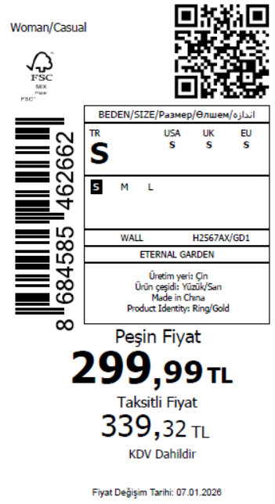 1945 |  | 500
 |  |  |  |  |  |  | 5 | 5 | 5 | TURKEY | 50 | 250 |  |  | 250
 |  |  |  |  |  |  | 5 | 5 | 5 | TURKEY | 50 | 250 |  |  | 250
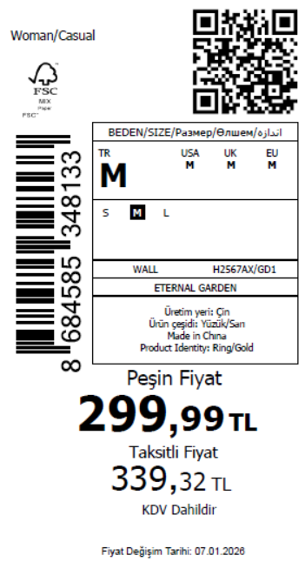
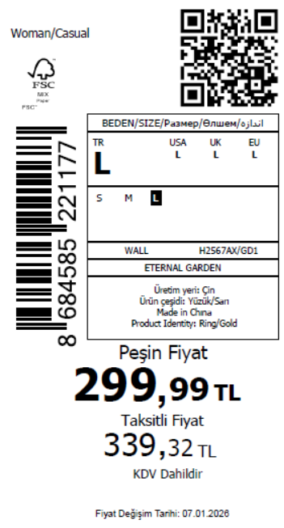
 |  |  |  |  |  |  | 5 | 5 | 5 | KAZAKHSTAN | 10 | 50 |  | 无稿件 | 50
 |  |  |  |  |  |  | 5 | 5 | 5 | EGYPT | 10 | 50 |  |  | 50
 |  |  |  |  |  |  | 5 | 5 | 5 | EGYPT | 5 | 25 |  |  | 25
 |  |  |  |  |  |  | 5 | 5 | 5 | GEORGIA | 7 | 35 |  |  | 35
 |  |  |  |  |  |  | 5 | 5 | 5 | AZERBAIJAN | 3 | 15 |  |  | 15
 |  |  |  |  |  |  | 5 | 5 | 5 | AZERBAIJAN | 10 | 50 |  |  | 50
 |  |  |  |  |  |  | 5 | 5 | 5 | NORTH IRAQ | 15 | 75 |  |  | 75
 |  |  |  |  |  |  | 5 | 5 | 5 | MOROCCO | 15 | 75 |  |  | 75
 |  |  |  |  |  |  |  | 5 | 5 | KOSOVO | 3 | 15 |  |  | 15
 |  |  |  |  |  |  |  | 5 | 5 | KOSOVO | 10 | 50 |  |  | 50
 |  |  |  |  |  |  |  | 5 | 5 | BOSNIA | 8 | 40 |  |  | 40
 |  |  |  |  |  |  |  | 5 | 5 | LEBANON | 3 | 15 |  |  | 15
 |  |  |  |  |  |  |  | 5 | 5 | LEBANON | 10 | 50 |  |  | 50
 |  |  |  |  |  |  |  | 5 | 5 | UZBEKISTAN | 4 | 20 |  |  | 20
 |  |  |  |  |  |  |  | 5 | 5 | UKRAINE | 10 | 50 |  |  | 50
 |  |  |  |  |  |  |  | 5 | 5 | SERBIA | 4 | 20 |  |  | 20
 |  |  |  |  |  |  |  | 5 | 5 | ALBANIA | 6 | 30 |  |  | 30
 |  |  |  |  |  |  |  | 5 | 5 | MOLDOVA | 10 | 50 |  |  | 50
 |  |  |  |  |  |  |  | 5 | 5 | SOUTH IRAQ | 15 | 75 |  |  | 75
 |  |  |  |  |  |  |  | 5 | 5 | MONTENEGRO | 1 | 5 |  |  | 5
 |  |  |  |  |  |  |  | 5 | 5 | TOPTAN-7 | 10 | 50 |  | 无稿件 | 50
 |  |  |  |  |  |  |  | 5 | 5 | ECOM | 10 | 50 |  |  | 50
 |  |  |  |  |  |  |  | 5 | 5 | ECOM | 5 | 25 |  |  | 25
 |  |  |  |  |  |  |  | 5 | 5 | ECOM | 5 | 25 |  |  | 25
 |  |  |  |  |  |  |  |  |  |  | 389 | 1945

