主标3% 1.14
款号 | 颜色 | S | M | L | XL | XXL | 3XL |  | 主标颜色 | 涉及PO
H1310AX | BK81 - BLACK | 163 | 325 | 325 | 325 | 488 | 325 | 1951 | 黑 | 1772772,1772782,1772784,1772787,1772790,1772795,1772799,1772803,1772807,1772811,1772817,1772820,1772825,1772831,1772837,1772843,1772849,1772780
H1310AX | BN320 - BROWN | 135 | 270 | 270 | 270 | 405 | 270 | 1620 | 黑 | 1772772,1772782,1772784,1772787,1772790,1772795,1772799,1772803,1772807,1772811,1772817,1772820,1772825,1772831,1772837,1772843,1772849,1772780
H1310AX | RD286 - RED | 135 | 270 | 270 | 270 | 405 | 270 | 1620 | 白 | 1772772,1772782,1772784,1772787,1772790,1772795,1772799,1772803,1772807,1772811,1772817,1772820,1772825,1772831,1772837,1772843,1772849,1772780
H1310AX | WT34 - WHITE | 163 | 325 | 325 | 325 | 488 | 325 | 1951 | 白 | 1772772,1772782,1772784,1772787,1772790,1772795,1772799,1772803,1772807,1772811,1772817,1772820,1772825,1772831,1772837,1772843,1772849,1772780
 |  | 596 | 1190 | 1190 | 1190 | 1786 | 1190 | 7142

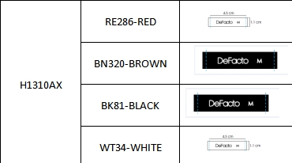
 |  |  |  |  |  |  | 黑色 | 3571
 |  |  |  |  |  |  | 白色 | 3571
 |  |  |  |  |  |  |  | 7142

