主标3% 1.14
款号 | 颜色 | XS | S | M | L | XL | XXL | 3XL |  | 主标颜色 | 涉及PO
G2199AX | BN320 - BROWN | 25 | 433 | 649 | 433 | 216 | 216 | 192 | 2164 | 黑 | 1771867,1771869,1772361,1772362,1772364,1772366,1772367,1772369,1772371,1772375,1772377,1772381,1772388,1772394,1772401,1772406,1772411,1771868
G2199AX | WT34 - WHITE | 25 | 433 | 649 | 433 | 216 | 216 | 192 | 2164 | 白 | 1771867,1771869,1772361,1772362,1772364,1772366,1772367,1772369,1772371,1772375,1772377,1772381,1772388,1772394,1772401,1772406,1772411,1771868
G2199AX | YL155 - LT.YELLOW | 23 | 389 | 584 | 389 | 195 | 195 | 172 | 1947 | 白 | 1771867,1771869,1772361,1772362,1772364,1772366,1772367,1772369,1772371,1772375,1772377,1772381,1772388,1772394,1772401,1772406,1772411,1771868
 |  | 73 | 1255 | 1882 | 1255 | 627 | 627 | 556 | 6275

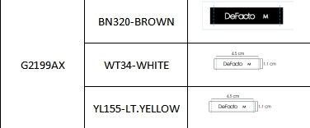
 |  |  |  |  |  |  |  | 黑色 | 2164
 |  |  |  |  |  |  |  | 白色 | 4111
 |  |  |  |  |  |  |  |  | 6275

