2.10
订单日期 | Style Code | Season | Order Number | Ship To | ColorCode-Name | Prepack Code | Set Content | STD | Qty. In A Blister | Delivery Country | 贴纸 | Total Open Quantity
2025-12-30 | H3189AX | NS | 1796662 | ALBANIA | KR1 - KARMA | H3189AXDFASTD | 3 | 5 | 5 | ALBANIA | 6 | 30 | 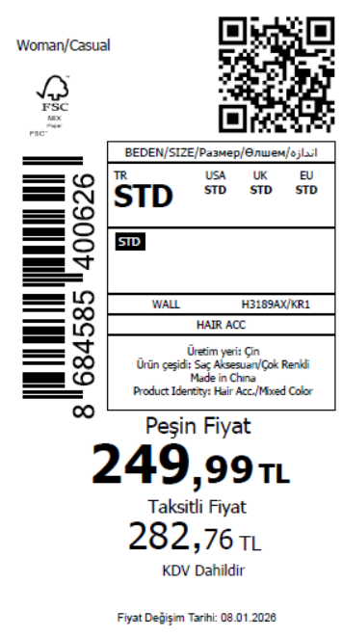 3020
2025-12-30 | H3189AX | NS | 1796661 | BOSNIA | KR1 - KARMA | H3189AXDFASTD | 3 | 5 | 5 | BOSNIA | 6 | 30
2025-12-30 | H3189AX | NS | 1796660 | EGYPT | KR1 - KARMA | H3189AXDFASTD | 3 | 5 | 5 | EGYPT | 15 | 75
2025-12-30 | H3189AX | NS | 1796659 | GEORGIA | KR1 - KARMA | H3189AXDFASTD | 3 | 5 | 5 | GEORGIA | 6 | 30
2025-12-30 | H3189AX | NS | 1796658 | MACEDONIA | KR1 - KARMA | H3189AXDFASTD | 3 | 5 | 5 | MACEDONIA | 6 | 30
2025-12-30 | H3189AX | NS | 1796657 | MOLDOVA | KR1 - KARMA | H3189AXDFASTD | 3 | 5 | 5 | MOLDOVA | 10 | 50
2025-12-30 | H3189AX | NS | 1796656 | MONTENEGRO | KR1 - KARMA | H3189AXDFASTD | 3 | 5 | 5 | MONTENEGRO | 2 | 10
2025-12-30 | H3189AX | NS | 1796655 | MOROCCO | KR1 - KARMA | H3189AXDFASTD | 3 | 5 | 5 | MOROCCO | 15 | 75
2025-12-30 | H3189AX | NS | 1796654 | NORTH IRAQ | KR1 - KARMA | H3189AXDFASTD | 3 | 5 | 5 | NORTH IRAQ | 20 | 100
2025-12-30 | H3189AX | NS | 1796653 | SERBIA | KR1 - KARMA | H3189AXDFASTD | 3 | 5 | 5 | SERBIA | 6 | 30
2025-12-30 | H3189AX | NS | 1796652 | SOUTH IRAQ | KR1 - KARMA | H3189AXDFASTD | 3 | 5 | 5 | SOUTH IRAQ | 20 | 100
2025-12-30 | H3189AX | NS | 1796650 | UZBEKISTAN | KR1 - KARMA | H3189AXDFASTD | 3 | 5 | 5 | UZBEKISTAN | 4 | 20
2025-12-30 | H3189AX | NS | 1796649 | AZERBAIJAN | KR1 - KARMA | H3189AXDFASTD | 3 | 5 | 5 | AZERBAIJAN | 3 | 15
2025-12-30 | H3189AX | NS | 1796647 | KOSOVO | KR1 - KARMA | H3189AXDFASTD | 3 | 5 | 5 | KOSOVO | 3 | 15
2025-12-30 | H3189AX | NS | 1796646 | LEBANON | KR1 - KARMA | H3189AXDFASTD | 3 | 5 | 5 | LEBANON | 3 | 15
2025-12-30 | H3189AX | NS | 1796643 | KAZAKHSTAN | KR1 - KARMA | H3189AXKZKASTD | 3 | 5 | 5 | KAZAKHSTAN | 15 | 75 |  | 无稿件
2025-12-30 | H3189AX | NS | 1796651 | DEFACTO PERAKENDE TİC.A.Ş. DEPO Organize San. Bölgesi 6.Depo Kazım Karabekir Mah. Cumhuriyet Cad. Tekirdağ/Çerkezköy Tel:0090 282 758 11 34-35 | KR1 - KARMA | H3189AXDFASTD | 3 | 5 | 5 | TURKEY | 440 | 2200
2025-12-30 | H3189AX | NS | 1796640-无价格 | İSTANBUL DEPO | KR1 - KARMA | H3189AXECOMASTD | 3 | 5 | 5 | ECOM | 24 | 120
 |  |  |  |  |  |  |  |  |  |  | 604 | 3020

2025-12-30 | H3190AX | NS | 1796698 | ALBANIA | KR1 - KARMA | H3190AXDFASTD | 2 | 5 | 5 | ALBANIA | 6 | 30 | 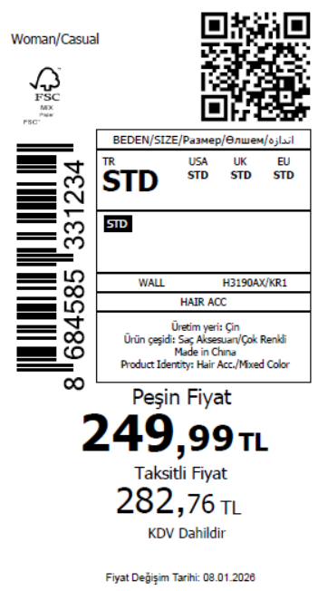 3020
2025-12-30 | H3190AX | NS | 1796697 | BOSNIA | KR1 - KARMA | H3190AXDFASTD | 2 | 5 | 5 | BOSNIA | 6 | 30
2025-12-30 | H3190AX | NS | 1796696 | EGYPT | KR1 - KARMA | H3190AXDFASTD | 2 | 5 | 5 | EGYPT | 15 | 75
2025-12-30 | H3190AX | NS | 1796694 | GEORGIA | KR1 - KARMA | H3190AXDFASTD | 2 | 5 | 5 | GEORGIA | 6 | 30
2025-12-30 | H3190AX | NS | 1796691 | MACEDONIA | KR1 - KARMA | H3190AXDFASTD | 2 | 5 | 5 | MACEDONIA | 6 | 30
2025-12-30 | H3190AX | NS | 1796689 | MOLDOVA | KR1 - KARMA | H3190AXDFASTD | 2 | 5 | 5 | MOLDOVA | 10 | 50
2025-12-30 | H3190AX | NS | 1796685 | MONTENEGRO | KR1 - KARMA | H3190AXDFASTD | 2 | 5 | 5 | MONTENEGRO | 2 | 10
2025-12-30 | H3190AX | NS | 1796683 | MOROCCO | KR1 - KARMA | H3190AXDFASTD | 2 | 5 | 5 | MOROCCO | 15 | 75
2025-12-30 | H3190AX | NS | 1796680 | NORTH IRAQ | KR1 - KARMA | H3190AXDFASTD | 2 | 5 | 5 | NORTH IRAQ | 20 | 100
2025-12-30 | H3190AX | NS | 1796678 | SERBIA | KR1 - KARMA | H3190AXDFASTD | 2 | 5 | 5 | SERBIA | 6 | 30
2025-12-30 | H3190AX | NS | 1796675 | SOUTH IRAQ | KR1 - KARMA | H3190AXDFASTD | 2 | 5 | 5 | SOUTH IRAQ | 20 | 100
2025-12-30 | H3190AX | NS | 1796673 | UZBEKISTAN | KR1 - KARMA | H3190AXDFASTD | 2 | 5 | 5 | UZBEKISTAN | 4 | 20
2025-12-30 | H3190AX | NS | 1796671 | AZERBAIJAN | KR1 - KARMA | H3190AXDFASTD | 2 | 5 | 5 | AZERBAIJAN | 3 | 15
2025-12-30 | H3190AX | NS | 1796668 | KOSOVO | KR1 - KARMA | H3190AXDFASTD | 2 | 5 | 5 | KOSOVO | 3 | 15
2025-12-30 | H3190AX | NS | 1796666 | LEBANON | KR1 - KARMA | H3190AXDFASTD | 2 | 5 | 5 | LEBANON | 3 | 15
2025-12-30 | H3190AX | NS | 1796664 | KAZAKHSTAN | KR1 - KARMA | H3190AXKZKASTD | 2 | 5 | 5 | KAZAKHSTAN | 15 | 75 |  | 无稿件
2025-12-30 | H3190AX | NS | 1796674 | DEFACTO PERAKENDE TİC.A.Ş. DEPO Organize San. Bölgesi 6.Depo Kazım Karabekir Mah. Cumhuriyet Cad. Tekirdağ/Çerkezköy Tel:0090 282 758 11 34-35 | KR1 - KARMA | H3190AXDFASTD | 2 | 5 | 5 | TURKEY | 440 | 2200
2025-12-30 | H3190AX | NS | 1796663-无价格 | İSTANBUL DEPO | KR1 - KARMA | H3190AXECOMASTD | 2 | 5 | 5 | ECOM | 24 | 120
 |  |  |  |  |  |  |  |  |  |  | 604 | 3020

2025-12-30 | H3191AX | NS | 1797049 | ALBANIA | KR1 - KARMA | H3191AXDFASTD | 2 | 5 | 5 | ALBANIA | 6 | 30 | 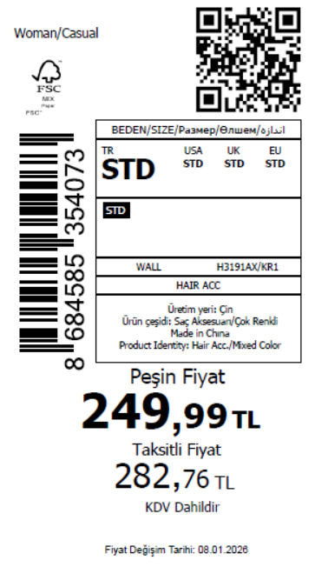 3035
2025-12-30 | H3191AX | NS | 1797048 | BOSNIA | KR1 - KARMA | H3191AXDFASTD | 2 | 5 | 5 | BOSNIA | 6 | 30
2025-12-30 | H3191AX | NS | 1797047 | EGYPT | KR1 - KARMA | H3191AXDFASTD | 2 | 5 | 5 | EGYPT | 15 | 75
2025-12-30 | H3191AX | NS | 1797046 | GEORGIA | KR1 - KARMA | H3191AXDFASTD | 2 | 5 | 5 | GEORGIA | 6 | 30
2025-12-30 | H3191AX | NS | 1797045 | MACEDONIA | KR1 - KARMA | H3191AXDFASTD | 2 | 5 | 5 | MACEDONIA | 6 | 30
2025-12-30 | H3191AX | NS | 1797044 | MOLDOVA | KR1 - KARMA | H3191AXDFASTD | 2 | 5 | 5 | MOLDOVA | 10 | 50
2025-12-30 | H3191AX | NS | 1797043 | MONTENEGRO | KR1 - KARMA | H3191AXDFASTD | 2 | 5 | 5 | MONTENEGRO | 2 | 10
2025-12-30 | H3191AX | NS | 1797042 | MOROCCO | KR1 - KARMA | H3191AXDFASTD | 2 | 5 | 5 | MOROCCO | 15 | 75
2025-12-30 | H3191AX | NS | 1797041 | NORTH IRAQ | KR1 - KARMA | H3191AXDFASTD | 2 | 5 | 5 | NORTH IRAQ | 20 | 100
2025-12-30 | H3191AX | NS | 1797039 | SERBIA | KR1 - KARMA | H3191AXDFASTD | 2 | 5 | 5 | SERBIA | 6 | 30
2025-12-30 | H3191AX | NS | 1797036 | SOUTH IRAQ | KR1 - KARMA | H3191AXDFASTD | 2 | 5 | 5 | SOUTH IRAQ | 20 | 100
2025-12-30 | H3191AX | NS | 1797033 | UZBEKISTAN | KR1 - KARMA | H3191AXDFASTD | 2 | 5 | 5 | UZBEKISTAN | 4 | 20
2025-12-30 | H3191AX | NS | 1797031 | AZERBAIJAN | KR1 - KARMA | H3191AXDFASTD | 2 | 5 | 5 | AZERBAIJAN | 3 | 15
2025-12-30 | H3191AX | NS | 1797030 | KOSOVO | KR1 - KARMA | H3191AXDFASTD | 2 | 5 | 5 | KOSOVO | 3 | 15
2025-12-30 | H3191AX | NS | 1797027 | LEBANON | KR1 - KARMA | H3191AXDFASTD | 2 | 5 | 5 | LEBANON | 3 | 15
2025-12-30 | H3191AX | NS | 1797025 | KAZAKHSTAN | KR1 - KARMA | H3191AXKZKASTD | 2 | 5 | 5 | KAZAKHSTAN | 15 | 75 |  | 无稿件
2025-12-30 | H3191AX | NS | 1797034 | DEFACTO PERAKENDE TİC.A.Ş. DEPO Organize San. Bölgesi 6.Depo Kazım Karabekir Mah. Cumhuriyet Cad. Tekirdağ/Çerkezköy Tel:0090 282 758 11 34-35 | KR1 - KARMA | H3191AXDFASTD | 2 | 5 | 5 | TURKEY | 443 | 2215
2025-12-30 | H3191AX | NS | 1797053-无价格 | İSTANBUL DEPO | KR1 - KARMA | H3191AXECOMASTD | 2 | 5 | 5 | ECOM | 24 | 120
 |  |  |  |  |  |  |  |  |  |  | 607 | 3035

2025-12-30 | H3192AX | NS | 1797081 | EGYPT | BE106 - BLUE | H3192AXDFASTD | 1 | 5 | 5 | EGYPT | 10 | 50 | 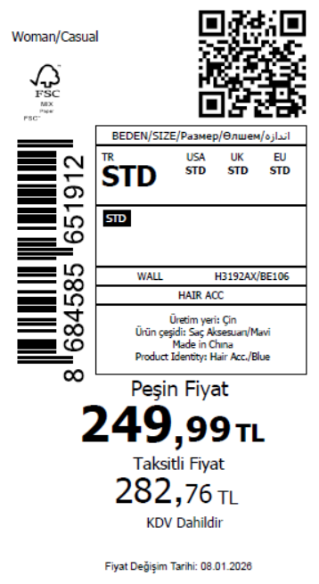 1020
2025-12-30 | H3192AX | NS | 1797078 | GEORGIA | BE106 - BLUE | H3192AXDFASTD | 1 | 5 | 5 | GEORGIA | 10 | 50
2025-12-30 | H3192AX | NS | 1797076 | MOLDOVA | BE106 - BLUE | H3192AXDFASTD | 1 | 5 | 5 | MOLDOVA | 10 | 50
2025-12-30 | H3192AX | NS | 1797073 | MONTENEGRO | BE106 - BLUE | H3192AXDFASTD | 1 | 5 | 5 | MONTENEGRO | 1 | 5
2025-12-30 | H3192AX | NS | 1797072 | MOROCCO | BE106 - BLUE | H3192AXDFASTD | 1 | 5 | 5 | MOROCCO | 10 | 50
2025-12-30 | H3192AX | NS | 1797071 | NORTH IRAQ | BE106 - BLUE | H3192AXDFASTD | 1 | 5 | 5 | NORTH IRAQ | 10 | 50
2025-12-30 | H3192AX | NS | 1797070 | SOUTH IRAQ | BE106 - BLUE | H3192AXDFASTD | 1 | 5 | 5 | SOUTH IRAQ | 10 | 50
2025-12-30 | H3192AX | NS | 1797068 | AZERBAIJAN | BE106 - BLUE | H3192AXDFASTD | 1 | 5 | 5 | AZERBAIJAN | 3 | 15
2025-12-30 | H3192AX | NS | 1797067 | KOSOVO | BE106 - BLUE | H3192AXDFASTD | 1 | 5 | 5 | KOSOVO | 3 | 15
2025-12-30 | H3192AX | NS | 1797066 | LEBANON | BE106 - BLUE | H3192AXDFASTD | 1 | 5 | 5 | LEBANON | 3 | 15
2025-12-30 | H3192AX | NS | 1797065 | KAZAKHSTAN | BE106 - BLUE | H3192AXKZKASTD | 1 | 5 | 5 | KAZAKHSTAN | 10 | 50 |  | 无稿件
2025-12-30 | H3192AX | NS | 1797069 | DEFACTO PERAKENDE TİC.A.Ş. DEPO Organize San. Bölgesi 6.Depo Kazım Karabekir Mah. Cumhuriyet Cad. Tekirdağ/Çerkezköy Tel:0090 282 758 11 34-35 | BE106 - BLUE | H3192AXDFASTD | 1 | 5 | 5 | TURKEY | 100 | 500
2025-12-30 | H3192AX | NS | 1797064-无价格 | İSTANBUL DEPO | BE106 - BLUE | H3192AXECOMASTD | 1 | 5 | 5 | ECOM | 24 | 120
 |  |  |  |  |  |  |  |  |  |  | 204 | 1020

2025-12-30 | H3193AX | NS | 1797114 | BOSNIA | PN232 - LT.PINK | H3193AXDFASTD | 1 | 5 | 5 | BOSNIA | 5 | 25
2025-12-30 | H3193AX | NS | 1797113 | EGYPT | PN232 - LT.PINK | H3193AXDFASTD | 1 | 5 | 5 | EGYPT | 20 | 100 | 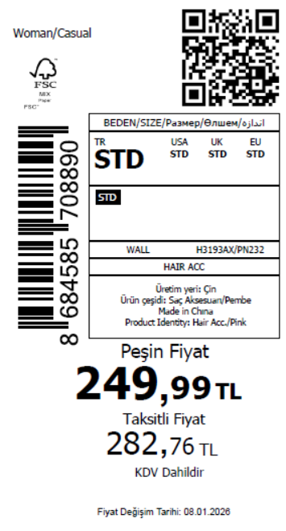 1485
2025-12-30 | H3193AX | NS | 1797112 | GEORGIA | PN232 - LT.PINK | H3193AXDFASTD | 1 | 5 | 5 | GEORGIA | 6 | 30
2025-12-30 | H3193AX | NS | 1797111 | MOLDOVA | PN232 - LT.PINK | H3193AXDFASTD | 1 | 5 | 5 | MOLDOVA | 10 | 50
2025-12-30 | H3193AX | NS | 1797110 | MONTENEGRO | PN232 - LT.PINK | H3193AXDFASTD | 1 | 5 | 5 | MONTENEGRO | 1 | 5
2025-12-30 | H3193AX | NS | 1797109 | MOROCCO | PN232 - LT.PINK | H3193AXDFASTD | 1 | 5 | 5 | MOROCCO | 20 | 100
2025-12-30 | H3193AX | NS | 1797108 | NORTH IRAQ | PN232 - LT.PINK | H3193AXDFASTD | 1 | 5 | 5 | NORTH IRAQ | 20 | 100
2025-12-30 | H3193AX | NS | 1797107 | SERBIA | PN232 - LT.PINK | H3193AXDFASTD | 1 | 5 | 5 | SERBIA | 5 | 25
2025-12-30 | H3193AX | NS | 1797106 | SOUTH IRAQ | PN232 - LT.PINK | H3193AXDFASTD | 1 | 5 | 5 | SOUTH IRAQ | 15 | 75
2025-12-30 | H3193AX | NS | 1797104 | UZBEKISTAN | PN232 - LT.PINK | H3193AXDFASTD | 1 | 5 | 5 | UZBEKISTAN | 2 | 10
2025-12-30 | H3193AX | NS | 1797103 | AZERBAIJAN | PN232 - LT.PINK | H3193AXDFASTD | 1 | 5 | 5 | AZERBAIJAN | 3 | 15
2025-12-30 | H3193AX | NS | 1797102 | KOSOVO | PN232 - LT.PINK | H3193AXDFASTD | 1 | 5 | 5 | KOSOVO | 3 | 15
2025-12-30 | H3193AX | NS | 1797101 | LEBANON | PN232 - LT.PINK | H3193AXDFASTD | 1 | 5 | 5 | LEBANON | 3 | 15
2025-12-30 | H3193AX | NS | 1797100 | KAZAKHSTAN | PN232 - LT.PINK | H3193AXKZKASTD | 1 | 5 | 5 | KAZAKHSTAN | 10 | 50 |  | 无稿件
2025-12-30 | H3193AX | NS | 1797105 | DEFACTO PERAKENDE TİC.A.Ş. DEPO Organize San. Bölgesi 6.Depo Kazım Karabekir Mah. Cumhuriyet Cad. Tekirdağ/Çerkezköy Tel:0090 282 758 11 34-35 | PN232 - LT.PINK | H3193AXDFASTD | 1 | 5 | 5 | TURKEY | 150 | 750
2025-12-30 | H3193AX | NS | 1797099-无价格 | İSTANBUL DEPO | PN232 - LT.PINK | H3193AXECOMASTD | 1 | 5 | 5 | ECOM | 24 | 120
 |  |  |  |  |  |  |  |  |  |  | 297 | 1485

2025-12-30 | H3194AX | NS | 1797146 | DEFACTO PERAKENDE TİC.A.Ş. DEPO Organize San. Bölgesi 6.Depo Kazım Karabekir Mah. Cumhuriyet Cad. Tekirdağ/Çerkezköy Tel:0090 282 758 11 34-35 | KR1 - KARMA | H3194AXDFASTD | 2 | 5 | 5 | TURKEY | 100 | 500 | 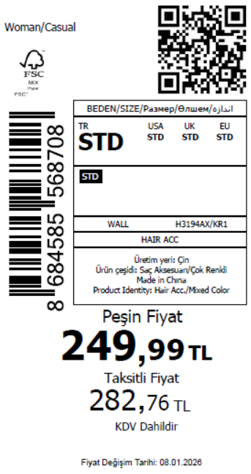 665
2025-12-30 | H3194AX | NS | 1797143 | AZERBAIJAN | KR1 - KARMA | H3194AXDFASTD | 2 | 5 | 5 | AZERBAIJAN | 3 | 15
2025-12-30 | H3194AX | NS | 1797141 | KOSOVO | KR1 - KARMA | H3194AXDFASTD | 2 | 5 | 5 | KOSOVO | 3 | 15
2025-12-30 | H3194AX | NS | 1797139 | LEBANON | KR1 - KARMA | H3194AXDFASTD | 2 | 5 | 5 | LEBANON | 3 | 15
2025-12-30 | H3194AX | NS | 1797138-无价格 | İSTANBUL DEPO | KR1 - KARMA | H3194AXECOMASTD | 2 | 5 | 5 | ECOM | 24 | 120
 |  |  |  |  |  |  |  |  |  |  | 133 | 665

2025-12-30 | H3195AX | NS | 1797177 | ALBANIA | KR1 - KARMA | H3195AXDFASTD | 3 | 5 | 5 | ALBANIA | 6 | 30 | 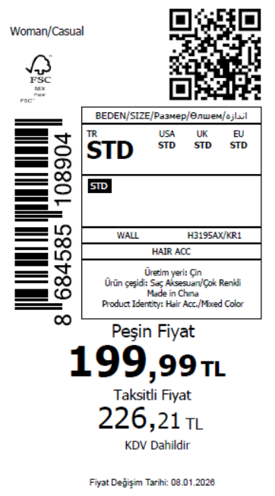 2090
2025-12-30 | H3195AX | NS | 1797176 | BOSNIA | KR1 - KARMA | H3195AXDFASTD | 3 | 5 | 5 | BOSNIA | 6 | 30
2025-12-30 | H3195AX | NS | 1797175 | EGYPT | KR1 - KARMA | H3195AXDFASTD | 3 | 5 | 5 | EGYPT | 15 | 75
2025-12-30 | H3195AX | NS | 1797173 | UZBEKISTAN | KR1 - KARMA | H3195AXDFASTD | 3 | 5 | 5 | UZBEKISTAN | 4 | 20
2025-12-30 | H3195AX | NS | 1797172 | GEORGIA | KR1 - KARMA | H3195AXDFASTD | 3 | 5 | 5 | GEORGIA | 6 | 30
2025-12-30 | H3195AX | NS | 1797171 | AZERBAIJAN | KR1 - KARMA | H3195AXDFASTD | 3 | 5 | 5 | AZERBAIJAN | 3 | 15
2025-12-30 | H3195AX | NS | 1797170 | MACEDONIA | KR1 - KARMA | H3195AXDFASTD | 3 | 5 | 5 | MACEDONIA | 6 | 30
2025-12-30 | H3195AX | NS | 1797169 | KOSOVO | KR1 - KARMA | H3195AXDFASTD | 3 | 5 | 5 | KOSOVO | 3 | 15
2025-12-30 | H3195AX | NS | 1797168 | MOLDOVA | KR1 - KARMA | H3195AXDFASTD | 3 | 5 | 5 | MOLDOVA | 10 | 50
2025-12-30 | H3195AX | NS | 1797167 | MONTENEGRO | KR1 - KARMA | H3195AXDFASTD | 3 | 5 | 5 | MONTENEGRO | 2 | 10
2025-12-30 | H3195AX | NS | 1797166 | MOROCCO | KR1 - KARMA | H3195AXDFASTD | 3 | 5 | 5 | MOROCCO | 15 | 75
2025-12-30 | H3195AX | NS | 1797165 | LEBANON | KR1 - KARMA | H3195AXDFASTD | 3 | 5 | 5 | LEBANON | 3 | 15
2025-12-30 | H3195AX | NS | 1797164 | NORTH IRAQ | KR1 - KARMA | H3195AXDFASTD | 3 | 5 | 5 | NORTH IRAQ | 20 | 100
2025-12-30 | H3195AX | NS | 1797163 | SOUTH IRAQ | KR1 - KARMA | H3195AXDFASTD | 3 | 5 | 5 | SOUTH IRAQ | 20 | 100
2025-12-30 | H3195AX | NS | 1797161 | KAZAKHSTAN | KR1 - KARMA | H3195AXKZKASTD | 3 | 5 | 5 | KAZAKHSTAN | 15 | 75 |  | 无稿件
2025-12-30 | H3195AX | NS | 1797162 | DEFACTO PERAKENDE TİC.A.Ş. DEPO Organize San. Bölgesi 6.Depo Kazım Karabekir Mah. Cumhuriyet Cad. Tekirdağ/Çerkezköy Tel:0090 282 758 11 34-35 | KR1 - KARMA | H3195AXDFASTD | 3 | 5 | 5 | TURKEY | 260 | 1300
2025-12-30 | H3195AX | NS | 1797160-无价格 | İSTANBUL DEPO | KR1 - KARMA | H3195AXECOMASTD | 3 | 5 | 5 | ECOM | 24 | 120
 |  |  |  |  |  |  |  |  |  |  | 418 | 2090

2025-12-30 | H3196AX | NS | 1797298 | ALBANIA | KR1 - KARMA | H3196AXDFASTD | 3 | 5 | 5 | ALBANIA | 6 | 30 | 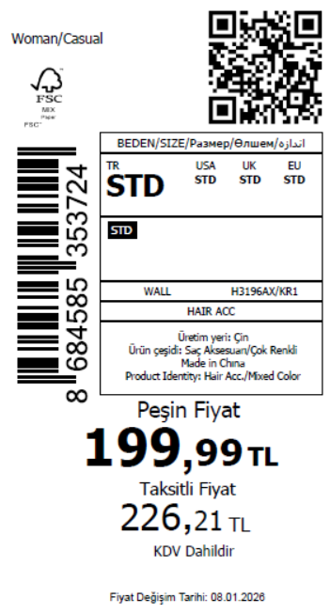 2265
2025-12-30 | H3196AX | NS | 1797296 | BOSNIA | KR1 - KARMA | H3196AXDFASTD | 3 | 5 | 5 | BOSNIA | 6 | 30
2025-12-30 | H3196AX | NS | 1797293 | EGYPT | KR1 - KARMA | H3196AXDFASTD | 3 | 5 | 5 | EGYPT | 15 | 75
2025-12-30 | H3196AX | NS | 1797291 | KOSOVO | KR1 - KARMA | H3196AXDFASTD | 3 | 5 | 5 | KOSOVO | 3 | 15
2025-12-30 | H3196AX | NS | 1797288 | GEORGIA | KR1 - KARMA | H3196AXDFASTD | 3 | 5 | 5 | GEORGIA | 6 | 30
2025-12-30 | H3196AX | NS | 1797286 | MOLDOVA | KR1 - KARMA | H3196AXDFASTD | 3 | 5 | 5 | MOLDOVA | 10 | 50
2025-12-30 | H3196AX | NS | 1797285 | LEBANON | KR1 - KARMA | H3196AXDFASTD | 3 | 5 | 5 | LEBANON | 3 | 15
2025-12-30 | H3196AX | NS | 1797284 | MONTENEGRO | KR1 - KARMA | H3196AXDFASTD | 3 | 5 | 5 | MONTENEGRO | 2 | 10
2025-12-30 | H3196AX | NS | 1797283 | MOROCCO | KR1 - KARMA | H3196AXDFASTD | 3 | 5 | 5 | MOROCCO | 15 | 75
2025-12-30 | H3196AX | NS | 1797282 | NORTH IRAQ | KR1 - KARMA | H3196AXDFASTD | 3 | 5 | 5 | NORTH IRAQ | 20 | 100
2025-12-30 | H3196AX | NS | 1797281 | SERBIA | KR1 - KARMA | H3196AXDFASTD | 3 | 5 | 5 | SERBIA | 6 | 30
2025-12-30 | H3196AX | NS | 1797279 | SOUTH IRAQ | KR1 - KARMA | H3196AXDFASTD | 3 | 5 | 5 | SOUTH IRAQ | 20 | 100
2025-12-30 | H3196AX | NS | 1797276 | UZBEKISTAN | KR1 - KARMA | H3196AXDFASTD | 3 | 5 | 5 | UZBEKISTAN | 4 | 20
2025-12-30 | H3196AX | NS | 1797274 | AZERBAIJAN | KR1 - KARMA | H3196AXDFASTD | 3 | 5 | 5 | AZERBAIJAN | 3 | 15
2025-12-30 | H3196AX | NS | 1797273 | KAZAKHSTAN | KR1 - KARMA | H3196AXKZKASTD | 3 | 5 | 5 | KAZAKHSTAN | 15 | 75 |  | 无稿件
2025-12-30 | H3196AX | NS | 1797277 | DEFACTO PERAKENDE TİC.A.Ş. DEPO Organize San. Bölgesi 6.Depo Kazım Karabekir Mah. Cumhuriyet Cad. Tekirdağ/Çerkezköy Tel:0090 282 758 11 34-35 | KR1 - KARMA | H3196AXDFASTD | 3 | 5 | 5 | TURKEY | 295 | 1475
2025-12-30 | H3196AX | NS | 1797271-无价格 | İSTANBUL DEPO | KR1 - KARMA | H3196AXECOMASTD | 3 | 5 | 5 | ECOM | 24 | 120
 |  |  |  |  |  |  |  |  |  |  | 453 | 2265

2025-12-30 | H3197AX | NS | 1797331 | ALBANIA | BE106 - BLUE | H3197AXDFASTD | 1 | 5 | 5 | ALBANIA | 6 | 30 | 2820
2025-12-30 | H3197AX | NS | 1797329 | BOSNIA | BE106 - BLUE | H3197AXDFASTD | 1 | 5 | 5 | BOSNIA | 6 | 30
2025-12-30 | H3197AX | NS | 1797328 | EGYPT | BE106 - BLUE | H3197AXDFASTD | 1 | 5 | 5 | EGYPT | 15 | 75
2025-12-30 | H3197AX | NS | 1797327 | GEORGIA | BE106 - BLUE | H3197AXDFASTD | 1 | 5 | 5 | GEORGIA | 6 | 30
2025-12-30 | H3197AX | NS | 1797326 | MACEDONIA | BE106 - BLUE | H3197AXDFASTD | 1 | 5 | 5 | MACEDONIA | 6 | 30
2025-12-30 | H3197AX | NS | 1797325 | MOLDOVA | BE106 - BLUE | H3197AXDFASTD | 1 | 5 | 5 | MOLDOVA | 10 | 50
2025-12-30 | H3197AX | NS | 1797324 | MONTENEGRO | BE106 - BLUE | H3197AXDFASTD | 1 | 5 | 5 | MONTENEGRO | 2 | 10
2025-12-30 | H3197AX | NS | 1797322 | MOROCCO | BE106 - BLUE | H3197AXDFASTD | 1 | 5 | 5 | MOROCCO | 15 | 75
2025-12-30 | H3197AX | NS | 1797320 | NORTH IRAQ | BE106 - BLUE | H3197AXDFASTD | 1 | 5 | 5 | NORTH IRAQ | 20 | 100
2025-12-30 | H3197AX | NS | 1797318 | SERBIA | BE106 - BLUE | H3197AXDFASTD | 1 | 5 | 5 | SERBIA | 6 | 30
2025-12-30 | H3197AX | NS | 1797317 | SOUTH IRAQ | BE106 - BLUE | H3197AXDFASTD | 1 | 5 | 5 | SOUTH IRAQ | 20 | 100
2025-12-30 | H3197AX | NS | 1797313 | UZBEKISTAN | BE106 - BLUE | H3197AXDFASTD | 1 | 5 | 5 | UZBEKISTAN | 4 | 20
2025-12-30 | H3197AX | NS | 1797312 | AZERBAIJAN | BE106 - BLUE | H3197AXDFASTD | 1 | 5 | 5 | AZERBAIJAN | 3 | 15
2025-12-30 | H3197AX | NS | 1797310 | KOSOVO | BE106 - BLUE | H3197AXDFASTD | 1 | 5 | 5 | KOSOVO | 3 | 15
2025-12-30 | H3197AX | NS | 1797309 | LEBANON | BE106 - BLUE | H3197AXDFASTD | 1 | 5 | 5 | LEBANON | 3 | 15
2025-12-30 | H3197AX | NS | 1797307 | KAZAKHSTAN | BE106 - BLUE | H3197AXKZKASTD | 1 | 5 | 5 | KAZAKHSTAN | 15 | 75 |  | 无稿件
2025-12-30 | H3197AX | NS | 1797315 | DEFACTO PERAKENDE TİC.A.Ş. DEPO Organize San. Bölgesi 6.Depo Kazım Karabekir Mah. Cumhuriyet Cad. Tekirdağ/Çerkezköy Tel:0090 282 758 11 34-35 | BE106 - BLUE | H3197AXDFASTD | 1 | 5 | 5 | TURKEY | 400 | 2000
2025-12-30 | H3197AX | NS | 1797305-无价格 | İSTANBUL DEPO | BE106 - BLUE | H3197AXECOMASTD | 1 | 5 | 5 | ECOM | 24 | 120
 |  |  |  |  |  |  |  |  |  |  | 564 | 2820

2025-12-30 | H3198AX | NS | 1797369 | ALBANIA | PN232 - LT.PINK | H3198AXDFASTD | 1 | 5 | 5 | ALBANIA | 6 | 30 | 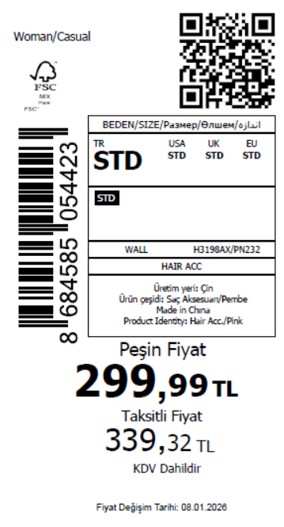 3320
2025-12-30 | H3198AX | NS | 1797368 | BOSNIA | PN232 - LT.PINK | H3198AXDFASTD | 1 | 5 | 5 | BOSNIA | 6 | 30
2025-12-30 | H3198AX | NS | 1797367 | EGYPT | PN232 - LT.PINK | H3198AXDFASTD | 1 | 5 | 5 | EGYPT | 15 | 75
2025-12-30 | H3198AX | NS | 1797366 | GEORGIA | PN232 - LT.PINK | H3198AXDFASTD | 1 | 5 | 5 | GEORGIA | 6 | 30
2025-12-30 | H3198AX | NS | 1797365 | MACEDONIA | PN232 - LT.PINK | H3198AXDFASTD | 1 | 5 | 5 | MACEDONIA | 6 | 30
2025-12-30 | H3198AX | NS | 1797363 | MOLDOVA | PN232 - LT.PINK | H3198AXDFASTD | 1 | 5 | 5 | MOLDOVA | 10 | 50
2025-12-30 | H3198AX | NS | 1797360 | MONTENEGRO | PN232 - LT.PINK | H3198AXDFASTD | 1 | 5 | 5 | MONTENEGRO | 2 | 10
2025-12-30 | H3198AX | NS | 1797358 | MOROCCO | PN232 - LT.PINK | H3198AXDFASTD | 1 | 5 | 5 | MOROCCO | 15 | 75
2025-12-30 | H3198AX | NS | 1797356 | NORTH IRAQ | PN232 - LT.PINK | H3198AXDFASTD | 1 | 5 | 5 | NORTH IRAQ | 20 | 100
2025-12-30 | H3198AX | NS | 1797354 | SERBIA | PN232 - LT.PINK | H3198AXDFASTD | 1 | 5 | 5 | SERBIA | 6 | 30
2025-12-30 | H3198AX | NS | 1797352 | SOUTH IRAQ | PN232 - LT.PINK | H3198AXDFASTD | 1 | 5 | 5 | SOUTH IRAQ | 20 | 100
2025-12-30 | H3198AX | NS | 1797348 | UZBEKISTAN | PN232 - LT.PINK | H3198AXDFASTD | 1 | 5 | 5 | UZBEKISTAN | 4 | 20
2025-12-30 | H3198AX | NS | 1797346 | AZERBAIJAN | PN232 - LT.PINK | H3198AXDFASTD | 1 | 5 | 5 | AZERBAIJAN | 3 | 15
2025-12-30 | H3198AX | NS | 1797345 | KOSOVO | PN232 - LT.PINK | H3198AXDFASTD | 1 | 5 | 5 | KOSOVO | 3 | 15
2025-12-30 | H3198AX | NS | 1797343 | LEBANON | PN232 - LT.PINK | H3198AXDFASTD | 1 | 5 | 5 | LEBANON | 3 | 15
2025-12-30 | H3198AX | NS | 1797341 | KAZAKHSTAN | PN232 - LT.PINK | H3198AXKZKASTD | 1 | 5 | 5 | KAZAKHSTAN | 15 | 75 |  | 无稿件
2025-12-30 | H3198AX | NS | 1797350 | DEFACTO PERAKENDE TİC.A.Ş. DEPO Organize San. Bölgesi 6.Depo Kazım Karabekir Mah. Cumhuriyet Cad. Tekirdağ/Çerkezköy Tel:0090 282 758 11 34-35 | PN232 - LT.PINK | H3198AXDFASTD | 1 | 5 | 5 | TURKEY | 500 | 2500
2025-12-30 | H3198AX | NS | 1797338-无价格 | İSTANBUL DEPO | PN232 - LT.PINK | H3198AXECOMASTD | 1 | 5 | 5 | ECOM | 24 | 120
 |  |  |  |  |  |  |  |  |  |  | 664 | 3320

2025-12-30 | H3200AX | NS | 1797390 | ALBANIA | YL196 - LT.YELLOW | H3200AXDFASTD | 1 | 5 | 5 | ALBANIA | 6 | 30 | 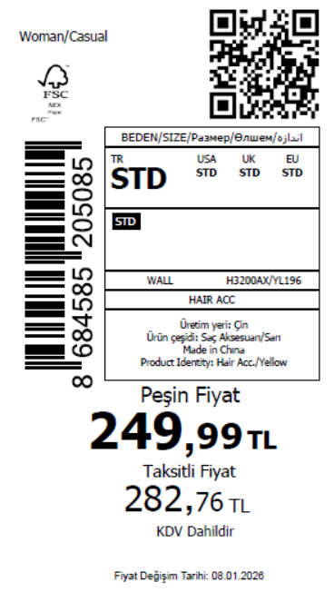 2590
2025-12-30 | H3200AX | NS | 1797387 | BOSNIA | YL196 - LT.YELLOW | H3200AXDFASTD | 1 | 5 | 5 | BOSNIA | 6 | 30
2025-12-30 | H3200AX | NS | 1797386 | EGYPT | YL196 - LT.YELLOW | H3200AXDFASTD | 1 | 5 | 5 | EGYPT | 15 | 75
2025-12-30 | H3200AX | NS | 1797385 | GEORGIA | YL196 - LT.YELLOW | H3200AXDFASTD | 1 | 5 | 5 | GEORGIA | 6 | 30
2025-12-30 | H3200AX | NS | 1797384 | MACEDONIA | YL196 - LT.YELLOW | H3200AXDFASTD | 1 | 5 | 5 | MACEDONIA | 6 | 30
2025-12-30 | H3200AX | NS | 1797383 | MOLDOVA | YL196 - LT.YELLOW | H3200AXDFASTD | 1 | 5 | 5 | MOLDOVA | 10 | 50
2025-12-30 | H3200AX | NS | 1797382 | MONTENEGRO | YL196 - LT.YELLOW | H3200AXDFASTD | 1 | 5 | 5 | MONTENEGRO | 2 | 10
2025-12-30 | H3200AX | NS | 1797381 | MOROCCO | YL196 - LT.YELLOW | H3200AXDFASTD | 1 | 5 | 5 | MOROCCO | 15 | 75
2025-12-30 | H3200AX | NS | 1797380 | NORTH IRAQ | YL196 - LT.YELLOW | H3200AXDFASTD | 1 | 5 | 5 | NORTH IRAQ | 20 | 100
2025-12-30 | H3200AX | NS | 1797379 | SERBIA | YL196 - LT.YELLOW | H3200AXDFASTD | 1 | 5 | 5 | SERBIA | 6 | 30
2025-12-30 | H3200AX | NS | 1797378 | SOUTH IRAQ | YL196 - LT.YELLOW | H3200AXDFASTD | 1 | 5 | 5 | SOUTH IRAQ | 20 | 100
2025-12-30 | H3200AX | NS | 1797376 | UZBEKISTAN | YL196 - LT.YELLOW | H3200AXDFASTD | 1 | 5 | 5 | UZBEKISTAN | 4 | 20
2025-12-30 | H3200AX | NS | 1797375 | AZERBAIJAN | YL196 - LT.YELLOW | H3200AXDFASTD | 1 | 5 | 5 | AZERBAIJAN | 3 | 15
2025-12-30 | H3200AX | NS | 1797374 | KOSOVO | YL196 - LT.YELLOW | H3200AXDFASTD | 1 | 5 | 5 | KOSOVO | 3 | 15
2025-12-30 | H3200AX | NS | 1797373 | LEBANON | YL196 - LT.YELLOW | H3200AXDFASTD | 1 | 5 | 5 | LEBANON | 3 | 15
2025-12-30 | H3200AX | NS | 1797372 | KAZAKHSTAN | YL196 - LT.YELLOW | H3200AXKZKASTD | 1 | 5 | 5 | KAZAKHSTAN | 15 | 75 |  | 无稿件
2025-12-30 | H3200AX | NS | 1797377 | DEFACTO PERAKENDE TİC.A.Ş. DEPO Organize San. Bölgesi 6.Depo Kazım Karabekir Mah. Cumhuriyet Cad. Tekirdağ/Çerkezköy Tel:0090 282 758 11 34-35 | YL196 - LT.YELLOW | H3200AXDFASTD | 1 | 5 | 5 | TURKEY | 354 | 1770
2025-12-30 | H3200AX | NS | 1797371-无价格 | İSTANBUL DEPO | YL196 - LT.YELLOW | H3200AXECOMASTD | 1 | 5 | 5 | ECOM | 24 | 120
 |  |  |  |  |  |  |  |  |  |  | 518 | 2590

2025-12-30 | H3201AX | NS | 1797427 | ALBANIA | GN457 - LT.GREEN | H3201AXDFASTD | 1 | 5 | 5 | ALBANIA | 6 | 30 | 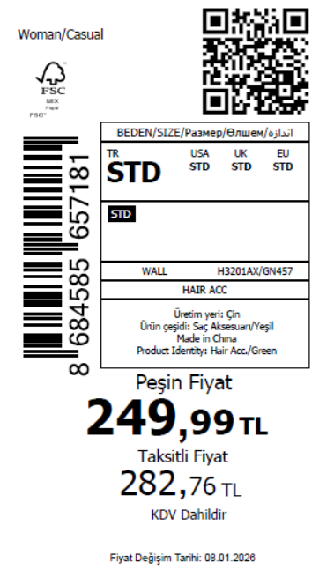 2295
2025-12-30 | H3201AX | NS | 1797426 | BOSNIA | GN457 - LT.GREEN | H3201AXDFASTD | 1 | 5 | 5 | BOSNIA | 6 | 30
2025-12-30 | H3201AX | NS | 1797425 | EGYPT | GN457 - LT.GREEN | H3201AXDFASTD | 1 | 5 | 5 | EGYPT | 15 | 75
2025-12-30 | H3201AX | NS | 1797424 | GEORGIA | GN457 - LT.GREEN | H3201AXDFASTD | 1 | 5 | 5 | GEORGIA | 6 | 30
2025-12-30 | H3201AX | NS | 1797423 | MACEDONIA | GN457 - LT.GREEN | H3201AXDFASTD | 1 | 5 | 5 | MACEDONIA | 6 | 30
2025-12-30 | H3201AX | NS | 1797422 | MOLDOVA | GN457 - LT.GREEN | H3201AXDFASTD | 1 | 5 | 5 | MOLDOVA | 10 | 50
2025-12-30 | H3201AX | NS | 1797420 | MONTENEGRO | GN457 - LT.GREEN | H3201AXDFASTD | 1 | 5 | 5 | MONTENEGRO | 2 | 10
2025-12-30 | H3201AX | NS | 1797418 | MOROCCO | GN457 - LT.GREEN | H3201AXDFASTD | 1 | 5 | 5 | MOROCCO | 15 | 75
2025-12-30 | H3201AX | NS | 1797417 | NORTH IRAQ | GN457 - LT.GREEN | H3201AXDFASTD | 1 | 5 | 5 | NORTH IRAQ | 20 | 100
2025-12-30 | H3201AX | NS | 1797415 | SERBIA | GN457 - LT.GREEN | H3201AXDFASTD | 1 | 5 | 5 | SERBIA | 6 | 30
2025-12-30 | H3201AX | NS | 1797413 | SOUTH IRAQ | GN457 - LT.GREEN | H3201AXDFASTD | 1 | 5 | 5 | SOUTH IRAQ | 20 | 100
2025-12-30 | H3201AX | NS | 1797410 | UZBEKISTAN | GN457 - LT.GREEN | H3201AXDFASTD | 1 | 5 | 5 | UZBEKISTAN | 4 | 20
2025-12-30 | H3201AX | NS | 1797408 | AZERBAIJAN | GN457 - LT.GREEN | H3201AXDFASTD | 1 | 5 | 5 | AZERBAIJAN | 3 | 15
2025-12-30 | H3201AX | NS | 1797406 | KOSOVO | GN457 - LT.GREEN | H3201AXDFASTD | 1 | 5 | 5 | KOSOVO | 3 | 15
2025-12-30 | H3201AX | NS | 1797405 | LEBANON | GN457 - LT.GREEN | H3201AXDFASTD | 1 | 5 | 5 | LEBANON | 3 | 15
2025-12-30 | H3201AX | NS | 1797403 | KAZAKHSTAN | GN457 - LT.GREEN | H3201AXKZKASTD | 1 | 5 | 5 | KAZAKHSTAN | 15 | 75 |  | 无稿件
2025-12-30 | H3201AX | NS | 1797412 | DEFACTO PERAKENDE TİC.A.Ş. DEPO Organize San. Bölgesi 6.Depo Kazım Karabekir Mah. Cumhuriyet Cad. Tekirdağ/Çerkezköy Tel:0090 282 758 11 34-35 | GN457 - LT.GREEN | H3201AXDFASTD | 1 | 5 | 5 | TURKEY | 295 | 1475
2025-12-30 | H3201AX | NS | 1797401-无价格 | İSTANBUL DEPO | GN457 - LT.GREEN | H3201AXECOMASTD | 1 | 5 | 5 | ECOM | 24 | 120
 |  |  |  |  |  |  |  |  |  |  | 459 | 2295

2025-12-30 | H3202AX | NS | 1797469 | ALBANIA | BN207 - BROWN | H3202AXDFASTD | 3 | 5 | 5 | ALBANIA | 6 | 30 | 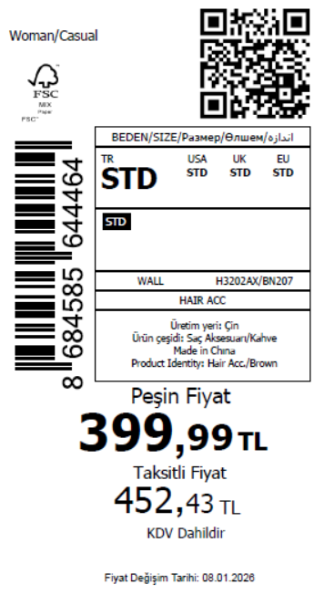 4430
2025-12-30 | H3202AX | NS | 1797466 | BOSNIA | BN207 - BROWN | H3202AXDFASTD | 3 | 5 | 5 | BOSNIA | 8 | 40
2025-12-30 | H3202AX | NS | 1797464 | EGYPT | BN207 - BROWN | H3202AXDFASTD | 3 | 5 | 5 | EGYPT | 20 | 100
2025-12-30 | H3202AX | NS | 1797460 | GEORGIA | BN207 - BROWN | H3202AXDFASTD | 3 | 5 | 5 | GEORGIA | 8 | 40
2025-12-30 | H3202AX | NS | 1797458 | MACEDONIA | BN207 - BROWN | H3202AXDFASTD | 3 | 5 | 5 | MACEDONIA | 6 | 30
2025-12-30 | H3202AX | NS | 1797456 | MOLDOVA | BN207 - BROWN | H3202AXDFASTD | 3 | 5 | 5 | MOLDOVA | 15 | 75
2025-12-30 | H3202AX | NS | 1797455 | MONTENEGRO | BN207 - BROWN | H3202AXDFASTD | 3 | 5 | 5 | MONTENEGRO | 3 | 15
2025-12-30 | H3202AX | NS | 1797454 | MOROCCO | BN207 - BROWN | H3202AXDFASTD | 3 | 5 | 5 | MOROCCO | 20 | 100
2025-12-30 | H3202AX | NS | 1797453 | NORTH IRAQ | BN207 - BROWN | H3202AXDFASTD | 3 | 5 | 5 | NORTH IRAQ | 20 | 100
2025-12-30 | H3202AX | NS | 1797452 | SERBIA | BN207 - BROWN | H3202AXDFASTD | 3 | 5 | 5 | SERBIA | 8 | 40
2025-12-30 | H3202AX | NS | 1797451 | SOUTH IRAQ | BN207 - BROWN | H3202AXDFASTD | 3 | 5 | 5 | SOUTH IRAQ | 20 | 100
2025-12-30 | H3202AX | NS | 1797449 | UZBEKISTAN | BN207 - BROWN | H3202AXDFASTD | 3 | 5 | 5 | UZBEKISTAN | 4 | 20
2025-12-30 | H3202AX | NS | 1797448 | AZERBAIJAN | BN207 - BROWN | H3202AXDFASTD | 3 | 5 | 5 | AZERBAIJAN | 3 | 15
2025-12-30 | H3202AX | NS | 1797446 | KOSOVO | BN207 - BROWN | H3202AXDFASTD | 3 | 5 | 5 | KOSOVO | 3 | 15
2025-12-30 | H3202AX | NS | 1797445 | LEBANON | BN207 - BROWN | H3202AXDFASTD | 3 | 5 | 5 | LEBANON | 3 | 15
2025-12-30 | H3202AX | NS | 1797443 | KAZAKHSTAN | BN207 - BROWN | H3202AXKZKASTD | 3 | 5 | 5 | KAZAKHSTAN | 15 | 75 |  | 无稿件
2025-12-30 | H3202AX | NS | 1797450 | DEFACTO PERAKENDE TİC.A.Ş. DEPO Organize San. Bölgesi 6.Depo Kazım Karabekir Mah. Cumhuriyet Cad. Tekirdağ/Çerkezköy Tel:0090 282 758 11 34-35 | BN207 - BROWN | H3202AXDFASTD | 3 | 5 | 5 | TURKEY | 700 | 3500
2025-12-30 | H3202AX | NS | 1797442-无价格 | İSTANBUL DEPO | BN207 - BROWN | H3202AXECOMASTD | 3 | 5 | 5 | ECOM | 24 | 120
 |  |  |  |  |  |  |  |  |  |  | 886 | 4430

2025-12-30 | H3203AX | NS | 1797500 | ALBANIA | PN232 - LT.PINK | H3203AXDFASTD | 3 | 5 | 5 | ALBANIA | 6 | 30 | 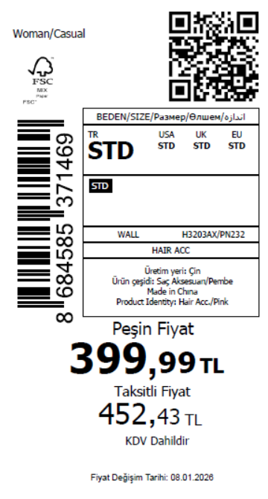 3930
2025-12-30 | H3203AX | NS | 1797499 | BOSNIA | PN232 - LT.PINK | H3203AXDFASTD | 3 | 5 | 5 | BOSNIA | 8 | 40
2025-12-30 | H3203AX | NS | 1797498 | EGYPT | PN232 - LT.PINK | H3203AXDFASTD | 3 | 5 | 5 | EGYPT | 20 | 100
2025-12-30 | H3203AX | NS | 1797497 | GEORGIA | PN232 - LT.PINK | H3203AXDFASTD | 3 | 5 | 5 | GEORGIA | 8 | 40
2025-12-30 | H3203AX | NS | 1797496 | MACEDONIA | PN232 - LT.PINK | H3203AXDFASTD | 3 | 5 | 5 | MACEDONIA | 6 | 30
2025-12-30 | H3203AX | NS | 1797495 | MOLDOVA | PN232 - LT.PINK | H3203AXDFASTD | 3 | 5 | 5 | MOLDOVA | 15 | 75
2025-12-30 | H3203AX | NS | 1797494 | MONTENEGRO | PN232 - LT.PINK | H3203AXDFASTD | 3 | 5 | 5 | MONTENEGRO | 3 | 15
2025-12-30 | H3203AX | NS | 1797493 | MOROCCO | PN232 - LT.PINK | H3203AXDFASTD | 3 | 5 | 5 | MOROCCO | 20 | 100
2025-12-30 | H3203AX | NS | 1797492 | NORTH IRAQ | PN232 - LT.PINK | H3203AXDFASTD | 3 | 5 | 5 | NORTH IRAQ | 20 | 100
2025-12-30 | H3203AX | NS | 1797491 | SERBIA | PN232 - LT.PINK | H3203AXDFASTD | 3 | 5 | 5 | SERBIA | 8 | 40
2025-12-30 | H3203AX | NS | 1797490 | SOUTH IRAQ | PN232 - LT.PINK | H3203AXDFASTD | 3 | 5 | 5 | SOUTH IRAQ | 20 | 100
2025-12-30 | H3203AX | NS | 1797487 | UZBEKISTAN | PN232 - LT.PINK | H3203AXDFASTD | 3 | 5 | 5 | UZBEKISTAN | 4 | 20
2025-12-30 | H3203AX | NS | 1797485 | AZERBAIJAN | PN232 - LT.PINK | H3203AXDFASTD | 3 | 5 | 5 | AZERBAIJAN | 3 | 15
2025-12-30 | H3203AX | NS | 1797484 | KOSOVO | PN232 - LT.PINK | H3203AXDFASTD | 3 | 5 | 5 | KOSOVO | 3 | 15
2025-12-30 | H3203AX | NS | 1797482 | LEBANON | PN232 - LT.PINK | H3203AXDFASTD | 3 | 5 | 5 | LEBANON | 3 | 15
2025-12-30 | H3203AX | NS | 1797481 | KAZAKHSTAN | PN232 - LT.PINK | H3203AXKZKASTD | 3 | 5 | 5 | KAZAKHSTAN | 15 | 75 |  | 无稿件
2025-12-30 | H3203AX | NS | 1797489 | DEFACTO PERAKENDE TİC.A.Ş. DEPO Organize San. Bölgesi 6.Depo Kazım Karabekir Mah. Cumhuriyet Cad. Tekirdağ/Çerkezköy Tel:0090 282 758 11 34-35 | PN232 - LT.PINK | H3203AXDFASTD | 3 | 5 | 5 | TURKEY | 600 | 3000
2025-12-30 | H3203AX | NS | 1797479-无价格 | İSTANBUL DEPO | PN232 - LT.PINK | H3203AXECOMASTD | 3 | 5 | 5 | ECOM | 24 | 120
 |  |  |  |  |  |  |  |  |  |  | 786 | 3930

2025-12-30 | H3204AX | NS | 1797539 | ALBANIA | ER156 - ECRU | H3204AXDFASTD | 3 | 5 | 5 | ALBANIA | 6 | 30 | 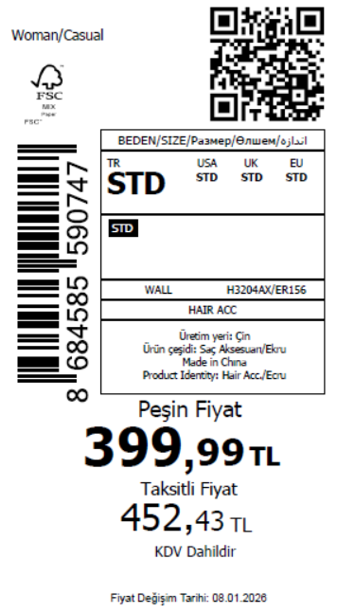 3930
2025-12-30 | H3204AX | NS | 1797537 | BOSNIA | ER156 - ECRU | H3204AXDFASTD | 3 | 5 | 5 | BOSNIA | 8 | 40
2025-12-30 | H3204AX | NS | 1797535 | EGYPT | ER156 - ECRU | H3204AXDFASTD | 3 | 5 | 5 | EGYPT | 20 | 100
2025-12-30 | H3204AX | NS | 1797533 | GEORGIA | ER156 - ECRU | H3204AXDFASTD | 3 | 5 | 5 | GEORGIA | 8 | 40
2025-12-30 | H3204AX | NS | 1797531 | MACEDONIA | ER156 - ECRU | H3204AXDFASTD | 3 | 5 | 5 | MACEDONIA | 6 | 30
2025-12-30 | H3204AX | NS | 1797527 | MOLDOVA | ER156 - ECRU | H3204AXDFASTD | 3 | 5 | 5 | MOLDOVA | 15 | 75
2025-12-30 | H3204AX | NS | 1797525 | MONTENEGRO | ER156 - ECRU | H3204AXDFASTD | 3 | 5 | 5 | MONTENEGRO | 3 | 15
2025-12-30 | H3204AX | NS | 1797522 | MOROCCO | ER156 - ECRU | H3204AXDFASTD | 3 | 5 | 5 | MOROCCO | 20 | 100
2025-12-30 | H3204AX | NS | 1797520 | NORTH IRAQ | ER156 - ECRU | H3204AXDFASTD | 3 | 5 | 5 | NORTH IRAQ | 20 | 100
2025-12-30 | H3204AX | NS | 1797518 | SERBIA | ER156 - ECRU | H3204AXDFASTD | 3 | 5 | 5 | SERBIA | 8 | 40
2025-12-30 | H3204AX | NS | 1797516 | SOUTH IRAQ | ER156 - ECRU | H3204AXDFASTD | 3 | 5 | 5 | SOUTH IRAQ | 20 | 100
2025-12-30 | H3204AX | NS | 1797512 | UZBEKISTAN | ER156 - ECRU | H3204AXDFASTD | 3 | 5 | 5 | UZBEKISTAN | 4 | 20
2025-12-30 | H3204AX | NS | 1797510 | AZERBAIJAN | ER156 - ECRU | H3204AXDFASTD | 3 | 5 | 5 | AZERBAIJAN | 3 | 15
2025-12-30 | H3204AX | NS | 1797508 | KOSOVO | ER156 - ECRU | H3204AXDFASTD | 3 | 5 | 5 | KOSOVO | 3 | 15
2025-12-30 | H3204AX | NS | 1797506 | LEBANON | ER156 - ECRU | H3204AXDFASTD | 3 | 5 | 5 | LEBANON | 3 | 15
2025-12-30 | H3204AX | NS | 1797504 | KAZAKHSTAN | ER156 - ECRU | H3204AXKZKASTD | 3 | 5 | 5 | KAZAKHSTAN | 15 | 75 |  | 无稿件
2025-12-30 | H3204AX | NS | 1797514 | DEFACTO PERAKENDE TİC.A.Ş. DEPO Organize San. Bölgesi 6.Depo Kazım Karabekir Mah. Cumhuriyet Cad. Tekirdağ/Çerkezköy Tel:0090 282 758 11 34-35 | ER156 - ECRU | H3204AXDFASTD | 3 | 5 | 5 | TURKEY | 600 | 3000
2025-12-30 | H3204AX | NS | 1797502-无价格 | İSTANBUL DEPO | ER156 - ECRU | H3204AXECOMASTD | 3 | 5 | 5 | ECOM | 24 | 120
 |  |  |  |  |  |  |  |  |  |  | 786 | 3930

2025-12-30 | H3205AX | NS | 1797594 | ALBANIA | BE106 - BLUE | H3205AXDFASTD | 3 | 5 | 5 | ALBANIA | 6 | 30 | 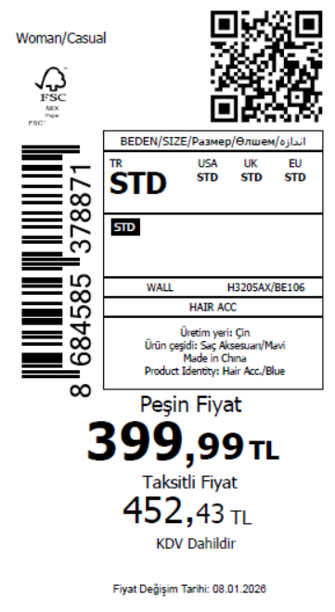 3130
2025-12-30 | H3205AX | NS | 1797591 | BOSNIA | BE106 - BLUE | H3205AXDFASTD | 3 | 5 | 5 | BOSNIA | 8 | 40
2025-12-30 | H3205AX | NS | 1797587 | EGYPT | BE106 - BLUE | H3205AXDFASTD | 3 | 5 | 5 | EGYPT | 20 | 100
2025-12-30 | H3205AX | NS | 1797583 | GEORGIA | BE106 - BLUE | H3205AXDFASTD | 3 | 5 | 5 | GEORGIA | 8 | 40
2025-12-30 | H3205AX | NS | 1797579 | MACEDONIA | BE106 - BLUE | H3205AXDFASTD | 3 | 5 | 5 | MACEDONIA | 6 | 30
2025-12-30 | H3205AX | NS | 1797576 | MOLDOVA | BE106 - BLUE | H3205AXDFASTD | 3 | 5 | 5 | MOLDOVA | 15 | 75
2025-12-30 | H3205AX | NS | 1797572 | MONTENEGRO | BE106 - BLUE | H3205AXDFASTD | 3 | 5 | 5 | MONTENEGRO | 3 | 15
2025-12-30 | H3205AX | NS | 1797569 | MOROCCO | BE106 - BLUE | H3205AXDFASTD | 3 | 5 | 5 | MOROCCO | 20 | 100
2025-12-30 | H3205AX | NS | 1797565 | NORTH IRAQ | BE106 - BLUE | H3205AXDFASTD | 3 | 5 | 5 | NORTH IRAQ | 20 | 100
2025-12-30 | H3205AX | NS | 1797561 | SERBIA | BE106 - BLUE | H3205AXDFASTD | 3 | 5 | 5 | SERBIA | 8 | 40
2025-12-30 | H3205AX | NS | 1797556 | SOUTH IRAQ | BE106 - BLUE | H3205AXDFASTD | 3 | 5 | 5 | SOUTH IRAQ | 20 | 100
2025-12-30 | H3205AX | NS | 1797552 | UZBEKISTAN | BE106 - BLUE | H3205AXDFASTD | 3 | 5 | 5 | UZBEKISTAN | 4 | 20
2025-12-30 | H3205AX | NS | 1797550 | AZERBAIJAN | BE106 - BLUE | H3205AXDFASTD | 3 | 5 | 5 | AZERBAIJAN | 3 | 15
2025-12-30 | H3205AX | NS | 1797547 | KOSOVO | BE106 - BLUE | H3205AXDFASTD | 3 | 5 | 5 | KOSOVO | 3 | 15
2025-12-30 | H3205AX | NS | 1797544 | LEBANON | BE106 - BLUE | H3205AXDFASTD | 3 | 5 | 5 | LEBANON | 3 | 15
2025-12-30 | H3205AX | NS | 1797543 | KAZAKHSTAN | BE106 - BLUE | H3205AXKZKASTD | 3 | 5 | 5 | KAZAKHSTAN | 15 | 75 |  | 无稿件
2025-12-30 | H3205AX | NS | 1797555 | DEFACTO PERAKENDE TİC.A.Ş. DEPO Organize San. Bölgesi 6.Depo Kazım Karabekir Mah. Cumhuriyet Cad. Tekirdağ/Çerkezköy Tel:0090 282 758 11 34-35 | BE106 - BLUE | H3205AXDFASTD | 3 | 5 | 5 | TURKEY | 440 | 2200
2025-12-30 | H3205AX | NS | 1797541-无价格 | İSTANBUL DEPO | BE106 - BLUE | H3205AXECOMASTD | 3 | 5 | 5 | ECOM | 24 | 120
 |  |  |  |  |  |  |  |  |  |  | 626 | 3130

2025-12-30 | H3206AX | NS | 1797633 | ALBANIA | YL196 - LT.YELLOW | H3206AXDFASTD | 3 | 5 | 5 | ALBANIA | 6 | 30 | 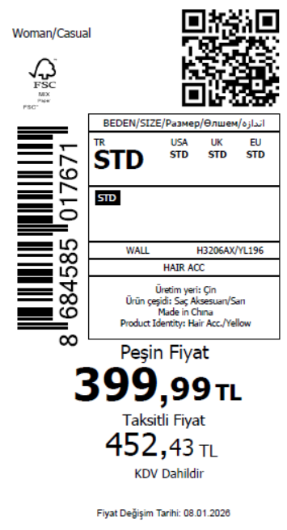 3130
2025-12-30 | H3206AX | NS | 1797630 | BOSNIA | YL196 - LT.YELLOW | H3206AXDFASTD | 3 | 5 | 5 | BOSNIA | 8 | 40
2025-12-30 | H3206AX | NS | 1797627 | EGYPT | YL196 - LT.YELLOW | H3206AXDFASTD | 3 | 5 | 5 | EGYPT | 20 | 100
2025-12-30 | H3206AX | NS | 1797624 | GEORGIA | YL196 - LT.YELLOW | H3206AXDFASTD | 3 | 5 | 5 | GEORGIA | 8 | 40
2025-12-30 | H3206AX | NS | 1797622 | MACEDONIA | YL196 - LT.YELLOW | H3206AXDFASTD | 3 | 5 | 5 | MACEDONIA | 6 | 30
2025-12-30 | H3206AX | NS | 1797620 | MOLDOVA | YL196 - LT.YELLOW | H3206AXDFASTD | 3 | 5 | 5 | MOLDOVA | 15 | 75
2025-12-30 | H3206AX | NS | 1797619 | MONTENEGRO | YL196 - LT.YELLOW | H3206AXDFASTD | 3 | 5 | 5 | MONTENEGRO | 3 | 15
2025-12-30 | H3206AX | NS | 1797618 | MOROCCO | YL196 - LT.YELLOW | H3206AXDFASTD | 3 | 5 | 5 | MOROCCO | 20 | 100
2025-12-30 | H3206AX | NS | 1797617 | NORTH IRAQ | YL196 - LT.YELLOW | H3206AXDFASTD | 3 | 5 | 5 | NORTH IRAQ | 20 | 100
2025-12-30 | H3206AX | NS | 1797616 | SERBIA | YL196 - LT.YELLOW | H3206AXDFASTD | 3 | 5 | 5 | SERBIA | 8 | 40
2025-12-30 | H3206AX | NS | 1797615 | SOUTH IRAQ | YL196 - LT.YELLOW | H3206AXDFASTD | 3 | 5 | 5 | SOUTH IRAQ | 20 | 100
2025-12-30 | H3206AX | NS | 1797611 | UZBEKISTAN | YL196 - LT.YELLOW | H3206AXDFASTD | 3 | 5 | 5 | UZBEKISTAN | 4 | 20
2025-12-30 | H3206AX | NS | 1797609 | AZERBAIJAN | YL196 - LT.YELLOW | H3206AXDFASTD | 3 | 5 | 5 | AZERBAIJAN | 3 | 15
2025-12-30 | H3206AX | NS | 1797606 | KOSOVO | YL196 - LT.YELLOW | H3206AXDFASTD | 3 | 5 | 5 | KOSOVO | 3 | 15
2025-12-30 | H3206AX | NS | 1797604 | LEBANON | YL196 - LT.YELLOW | H3206AXDFASTD | 3 | 5 | 5 | LEBANON | 3 | 15
2025-12-30 | H3206AX | NS | 1797602 | KAZAKHSTAN | YL196 - LT.YELLOW | H3206AXKZKASTD | 3 | 5 | 5 | KAZAKHSTAN | 15 | 75 |  | 无稿件
2025-12-30 | H3206AX | NS | 1797613 | DEFACTO PERAKENDE TİC.A.Ş. DEPO Organize San. Bölgesi 6.Depo Kazım Karabekir Mah. Cumhuriyet Cad. Tekirdağ/Çerkezköy Tel:0090 282 758 11 34-35 | YL196 - LT.YELLOW | H3206AXDFASTD | 3 | 5 | 5 | TURKEY | 440 | 2200
2025-12-30 | H3206AX | NS | 1797601-无价格 | İSTANBUL DEPO | YL196 - LT.YELLOW | H3206AXECOMASTD | 3 | 5 | 5 | ECOM | 24 | 120
 |  |  |  |  |  |  |  |  |  |  | 626 | 3130

2025-12-30 | H3207AX | NS | 1797668 | ALBANIA | KR1 - KARMA | H3207AXDFASTD | 2 | 5 | 5 | ALBANIA | 6 | 30 | 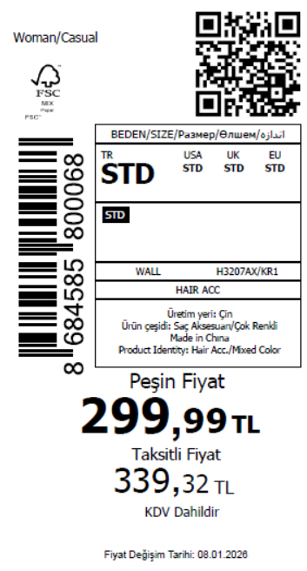 3930
2025-12-30 | H3207AX | NS | 1797667 | BOSNIA | KR1 - KARMA | H3207AXDFASTD | 2 | 5 | 5 | BOSNIA | 8 | 40
2025-12-30 | H3207AX | NS | 1797665 | EGYPT | KR1 - KARMA | H3207AXDFASTD | 2 | 5 | 5 | EGYPT | 20 | 100
2025-12-30 | H3207AX | NS | 1797663 | GEORGIA | KR1 - KARMA | H3207AXDFASTD | 2 | 5 | 5 | GEORGIA | 8 | 40
2025-12-30 | H3207AX | NS | 1797661 | MACEDONIA | KR1 - KARMA | H3207AXDFASTD | 2 | 5 | 5 | MACEDONIA | 6 | 30
2025-12-30 | H3207AX | NS | 1797659 | MOLDOVA | KR1 - KARMA | H3207AXDFASTD | 2 | 5 | 5 | MOLDOVA | 15 | 75
2025-12-30 | H3207AX | NS | 1797656 | MONTENEGRO | KR1 - KARMA | H3207AXDFASTD | 2 | 5 | 5 | MONTENEGRO | 3 | 15
2025-12-30 | H3207AX | NS | 1797654 | MOROCCO | KR1 - KARMA | H3207AXDFASTD | 2 | 5 | 5 | MOROCCO | 20 | 100
2025-12-30 | H3207AX | NS | 1797652 | NORTH IRAQ | KR1 - KARMA | H3207AXDFASTD | 2 | 5 | 5 | NORTH IRAQ | 20 | 100
2025-12-30 | H3207AX | NS | 1797650 | SERBIA | KR1 - KARMA | H3207AXDFASTD | 2 | 5 | 5 | SERBIA | 8 | 40
2025-12-30 | H3207AX | NS | 1797648 | SOUTH IRAQ | KR1 - KARMA | H3207AXDFASTD | 2 | 5 | 5 | SOUTH IRAQ | 20 | 100
2025-12-30 | H3207AX | NS | 1797644 | UZBEKISTAN | KR1 - KARMA | H3207AXDFASTD | 2 | 5 | 5 | UZBEKISTAN | 4 | 20
2025-12-30 | H3207AX | NS | 1797641 | AZERBAIJAN | KR1 - KARMA | H3207AXDFASTD | 2 | 5 | 5 | AZERBAIJAN | 3 | 15
2025-12-30 | H3207AX | NS | 1797639 | KOSOVO | KR1 - KARMA | H3207AXDFASTD | 2 | 5 | 5 | KOSOVO | 3 | 15
2025-12-30 | H3207AX | NS | 1797637 | LEBANON | KR1 - KARMA | H3207AXDFASTD | 2 | 5 | 5 | LEBANON | 3 | 15
2025-12-30 | H3207AX | NS | 1797636 | KAZAKHSTAN | KR1 - KARMA | H3207AXKZKASTD | 2 | 5 | 5 | KAZAKHSTAN | 15 | 75 |  | 无稿件
2025-12-30 | H3207AX | NS | 1797646 | DEFACTO PERAKENDE TİC.A.Ş. DEPO Organize San. Bölgesi 6.Depo Kazım Karabekir Mah. Cumhuriyet Cad. Tekirdağ/Çerkezköy Tel:0090 282 758 11 34-35 | KR1 - KARMA | H3207AXDFASTD | 2 | 5 | 5 | TURKEY | 600 | 3000
2025-12-30 | H3207AX | NS | 1797635-无价格 | İSTANBUL DEPO | KR1 - KARMA | H3207AXECOMASTD | 2 | 5 | 5 | ECOM | 24 | 120
 |  |  |  |  |  |  |  |  |  |  | 786 | 3930

2025-12-30 | H3208AX | NS | 1797666 | DEFACTO PERAKENDE TİC.A.Ş. DEPO Organize San. Bölgesi 6.Depo Kazım Karabekir Mah. Cumhuriyet Cad. Tekirdağ/Çerkezköy Tel:0090 282 758 11 34-35 | KR1 - KARMA | H3208AXDF1 | 2 | 5 | 5 | TURKEY | 500 | 2500 | 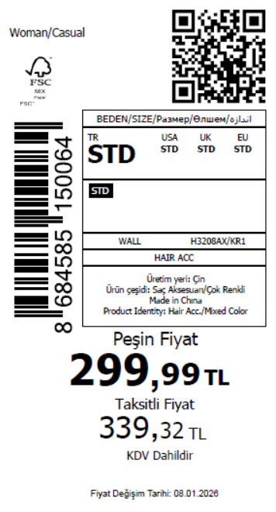 3455
2025-12-30 | H3208AX | NS | 1797664 | BOSNIA | KR1 - KARMA | H3208AXDF1 | 2 | 5 | 5 | BOSNIA | 8 | 40
2025-12-30 | H3208AX | NS | 1797662 | GEORGIA | KR1 - KARMA | H3208AXDF1 | 2 | 5 | 5 | GEORGIA | 8 | 40
2025-12-30 | H3208AX | NS | 1797660 | SERBIA | KR1 - KARMA | H3208AXDF1 | 2 | 5 | 5 | SERBIA | 8 | 40
2025-12-30 | H3208AX | NS | 1797658 | ALBANIA | KR1 - KARMA | H3208AXDF1 | 2 | 5 | 5 | ALBANIA | 6 | 30
2025-12-30 | H3208AX | NS | 1797657 | MACEDONIA | KR1 - KARMA | H3208AXDF1 | 2 | 5 | 5 | MACEDONIA | 6 | 30
2025-12-30 | H3208AX | NS | 1797655 | UZBEKISTAN | KR1 - KARMA | H3208AXDF1 | 2 | 5 | 5 | UZBEKISTAN | 6 | 30
2025-12-30 | H3208AX | NS | 1797653 | EGYPT | KR1 - KARMA | H3208AXDF1 | 2 | 5 | 5 | EGYPT | 20 | 100
2025-12-30 | H3208AX | NS | 1797651 | NORTH IRAQ | KR1 - KARMA | H3208AXDF1 | 2 | 5 | 5 | NORTH IRAQ | 20 | 100
2025-12-30 | H3208AX | NS | 1797649 | MOROCCO | KR1 - KARMA | H3208AXDF1 | 2 | 5 | 5 | MOROCCO | 20 | 100
2025-12-30 | H3208AX | NS | 1797647 | SOUTH IRAQ | KR1 - KARMA | H3208AXDF1 | 2 | 5 | 5 | SOUTH IRAQ | 20 | 100
2025-12-30 | H3208AX | NS | 1797645 | MOLDOVA | KR1 - KARMA | H3208AXDF1 | 2 | 5 | 5 | MOLDOVA | 15 | 75
2025-12-30 | H3208AX | NS | 1797640 | KAZAKHSTAN | KR1 - KARMA | H3208AXKZK3 | 2 | 5 | 5 | KAZAKHSTAN | 20 | 100 |  | 无稿件
2025-12-30 | H3208AX | NS | 1797638 | TOPTAN-7 | KR1 - KARMA | H3208AXTOP74 | 2 | 5 | 5 | TOPTAN-7 | 10 | 50 |  | 无稿件
2025-12-30 | H3208AX | NS | 1797643-无价格 | İSTANBUL DEPO | KR1 - KARMA | H3208AXECOM2 | 2 | 5 | 5 | ECOM | 24 | 120
 |  |  |  |  |  |  |  |  |  |  | 691 | 3455

2025-12-30 | H3209AX | NS | 1797632 | DEFACTO PERAKENDE TİC.A.Ş. DEPO Organize San. Bölgesi 6.Depo Kazım Karabekir Mah. Cumhuriyet Cad. Tekirdağ/Çerkezköy Tel:0090 282 758 11 34-35 | PN1 - PINK | H3209AXDF1 | 1 | 5 | 5 | TURKEY | 100 | 500 | 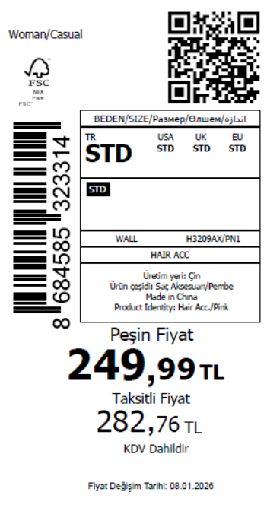 795
2025-12-30 | H3209AX | NS | 1797631 | ALBANIA | PN1 - PINK | H3209AXDF1 | 1 | 5 | 5 | ALBANIA | 4 | 20
2025-12-30 | H3209AX | NS | 1797629 | BOSNIA | PN1 - PINK | H3209AXDF1 | 1 | 5 | 5 | BOSNIA | 4 | 20
2025-12-30 | H3209AX | NS | 1797628 | MOLDOVA | PN1 - PINK | H3209AXDF1 | 1 | 5 | 5 | MOLDOVA | 4 | 20
2025-12-30 | H3209AX | NS | 1797626 | GEORGIA | PN1 - PINK | H3209AXDF1 | 1 | 5 | 5 | GEORGIA | 4 | 20
2025-12-30 | H3209AX | NS | 1797625 | KAZAKHSTAN | PN1 - PINK | H3209AXKZK2 | 1 | 5 | 5 | KAZAKHSTAN | 10 | 50 |  | 无稿件
2025-12-30 | H3209AX | NS | 1797621 | TOPTAN-7 | PN1 - PINK | H3209AXTOP75 | 1 | 5 | 5 | TOPTAN-7 | 9 | 45 |  | 无稿件
2025-12-30 | H3209AX | NS | 1797670-无价格 | İSTANBUL DEPO | PN1 - PINK | H3209AXECOM3 | 1 | 5 | 5 | ECOM | 24 | 120
 |  |  |  |  |  |  |  |  |  |  | 159 | 795

2025-12-30 | H3211AX | NS | 1797614 | DEFACTO PERAKENDE TİC.A.Ş. DEPO Organize San. Bölgesi 6.Depo Kazım Karabekir Mah. Cumhuriyet Cad. Tekirdağ/Çerkezköy Tel:0090 282 758 11 34-35 | ER156 - ECRU | H3211AXDF1 | 1 | 5 | 5 | TURKEY | 100 | 500 | 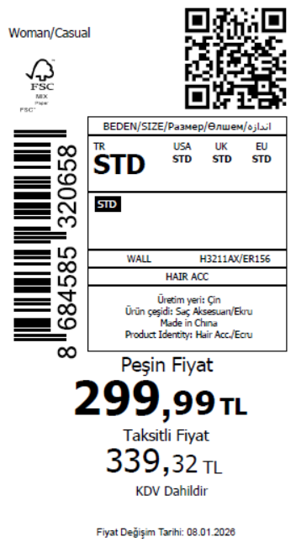 750
2025-12-30 | H3211AX | NS | 1797612 | ALBANIA | ER156 - ECRU | H3211AXDF1 | 1 | 5 | 5 | ALBANIA | 4 | 20
2025-12-30 | H3211AX | NS | 1797610 | BOSNIA | ER156 - ECRU | H3211AXDF1 | 1 | 5 | 5 | BOSNIA | 4 | 20
2025-12-30 | H3211AX | NS | 1797608 | GEORGIA | ER156 - ECRU | H3211AXDF1 | 1 | 5 | 5 | GEORGIA | 4 | 20
2025-12-30 | H3211AX | NS | 1797607 | MOLDOVA | ER156 - ECRU | H3211AXDF1 | 1 | 5 | 5 | MOLDOVA | 4 | 20
2025-12-30 | H3211AX | NS | 1797603 | KAZAKHSTAN | ER156 - ECRU | H3211AXKZK3 | 1 | 5 | 5 | KAZAKHSTAN | 10 | 50 |  | 无稿件
2025-12-30 | H3211AX | NS | 1797605-无价格 | İSTANBUL DEPO | ER156 - ECRU | H3211AXECOM2 | 1 | 5 | 5 | ECOM | 24 | 120
 |  |  |  |  |  |  |  |  |  |  | 150 | 750
 |  |  |  |  |  |  |  |  |  |  |  |  | 55105

