主标 1.15
款号 | 颜色 | XS | S | M | L | XL | XXL | 3XL |  | 主标颜色 | 涉及PO
H1331AX | BE744 - BLUE | 107 | 214 | 214 | 214 | 214 | 107 | 107 | 1177 | 白色 | 1776742,1776760,1776761,1776762,1776763,1776764,1776765,1776766,1776767,1776768,1776770,1776771,1776772,1776773,1776774,1776834,1776836,1776835
H1331AX | BN320 - BROWN | 118 | 236 | 236 | 236 | 236 | 118 | 118 | 1298 | 黑色 | 1776425,1776426,1776427,1776428,1776429,1776430,1776431,1776433,1776434,1776435,1776436,1776437,1776438,1776439,1776440,1776441,1776442,1776432
H1331AX | ER233 - ECRU | 117 | 234 | 234 | 234 | 234 | 117 | 117 | 1287 | 白色 | 1776425,1776426,1776427,1776428,1776429,1776430,1776431,1776433,1776434,1776435,1776436,1776437,1776438,1776439,1776440,1776441,1776442,1776432
 |  | 342 | 684 | 684 | 684 | 684 | 342 | 342 | 3762

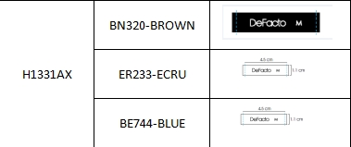
 |  |  |  |  |  |  |  |  | 1298 | 黑色
 |  |  |  |  |  |  |  |  | 2464 | 白色
 |  |  |  |  |  |  |  |  | 3762

