主标 3% 1.19 更新
辅料类型 | 辅料编号 | 尺码 |  |  |  |  | 总数 | 备注
 |  | XS | S | M | L | XL
主标 | 25 AULBW13737 | 2347 | 3931 | 4377 | 3254 | 1678 | 15587 | 适用于Grey/Beige
 | 25 AULBW13738 | 917 | 1664 | 2395 | 1656 | 909 | 7541 | 适用于Black | 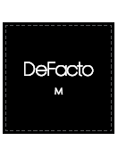
 |  |  |  |  |  |  | 23128

