TAB 1782
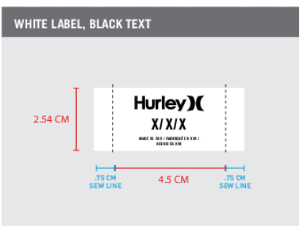
PURCHASE ORDER

Timeline Egypt Free Zone
Public Free Zone, Amrya, Alexandria
Egypt.

SUPPLIER |  |  |  |  |  |  |  |  |  | PO# HL-012-03
 |  |  |  |  |  |  |  |  |  | DATED: 01/12/26

BILL TO AND SHIP TO : -
TIMELINE EGYPT
Public Free Zone, Amrya, Alexandria
Egypt.

Packaging Trim • TAB 1782• HURLEY O&O STANDARD WOVEN LABEL • HURLEY APPAREL •MADE IN EGYPT
STYLE | MATERIAL NAME | COLOR | QTY/PCS |  |  |  |  |  | PRICE/PC | TOTAL
 |  |  | S | M | L | XL | XXL | TTL
HFA26VMP-23114 | TAB 1782 | WHITE LABEL, BLACK TEXT | 2830 | 5830 | 6560 | 3130 | 450 | 18800 | $0.00 | $0
 |  |  |  |  |  |  |  |  | $0.00 | $0

 |  |  |  |  |  |  |  | 18800 | TOTAL | $0

PREPARED BY:
SENIOR MERCHANDISER
Jacqueline

APPROVAL 1 |  |  |  |  |  |  | APPROVAL 2 |  |  | APPROVAL 3
MERCHANDISING MANAGER |  |  |  |  |  |  | ACCOUNTS MANAGER |  |  | MANAGEMENT

