T45050-N
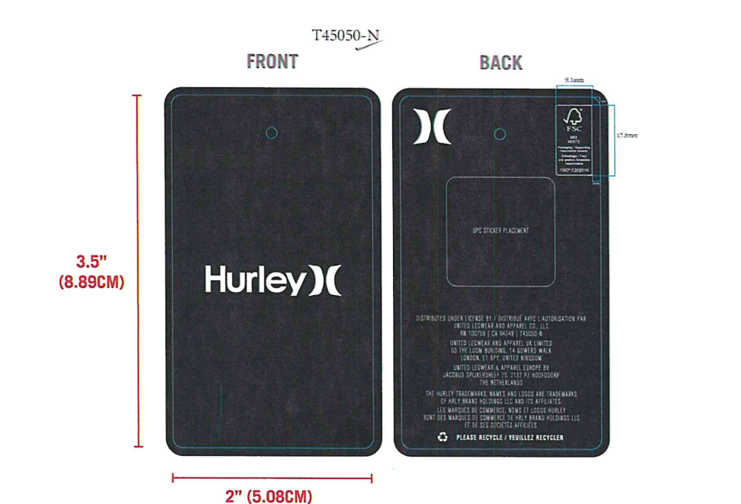
PURCHASE ORDER

Timeline Egypt Free Zone
Public Free Zone, Amrya, Alexandria
Egypt.

SUPPLIER |  |  |  |  | PO# HL-012-04
 |  |  |  |  | DATED: 01/12/26

BILL TO AND SHIP TO : -
TIMELINE EGYPT
Public Free Zone, Amrya, Alexandria
Egypt.

Packaging Artwork • T45050-N • HURLEY ONE & ONLY STANDARD APPAREL HANGTAG • HURLEY APPAREL
STYLE | MATERIAL NAME | COLOR | TTL | PRICE/PC | TOTAL

HFA26VMP-23114 | T45050-N | WHITE LABEL, BLACK TEXT | 18250 | $0.00 | $0
 |  |  |  | $0.00 | $0

 |  |  | 18250 | TOTAL | $0

PREPARED BY:
SENIOR MERCHANDISER
Jacqueline

APPROVAL 1 |  |  |  |  | APPROVAL 3
MERCHANDISING MANAGER |  |  |  |  | MANAGEMENT

