主标 3% 1.15
款号 | 颜色 | XS | S | M | L | XL | XXL | 3XL |  | 主标颜色 | 涉及PO
H0506AX | BK81 - BLACK | 169 | 338 | 507 | 338 | 169 | 169 | 169 | 1859 | 黑 | 1773001,1773003,1773004,1773005,1773006,1773007,1773008,1773009,1773010,1773011,1773012,1773013,1773014,1773015,1773016,1773017,1773018,1773002
H0506AX | NV31 - NAVY | 160 | 319 | 479 | 319 | 160 | 160 | 160 | 1757 | 黑 | 1773001,1773003,1773004,1773005,1773006,1773007,1773008,1773009,1773010,1773011,1773012,1773013,1773014,1773015,1773016,1773017,1773018,1773002
H0506AX | WT34 - WHITE | 169 | 338 | 507 | 338 | 169 | 169 | 169 | 1859 | 白 | 1773001,1773003,1773004,1773005,1773006,1773007,1773008,1773009,1773010,1773011,1773012,1773013,1773014,1773015,1773016,1773017,1773018,1773002
 |  | 498 | 995 | 1493 | 995 | 498 | 498 | 498 | 5475

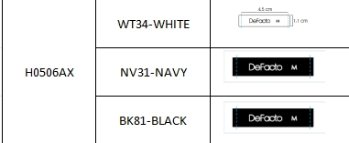
 |  |  |  |  |  |  |  |  | 3616 | 黑色
 |  |  |  |  |  |  |  |  | 1859 | 白色

