主标+条码标 3% 1.20
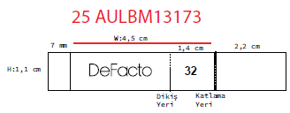
款号 | 颜色 | 28 | 30 | 32 | 34 | 36 | 38 |  | 涉及PO
G1399AX | GR350 - LT.GREY | 106 | 212 | 318 | 318 | 212 | 106 | 1272 | 1785451,1785456,1785475,1785515,1785518,1785521,1785524,1785527,1785529,1785532,1785533,1785534,1788554,1788555,1785447
G1399AX | NV106 - NAVY | 101 | 202 | 303 | 303 | 202 | 101 | 1212 | 1785451,1785456,1785475,1785515,1785518,1785521,1785524,1785527,1785529,1785532,1785533,1785534,1788554,1788555,1785447
 |  | 207 | 414 | 621 | 621 | 414 | 207 | 2484

