3.20水果
订单日期 | Style Code | Season | Order Number | Ship To | ColorCode-Name | Prepack Code | Set Content | STD | Qty. In A Blister | Delivery Country | lot贴纸 | Total Open Quantity
2026-01-22 | G5788AX | NS | 1811636 | ALBANIA | KR1 - KARMA | G5788AXDFASTD | 4 | 5 | 5 | ALBANIA | 4 | 20 | 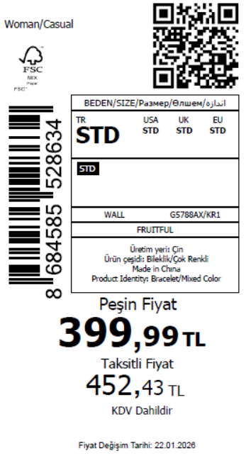 2120
2026-01-22 | G5788AX | NS | 1811635 | BOSNIA | KR1 - KARMA | G5788AXDFASTD | 4 | 5 | 5 | BOSNIA | 3 | 15
2026-01-22 | G5788AX | NS | 1811634 | EGYPT | KR1 - KARMA | G5788AXDFASTD | 4 | 5 | 5 | EGYPT | 15 | 75
2026-01-22 | G5788AX | NS | 1811633 | MOLDOVA | KR1 - KARMA | G5788AXDFASTD | 4 | 5 | 5 | MOLDOVA | 6 | 30
2026-01-22 | G5788AX | NS | 1811632 | MOROCCO | KR1 - KARMA | G5788AXDFASTD | 4 | 5 | 5 | MOROCCO | 15 | 75
2026-01-22 | G5788AX | NS | 1811629 | NORTH IRAQ | KR1 - KARMA | G5788AXDFASTD | 4 | 5 | 5 | NORTH IRAQ | 8 | 40
2026-01-22 | G5788AX | NS | 1811627 | SOUTH IRAQ | KR1 - KARMA | G5788AXDFASTD | 4 | 5 | 5 | SOUTH IRAQ | 8 | 40
2026-01-22 | G5788AX | NS | 1811623 | KOSOVO | KR1 - KARMA | G5788AXDFASTD | 4 | 5 | 5 | KOSOVO | 3 | 15
2026-01-22 | G5788AX | NS | 1811622 | LEBANON | KR1 - KARMA | G5788AXDFASTD | 4 | 5 | 5 | LEBANON | 3 | 15
2026-01-22 | G5788AX | NS | 1811619 | GEORGIA | KR1 - KARMA | G5788AXDFASTD | 4 | 5 | 5 | GEORGIA | 4 | 20
2026-01-22 | G5788AX | NS | 1811617 | UKRAINE | KR1 - KARMA | G5788AXDFASTD | 4 | 5 | 5 | UKRAINE | 6 | 30
2026-01-22 | G5788AX | NS | 1811612 | MONTENEGRO | KR1 - KARMA | G5788AXDFASTD | 4 | 5 | 5 | MONTENEGRO | 2 | 10
2026-01-22 | G5788AX | NS | 1811609 | SERBIA | KR1 - KARMA | G5788AXDFASTD | 4 | 5 | 5 | SERBIA | 5 | 25
2026-01-22 | G5788AX | NS | 1811607 | MACEDONIA | KR1 - KARMA | G5788AXDFASTD | 4 | 5 | 5 | MACEDONIA | 2 | 10
2026-01-22 | G5788AX | NS | 1811605 | AZERBAIJAN | KR1 - KARMA | G5788AXDFASTD | 4 | 5 | 5 | AZERBAIJAN | 12 | 60
2026-01-22 | G5788AX | NS | 1811604 | TOPTAN-7 | KR1 - KARMA | G5788AXTOP7ASTD | 4 | 5 | 5 | TOPTAN-7 | 4 | 20 |  | 无稿件
2026-01-22 | G5788AX | NS | 1811603 | TOPTAN-5 | KR1 - KARMA | G5788AXTOP5ASTD | 4 | 5 | 5 | TOPTAN-5 | 4 | 20 |  | 无稿件
2026-01-22 | G5788AX | NS | 1811601 | KAZAKHSTAN | KR1 - KARMA | G5788AXKZKASTD | 4 | 5 | 5 | KAZAKHSTAN | 10 | 50 |  | 无稿件
2026-01-22 | G5788AX | NS | 1811644 | DEFACTO PERAKENDE TİC.A.Ş. DEPO Organize San. Bölgesi 6.Depo Kazım Karabekir Mah. Cumhuriyet Cad. Tekirdağ/Çerkezköy Tel:0090 282 758 11 34-35 | KR1 - KARMA | G5788AXDFASTD | 4 | 5 | 5 | TURKEY | 300 | 1500
2026-01-22 | G5788AX | NS | 1811642-无价格 | İSTANBUL DEPO | KR1 - KARMA | G5788AXECOMASTD | 4 | 5 | 5 | ECOM | 10 | 50
 |  |  |  |  |  |  |  |  |  |  | 424 | 2120

2026-01-22 | G5800AX | NS | 1811680 | BOSNIA | KR1 - KARMA | G5800AXDFASTD | 4 | 5 | 5 | BOSNIA | 6 | 30 | 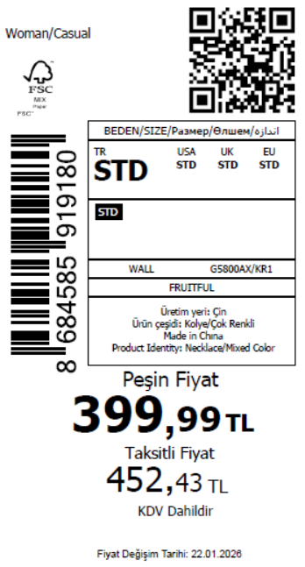 1785
2026-01-22 | G5800AX | NS | 1811677 | MOLDOVA | KR1 - KARMA | G5800AXDFASTD | 4 | 5 | 5 | MOLDOVA | 6 | 30
2026-01-22 | G5800AX | NS | 1811675 | MOROCCO | KR1 - KARMA | G5800AXDFASTD | 4 | 5 | 5 | MOROCCO | 15 | 75
2026-01-22 | G5800AX | NS | 1811673 | NORTH IRAQ | KR1 - KARMA | G5800AXDFASTD | 4 | 5 | 5 | NORTH IRAQ | 8 | 40
2026-01-22 | G5800AX | NS | 1811671 | SOUTH IRAQ | KR1 - KARMA | G5800AXDFASTD | 4 | 5 | 5 | SOUTH IRAQ | 8 | 40
2026-01-22 | G5800AX | NS | 1811667 | KOSOVO | KR1 - KARMA | G5800AXDFASTD | 4 | 5 | 5 | KOSOVO | 3 | 15
2026-01-22 | G5800AX | NS | 1811665 | LEBANON | KR1 - KARMA | G5800AXDFASTD | 4 | 5 | 5 | LEBANON | 3 | 15
2026-01-22 | G5800AX | NS | 1811661 | GEORGIA | KR1 - KARMA | G5800AXDFASTD | 4 | 5 | 5 | GEORGIA | 4 | 20
2026-01-22 | G5800AX | NS | 1811659 | MONTENEGRO | KR1 - KARMA | G5800AXDFASTD | 4 | 5 | 5 | MONTENEGRO | 2 | 10
2026-01-22 | G5800AX | NS | 1811656 | SERBIA | KR1 - KARMA | G5800AXDFASTD | 4 | 5 | 5 | SERBIA | 5 | 25
2026-01-22 | G5800AX | NS | 1811655 | ALBANIA | KR1 - KARMA | G5800AXDFASTD | 4 | 5 | 5 | ALBANIA | 4 | 20
2026-01-22 | G5800AX | NS | 1811654 | EGYPT | KR1 - KARMA | G5800AXDFASTD | 4 | 5 | 5 | EGYPT | 15 | 75
2026-01-22 | G5800AX | NS | 1811651 | MACEDONIA | KR1 - KARMA | G5800AXDFASTD | 4 | 5 | 5 | MACEDONIA | 4 | 20
2026-01-22 | G5800AX | NS | 1811650 | AZERBAIJAN | KR1 - KARMA | G5800AXDFASTD | 4 | 5 | 5 | AZERBAIJAN | 10 | 50
2026-01-22 | G5800AX | NS | 1811648 | TOPTAN-7 | KR1 - KARMA | G5800AXTOP7ASTD | 4 | 5 | 5 | TOPTAN-7 | 8 | 40 |  | 无稿件
2026-01-22 | G5800AX | NS | 1811647 | KAZAKHSTAN | KR1 - KARMA | G5800AXKZKASTD | 4 | 5 | 5 | KAZAKHSTAN | 6 | 30 |  | 无稿件
2026-01-22 | G5800AX | NS | 1811688 | DEFACTO PERAKENDE TİC.A.Ş. DEPO Organize San. Bölgesi 6.Depo Kazım Karabekir Mah. Cumhuriyet Cad. Tekirdağ/Çerkezköy Tel:0090 282 758 11 34-35 | KR1 - KARMA | G5800AXDFASTD | 4 | 5 | 5 | TURKEY | 240 | 1200
2026-01-22 | G5800AX | NS | 1811686-无价格 | İSTANBUL DEPO | KR1 - KARMA | G5800AXECOMASTD | 4 | 5 | 5 | ECOM | 10 | 50
 |  |  |  |  |  |  |  |  |  |  | 357 | 1785

2026-01-22 | G5801AX | NS | 1811936 | SERBIA | KR1 - KARMA | G5801AXDFASTD | 1 | 5 | 5 | SERBIA | 5 | 25 | 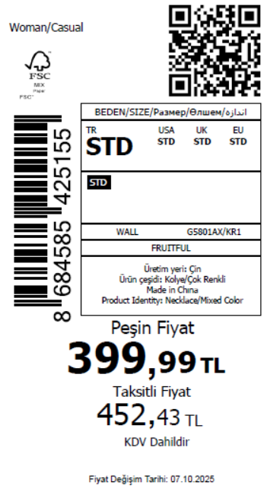 1775
2026-01-22 | G5801AX | NS | 1811935 | ALBANIA | KR1 - KARMA | G5801AXDFASTD | 1 | 5 | 5 | ALBANIA | 4 | 20
2026-01-22 | G5801AX | NS | 1811934 | BOSNIA | KR1 - KARMA | G5801AXDFASTD | 1 | 5 | 5 | BOSNIA | 3 | 15
2026-01-22 | G5801AX | NS | 1811933 | MOLDOVA | KR1 - KARMA | G5801AXDFASTD | 1 | 5 | 5 | MOLDOVA | 6 | 30
2026-01-22 | G5801AX | NS | 1811932 | MOROCCO | KR1 - KARMA | G5801AXDFASTD | 1 | 5 | 5 | MOROCCO | 15 | 75
2026-01-22 | G5801AX | NS | 1811931 | NORTH IRAQ | KR1 - KARMA | G5801AXDFASTD | 1 | 5 | 5 | NORTH IRAQ | 8 | 40
2026-01-22 | G5801AX | NS | 1811930 | SOUTH IRAQ | KR1 - KARMA | G5801AXDFASTD | 1 | 5 | 5 | SOUTH IRAQ | 12 | 60
2026-01-22 | G5801AX | NS | 1811928 | KOSOVO | KR1 - KARMA | G5801AXDFASTD | 1 | 5 | 5 | KOSOVO | 3 | 15
2026-01-22 | G5801AX | NS | 1811927 | LEBANON | KR1 - KARMA | G5801AXDFASTD | 1 | 5 | 5 | LEBANON | 3 | 15
2026-01-22 | G5801AX | NS | 1811926 | GEORGIA | KR1 - KARMA | G5801AXDFASTD | 1 | 5 | 5 | GEORGIA | 4 | 20
2026-01-22 | G5801AX | NS | 1811925 | UZBEKISTAN | KR1 - KARMA | G5801AXDFASTD | 1 | 5 | 5 | UZBEKISTAN | 4 | 20
2026-01-22 | G5801AX | NS | 1811924 | UKRAINE | KR1 - KARMA | G5801AXDFASTD | 1 | 5 | 5 | UKRAINE | 6 | 30
2026-01-22 | G5801AX | NS | 1811922 | MONTENEGRO | KR1 - KARMA | G5801AXDFASTD | 1 | 5 | 5 | MONTENEGRO | 2 | 10
2026-01-22 | G5801AX | NS | 1811921 | MACEDONIA | KR1 - KARMA | G5801AXDFASTD | 1 | 5 | 5 | MACEDONIA | 2 | 10
2026-01-22 | G5801AX | NS | 1811920 | AZERBAIJAN | KR1 - KARMA | G5801AXDFASTD | 1 | 5 | 5 | AZERBAIJAN | 10 | 50
2026-01-22 | G5801AX | NS | 1811919 | TOPTAN-7 | KR1 - KARMA | G5801AXTOP7ASTD | 1 | 5 | 5 | TOPTAN-7 | 4 | 20 |  | 无稿件
2026-01-22 | G5801AX | NS | 1811918 | TOPTAN-5 | KR1 - KARMA | G5801AXTOP5ASTD | 1 | 5 | 5 | TOPTAN-5 | 4 | 20 |  | 无稿件
2026-01-22 | G5801AX | NS | 1811916 | KAZAKHSTAN | KR1 - KARMA | G5801AXKZKASTD | 1 | 5 | 5 | KAZAKHSTAN | 10 | 50 |  | 无稿件
2026-01-22 | G5801AX | NS | 1811929 | DEFACTO PERAKENDE TİC.A.Ş. DEPO Organize San. Bölgesi 6.Depo Kazım Karabekir Mah. Cumhuriyet Cad. Tekirdağ/Çerkezköy Tel:0090 282 758 11 34-35 | KR1 - KARMA | G5801AXDFASTD | 1 | 5 | 5 | TURKEY | 240 | 1200
2026-01-22 | G5801AX | NS | 1811917-无价格 | İSTANBUL DEPO | KR1 - KARMA | G5801AXECOMASTD | 1 | 5 | 5 | ECOM | 10 | 50
 |  |  |  |  |  |  |  |  |  |  | 355 | 1775

2026-01-22 | G5782AX | NS | 1812023 | TOPTAN-7 | KR1 - KARMA | G5782AXTOP7ASTD | 3 | 5 | 5 | TOPTAN-7 | 4 | 20 | 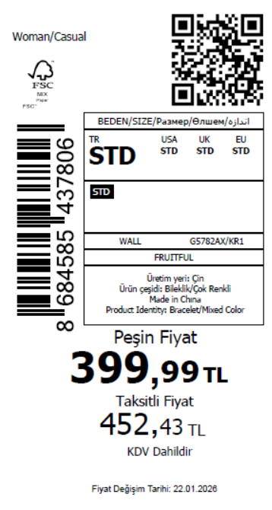 1975 | 无稿件
2026-01-22 | G5782AX | NS | 1812022 | BOSNIA | KR1 - KARMA | G5782AXDFASTD | 3 | 5 | 5 | BOSNIA | 3 | 15
2026-01-22 | G5782AX | NS | 1812021 | MOLDOVA | KR1 - KARMA | G5782AXDFASTD | 3 | 5 | 5 | MOLDOVA | 6 | 30
2026-01-22 | G5782AX | NS | 1812020 | MOROCCO | KR1 - KARMA | G5782AXDFASTD | 3 | 5 | 5 | MOROCCO | 15 | 75
2026-01-22 | G5782AX | NS | 1812019 | NORTH IRAQ | KR1 - KARMA | G5782AXDFASTD | 3 | 5 | 5 | NORTH IRAQ | 8 | 40
2026-01-22 | G5782AX | NS | 1812018 | SOUTH IRAQ | KR1 - KARMA | G5782AXDFASTD | 3 | 5 | 5 | SOUTH IRAQ | 12 | 60
2026-01-22 | G5782AX | NS | 1812016 | KOSOVO | KR1 - KARMA | G5782AXDFASTD | 3 | 5 | 5 | KOSOVO | 3 | 15
2026-01-22 | G5782AX | NS | 1812015 | LEBANON | KR1 - KARMA | G5782AXDFASTD | 3 | 5 | 5 | LEBANON | 3 | 15
2026-01-22 | G5782AX | NS | 1812014 | GEORGIA | KR1 - KARMA | G5782AXDFASTD | 3 | 5 | 5 | GEORGIA | 4 | 20
2026-01-22 | G5782AX | NS | 1812013 | UZBEKISTAN | KR1 - KARMA | G5782AXDFASTD | 3 | 5 | 5 | UZBEKISTAN | 4 | 20
2026-01-22 | G5782AX | NS | 1812012 | UKRAINE | KR1 - KARMA | G5782AXDFASTD | 3 | 5 | 5 | UKRAINE | 6 | 30
2026-01-22 | G5782AX | NS | 1812010 | MONTENEGRO | KR1 - KARMA | G5782AXDFASTD | 3 | 5 | 5 | MONTENEGRO | 2 | 10
2026-01-22 | G5782AX | NS | 1812008 | SERBIA | KR1 - KARMA | G5782AXDFASTD | 3 | 5 | 5 | SERBIA | 4 | 20
2026-01-22 | G5782AX | NS | 1812006 | ALBANIA | KR1 - KARMA | G5782AXDFASTD | 3 | 5 | 5 | ALBANIA | 4 | 20
2026-01-22 | G5782AX | NS | 1812004 | MACEDONIA | KR1 - KARMA | G5782AXDFASTD | 3 | 5 | 5 | MACEDONIA | 2 | 10
2026-01-22 | G5782AX | NS | 1812003 | AZERBAIJAN | KR1 - KARMA | G5782AXDFASTD | 3 | 5 | 5 | AZERBAIJAN | 11 | 55
2026-01-22 | G5782AX | NS | 1812001 | TOPTAN-5 | KR1 - KARMA | G5782AXTOP5ASTD | 3 | 5 | 5 | TOPTAN-5 | 4 | 20 |  | 无稿件
2026-01-22 | G5782AX | NS | 1811997 | KAZAKHSTAN | KR1 - KARMA | G5782AXKZKASTD | 3 | 5 | 5 | KAZAKHSTAN | 10 | 50 |  | 无稿件
2026-01-22 | G5782AX | NS | 1812017 | DEFACTO PERAKENDE TİC.A.Ş. DEPO Organize San. Bölgesi 6.Depo Kazım Karabekir Mah. Cumhuriyet Cad. Tekirdağ/Çerkezköy Tel:0090 282 758 11 34-35 | KR1 - KARMA | G5782AXDFASTD | 3 | 5 | 5 | TURKEY | 280 | 1400
2026-01-22 | G5782AX | NS | 1811999-无价格 | İSTANBUL DEPO | KR1 - KARMA | G5782AXECOMASTD | 3 | 5 | 5 | ECOM | 10 | 50
 |  |  |  |  |  |  |  |  |  |  | 395 | 1975

2026-01-22 | G5783AX | NS | 1812046 | MOLDOVA | KR1 - KARMA | G5783AXDFASTD | 2 | 5 | 5 | MOLDOVA | 6 | 30 | 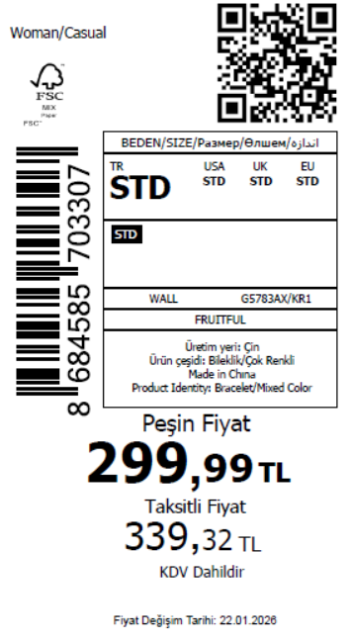 1455
2026-01-22 | G5783AX | NS | 1812043 | MOROCCO | KR1 - KARMA | G5783AXDFASTD | 2 | 5 | 5 | MOROCCO | 15 | 75
2026-01-22 | G5783AX | NS | 1812042 | NORTH IRAQ | KR1 - KARMA | G5783AXDFASTD | 2 | 5 | 5 | NORTH IRAQ | 8 | 40
2026-01-22 | G5783AX | NS | 1812041 | SOUTH IRAQ | KR1 - KARMA | G5783AXDFASTD | 2 | 5 | 5 | SOUTH IRAQ | 12 | 60
2026-01-22 | G5783AX | NS | 1812039 | KOSOVO | KR1 - KARMA | G5783AXDFASTD | 2 | 5 | 5 | KOSOVO | 3 | 15
2026-01-22 | G5783AX | NS | 1812038 | LEBANON | KR1 - KARMA | G5783AXDFASTD | 2 | 5 | 5 | LEBANON | 3 | 15
2026-01-22 | G5783AX | NS | 1812037 | GEORGIA | KR1 - KARMA | G5783AXDFASTD | 2 | 5 | 5 | GEORGIA | 4 | 20
2026-01-22 | G5783AX | NS | 1812035 | UZBEKISTAN | KR1 - KARMA | G5783AXDFASTD | 2 | 5 | 5 | UZBEKISTAN | 4 | 20
2026-01-22 | G5783AX | NS | 1812032 | MONTENEGRO | KR1 - KARMA | G5783AXDFASTD | 2 | 5 | 5 | MONTENEGRO | 1 | 5
2026-01-22 | G5783AX | NS | 1812031 | ALBANIA | KR1 - KARMA | G5783AXDFASTD | 2 | 5 | 5 | ALBANIA | 4 | 20
2026-01-22 | G5783AX | NS | 1812030 | BOSNIA | KR1 - KARMA | G5783AXDFASTD | 2 | 5 | 5 | BOSNIA | 6 | 30
2026-01-22 | G5783AX | NS | 1812029 | EGYPT | KR1 - KARMA | G5783AXDFASTD | 2 | 5 | 5 | EGYPT | 15 | 75
2026-01-22 | G5783AX | NS | 1812028 | MACEDONIA | KR1 - KARMA | G5783AXDFASTD | 2 | 5 | 5 | MACEDONIA | 2 | 10
2026-01-22 | G5783AX | NS | 1812027 | AZERBAIJAN | KR1 - KARMA | G5783AXDFASTD | 2 | 5 | 5 | AZERBAIJAN | 8 | 40
2026-01-22 | G5783AX | NS | 1812025 | TOPTAN-7 | KR1 - KARMA | G5783AXTOP7ASTD | 2 | 5 | 5 | TOPTAN-7 | 4 | 20 |  | 无稿件
2026-01-22 | G5783AX | NS | 1812024 | KAZAKHSTAN | KR1 - KARMA | G5783AXKZKASTD | 2 | 5 | 5 | KAZAKHSTAN | 6 | 30 |  | 无稿件
2026-01-22 | G5783AX | NS | 1812040 | DEFACTO PERAKENDE TİC.A.Ş. DEPO Organize San. Bölgesi 6.Depo Kazım Karabekir Mah. Cumhuriyet Cad. Tekirdağ/Çerkezköy Tel:0090 282 758 11 34-35 | KR1 - KARMA | G5783AXDFASTD | 2 | 5 | 5 | TURKEY | 180 | 900
2026-01-22 | G5783AX | NS | 1812026-无价格 | İSTANBUL DEPO | KR1 - KARMA | G5783AXECOMASTD | 2 | 5 | 5 | ECOM | 10 | 50
 |  |  |  |  |  |  |  |  |  |  | 291 | 1455

2026-01-22 | G5784AX | NS | 1812157 | KOSOVO | KR1 - KARMA | G5784AXDFASTD | 3 | 5 | 5 | KOSOVO | 3 | 15 | 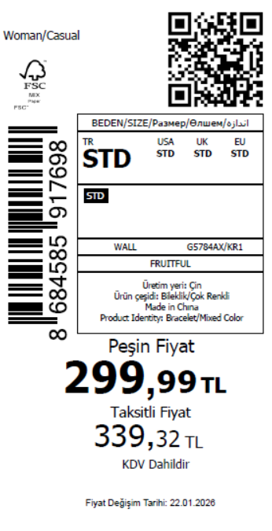 2175
2026-01-22 | G5784AX | NS | 1812152 | LEBANON | KR1 - KARMA | G5784AXDFASTD | 3 | 5 | 5 | LEBANON | 3 | 15
2026-01-22 | G5784AX | NS | 1812147 | MONTENEGRO | KR1 - KARMA | G5784AXDFASTD | 3 | 5 | 5 | MONTENEGRO | 1 | 5
2026-01-22 | G5784AX | NS | 1812144 | ALBANIA | KR1 - KARMA | G5784AXDFASTD | 3 | 5 | 5 | ALBANIA | 4 | 20
2026-01-22 | G5784AX | NS | 1812141 | BOSNIA | KR1 - KARMA | G5784AXDFASTD | 3 | 5 | 5 | BOSNIA | 6 | 30
2026-01-22 | G5784AX | NS | 1812136 | EGYPT | KR1 - KARMA | G5784AXDFASTD | 3 | 5 | 5 | EGYPT | 15 | 75
2026-01-22 | G5784AX | NS | 1812133 | MOLDOVA | KR1 - KARMA | G5784AXDFASTD | 3 | 5 | 5 | MOLDOVA | 6 | 30
2026-01-22 | G5784AX | NS | 1812128 | MOROCCO | KR1 - KARMA | G5784AXDFASTD | 3 | 5 | 5 | MOROCCO | 15 | 75
2026-01-22 | G5784AX | NS | 1812124 | NORTH IRAQ | KR1 - KARMA | G5784AXDFASTD | 3 | 5 | 5 | NORTH IRAQ | 8 | 40
2026-01-22 | G5784AX | NS | 1812121 | SOUTH IRAQ | KR1 - KARMA | G5784AXDFASTD | 3 | 5 | 5 | SOUTH IRAQ | 12 | 60
2026-01-22 | G5784AX | NS | 1812115 | GEORGIA | KR1 - KARMA | G5784AXDFASTD | 3 | 5 | 5 | GEORGIA | 4 | 20
2026-01-22 | G5784AX | NS | 1812111 | UZBEKISTAN | KR1 - KARMA | G5784AXDFASTD | 3 | 5 | 5 | UZBEKISTAN | 8 | 40
2026-01-22 | G5784AX | NS | 1812108 | UKRAINE | KR1 - KARMA | G5784AXDFASTD | 3 | 5 | 5 | UKRAINE | 6 | 30
2026-01-22 | G5784AX | NS | 1812104 | AZERBAIJAN | KR1 - KARMA | G5784AXDFASTD | 3 | 5 | 5 | AZERBAIJAN | 12 | 60
2026-01-22 | G5784AX | NS | 1812102 | TOPTAN-7 | KR1 - KARMA | G5784AXTOP7ASTD | 3 | 5 | 5 | TOPTAN-7 | 8 | 40 |  | 无稿件
2026-01-22 | G5784AX | NS | 1812100 | TOPTAN-5 | KR1 - KARMA | G5784AXTOP5ASTD | 3 | 5 | 5 | TOPTAN-5 | 8 | 40 |  | 无稿件
2026-01-22 | G5784AX | NS | 1812096 | KAZAKHSTAN | KR1 - KARMA | G5784AXKZKASTD | 3 | 5 | 5 | KAZAKHSTAN | 6 | 30 |  | 无稿件
2026-01-22 | G5784AX | NS | 1812203 | DEFACTO PERAKENDE TİC.A.Ş. DEPO Organize San. Bölgesi 6.Depo Kazım Karabekir Mah. Cumhuriyet Cad. Tekirdağ/Çerkezköy Tel:0090 282 758 11 34-35 | KR1 - KARMA | G5784AXDFASTD | 3 | 5 | 5 | TURKEY | 300 | 1500
2026-01-22 | G5784AX | NS | 1812202-无价格 | İSTANBUL DEPO | KR1 - KARMA | G5784AXECOMASTD | 3 | 5 | 5 | ECOM | 10 | 50
 |  |  |  |  |  |  |  |  |  |  | 435 | 2175

2026-01-22 | G5799AX | NS | 1812489 | SOUTH IRAQ | KR1 - KARMA | G5799AXDFASTD | 2 | 5 | 5 | SOUTH IRAQ | 12 | 60 | 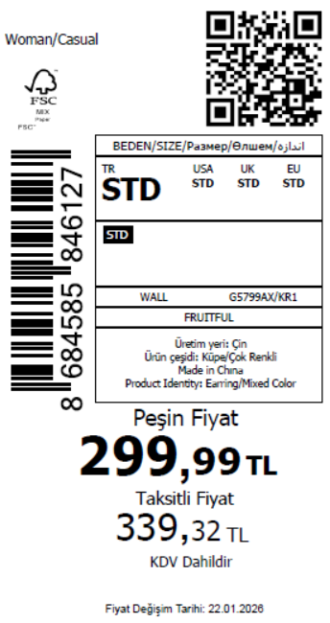 2430
2026-01-22 | G5799AX | NS | 1812486 | KOSOVO | KR1 - KARMA | G5799AXDFASTD | 2 | 5 | 5 | KOSOVO | 3 | 15
2026-01-22 | G5799AX | NS | 1812482 | LEBANON | KR1 - KARMA | G5799AXDFASTD | 2 | 5 | 5 | LEBANON | 3 | 15
2026-01-22 | G5799AX | NS | 1812479 | GEORGIA | KR1 - KARMA | G5799AXDFASTD | 2 | 5 | 5 | GEORGIA | 4 | 20
2026-01-22 | G5799AX | NS | 1812474 | UZBEKISTAN | KR1 - KARMA | G5799AXDFASTD | 2 | 5 | 5 | UZBEKISTAN | 8 | 40
2026-01-22 | G5799AX | NS | 1812471 | UKRAINE | KR1 - KARMA | G5799AXDFASTD | 2 | 5 | 5 | UKRAINE | 6 | 30
2026-01-22 | G5799AX | NS | 1812468 | MONTENEGRO | KR1 - KARMA | G5799AXDFASTD | 2 | 5 | 5 | MONTENEGRO | 2 | 10
2026-01-22 | G5799AX | NS | 1812463 | SERBIA | KR1 - KARMA | G5799AXDFASTD | 2 | 5 | 5 | SERBIA | 4 | 20
2026-01-22 | G5799AX | NS | 1812458 | ALBANIA | KR1 - KARMA | G5799AXDFASTD | 2 | 5 | 5 | ALBANIA | 4 | 20
2026-01-22 | G5799AX | NS | 1812456 | BOSNIA | KR1 - KARMA | G5799AXDFASTD | 2 | 5 | 5 | BOSNIA | 6 | 30
2026-01-22 | G5799AX | NS | 1812453 | EGYPT | KR1 - KARMA | G5799AXDFASTD | 2 | 5 | 5 | EGYPT | 15 | 75
2026-01-22 | G5799AX | NS | 1812452 | MOLDOVA | KR1 - KARMA | G5799AXDFASTD | 2 | 5 | 5 | MOLDOVA | 6 | 30
2026-01-22 | G5799AX | NS | 1812451 | MOROCCO | KR1 - KARMA | G5799AXDFASTD | 2 | 5 | 5 | MOROCCO | 15 | 75
2026-01-22 | G5799AX | NS | 1812450 | NORTH IRAQ | KR1 - KARMA | G5799AXDFASTD | 2 | 5 | 5 | NORTH IRAQ | 8 | 40
2026-01-22 | G5799AX | NS | 1812449 | AZERBAIJAN | KR1 - KARMA | G5799AXDFASTD | 2 | 5 | 5 | AZERBAIJAN | 14 | 70
2026-01-22 | G5799AX | NS | 1812447 | TOPTAN-7 | KR1 - KARMA | G5799AXTOP7ASTD | 2 | 5 | 5 | TOPTAN-7 | 8 | 40 |  | 无稿件
2026-01-22 | G5799AX | NS | 1812446 | TOPTAN-5 | KR1 - KARMA | G5799AXTOP5ASTD | 2 | 5 | 5 | TOPTAN-5 | 8 | 40 |  | 无稿件
2026-01-22 | G5799AX | NS | 1812488 | DEFACTO PERAKENDE TİC.A.Ş. DEPO Organize San. Bölgesi 6.Depo Kazım Karabekir Mah. Cumhuriyet Cad. Tekirdağ/Çerkezköy Tel:0090 282 758 11 34-35 | KR1 - KARMA | G5799AXDFASTD | 2 | 5 | 5 | TURKEY | 350 | 1750
2026-01-22 | G5799AX | NS | 1812448-无价格 | İSTANBUL DEPO | KR1 - KARMA | G5799AXECOMASTD | 2 | 5 | 5 | ECOM | 10 | 50
 |  |  |  |  |  |  |  |  |  |  | 486 | 2430

2026-01-22 | G5804AX | NS | 1812519 | DEFACTO PERAKENDE TİC.A.Ş. DEPO Organize San. Bölgesi 6.Depo Kazım Karabekir Mah. Cumhuriyet Cad. Tekirdağ/Çerkezköy Tel:0090 282 758 11 34-35 | KR1 - KARMA | G5804AXDFASTD | 15 | 5 | 5 | TURKEY | 180 | 900 | 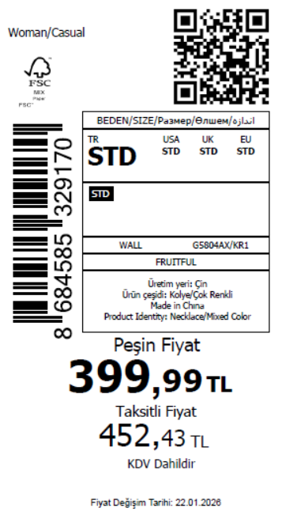 1430
2026-01-22 | G5804AX | NS | 1812518 | KOSOVO | KR1 - KARMA | G5804AXDFASTD | 15 | 5 | 5 | KOSOVO | 3 | 15
2026-01-22 | G5804AX | NS | 1812517 | LEBANON | KR1 - KARMA | G5804AXDFASTD | 15 | 5 | 5 | LEBANON | 3 | 15
2026-01-22 | G5804AX | NS | 1812516 | GEORGIA | KR1 - KARMA | G5804AXDFASTD | 15 | 5 | 5 | GEORGIA | 4 | 20
2026-01-22 | G5804AX | NS | 1812515 | UZBEKISTAN | KR1 - KARMA | G5804AXDFASTD | 15 | 5 | 5 | UZBEKISTAN | 8 | 40
2026-01-22 | G5804AX | NS | 1812514 | UKRAINE | KR1 - KARMA | G5804AXDFASTD | 15 | 5 | 5 | UKRAINE | 6 | 30
2026-01-22 | G5804AX | NS | 1812513 | MONTENEGRO | KR1 - KARMA | G5804AXDFASTD | 15 | 5 | 5 | MONTENEGRO | 2 | 10
2026-01-22 | G5804AX | NS | 1812512 | SERBIA | KR1 - KARMA | G5804AXDFASTD | 15 | 5 | 5 | SERBIA | 4 | 20
2026-01-22 | G5804AX | NS | 1812511 | ALBANIA | KR1 - KARMA | G5804AXDFASTD | 15 | 5 | 5 | ALBANIA | 4 | 20
2026-01-22 | G5804AX | NS | 1812510 | BOSNIA | KR1 - KARMA | G5804AXDFASTD | 15 | 5 | 5 | BOSNIA | 3 | 15
2026-01-22 | G5804AX | NS | 1812509 | MOLDOVA | KR1 - KARMA | G5804AXDFASTD | 15 | 5 | 5 | MOLDOVA | 6 | 30
2026-01-22 | G5804AX | NS | 1812508 | MOROCCO | KR1 - KARMA | G5804AXDFASTD | 15 | 5 | 5 | MOROCCO | 15 | 75
2026-01-22 | G5804AX | NS | 1812507 | NORTH IRAQ | KR1 - KARMA | G5804AXDFASTD | 15 | 5 | 5 | NORTH IRAQ | 8 | 40
2026-01-22 | G5804AX | NS | 1812506 | SOUTH IRAQ | KR1 - KARMA | G5804AXDFASTD | 15 | 5 | 5 | SOUTH IRAQ | 12 | 60
2026-01-22 | G5804AX | NS | 1812505 | MACEDONIA | KR1 - KARMA | G5804AXDFASTD | 15 | 5 | 5 | MACEDONIA | 4 | 20
2026-01-22 | G5804AX | NS | 1812504 | AZERBAIJAN | KR1 - KARMA | G5804AXDFASTD | 15 | 5 | 5 | AZERBAIJAN | 8 | 40
2026-01-22 | G5804AX | NS | 1812502 | KAZAKHSTAN | KR1 - KARMA | G5804AXKZKASTD | 15 | 5 | 5 | KAZAKHSTAN | 6 | 30 |  | 无稿件
2026-01-22 | G5804AX | NS | 1812503-无价格 | İSTANBUL DEPO | KR1 - KARMA | G5804AXECOMASTD | 15 | 5 | 5 | ECOM | 10 | 50
 |  |  |  |  |  |  |  |  |  |  | 286 | 1430

2026-01-22 | G5806AX | NS | 1812576 | SERBIA | KR1 - KARMA | G5806AXDFASTD | 3 | 5 | 5 | SERBIA | 5 | 25 | 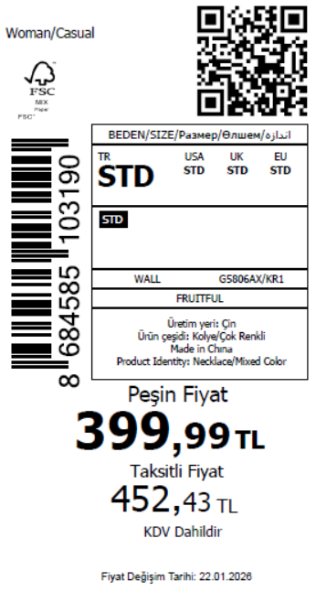 2045
2026-01-22 | G5806AX | NS | 1812575 | ALBANIA | KR1 - KARMA | G5806AXDFASTD | 3 | 5 | 5 | ALBANIA | 4 | 20
2026-01-22 | G5806AX | NS | 1812574 | BOSNIA | KR1 - KARMA | G5806AXDFASTD | 3 | 5 | 5 | BOSNIA | 3 | 15
2026-01-22 | G5806AX | NS | 1812573 | EGYPT | KR1 - KARMA | G5806AXDFASTD | 3 | 5 | 5 | EGYPT | 15 | 75
2026-01-22 | G5806AX | NS | 1812570 | MOLDOVA | KR1 - KARMA | G5806AXDFASTD | 3 | 5 | 5 | MOLDOVA | 6 | 30
2026-01-22 | G5806AX | NS | 1812568 | MOROCCO | KR1 - KARMA | G5806AXDFASTD | 3 | 5 | 5 | MOROCCO | 15 | 75
2026-01-22 | G5806AX | NS | 1812565 | NORTH IRAQ | KR1 - KARMA | G5806AXDFASTD | 3 | 5 | 5 | NORTH IRAQ | 8 | 40
2026-01-22 | G5806AX | NS | 1812562 | SOUTH IRAQ | KR1 - KARMA | G5806AXDFASTD | 3 | 5 | 5 | SOUTH IRAQ | 12 | 60
2026-01-22 | G5806AX | NS | 1812557 | KOSOVO | KR1 - KARMA | G5806AXDFASTD | 3 | 5 | 5 | KOSOVO | 3 | 15
2026-01-22 | G5806AX | NS | 1812556 | LEBANON | KR1 - KARMA | G5806AXDFASTD | 3 | 5 | 5 | LEBANON | 3 | 15
2026-01-22 | G5806AX | NS | 1812553 | GEORGIA | KR1 - KARMA | G5806AXDFASTD | 3 | 5 | 5 | GEORGIA | 4 | 20
2026-01-22 | G5806AX | NS | 1812551 | UKRAINE | KR1 - KARMA | G5806AXDFASTD | 3 | 5 | 5 | UKRAINE | 6 | 30
2026-01-22 | G5806AX | NS | 1812549 | MONTENEGRO | KR1 - KARMA | G5806AXDFASTD | 3 | 5 | 5 | MONTENEGRO | 2 | 10
2026-01-22 | G5806AX | NS | 1812547 | MACEDONIA | KR1 - KARMA | G5806AXDFASTD | 3 | 5 | 5 | MACEDONIA | 2 | 10
2026-01-22 | G5806AX | NS | 1812546 | AZERBAIJAN | KR1 - KARMA | G5806AXDFASTD | 3 | 5 | 5 | AZERBAIJAN | 11 | 55
2026-01-22 | G5806AX | NS | 1812560 | DEFACTO PERAKENDE TİC.A.Ş. DEPO Organize San. Bölgesi 6.Depo Kazım Karabekir Mah. Cumhuriyet Cad. Tekirdağ/Çerkezköy Tel:0090 282 758 11 34-35 | KR1 - KARMA | G5806AXDFASTD | 3 | 5 | 5 | TURKEY | 300 | 1500
2026-01-22 | G5806AX | NS | 1812545-无价格 | İSTANBUL DEPO | KR1 - KARMA | G5806AXECOMASTD | 3 | 5 | 5 | ECOM | 10 | 50
 |  |  |  |  |  |  |  |  |  |  | 409 | 2045

2026-01-22 | G5808AX | NS | 1812633 | MOROCCO | KR1 - KARMA | G5808AXDFASTD | 1 | 5 | 5 | MOROCCO | 15 | 75 | 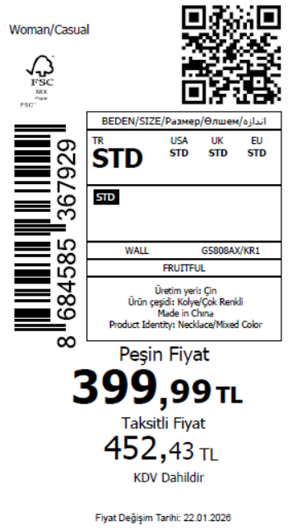 1810
2026-01-22 | G5808AX | NS | 1812629 | NORTH IRAQ | KR1 - KARMA | G5808AXDFASTD | 1 | 5 | 5 | NORTH IRAQ | 8 | 40
2026-01-22 | G5808AX | NS | 1812626 | SOUTH IRAQ | KR1 - KARMA | G5808AXDFASTD | 1 | 5 | 5 | SOUTH IRAQ | 12 | 60
2026-01-22 | G5808AX | NS | 1812620 | KOSOVO | KR1 - KARMA | G5808AXDFASTD | 1 | 5 | 5 | KOSOVO | 3 | 15
2026-01-22 | G5808AX | NS | 1812617 | LEBANON | KR1 - KARMA | G5808AXDFASTD | 1 | 5 | 5 | LEBANON | 3 | 15
2026-01-22 | G5808AX | NS | 1812614 | GEORGIA | KR1 - KARMA | G5808AXDFASTD | 1 | 5 | 5 | GEORGIA | 4 | 20
2026-01-22 | G5808AX | NS | 1812611 | MONTENEGRO | KR1 - KARMA | G5808AXDFASTD | 1 | 5 | 5 | MONTENEGRO | 2 | 10
2026-01-22 | G5808AX | NS | 1812608 | ALBANIA | KR1 - KARMA | G5808AXDFASTD | 1 | 5 | 5 | ALBANIA | 4 | 20
2026-01-22 | G5808AX | NS | 1812604 | BOSNIA | KR1 - KARMA | G5808AXDFASTD | 1 | 5 | 5 | BOSNIA | 3 | 15
2026-01-22 | G5808AX | NS | 1812602 | MOLDOVA | KR1 - KARMA | G5808AXDFASTD | 1 | 5 | 5 | MOLDOVA | 6 | 30
2026-01-22 | G5808AX | NS | 1812600 | MACEDONIA | KR1 - KARMA | G5808AXDFASTD | 1 | 5 | 5 | MACEDONIA | 2 | 10
2026-01-22 | G5808AX | NS | 1812598 | AZERBAIJAN | KR1 - KARMA | G5808AXDFASTD | 1 | 5 | 5 | AZERBAIJAN | 10 | 50
2026-01-22 | G5808AX | NS | 1812623 | DEFACTO PERAKENDE TİC.A.Ş. DEPO Organize San. Bölgesi 6.Depo Kazım Karabekir Mah. Cumhuriyet Cad. Tekirdağ/Çerkezköy Tel:0090 282 758 11 34-35 | KR1 - KARMA | G5808AXDFASTD | 1 | 5 | 5 | TURKEY | 280 | 1400
2026-01-22 | G5808AX | NS | 1812596-无价格 | İSTANBUL DEPO | KR1 - KARMA | G5808AXECOMASTD | 1 | 5 | 5 | ECOM | 10 | 50
 |  |  |  |  |  |  |  |  |  |  | 362 | 1810

2026-01-22 | G5819AX | NS | 1815851 | MONTENEGRO | KR1 - KARMA | G5819AXDFASTD | 2 | 5 | 5 | MONTENEGRO | 2 | 10 | 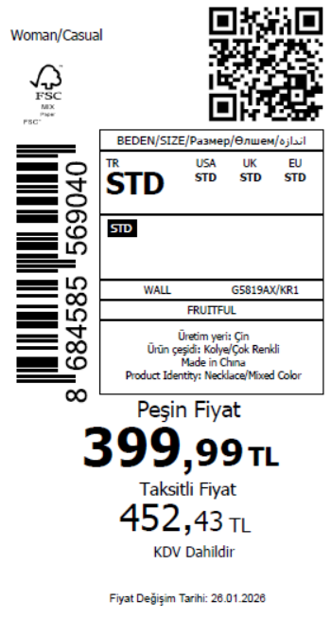 1800
2026-01-22 | G5819AX | NS | 1815850 | MACEDONIA | KR1 - KARMA | G5819AXDFASTD | 2 | 5 | 5 | MACEDONIA | 2 | 10
2026-01-22 | G5819AX | NS | 1815848 | BOSNIA | KR1 - KARMA | G5819AXDFASTD | 2 | 5 | 5 | BOSNIA | 3 | 15
2026-01-22 | G5819AX | NS | 1815846 | ALBANIA | KR1 - KARMA | G5819AXDFASTD | 2 | 5 | 5 | ALBANIA | 4 | 20
2026-01-22 | G5819AX | NS | 1815844 | KOSOVO | KR1 - KARMA | G5819AXDFASTD | 2 | 5 | 5 | KOSOVO | 4 | 20
2026-01-22 | G5819AX | NS | 1815842 | LEBANON | KR1 - KARMA | G5819AXDFASTD | 2 | 5 | 5 | LEBANON | 4 | 20
2026-01-22 | G5819AX | NS | 1815840 | GEORGIA | KR1 - KARMA | G5819AXDFASTD | 2 | 5 | 5 | GEORGIA | 4 | 20
2026-01-22 | G5819AX | NS | 1815838 | MOLDOVA | KR1 - KARMA | G5819AXDFASTD | 2 | 5 | 5 | MOLDOVA | 6 | 30
2026-01-22 | G5819AX | NS | 1815836 | NORTH IRAQ | KR1 - KARMA | G5819AXDFASTD | 2 | 5 | 5 | NORTH IRAQ | 8 | 40
2026-01-22 | G5819AX | NS | 1815835 | SOUTH IRAQ | KR1 - KARMA | G5819AXDFASTD | 2 | 5 | 5 | SOUTH IRAQ | 8 | 40
2026-01-22 | G5819AX | NS | 1815834 | MOROCCO | KR1 - KARMA | G5819AXDFASTD | 2 | 5 | 5 | MOROCCO | 15 | 75
2026-01-22 | G5819AX | NS | 1815832 | AZERBAIJAN | KR1 - KARMA | G5819AXDFASTD | 2 | 5 | 5 | AZERBAIJAN | 10 | 50
2026-01-22 | G5819AX | NS | 1815879 | DEFACTO PERAKENDE TİC.A.Ş. DEPO Organize San. Bölgesi 6.Depo Kazım Karabekir Mah. Cumhuriyet Cad. Tekirdağ/Çerkezköy Tel:0090 282 758 11 34-35 | KR1 - KARMA | G5819AXDFASTD | 2 | 5 | 5 | TURKEY | 280 | 1400
2026-01-22 | G5819AX | NS | 1815878-无价格 | İSTANBUL DEPO | KR1 - KARMA | G5819AXECOMASTD | 2 | 5 | 5 | ECOM | 10 | 50
 |  |  |  |  |  |  |  |  |  |  | 360 | 1800

 |  |  |  |  |  |  |  |  |  |  | 8320 | 41600

