3.30 小孩
订单日期 | Style Code | Season | Order Number | Ship To | ColorCode-Name | Prepack Code | Set Content | STD | Qty. In A Blister | Delivery Country | lot贴纸 | Total Open Quantity
2026-01-29 | H5296A8 | NS | 1819464 | ALBANIA | KR1 - KARMA | H5296A8DFASTD | 2 | 5 | 5 | ALBANIA | 4 | 20 | 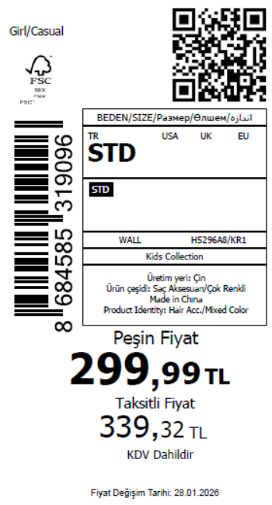 1030
2026-01-29 | H5296A8 | NS | 1819460 | EGYPT | KR1 - KARMA | H5296A8DFASTD | 2 | 5 | 5 | EGYPT | 10 | 50
2026-01-29 | H5296A8 | NS | 1819458 | GEORGIA | KR1 - KARMA | H5296A8DFASTD | 2 | 5 | 5 | GEORGIA | 4 | 20
2026-01-29 | H5296A8 | NS | 1819456 | MONTENEGRO | KR1 - KARMA | H5296A8DFASTD | 2 | 5 | 5 | MONTENEGRO | 2 | 10
2026-01-29 | H5296A8 | NS | 1819454 | NORTH IRAQ | KR1 - KARMA | H5296A8DFASTD | 2 | 5 | 5 | NORTH IRAQ | 10 | 50
2026-01-29 | H5296A8 | NS | 1819453 | SOUTH IRAQ | KR1 - KARMA | H5296A8DFASTD | 2 | 5 | 5 | SOUTH IRAQ | 10 | 50
2026-01-29 | H5296A8 | NS | 1819449 | AZERBAIJAN | KR1 - KARMA | H5296A8DFASTD | 2 | 5 | 5 | AZERBAIJAN | 2 | 10
2026-01-29 | H5296A8 | NS | 1819447 | KOSOVO | KR1 - KARMA | H5296A8DFASTD | 2 | 5 | 5 | KOSOVO | 2 | 10
2026-01-29 | H5296A8 | NS | 1819446 | LEBANON | KR1 - KARMA | H5296A8DFASTD | 2 | 5 | 5 | LEBANON | 2 | 10
2026-01-29 | H5296A8 | NS | 1819443-无价格 | İSTANBUL DEPO | KR1 - KARMA | H5296A8ECOMASTD | 2 | 5 | 5 | ECOM | 10 | 50
2026-01-29 | H5296A8 | NS | 1819451 | DEFACTO PERAKENDE TİC.A.Ş. DEPO Organize San. Bölgesi 6.Depo Kazım Karabekir Mah. Cumhuriyet Cad. Tekirdağ/Çerkezköy Tel:0090 282 758 11 34-35 | KR1 - KARMA | H5296A8DFASTD | 2 | 5 | 5 | TURKEY | 150 | 750
 |  |  |  |  |  |  |  |  |  |  | 206 | 1030

2026-01-29 | H5297A8 | NS | 1819360 | ALBANIA | KR1 - KARMA | H5297A8DFASTD | 1 | 5 | 5 | ALBANIA | 4 | 20 | 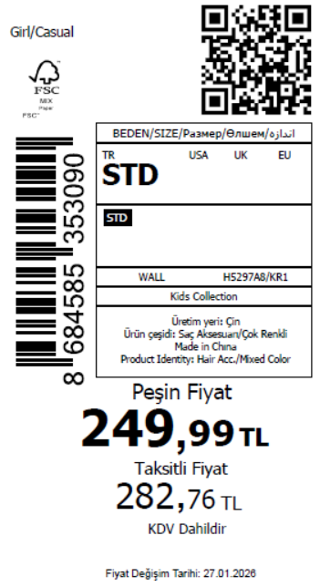 1180
2026-01-29 | H5297A8 | NS | 1819358 | BOSNIA | KR1 - KARMA | H5297A8DFASTD | 1 | 5 | 5 | BOSNIA | 6 | 30
2026-01-29 | H5297A8 | NS | 1819357 | EGYPT | KR1 - KARMA | H5297A8DFASTD | 1 | 5 | 5 | EGYPT | 10 | 50
2026-01-29 | H5297A8 | NS | 1819356 | GEORGIA | KR1 - KARMA | H5297A8DFASTD | 1 | 5 | 5 | GEORGIA | 6 | 30
2026-01-29 | H5297A8 | NS | 1819355 | MACEDONIA | KR1 - KARMA | H5297A8DFASTD | 1 | 5 | 5 | MACEDONIA | 6 | 30
2026-01-29 | H5297A8 | NS | 1819353 | MOLDOVA | KR1 - KARMA | H5297A8DFASTD | 1 | 5 | 5 | MOLDOVA | 4 | 20
2026-01-29 | H5297A8 | NS | 1819352 | MONTENEGRO | KR1 - KARMA | H5297A8DFASTD | 1 | 5 | 5 | MONTENEGRO | 2 | 10
2026-01-29 | H5297A8 | NS | 1819350 | MOROCCO | KR1 - KARMA | H5297A8DFASTD | 1 | 5 | 5 | MOROCCO | 6 | 30
2026-01-29 | H5297A8 | NS | 1819349 | NORTH IRAQ | KR1 - KARMA | H5297A8DFASTD | 1 | 5 | 5 | NORTH IRAQ | 10 | 50
2026-01-29 | H5297A8 | NS | 1819347 | SOUTH IRAQ | KR1 - KARMA | H5297A8DFASTD | 1 | 5 | 5 | SOUTH IRAQ | 10 | 50
2026-01-29 | H5297A8 | NS | 1819343 | AZERBAIJAN | KR1 - KARMA | H5297A8DFASTD | 1 | 5 | 5 | AZERBAIJAN | 2 | 10
2026-01-29 | H5297A8 | NS | 1819342 | KOSOVO | KR1 - KARMA | H5297A8DFASTD | 1 | 5 | 5 | KOSOVO | 2 | 10
2026-01-29 | H5297A8 | NS | 1819340 | LEBANON | KR1 - KARMA | H5297A8DFASTD | 1 | 5 | 5 | LEBANON | 2 | 10
2026-01-29 | H5297A8 | NS | 1819339 | KAZAKHSTAN | KR1 - KARMA | H5297A8KZKASTD | 1 | 5 | 5 | KAZAKHSTAN | 6 | 30 |  | 无稿件
2026-01-29 | H5297A8 | NS | 1819398 | DEFACTO PERAKENDE TİC.A.Ş. DEPO Organize San. Bölgesi 6.Depo Kazım Karabekir Mah. Cumhuriyet Cad. Tekirdağ/Çerkezköy Tel:0090 282 758 11 34-35 | KR1 - KARMA | H5297A8DFASTD | 1 | 5 | 5 | TURKEY | 150 | 750
2026-01-29 | H5297A8 | NS | 1819395-无价格 | İSTANBUL DEPO | KR1 - KARMA | H5297A8ECOMASTD | 1 | 5 | 5 | ECOM | 10 | 50
 |  |  |  |  |  |  |  |  |  |  | 236 | 1180

2026-01-29 | H5298A8 | NS | 1819431 | ALBANIA | GN578 - GREEN | H5298A8DFASTD | 1 | 5 | 5 | ALBANIA | 4 | 20 | 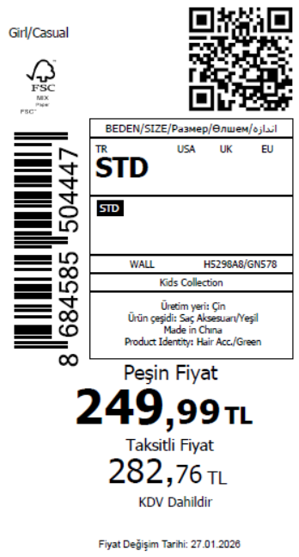 880
2026-01-29 | H5298A8 | NS | 1819428 | BOSNIA | GN578 - GREEN | H5298A8DFASTD | 1 | 5 | 5 | BOSNIA | 6 | 30
2026-01-29 | H5298A8 | NS | 1819426 | EGYPT | GN578 - GREEN | H5298A8DFASTD | 1 | 5 | 5 | EGYPT | 10 | 50
2026-01-29 | H5298A8 | NS | 1819425 | GEORGIA | GN578 - GREEN | H5298A8DFASTD | 1 | 5 | 5 | GEORGIA | 6 | 30
2026-01-29 | H5298A8 | NS | 1819422 | MACEDONIA | GN578 - GREEN | H5298A8DFASTD | 1 | 5 | 5 | MACEDONIA | 6 | 30
2026-01-29 | H5298A8 | NS | 1819418 | MONTENEGRO | GN578 - GREEN | H5298A8DFASTD | 1 | 5 | 5 | MONTENEGRO | 2 | 10
2026-01-29 | H5298A8 | NS | 1819416 | NORTH IRAQ | GN578 - GREEN | H5298A8DFASTD | 1 | 5 | 5 | NORTH IRAQ | 10 | 50
2026-01-29 | H5298A8 | NS | 1819413 | SOUTH IRAQ | GN578 - GREEN | H5298A8DFASTD | 1 | 5 | 5 | SOUTH IRAQ | 10 | 50
2026-01-29 | H5298A8 | NS | 1819408 | AZERBAIJAN | GN578 - GREEN | H5298A8DFASTD | 1 | 5 | 5 | AZERBAIJAN | 2 | 10
2026-01-29 | H5298A8 | NS | 1819406 | KOSOVO | GN578 - GREEN | H5298A8DFASTD | 1 | 5 | 5 | KOSOVO | 2 | 10
2026-01-29 | H5298A8 | NS | 1819404 | LEBANON | GN578 - GREEN | H5298A8DFASTD | 1 | 5 | 5 | LEBANON | 2 | 10
2026-01-29 | H5298A8 | NS | 1819401 | KAZAKHSTAN | GN578 - GREEN | H5298A8KZKASTD | 1 | 5 | 5 | KAZAKHSTAN | 6 | 30 |  | 无稿件
2026-01-29 | H5298A8 | NS | 1819399-无价格 | İSTANBUL DEPO | GN578 - GREEN | H5298A8ECOMASTD | 1 | 5 | 5 | ECOM | 10 | 50
2026-01-29 | H5298A8 | NS | 1819411 | DEFACTO PERAKENDE TİC.A.Ş. DEPO Organize San. Bölgesi 6.Depo Kazım Karabekir Mah. Cumhuriyet Cad. Tekirdağ/Çerkezköy Tel:0090 282 758 11 34-35 | GN578 - GREEN | H5298A8DFASTD | 1 | 5 | 5 | TURKEY | 100 | 500
 |  |  |  |  |  |  |  |  |  |  | 176 | 880

2026-01-29 | H5298A8 | NS | 1819431 | ALBANIA | YL196 - LT.YELLOW | H5298A8DFBSTD | 1 | 5 | 5 | ALBANIA | 4 | 20 | 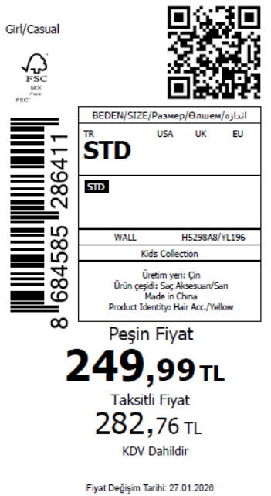 880
2026-01-29 | H5298A8 | NS | 1819428 | BOSNIA | YL196 - LT.YELLOW | H5298A8DFBSTD | 1 | 5 | 5 | BOSNIA | 6 | 30
2026-01-29 | H5298A8 | NS | 1819426 | EGYPT | YL196 - LT.YELLOW | H5298A8DFBSTD | 1 | 5 | 5 | EGYPT | 10 | 50
2026-01-29 | H5298A8 | NS | 1819425 | GEORGIA | YL196 - LT.YELLOW | H5298A8DFBSTD | 1 | 5 | 5 | GEORGIA | 6 | 30
2026-01-29 | H5298A8 | NS | 1819422 | MACEDONIA | YL196 - LT.YELLOW | H5298A8DFBSTD | 1 | 5 | 5 | MACEDONIA | 6 | 30
2026-01-29 | H5298A8 | NS | 1819418 | MONTENEGRO | YL196 - LT.YELLOW | H5298A8DFBSTD | 1 | 5 | 5 | MONTENEGRO | 2 | 10
2026-01-29 | H5298A8 | NS | 1819416 | NORTH IRAQ | YL196 - LT.YELLOW | H5298A8DFBSTD | 1 | 5 | 5 | NORTH IRAQ | 10 | 50
2026-01-29 | H5298A8 | NS | 1819413 | SOUTH IRAQ | YL196 - LT.YELLOW | H5298A8DFBSTD | 1 | 5 | 5 | SOUTH IRAQ | 10 | 50
2026-01-29 | H5298A8 | NS | 1819408 | AZERBAIJAN | YL196 - LT.YELLOW | H5298A8DFBSTD | 1 | 5 | 5 | AZERBAIJAN | 2 | 10
2026-01-29 | H5298A8 | NS | 1819406 | KOSOVO | YL196 - LT.YELLOW | H5298A8DFBSTD | 1 | 5 | 5 | KOSOVO | 2 | 10
2026-01-29 | H5298A8 | NS | 1819404 | LEBANON | YL196 - LT.YELLOW | H5298A8DFBSTD | 1 | 5 | 5 | LEBANON | 2 | 10
2026-01-29 | H5298A8 | NS | 1819401 | KAZAKHSTAN | YL196 - LT.YELLOW | H5298A8KZKBSTD | 1 | 5 | 5 | KAZAKHSTAN | 6 | 30 |  | 无稿件
2026-01-29 | H5298A8 | NS | 1819399-无价格 | İSTANBUL DEPO | YL196 - LT.YELLOW | H5298A8ECOMBSTD | 1 | 5 | 5 | ECOM | 10 | 50
2026-01-29 | H5298A8 | NS | 1819411 | DEFACTO PERAKENDE TİC.A.Ş. DEPO Organize San. Bölgesi 6.Depo Kazım Karabekir Mah. Cumhuriyet Cad. Tekirdağ/Çerkezköy Tel:0090 282 758 11 34-35 | YL196 - LT.YELLOW | H5298A8DFBSTD | 1 | 5 | 5 | TURKEY | 100 | 500
 |  |  |  |  |  |  |  |  |  |  | 176 | 880

2026-01-29 | H5300A8 | NS | 1820476 | DEFACTO PERAKENDE TİC.A.Ş. DEPO Organize San. Bölgesi 6.Depo Kazım Karabekir Mah. Cumhuriyet Cad. Tekirdağ/Çerkezköy Tel:0090 282 758 11 34-35 | PN1 - PINK | H5300A8DF1 | 1 | 5 | 5 | TURKEY | 100 | 500 | 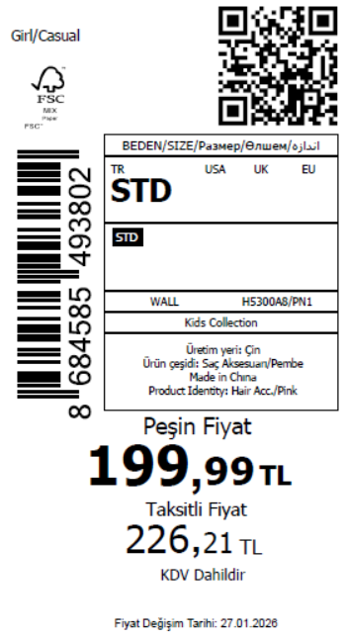 630
2026-01-29 | H5300A8 | NS | 1820473 | ALBANIA | PN1 - PINK | H5300A8DF1 | 1 | 5 | 5 | ALBANIA | 4 | 20
2026-01-29 | H5300A8 | NS | 1820469 | BOSNIA | PN1 - PINK | H5300A8DF1 | 1 | 5 | 5 | BOSNIA | 4 | 20
2026-01-29 | H5300A8 | NS | 1820467 | MOLDOVA | PN1 - PINK | H5300A8DF1 | 1 | 5 | 5 | MOLDOVA | 4 | 20
2026-01-29 | H5300A8 | NS | 1820465 | GEORGIA | PN1 - PINK | H5300A8DF1 | 1 | 5 | 5 | GEORGIA | 4 | 20
2026-01-29 | H5300A8 | NS | 1820463-无价格 | İSTANBUL DEPO | PN1 - PINK | H5300A8ECOM2 | 1 | 5 | 5 | ECOM | 10 | 50
 |  |  |  |  |  |  |  |  |  |  | 126 | 630

2026-01-29 | H5301A8 | NS | 1819562 | ALBANIA | KR1 - KARMA | H5301A8DFASTD | 2 | 5 | 5 | ALBANIA | 4 | 20 | 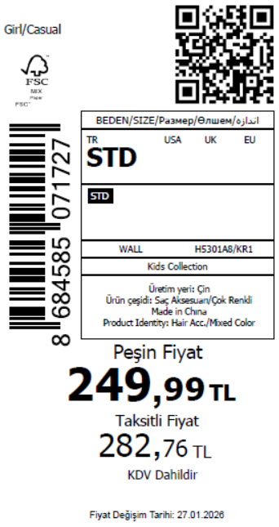 880
2026-01-29 | H5301A8 | NS | 1819560 | BOSNIA | KR1 - KARMA | H5301A8DFASTD | 2 | 5 | 5 | BOSNIA | 6 | 30
2026-01-29 | H5301A8 | NS | 1819558 | MACEDONIA | KR1 - KARMA | H5301A8DFASTD | 2 | 5 | 5 | MACEDONIA | 6 | 30
2026-01-29 | H5301A8 | NS | 1819556 | MONTENEGRO | KR1 - KARMA | H5301A8DFASTD | 2 | 5 | 5 | MONTENEGRO | 2 | 10
2026-01-29 | H5301A8 | NS | 1819554 | NORTH IRAQ | KR1 - KARMA | H5301A8DFASTD | 2 | 5 | 5 | NORTH IRAQ | 10 | 50
2026-01-29 | H5301A8 | NS | 1819552 | EGYPT | KR1 - KARMA | H5301A8DFASTD | 2 | 5 | 5 | EGYPT | 10 | 50
2026-01-29 | H5301A8 | NS | 1819551 | SOUTH IRAQ | KR1 - KARMA | H5301A8DFASTD | 2 | 5 | 5 | SOUTH IRAQ | 10 | 50
2026-01-29 | H5301A8 | NS | 1819547 | GEORGIA | KR1 - KARMA | H5301A8DFASTD | 2 | 5 | 5 | GEORGIA | 6 | 30
2026-01-29 | H5301A8 | NS | 1819546 | AZERBAIJAN | KR1 - KARMA | H5301A8DFASTD | 2 | 5 | 5 | AZERBAIJAN | 2 | 10
2026-01-29 | H5301A8 | NS | 1819544 | KOSOVO | KR1 - KARMA | H5301A8DFASTD | 2 | 5 | 5 | KOSOVO | 2 | 10
2026-01-29 | H5301A8 | NS | 1819542 | LEBANON | KR1 - KARMA | H5301A8DFASTD | 2 | 5 | 5 | LEBANON | 2 | 10
2026-01-29 | H5301A8 | NS | 1819540 | KAZAKHSTAN | KR1 - KARMA | H5301A8KZKASTD | 2 | 5 | 5 | KAZAKHSTAN | 6 | 30 |  | 无稿件
2026-01-29 | H5301A8 | NS | 1819538-无价格 | İSTANBUL DEPO | KR1 - KARMA | H5301A8ECOMASTD | 2 | 5 | 5 | ECOM | 10 | 50
2026-01-29 | H5301A8 | NS | 1819549 | DEFACTO PERAKENDE TİC.A.Ş. DEPO Organize San. Bölgesi 6.Depo Kazım Karabekir Mah. Cumhuriyet Cad. Tekirdağ/Çerkezköy Tel:0090 282 758 11 34-35 | KR1 - KARMA | H5301A8DFASTD | 2 | 5 | 5 | TURKEY | 100 | 500
 |  |  |  |  |  |  |  |  |  |  | 176 | 880

2026-01-29 | H5302A8 | NS | 1819532 | ALBANIA | KR1 - KARMA | H5302A8DFASTD | 1 | 5 | 5 | ALBANIA | 4 | 20 | 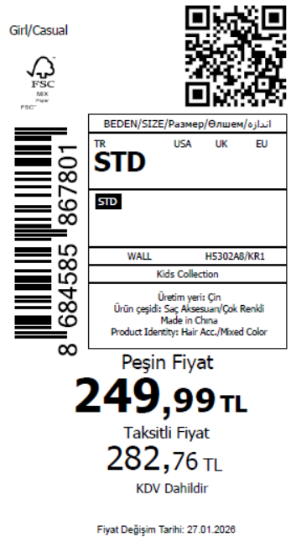 880
2026-01-29 | H5302A8 | NS | 1819531 | BOSNIA | KR1 - KARMA | H5302A8DFASTD | 1 | 5 | 5 | BOSNIA | 6 | 30
2026-01-29 | H5302A8 | NS | 1819530 | EGYPT | KR1 - KARMA | H5302A8DFASTD | 1 | 5 | 5 | EGYPT | 10 | 50
2026-01-29 | H5302A8 | NS | 1819529 | GEORGIA | KR1 - KARMA | H5302A8DFASTD | 1 | 5 | 5 | GEORGIA | 6 | 30
2026-01-29 | H5302A8 | NS | 1819528 | MACEDONIA | KR1 - KARMA | H5302A8DFASTD | 1 | 5 | 5 | MACEDONIA | 6 | 30
2026-01-29 | H5302A8 | NS | 1819527 | MONTENEGRO | KR1 - KARMA | H5302A8DFASTD | 1 | 5 | 5 | MONTENEGRO | 2 | 10
2026-01-29 | H5302A8 | NS | 1819526 | NORTH IRAQ | KR1 - KARMA | H5302A8DFASTD | 1 | 5 | 5 | NORTH IRAQ | 10 | 50
2026-01-29 | H5302A8 | NS | 1819525 | SOUTH IRAQ | KR1 - KARMA | H5302A8DFASTD | 1 | 5 | 5 | SOUTH IRAQ | 10 | 50
2026-01-29 | H5302A8 | NS | 1819523 | AZERBAIJAN | KR1 - KARMA | H5302A8DFASTD | 1 | 5 | 5 | AZERBAIJAN | 2 | 10
2026-01-29 | H5302A8 | NS | 1819522 | KOSOVO | KR1 - KARMA | H5302A8DFASTD | 1 | 5 | 5 | KOSOVO | 2 | 10
2026-01-29 | H5302A8 | NS | 1819521 | LEBANON | KR1 - KARMA | H5302A8DFASTD | 1 | 5 | 5 | LEBANON | 2 | 10
2026-01-29 | H5302A8 | NS | 1819520 | KAZAKHSTAN | KR1 - KARMA | H5302A8KZKASTD | 1 | 5 | 5 | KAZAKHSTAN | 6 | 30 |  | 无稿件
2026-01-29 | H5302A8 | NS | 1819519-无价格 | İSTANBUL DEPO | KR1 - KARMA | H5302A8ECOMASTD | 1 | 5 | 5 | ECOM | 10 | 50
2026-01-29 | H5302A8 | NS | 1819524 | DEFACTO PERAKENDE TİC.A.Ş. DEPO Organize San. Bölgesi 6.Depo Kazım Karabekir Mah. Cumhuriyet Cad. Tekirdağ/Çerkezköy Tel:0090 282 758 11 34-35 | KR1 - KARMA | H5302A8DFASTD | 1 | 5 | 5 | TURKEY | 100 | 500
 |  |  |  |  |  |  |  |  |  |  | 176 | 880

2026-01-29 | H5303A8 | NS | 1819645 | DEFACTO PERAKENDE TİC.A.Ş. DEPO Organize San. Bölgesi 6.Depo Kazım Karabekir Mah. Cumhuriyet Cad. Tekirdağ/Çerkezköy Tel:0090 282 758 11 34-35 | KR1 - KARMA | H5303A8DFASTD | 3 | 5 | 5 | TURKEY | 80 | 400 | 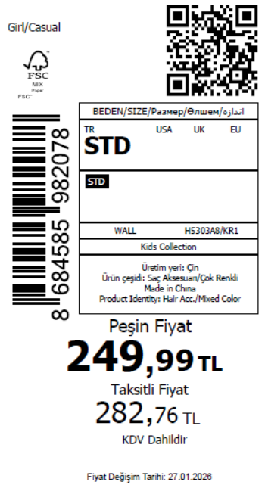 480
2026-01-29 | H5303A8 | NS | 1819644 | AZERBAIJAN | KR1 - KARMA | H5303A8DFASTD | 3 | 5 | 5 | AZERBAIJAN | 2 | 10
2026-01-29 | H5303A8 | NS | 1819643 | KOSOVO | KR1 - KARMA | H5303A8DFASTD | 3 | 5 | 5 | KOSOVO | 2 | 10
2026-01-29 | H5303A8 | NS | 1819642 | LEBANON | KR1 - KARMA | H5303A8DFASTD | 3 | 5 | 5 | LEBANON | 2 | 10
2026-01-29 | H5303A8 | NS | 1819641-无价格 | İSTANBUL DEPO | KR1 - KARMA | H5303A8ECOMASTD | 3 | 5 | 5 | ECOM | 10 | 50
 |  |  |  |  |  |  |  |  |  |  | 96 | 480

2026-01-29 | H5304A8 | NS | 1819691 | ALBANIA | YL196 - LT.YELLOW | H5304A8DFASTD | 1 | 5 | 5 | ALBANIA | 4 | 20 | 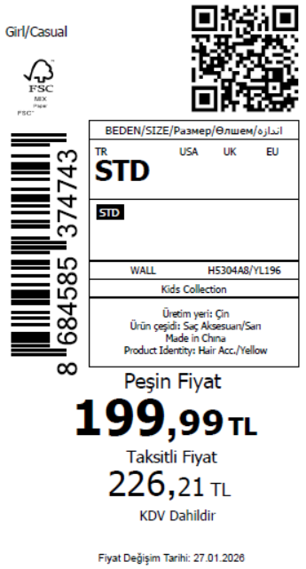 980
2026-01-29 | H5304A8 | NS | 1819687 | BOSNIA | YL196 - LT.YELLOW | H5304A8DFASTD | 1 | 5 | 5 | BOSNIA | 6 | 30
2026-01-29 | H5304A8 | NS | 1819683 | EGYPT | YL196 - LT.YELLOW | H5304A8DFASTD | 1 | 5 | 5 | EGYPT | 10 | 50
2026-01-29 | H5304A8 | NS | 1819681 | GEORGIA | YL196 - LT.YELLOW | H5304A8DFASTD | 1 | 5 | 5 | GEORGIA | 6 | 30
2026-01-29 | H5304A8 | NS | 1819679 | MACEDONIA | YL196 - LT.YELLOW | H5304A8DFASTD | 1 | 5 | 5 | MACEDONIA | 6 | 30
2026-01-29 | H5304A8 | NS | 1819676 | MONTENEGRO | YL196 - LT.YELLOW | H5304A8DFASTD | 1 | 5 | 5 | MONTENEGRO | 2 | 10
2026-01-29 | H5304A8 | NS | 1819674 | NORTH IRAQ | YL196 - LT.YELLOW | H5304A8DFASTD | 1 | 5 | 5 | NORTH IRAQ | 10 | 50
2026-01-29 | H5304A8 | NS | 1819672 | SOUTH IRAQ | YL196 - LT.YELLOW | H5304A8DFASTD | 1 | 5 | 5 | SOUTH IRAQ | 10 | 50
2026-01-29 | H5304A8 | NS | 1819670 | AZERBAIJAN | YL196 - LT.YELLOW | H5304A8DFASTD | 1 | 5 | 5 | AZERBAIJAN | 2 | 10
2026-01-29 | H5304A8 | NS | 1819669 | KOSOVO | YL196 - LT.YELLOW | H5304A8DFASTD | 1 | 5 | 5 | KOSOVO | 2 | 10
2026-01-29 | H5304A8 | NS | 1819668 | LEBANON | YL196 - LT.YELLOW | H5304A8DFASTD | 1 | 5 | 5 | LEBANON | 2 | 10
2026-01-29 | H5304A8 | NS | 1819666 | KAZAKHSTAN | YL196 - LT.YELLOW | H5304A8KZKASTD | 1 | 5 | 5 | KAZAKHSTAN | 6 | 30 |  | 无稿件
2026-01-29 | H5304A8 | NS | 1819665-无价格 | İSTANBUL DEPO | YL196 - LT.YELLOW | H5304A8ECOMASTD | 1 | 5 | 5 | ECOM | 10 | 50
2026-01-29 | H5304A8 | NS | 1819671 | DEFACTO PERAKENDE TİC.A.Ş. DEPO Organize San. Bölgesi 6.Depo Kazım Karabekir Mah. Cumhuriyet Cad. Tekirdağ/Çerkezköy Tel:0090 282 758 11 34-35 | YL196 - LT.YELLOW | H5304A8DFASTD | 1 | 5 | 5 | TURKEY | 120 | 600
 |  |  |  |  |  |  |  |  |  |  | 196 | 980

2026-01-29 | H5304A8 | NS | 1819691 | ALBANIA | GN578 - GREEN | H5304A8DFBSTD | 1 | 5 | 5 | ALBANIA | 4 | 20 | 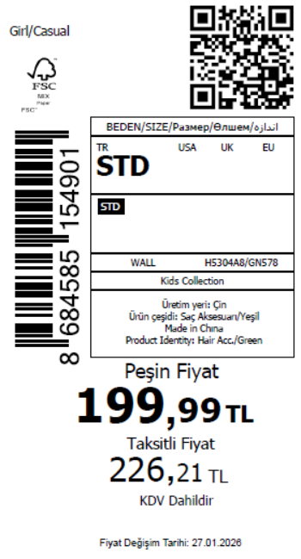 880
2026-01-29 | H5304A8 | NS | 1819687 | BOSNIA | GN578 - GREEN | H5304A8DFBSTD | 1 | 5 | 5 | BOSNIA | 6 | 30
2026-01-29 | H5304A8 | NS | 1819683 | EGYPT | GN578 - GREEN | H5304A8DFBSTD | 1 | 5 | 5 | EGYPT | 10 | 50
2026-01-29 | H5304A8 | NS | 1819681 | GEORGIA | GN578 - GREEN | H5304A8DFBSTD | 1 | 5 | 5 | GEORGIA | 6 | 30
2026-01-29 | H5304A8 | NS | 1819679 | MACEDONIA | GN578 - GREEN | H5304A8DFBSTD | 1 | 5 | 5 | MACEDONIA | 6 | 30
2026-01-29 | H5304A8 | NS | 1819676 | MONTENEGRO | GN578 - GREEN | H5304A8DFBSTD | 1 | 5 | 5 | MONTENEGRO | 2 | 10
2026-01-29 | H5304A8 | NS | 1819674 | NORTH IRAQ | GN578 - GREEN | H5304A8DFBSTD | 1 | 5 | 5 | NORTH IRAQ | 10 | 50
2026-01-29 | H5304A8 | NS | 1819672 | SOUTH IRAQ | GN578 - GREEN | H5304A8DFBSTD | 1 | 5 | 5 | SOUTH IRAQ | 10 | 50
2026-01-29 | H5304A8 | NS | 1819670 | AZERBAIJAN | GN578 - GREEN | H5304A8DFBSTD | 1 | 5 | 5 | AZERBAIJAN | 2 | 10
2026-01-29 | H5304A8 | NS | 1819669 | KOSOVO | GN578 - GREEN | H5304A8DFBSTD | 1 | 5 | 5 | KOSOVO | 2 | 10
2026-01-29 | H5304A8 | NS | 1819668 | LEBANON | GN578 - GREEN | H5304A8DFBSTD | 1 | 5 | 5 | LEBANON | 2 | 10
2026-01-29 | H5304A8 | NS | 1819666 | KAZAKHSTAN | GN578 - GREEN | H5304A8KZKBSTD | 1 | 5 | 5 | KAZAKHSTAN | 6 | 30 |  | 无稿件
2026-01-29 | H5304A8 | NS | 1819665-无价格 | İSTANBUL DEPO | GN578 - GREEN | H5304A8ECOMBSTD | 1 | 5 | 5 | ECOM | 10 | 50
2026-01-29 | H5304A8 | NS | 1819671 | DEFACTO PERAKENDE TİC.A.Ş. DEPO Organize San. Bölgesi 6.Depo Kazım Karabekir Mah. Cumhuriyet Cad. Tekirdağ/Çerkezköy Tel:0090 282 758 11 34-35 | GN578 - GREEN | H5304A8DFBSTD | 1 | 5 | 5 | TURKEY | 100 | 500
 |  |  |  |  |  |  |  |  |  |  | 176 | 880

2026-01-29 | H5308A8 | NS | 1819729 | ALBANIA | KR1 - KARMA | H5308A8DFASTD | 2 | 5 | 5 | ALBANIA | 4 | 20 | 1180
2026-01-29 | H5308A8 | NS | 1819728 | BOSNIA | KR1 - KARMA | H5308A8DFASTD | 2 | 5 | 5 | BOSNIA | 6 | 30
2026-01-29 | H5308A8 | NS | 1819727 | EGYPT | KR1 - KARMA | H5308A8DFASTD | 2 | 5 | 5 | EGYPT | 10 | 50
2026-01-29 | H5308A8 | NS | 1819726 | GEORGIA | KR1 - KARMA | H5308A8DFASTD | 2 | 5 | 5 | GEORGIA | 6 | 30
2026-01-29 | H5308A8 | NS | 1819725 | MACEDONIA | KR1 - KARMA | H5308A8DFASTD | 2 | 5 | 5 | MACEDONIA | 6 | 30
2026-01-29 | H5308A8 | NS | 1819724 | MOLDOVA | KR1 - KARMA | H5308A8DFASTD | 2 | 5 | 5 | MOLDOVA | 4 | 20
2026-01-29 | H5308A8 | NS | 1819723 | MONTENEGRO | KR1 - KARMA | H5308A8DFASTD | 2 | 5 | 5 | MONTENEGRO | 2 | 10
2026-01-29 | H5308A8 | NS | 1819722 | MOROCCO | KR1 - KARMA | H5308A8DFASTD | 2 | 5 | 5 | MOROCCO | 6 | 30
2026-01-29 | H5308A8 | NS | 1819721 | NORTH IRAQ | KR1 - KARMA | H5308A8DFASTD | 2 | 5 | 5 | NORTH IRAQ | 10 | 50
2026-01-29 | H5308A8 | NS | 1819720 | SOUTH IRAQ | KR1 - KARMA | H5308A8DFASTD | 2 | 5 | 5 | SOUTH IRAQ | 10 | 50
2026-01-29 | H5308A8 | NS | 1819718 | AZERBAIJAN | KR1 - KARMA | H5308A8DFASTD | 2 | 5 | 5 | AZERBAIJAN | 2 | 10
2026-01-29 | H5308A8 | NS | 1819717 | KOSOVO | KR1 - KARMA | H5308A8DFASTD | 2 | 5 | 5 | KOSOVO | 2 | 10
2026-01-29 | H5308A8 | NS | 1819716 | LEBANON | KR1 - KARMA | H5308A8DFASTD | 2 | 5 | 5 | LEBANON | 2 | 10
2026-01-29 | H5308A8 | NS | 1819714 | KAZAKHSTAN | KR1 - KARMA | H5308A8KZKASTD | 2 | 5 | 5 | KAZAKHSTAN | 6 | 30 |  | 无稿件
2026-01-29 | H5308A8 | NS | 1819713-无价格 | İSTANBUL DEPO | KR1 - KARMA | H5308A8ECOMASTD | 2 | 5 | 5 | ECOM | 10 | 50
2026-01-29 | H5308A8 | NS | 1819719 | DEFACTO PERAKENDE TİC.A.Ş. DEPO Organize San. Bölgesi 6.Depo Kazım Karabekir Mah. Cumhuriyet Cad. Tekirdağ/Çerkezköy Tel:0090 282 758 11 34-35 | KR1 - KARMA | H5308A8DFASTD | 2 | 5 | 5 | TURKEY | 150 | 750
 |  |  |  |  |  |  |  |  |  |  | 236 | 1180

2026-01-29 | H5309A8 | NS | 1819745 | ALBANIA | KR1 - KARMA | H5309A8DFASTD | 3 | 5 | 5 | ALBANIA | 4 | 20 | 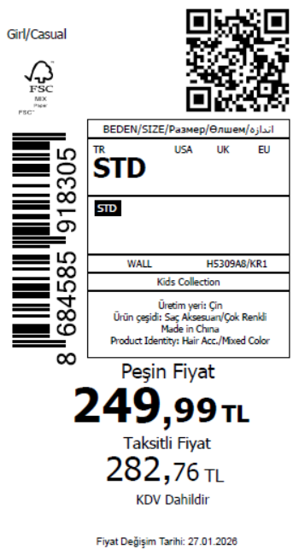 1630
2026-01-29 | H5309A8 | NS | 1819744 | BOSNIA | KR1 - KARMA | H5309A8DFASTD | 3 | 5 | 5 | BOSNIA | 6 | 30
2026-01-29 | H5309A8 | NS | 1819743 | EGYPT | KR1 - KARMA | H5309A8DFASTD | 3 | 5 | 5 | EGYPT | 10 | 50
2026-01-29 | H5309A8 | NS | 1819742 | GEORGIA | KR1 - KARMA | H5309A8DFASTD | 3 | 5 | 5 | GEORGIA | 6 | 30
2026-01-29 | H5309A8 | NS | 1819741 | MACEDONIA | KR1 - KARMA | H5309A8DFASTD | 3 | 5 | 5 | MACEDONIA | 6 | 30
2026-01-29 | H5309A8 | NS | 1819740 | MOLDOVA | KR1 - KARMA | H5309A8DFASTD | 3 | 5 | 5 | MOLDOVA | 4 | 20
2026-01-29 | H5309A8 | NS | 1819739 | MONTENEGRO | KR1 - KARMA | H5309A8DFASTD | 3 | 5 | 5 | MONTENEGRO | 2 | 10
2026-01-29 | H5309A8 | NS | 1819738 | MOROCCO | KR1 - KARMA | H5309A8DFASTD | 3 | 5 | 5 | MOROCCO | 6 | 30
2026-01-29 | H5309A8 | NS | 1819737 | NORTH IRAQ | KR1 - KARMA | H5309A8DFASTD | 3 | 5 | 5 | NORTH IRAQ | 10 | 50
2026-01-29 | H5309A8 | NS | 1819736 | SOUTH IRAQ | KR1 - KARMA | H5309A8DFASTD | 3 | 5 | 5 | SOUTH IRAQ | 10 | 50
2026-01-29 | H5309A8 | NS | 1819734 | AZERBAIJAN | KR1 - KARMA | H5309A8DFASTD | 3 | 5 | 5 | AZERBAIJAN | 2 | 10
2026-01-29 | H5309A8 | NS | 1819733 | KOSOVO | KR1 - KARMA | H5309A8DFASTD | 3 | 5 | 5 | KOSOVO | 2 | 10
2026-01-29 | H5309A8 | NS | 1819732 | LEBANON | KR1 - KARMA | H5309A8DFASTD | 3 | 5 | 5 | LEBANON | 2 | 10
2026-01-29 | H5309A8 | NS | 1819731 | KAZAKHSTAN | KR1 - KARMA | H5309A8KZKASTD | 3 | 5 | 5 | KAZAKHSTAN | 6 | 30 |  | 无稿件
2026-01-29 | H5309A8 | NS | 1819730-无价格 | İSTANBUL DEPO | KR1 - KARMA | H5309A8ECOMASTD | 3 | 5 | 5 | ECOM | 10 | 50
2026-01-29 | H5309A8 | NS | 1819735 | DEFACTO PERAKENDE TİC.A.Ş. DEPO Organize San. Bölgesi 6.Depo Kazım Karabekir Mah. Cumhuriyet Cad. Tekirdağ/Çerkezköy Tel:0090 282 758 11 34-35 | KR1 - KARMA | H5309A8DFASTD | 3 | 5 | 5 | TURKEY | 240 | 1200
 |  |  |  |  |  |  |  |  |  |  | 326 | 1630

2026-01-29 | H5310A8 | NS | 1819761 | ALBANIA | KR1 - KARMA | H5310A8DFASTD | 3 | 5 | 5 | ALBANIA | 4 | 20 | 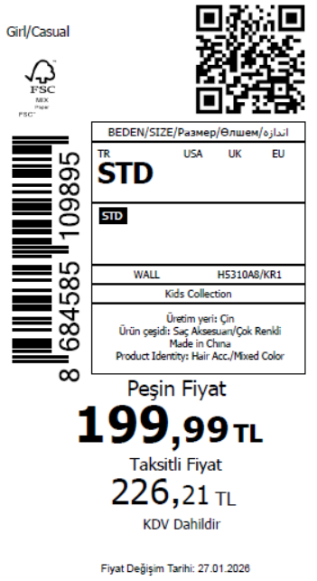 880
2026-01-29 | H5310A8 | NS | 1819760 | BOSNIA | KR1 - KARMA | H5310A8DFASTD | 3 | 5 | 5 | BOSNIA | 6 | 30
2026-01-29 | H5310A8 | NS | 1819759 | EGYPT | KR1 - KARMA | H5310A8DFASTD | 3 | 5 | 5 | EGYPT | 10 | 50
2026-01-29 | H5310A8 | NS | 1819758 | GEORGIA | KR1 - KARMA | H5310A8DFASTD | 3 | 5 | 5 | GEORGIA | 6 | 30
2026-01-29 | H5310A8 | NS | 1819757 | MACEDONIA | KR1 - KARMA | H5310A8DFASTD | 3 | 5 | 5 | MACEDONIA | 6 | 30
2026-01-29 | H5310A8 | NS | 1819756 | MONTENEGRO | KR1 - KARMA | H5310A8DFASTD | 3 | 5 | 5 | MONTENEGRO | 2 | 10
2026-01-29 | H5310A8 | NS | 1819755 | NORTH IRAQ | KR1 - KARMA | H5310A8DFASTD | 3 | 5 | 5 | NORTH IRAQ | 10 | 50
2026-01-29 | H5310A8 | NS | 1819754 | SOUTH IRAQ | KR1 - KARMA | H5310A8DFASTD | 3 | 5 | 5 | SOUTH IRAQ | 10 | 50
2026-01-29 | H5310A8 | NS | 1819752 | AZERBAIJAN | KR1 - KARMA | H5310A8DFASTD | 3 | 5 | 5 | AZERBAIJAN | 2 | 10
2026-01-29 | H5310A8 | NS | 1819751 | KOSOVO | KR1 - KARMA | H5310A8DFASTD | 3 | 5 | 5 | KOSOVO | 2 | 10
2026-01-29 | H5310A8 | NS | 1819750 | LEBANON | KR1 - KARMA | H5310A8DFASTD | 3 | 5 | 5 | LEBANON | 2 | 10
2026-01-29 | H5310A8 | NS | 1819749 | KAZAKHSTAN | KR1 - KARMA | H5310A8KZKASTD | 3 | 5 | 5 | KAZAKHSTAN | 6 | 30 |  | 无稿件
2026-01-29 | H5310A8 | NS | 1819748-无价格 | İSTANBUL DEPO | KR1 - KARMA | H5310A8ECOMASTD | 3 | 5 | 5 | ECOM | 10 | 50
2026-01-29 | H5310A8 | NS | 1819753 | DEFACTO PERAKENDE TİC.A.Ş. DEPO Organize San. Bölgesi 6.Depo Kazım Karabekir Mah. Cumhuriyet Cad. Tekirdağ/Çerkezköy Tel:0090 282 758 11 34-35 | KR1 - KARMA | H5310A8DFASTD | 3 | 5 | 5 | TURKEY | 100 | 500
 |  |  |  |  |  |  |  |  |  |  | 176 | 880

2026-01-29 | H5311A8 | NS | 1819777 | ALBANIA | KR1 - KARMA | H5311A8DFASTD | 6 | 5 | 5 | ALBANIA | 4 | 20 | 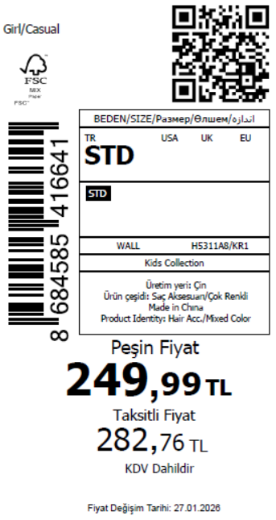 1630
2026-01-29 | H5311A8 | NS | 1819776 | BOSNIA | KR1 - KARMA | H5311A8DFASTD | 6 | 5 | 5 | BOSNIA | 6 | 30
2026-01-29 | H5311A8 | NS | 1819775 | EGYPT | KR1 - KARMA | H5311A8DFASTD | 6 | 5 | 5 | EGYPT | 10 | 50
2026-01-29 | H5311A8 | NS | 1819774 | GEORGIA | KR1 - KARMA | H5311A8DFASTD | 6 | 5 | 5 | GEORGIA | 6 | 30
2026-01-29 | H5311A8 | NS | 1819773 | MACEDONIA | KR1 - KARMA | H5311A8DFASTD | 6 | 5 | 5 | MACEDONIA | 6 | 30
2026-01-29 | H5311A8 | NS | 1819772 | MOLDOVA | KR1 - KARMA | H5311A8DFASTD | 6 | 5 | 5 | MOLDOVA | 4 | 20
2026-01-29 | H5311A8 | NS | 1819771 | MONTENEGRO | KR1 - KARMA | H5311A8DFASTD | 6 | 5 | 5 | MONTENEGRO | 2 | 10
2026-01-29 | H5311A8 | NS | 1819770 | MOROCCO | KR1 - KARMA | H5311A8DFASTD | 6 | 5 | 5 | MOROCCO | 6 | 30
2026-01-29 | H5311A8 | NS | 1819769 | NORTH IRAQ | KR1 - KARMA | H5311A8DFASTD | 6 | 5 | 5 | NORTH IRAQ | 10 | 50
2026-01-29 | H5311A8 | NS | 1819768 | SOUTH IRAQ | KR1 - KARMA | H5311A8DFASTD | 6 | 5 | 5 | SOUTH IRAQ | 10 | 50
2026-01-29 | H5311A8 | NS | 1819766 | AZERBAIJAN | KR1 - KARMA | H5311A8DFASTD | 6 | 5 | 5 | AZERBAIJAN | 2 | 10
2026-01-29 | H5311A8 | NS | 1819765 | KOSOVO | KR1 - KARMA | H5311A8DFASTD | 6 | 5 | 5 | KOSOVO | 2 | 10
2026-01-29 | H5311A8 | NS | 1819764 | LEBANON | KR1 - KARMA | H5311A8DFASTD | 6 | 5 | 5 | LEBANON | 2 | 10
2026-01-29 | H5311A8 | NS | 1819763 | KAZAKHSTAN | KR1 - KARMA | H5311A8KZKASTD | 6 | 5 | 5 | KAZAKHSTAN | 6 | 30 |  | 无稿件
2026-01-29 | H5311A8 | NS | 1819762-无价格 | İSTANBUL DEPO | KR1 - KARMA | H5311A8ECOMASTD | 6 | 5 | 5 | ECOM | 10 | 50
2026-01-29 | H5311A8 | NS | 1819767 | DEFACTO PERAKENDE TİC.A.Ş. DEPO Organize San. Bölgesi 6.Depo Kazım Karabekir Mah. Cumhuriyet Cad. Tekirdağ/Çerkezköy Tel:0090 282 758 11 34-35 | KR1 - KARMA | H5311A8DFASTD | 6 | 5 | 5 | TURKEY | 240 | 1200
 |  |  |  |  |  |  |  |  |  |  | 326 | 1630

2026-01-29 | H5312A8 | NS | 1820489 | DEFACTO PERAKENDE TİC.A.Ş. DEPO Organize San. Bölgesi 6.Depo Kazım Karabekir Mah. Cumhuriyet Cad. Tekirdağ/Çerkezköy Tel:0090 282 758 11 34-35 | KR1 - KARMA | H5312A8DF1 | 3 | 5 | 5 | TURKEY | 100 | 500 | 625
2026-01-29 | H5312A8 | NS | 1820488 | EGYPT | KR1 - KARMA | H5312A8DF1 | 3 | 5 | 5 | EGYPT | 5 | 25
2026-01-29 | H5312A8 | NS | 1820486 | NORTH IRAQ | KR1 - KARMA | H5312A8DF1 | 3 | 5 | 5 | NORTH IRAQ | 5 | 25
2026-01-29 | H5312A8 | NS | 1820485 | SOUTH IRAQ | KR1 - KARMA | H5312A8DF1 | 3 | 5 | 5 | SOUTH IRAQ | 5 | 25
2026-01-29 | H5312A8 | NS | 1820484-无价格 | İSTANBUL DEPO | KR1 - KARMA | H5312A8ECOM2 | 3 | 5 | 5 | ECOM | 10 | 50
 |  |  |  |  |  |  |  |  |  |  | 125 | 625

2026-01-29 | H5313A8 | NS | 1819808 | MONTENEGRO | RD182 - RED | H5313A8DFASTD | 1 | 5 | 5 | MONTENEGRO | 2 | 10 | 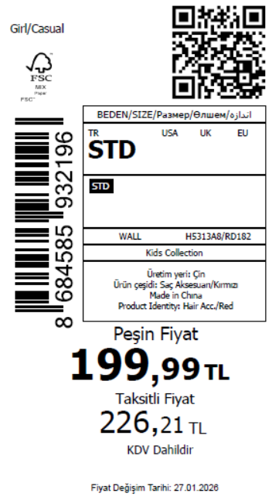 880
2026-01-29 | H5313A8 | NS | 1819806 | NORTH IRAQ | RD182 - RED | H5313A8DFASTD | 1 | 5 | 5 | NORTH IRAQ | 10 | 50
2026-01-29 | H5313A8 | NS | 1819804 | SOUTH IRAQ | RD182 - RED | H5313A8DFASTD | 1 | 5 | 5 | SOUTH IRAQ | 10 | 50
2026-01-29 | H5313A8 | NS | 1819801 | ALBANIA | RD182 - RED | H5313A8DFASTD | 1 | 5 | 5 | ALBANIA | 4 | 20
2026-01-29 | H5313A8 | NS | 1819800 | AZERBAIJAN | RD182 - RED | H5313A8DFASTD | 1 | 5 | 5 | AZERBAIJAN | 2 | 10
2026-01-29 | H5313A8 | NS | 1819797 | BOSNIA | RD182 - RED | H5313A8DFASTD | 1 | 5 | 5 | BOSNIA | 6 | 30
2026-01-29 | H5313A8 | NS | 1819795 | KOSOVO | RD182 - RED | H5313A8DFASTD | 1 | 5 | 5 | KOSOVO | 2 | 10
2026-01-29 | H5313A8 | NS | 1819794 | LEBANON | RD182 - RED | H5313A8DFASTD | 1 | 5 | 5 | LEBANON | 2 | 10
2026-01-29 | H5313A8 | NS | 1819792 | EGYPT | RD182 - RED | H5313A8DFASTD | 1 | 5 | 5 | EGYPT | 10 | 50
2026-01-29 | H5313A8 | NS | 1819790 | GEORGIA | RD182 - RED | H5313A8DFASTD | 1 | 5 | 5 | GEORGIA | 6 | 30
2026-01-29 | H5313A8 | NS | 1819788 | MACEDONIA | RD182 - RED | H5313A8DFASTD | 1 | 5 | 5 | MACEDONIA | 6 | 30
2026-01-29 | H5313A8 | NS | 1819787 | KAZAKHSTAN | RD182 - RED | H5313A8KZKASTD | 1 | 5 | 5 | KAZAKHSTAN | 6 | 30 |  | 无稿件
2026-01-29 | H5313A8 | NS | 1819785-无价格 | İSTANBUL DEPO | RD182 - RED | H5313A8ECOMASTD | 1 | 5 | 5 | ECOM | 10 | 50
2026-01-29 | H5313A8 | NS | 1819803 | DEFACTO PERAKENDE TİC.A.Ş. DEPO Organize San. Bölgesi 6.Depo Kazım Karabekir Mah. Cumhuriyet Cad. Tekirdağ/Çerkezköy Tel:0090 282 758 11 34-35 | RD182 - RED | H5313A8DFASTD | 1 | 5 | 5 | TURKEY | 100 | 500
 |  |  |  |  |  |  |  |  |  |  | 176 | 880

2026-01-29 | H5314A8 | NS | 1819837 | BOSNIA | KR1 - KARMA | H5314A8DFASTD | 2 | 5 | 5 | BOSNIA | 6 | 30 | 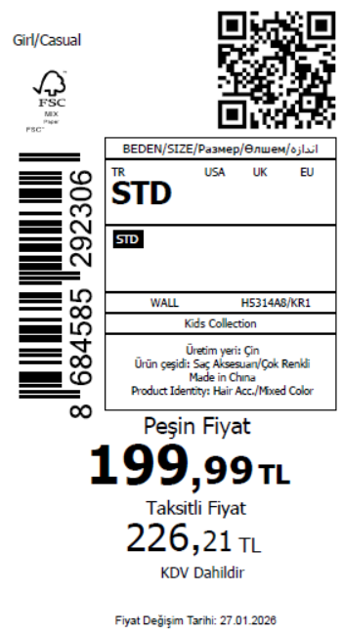 910
2026-01-29 | H5314A8 | NS | 1819835 | EGYPT | KR1 - KARMA | H5314A8DFASTD | 2 | 5 | 5 | EGYPT | 10 | 50
2026-01-29 | H5314A8 | NS | 1819830 | GEORGIA | KR1 - KARMA | H5314A8DFASTD | 2 | 5 | 5 | GEORGIA | 6 | 30
2026-01-29 | H5314A8 | NS | 1819828 | MACEDONIA | KR1 - KARMA | H5314A8DFASTD | 2 | 5 | 5 | MACEDONIA | 6 | 30
2026-01-29 | H5314A8 | NS | 1819824 | MOLDOVA | KR1 - KARMA | H5314A8DFASTD | 2 | 5 | 5 | MOLDOVA | 4 | 20
2026-01-29 | H5314A8 | NS | 1819821 | MONTENEGRO | KR1 - KARMA | H5314A8DFASTD | 2 | 5 | 5 | MONTENEGRO | 2 | 10
2026-01-29 | H5314A8 | NS | 1819819 | MOROCCO | KR1 - KARMA | H5314A8DFASTD | 2 | 5 | 5 | MOROCCO | 6 | 30
2026-01-29 | H5314A8 | NS | 1819817 | NORTH IRAQ | KR1 - KARMA | H5314A8DFASTD | 2 | 5 | 5 | NORTH IRAQ | 10 | 50
2026-01-29 | H5314A8 | NS | 1819816 | SOUTH IRAQ | KR1 - KARMA | H5314A8DFASTD | 2 | 5 | 5 | SOUTH IRAQ | 10 | 50
2026-01-29 | H5314A8 | NS | 1819814 | AZERBAIJAN | KR1 - KARMA | H5314A8DFASTD | 2 | 5 | 5 | AZERBAIJAN | 2 | 10
2026-01-29 | H5314A8 | NS | 1819813 | KOSOVO | KR1 - KARMA | H5314A8DFASTD | 2 | 5 | 5 | KOSOVO | 2 | 10
2026-01-29 | H5314A8 | NS | 1819812 | LEBANON | KR1 - KARMA | H5314A8DFASTD | 2 | 5 | 5 | LEBANON | 2 | 10
2026-01-29 | H5314A8 | NS | 1819811 | KAZAKHSTAN | KR1 - KARMA | H5314A8KZKASTD | 2 | 5 | 5 | KAZAKHSTAN | 6 | 30 |  | 无稿件
2026-01-29 | H5314A8 | NS | 1819810-无价格 | İSTANBUL DEPO | KR1 - KARMA | H5314A8ECOMASTD | 2 | 5 | 5 | ECOM | 10 | 50
2026-01-29 | H5314A8 | NS | 1819815 | DEFACTO PERAKENDE TİC.A.Ş. DEPO Organize San. Bölgesi 6.Depo Kazım Karabekir Mah. Cumhuriyet Cad. Tekirdağ/Çerkezköy Tel:0090 282 758 11 34-35 | KR1 - KARMA | H5314A8DFASTD | 2 | 5 | 5 | TURKEY | 100 | 500
 |  |  |  |  |  |  |  |  |  |  | 182 | 910

2026-01-29 | H5315A8 | NS | 1819919 | ALBANIA | PN1 - PINK | H5315A8DFASTD | 1 | 5 | 5 | ALBANIA | 8 | 40 | 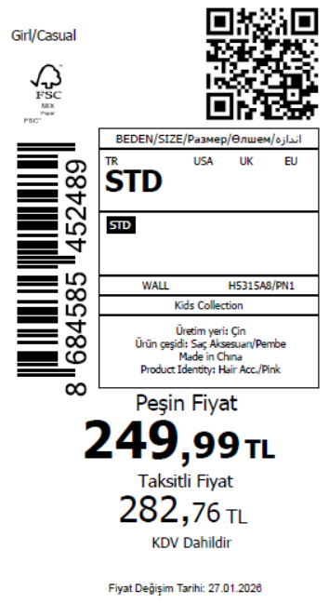 1485
2026-01-29 | H5315A8 | NS | 1819917 | BOSNIA | PN1 - PINK | H5315A8DFASTD | 1 | 5 | 5 | BOSNIA | 8 | 40
2026-01-29 | H5315A8 | NS | 1819915 | EGYPT | PN1 - PINK | H5315A8DFASTD | 1 | 5 | 5 | EGYPT | 15 | 75
2026-01-29 | H5315A8 | NS | 1819913 | GEORGIA | PN1 - PINK | H5315A8DFASTD | 1 | 5 | 5 | GEORGIA | 6 | 30
2026-01-29 | H5315A8 | NS | 1819911 | MACEDONIA | PN1 - PINK | H5315A8DFASTD | 1 | 5 | 5 | MACEDONIA | 6 | 30
2026-01-29 | H5315A8 | NS | 1819909 | MOLDOVA | PN1 - PINK | H5315A8DFASTD | 1 | 5 | 5 | MOLDOVA | 4 | 20
2026-01-29 | H5315A8 | NS | 1819908 | MONTENEGRO | PN1 - PINK | H5315A8DFASTD | 1 | 5 | 5 | MONTENEGRO | 2 | 10
2026-01-29 | H5315A8 | NS | 1819907 | MOROCCO | PN1 - PINK | H5315A8DFASTD | 1 | 5 | 5 | MOROCCO | 6 | 30
2026-01-29 | H5315A8 | NS | 1819906 | NORTH IRAQ | PN1 - PINK | H5315A8DFASTD | 1 | 5 | 5 | NORTH IRAQ | 10 | 50
2026-01-29 | H5315A8 | NS | 1819905 | SOUTH IRAQ | PN1 - PINK | H5315A8DFASTD | 1 | 5 | 5 | SOUTH IRAQ | 10 | 50
2026-01-29 | H5315A8 | NS | 1819903 | AZERBAIJAN | PN1 - PINK | H5315A8DFASTD | 1 | 5 | 5 | AZERBAIJAN | 2 | 10
2026-01-29 | H5315A8 | NS | 1819902 | KOSOVO | PN1 - PINK | H5315A8DFASTD | 1 | 5 | 5 | KOSOVO | 2 | 10
2026-01-29 | H5315A8 | NS | 1819901 | LEBANON | PN1 - PINK | H5315A8DFASTD | 1 | 5 | 5 | LEBANON | 2 | 10
2026-01-29 | H5315A8 | NS | 1819900 | KAZAKHSTAN | PN1 - PINK | H5315A8KZKASTD | 1 | 5 | 5 | KAZAKHSTAN | 6 | 30 |  | 无稿件
2026-01-29 | H5315A8 | NS | 1819898-无价格 | İSTANBUL DEPO | PN1 - PINK | H5315A8ECOMASTD | 1 | 5 | 5 | ECOM | 10 | 50
2026-01-29 | H5315A8 | NS | 1819904 | DEFACTO PERAKENDE TİC.A.Ş. DEPO Organize San. Bölgesi 6.Depo Kazım Karabekir Mah. Cumhuriyet Cad. Tekirdağ/Çerkezköy Tel:0090 282 758 11 34-35 | PN1 - PINK | H5315A8DFASTD | 1 | 5 | 5 | TURKEY | 200 | 1000
 |  |  |  |  |  |  |  |  |  |  | 297 | 1485

2026-01-29 | H5316A8 | NS | 1819945 | ALBANIA | PN1 - PINK | H5316A8DFASTD | 1 | 5 | 5 | ALBANIA | 4 | 20 | 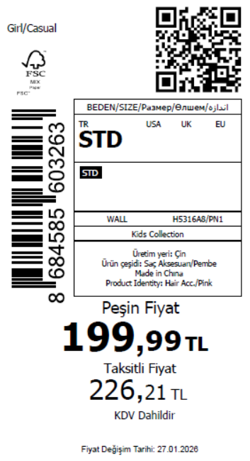 980
2026-01-29 | H5316A8 | NS | 1819943 | BOSNIA | PN1 - PINK | H5316A8DFASTD | 1 | 5 | 5 | BOSNIA | 6 | 30
2026-01-29 | H5316A8 | NS | 1819942 | EGYPT | PN1 - PINK | H5316A8DFASTD | 1 | 5 | 5 | EGYPT | 10 | 50
2026-01-29 | H5316A8 | NS | 1819940 | GEORGIA | PN1 - PINK | H5316A8DFASTD | 1 | 5 | 5 | GEORGIA | 6 | 30
2026-01-29 | H5316A8 | NS | 1819938 | MACEDONIA | PN1 - PINK | H5316A8DFASTD | 1 | 5 | 5 | MACEDONIA | 6 | 30
2026-01-29 | H5316A8 | NS | 1819936 | MONTENEGRO | PN1 - PINK | H5316A8DFASTD | 1 | 5 | 5 | MONTENEGRO | 2 | 10
2026-01-29 | H5316A8 | NS | 1819935 | NORTH IRAQ | PN1 - PINK | H5316A8DFASTD | 1 | 5 | 5 | NORTH IRAQ | 10 | 50
2026-01-29 | H5316A8 | NS | 1819933 | SOUTH IRAQ | PN1 - PINK | H5316A8DFASTD | 1 | 5 | 5 | SOUTH IRAQ | 10 | 50
2026-01-29 | H5316A8 | NS | 1819931 | AZERBAIJAN | PN1 - PINK | H5316A8DFASTD | 1 | 5 | 5 | AZERBAIJAN | 2 | 10
2026-01-29 | H5316A8 | NS | 1819929 | KOSOVO | PN1 - PINK | H5316A8DFASTD | 1 | 5 | 5 | KOSOVO | 2 | 10
2026-01-29 | H5316A8 | NS | 1819928 | LEBANON | PN1 - PINK | H5316A8DFASTD | 1 | 5 | 5 | LEBANON | 2 | 10
2026-01-29 | H5316A8 | NS | 1819926 | KAZAKHSTAN | PN1 - PINK | H5316A8KZKASTD | 1 | 5 | 5 | KAZAKHSTAN | 6 | 30 |  | 无稿件
2026-01-29 | H5316A8 | NS | 1819925-无价格 | İSTANBUL DEPO | PN1 - PINK | H5316A8ECOMASTD | 1 | 5 | 5 | ECOM | 10 | 50
2026-01-29 | H5316A8 | NS | 1819932 | DEFACTO PERAKENDE TİC.A.Ş. DEPO Organize San. Bölgesi 6.Depo Kazım Karabekir Mah. Cumhuriyet Cad. Tekirdağ/Çerkezköy Tel:0090 282 758 11 34-35 | PN1 - PINK | H5316A8DFASTD | 1 | 5 | 5 | TURKEY | 120 | 600
 |  |  |  |  |  |  |  |  |  |  | 196 | 980

2026-01-29 | H5316A8 | NS | 1819945 | ALBANIA | BE2 - BLUE | H5316A8DFBSTD | 1 | 5 | 5 | ALBANIA | 4 | 20 | 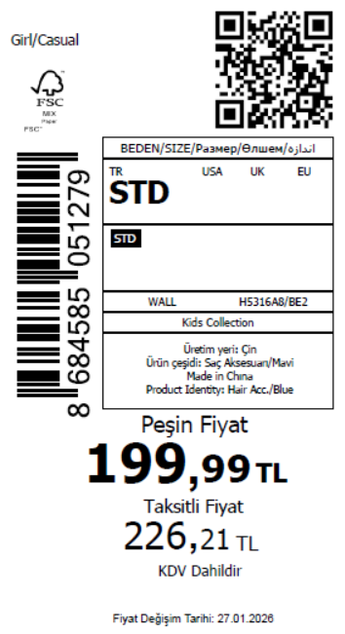 880
2026-01-29 | H5316A8 | NS | 1819943 | BOSNIA | BE2 - BLUE | H5316A8DFBSTD | 1 | 5 | 5 | BOSNIA | 6 | 30
2026-01-29 | H5316A8 | NS | 1819942 | EGYPT | BE2 - BLUE | H5316A8DFBSTD | 1 | 5 | 5 | EGYPT | 10 | 50
2026-01-29 | H5316A8 | NS | 1819940 | GEORGIA | BE2 - BLUE | H5316A8DFBSTD | 1 | 5 | 5 | GEORGIA | 6 | 30
2026-01-29 | H5316A8 | NS | 1819938 | MACEDONIA | BE2 - BLUE | H5316A8DFBSTD | 1 | 5 | 5 | MACEDONIA | 6 | 30
2026-01-29 | H5316A8 | NS | 1819936 | MONTENEGRO | BE2 - BLUE | H5316A8DFBSTD | 1 | 5 | 5 | MONTENEGRO | 2 | 10
2026-01-29 | H5316A8 | NS | 1819935 | NORTH IRAQ | BE2 - BLUE | H5316A8DFBSTD | 1 | 5 | 5 | NORTH IRAQ | 10 | 50
2026-01-29 | H5316A8 | NS | 1819933 | SOUTH IRAQ | BE2 - BLUE | H5316A8DFBSTD | 1 | 5 | 5 | SOUTH IRAQ | 10 | 50
2026-01-29 | H5316A8 | NS | 1819931 | AZERBAIJAN | BE2 - BLUE | H5316A8DFBSTD | 1 | 5 | 5 | AZERBAIJAN | 2 | 10
2026-01-29 | H5316A8 | NS | 1819929 | KOSOVO | BE2 - BLUE | H5316A8DFBSTD | 1 | 5 | 5 | KOSOVO | 2 | 10
2026-01-29 | H5316A8 | NS | 1819928 | LEBANON | BE2 - BLUE | H5316A8DFBSTD | 1 | 5 | 5 | LEBANON | 2 | 10
2026-01-29 | H5316A8 | NS | 1819926 | KAZAKHSTAN | BE2 - BLUE | H5316A8KZKBSTD | 1 | 5 | 5 | KAZAKHSTAN | 6 | 30 |  | 无稿件
2026-01-29 | H5316A8 | NS | 1819925-无价格 | İSTANBUL DEPO | BE2 - BLUE | H5316A8ECOMBSTD | 1 | 5 | 5 | ECOM | 10 | 50
2026-01-29 | H5316A8 | NS | 1819932 | DEFACTO PERAKENDE TİC.A.Ş. DEPO Organize San. Bölgesi 6.Depo Kazım Karabekir Mah. Cumhuriyet Cad. Tekirdağ/Çerkezköy Tel:0090 282 758 11 34-35 | BE2 - BLUE | H5316A8DFBSTD | 1 | 5 | 5 | TURKEY | 100 | 500
 |  |  |  |  |  |  |  |  |  |  | 176 | 880

2026-01-29 | H5318A8 | NS | 1820045 | ALBANIA | BE2 - BLUE | H5318A8DFASTD | 1 | 5 | 5 | ALBANIA | 4 | 20 | 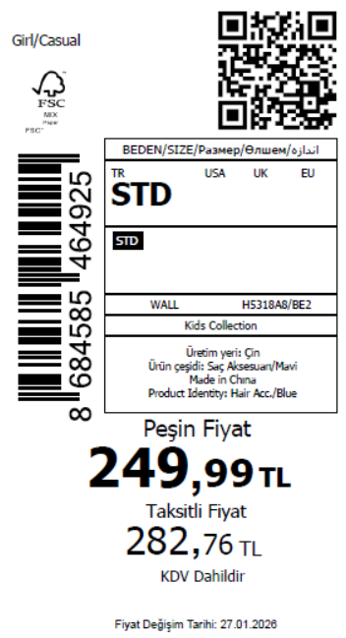 1380
2026-01-29 | H5318A8 | NS | 1820042 | BOSNIA | BE2 - BLUE | H5318A8DFASTD | 1 | 5 | 5 | BOSNIA | 6 | 30
2026-01-29 | H5318A8 | NS | 1820038 | GEORGIA | BE2 - BLUE | H5318A8DFASTD | 1 | 5 | 5 | GEORGIA | 6 | 30
2026-01-29 | H5318A8 | NS | 1820035 | MACEDONIA | BE2 - BLUE | H5318A8DFASTD | 1 | 5 | 5 | MACEDONIA | 6 | 30
2026-01-29 | H5318A8 | NS | 1820033 | MOLDOVA | BE2 - BLUE | H5318A8DFASTD | 1 | 5 | 5 | MOLDOVA | 4 | 20
2026-01-29 | H5318A8 | NS | 1820030 | MONTENEGRO | BE2 - BLUE | H5318A8DFASTD | 1 | 5 | 5 | MONTENEGRO | 2 | 10
2026-01-29 | H5318A8 | NS | 1820028 | MOROCCO | BE2 - BLUE | H5318A8DFASTD | 1 | 5 | 5 | MOROCCO | 6 | 30
2026-01-29 | H5318A8 | NS | 1820027 | NORTH IRAQ | BE2 - BLUE | H5318A8DFASTD | 1 | 5 | 5 | NORTH IRAQ | 10 | 50
2026-01-29 | H5318A8 | NS | 1820026 | SOUTH IRAQ | BE2 - BLUE | H5318A8DFASTD | 1 | 5 | 5 | SOUTH IRAQ | 10 | 50
2026-01-29 | H5318A8 | NS | 1820024 | AZERBAIJAN | BE2 - BLUE | H5318A8DFASTD | 1 | 5 | 5 | AZERBAIJAN | 2 | 10
2026-01-29 | H5318A8 | NS | 1820023 | KOSOVO | BE2 - BLUE | H5318A8DFASTD | 1 | 5 | 5 | KOSOVO | 2 | 10
2026-01-29 | H5318A8 | NS | 1820022 | LEBANON | BE2 - BLUE | H5318A8DFASTD | 1 | 5 | 5 | LEBANON | 2 | 10
2026-01-29 | H5318A8 | NS | 1820021 | KAZAKHSTAN | BE2 - BLUE | H5318A8KZKASTD | 1 | 5 | 5 | KAZAKHSTAN | 6 | 30 |  | 无稿件
2026-01-29 | H5318A8 | NS | 1820020-无价格 | İSTANBUL DEPO | BE2 - BLUE | H5318A8ECOMASTD | 1 | 5 | 5 | ECOM | 10 | 50
2026-01-29 | H5318A8 | NS | 1820025 | DEFACTO PERAKENDE TİC.A.Ş. DEPO Organize San. Bölgesi 6.Depo Kazım Karabekir Mah. Cumhuriyet Cad. Tekirdağ/Çerkezköy Tel:0090 282 758 11 34-35 | BE2 - BLUE | H5318A8DFASTD | 1 | 5 | 5 | TURKEY | 200 | 1000
 |  |  |  |  |  |  |  |  |  |  | 276 | 1380

2026-01-29 | H5319A8 | NS | 1820072 | ALBANIA | KR1 - KARMA | H5319A8DFASTD | 4 | 5 | 5 | ALBANIA | 4 | 20 | 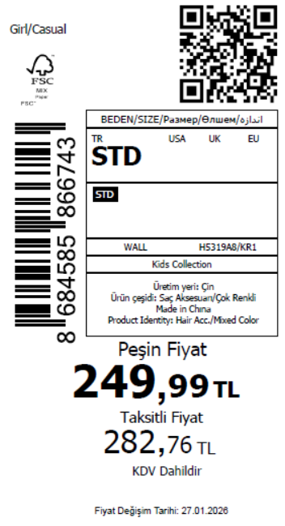 1150
2026-01-29 | H5319A8 | NS | 1820071 | BOSNIA | KR1 - KARMA | H5319A8DFASTD | 4 | 5 | 5 | BOSNIA | 6 | 30
2026-01-29 | H5319A8 | NS | 1820070 | EGYPT | KR1 - KARMA | H5319A8DFASTD | 4 | 5 | 5 | EGYPT | 10 | 50
2026-01-29 | H5319A8 | NS | 1820069 | MACEDONIA | KR1 - KARMA | H5319A8DFASTD | 4 | 5 | 5 | MACEDONIA | 6 | 30
2026-01-29 | H5319A8 | NS | 1820068 | MOLDOVA | KR1 - KARMA | H5319A8DFASTD | 4 | 5 | 5 | MOLDOVA | 4 | 20
2026-01-29 | H5319A8 | NS | 1820067 | MONTENEGRO | KR1 - KARMA | H5319A8DFASTD | 4 | 5 | 5 | MONTENEGRO | 2 | 10
2026-01-29 | H5319A8 | NS | 1820066 | MOROCCO | KR1 - KARMA | H5319A8DFASTD | 4 | 5 | 5 | MOROCCO | 6 | 30
2026-01-29 | H5319A8 | NS | 1820065 | NORTH IRAQ | KR1 - KARMA | H5319A8DFASTD | 4 | 5 | 5 | NORTH IRAQ | 10 | 50
2026-01-29 | H5319A8 | NS | 1820064 | SOUTH IRAQ | KR1 - KARMA | H5319A8DFASTD | 4 | 5 | 5 | SOUTH IRAQ | 10 | 50
2026-01-29 | H5319A8 | NS | 1820062 | AZERBAIJAN | KR1 - KARMA | H5319A8DFASTD | 4 | 5 | 5 | AZERBAIJAN | 2 | 10
2026-01-29 | H5319A8 | NS | 1820061 | KOSOVO | KR1 - KARMA | H5319A8DFASTD | 4 | 5 | 5 | KOSOVO | 2 | 10
2026-01-29 | H5319A8 | NS | 1820060 | LEBANON | KR1 - KARMA | H5319A8DFASTD | 4 | 5 | 5 | LEBANON | 2 | 10
2026-01-29 | H5319A8 | NS | 1820059 | KAZAKHSTAN | KR1 - KARMA | H5319A8KZKASTD | 4 | 5 | 5 | KAZAKHSTAN | 6 | 30 |  | 无稿件
2026-01-29 | H5319A8 | NS | 1820058-无价格 | İSTANBUL DEPO | KR1 - KARMA | H5319A8ECOMASTD | 4 | 5 | 5 | ECOM | 10 | 50
2026-01-29 | H5319A8 | NS | 1820063 | DEFACTO PERAKENDE TİC.A.Ş. DEPO Organize San. Bölgesi 6.Depo Kazım Karabekir Mah. Cumhuriyet Cad. Tekirdağ/Çerkezköy Tel:0090 282 758 11 34-35 | KR1 - KARMA | H5319A8DFASTD | 4 | 5 | 5 | TURKEY | 150 | 750
 |  |  |  |  |  |  |  |  |  |  | 230 | 1150

2026-01-29 | H5322A8 | NS | 1820086 | ALBANIA | KR1 - KARMA | H5322A8DFASTD | 3 | 5 | 5 | ALBANIA | 4 | 20 | 1100
2026-01-29 | H5322A8 | NS | 1820085 | BOSNIA | KR1 - KARMA | H5322A8DFASTD | 3 | 5 | 5 | BOSNIA | 6 | 30
2026-01-29 | H5322A8 | NS | 1820084 | GEORGIA | KR1 - KARMA | H5322A8DFASTD | 3 | 5 | 5 | GEORGIA | 6 | 30
2026-01-29 | H5322A8 | NS | 1820083 | MOLDOVA | KR1 - KARMA | H5322A8DFASTD | 3 | 5 | 5 | MOLDOVA | 4 | 20
2026-01-29 | H5322A8 | NS | 1820082 | MONTENEGRO | KR1 - KARMA | H5322A8DFASTD | 3 | 5 | 5 | MONTENEGRO | 2 | 10
2026-01-29 | H5322A8 | NS | 1820081 | MOROCCO | KR1 - KARMA | H5322A8DFASTD | 3 | 5 | 5 | MOROCCO | 6 | 30
2026-01-29 | H5322A8 | NS | 1820080 | NORTH IRAQ | KR1 - KARMA | H5322A8DFASTD | 3 | 5 | 5 | NORTH IRAQ | 10 | 50
2026-01-29 | H5322A8 | NS | 1820079 | SOUTH IRAQ | KR1 - KARMA | H5322A8DFASTD | 3 | 5 | 5 | SOUTH IRAQ | 10 | 50
2026-01-29 | H5322A8 | NS | 1820077 | AZERBAIJAN | KR1 - KARMA | H5322A8DFASTD | 3 | 5 | 5 | AZERBAIJAN | 2 | 10
2026-01-29 | H5322A8 | NS | 1820076 | KOSOVO | KR1 - KARMA | H5322A8DFASTD | 3 | 5 | 5 | KOSOVO | 2 | 10
2026-01-29 | H5322A8 | NS | 1820075 | LEBANON | KR1 - KARMA | H5322A8DFASTD | 3 | 5 | 5 | LEBANON | 2 | 10
2026-01-29 | H5322A8 | NS | 1820074 | KAZAKHSTAN | KR1 - KARMA | H5322A8KZKASTD | 3 | 5 | 5 | KAZAKHSTAN | 6 | 30 |  | 无稿件
2026-01-29 | H5322A8 | NS | 1820073-无价格 | İSTANBUL DEPO | KR1 - KARMA | H5322A8ECOMASTD | 3 | 5 | 5 | ECOM | 10 | 50
2026-01-29 | H5322A8 | NS | 1820078 | DEFACTO PERAKENDE TİC.A.Ş. DEPO Organize San. Bölgesi 6.Depo Kazım Karabekir Mah. Cumhuriyet Cad. Tekirdağ/Çerkezköy Tel:0090 282 758 11 34-35 | KR1 - KARMA | H5322A8DFASTD | 3 | 5 | 5 | TURKEY | 150 | 750
 |  |  |  |  |  |  |  |  |  |  | 220 | 1100

2026-01-29 | H5323A8 | NS | 1820101 | ALBANIA | KR1 - KARMA | H5323A8DFASTD | 3 | 5 | 5 | ALBANIA | 4 | 20 | 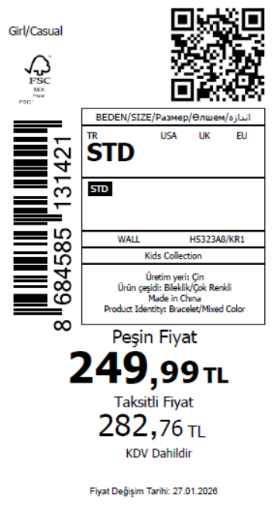 1150
2026-01-29 | H5323A8 | NS | 1820100 | BOSNIA | KR1 - KARMA | H5323A8DFASTD | 3 | 5 | 5 | BOSNIA | 6 | 30
2026-01-29 | H5323A8 | NS | 1820099 | EGYPT | KR1 - KARMA | H5323A8DFASTD | 3 | 5 | 5 | EGYPT | 10 | 50
2026-01-29 | H5323A8 | NS | 1820098 | GEORGIA | KR1 - KARMA | H5323A8DFASTD | 3 | 5 | 5 | GEORGIA | 6 | 30
2026-01-29 | H5323A8 | NS | 1820097 | MACEDONIA | KR1 - KARMA | H5323A8DFASTD | 3 | 5 | 5 | MACEDONIA | 6 | 30
2026-01-29 | H5323A8 | NS | 1820096 | MOLDOVA | KR1 - KARMA | H5323A8DFASTD | 3 | 5 | 5 | MOLDOVA | 4 | 20
2026-01-29 | H5323A8 | NS | 1820095 | MONTENEGRO | KR1 - KARMA | H5323A8DFASTD | 3 | 5 | 5 | MONTENEGRO | 2 | 10
2026-01-29 | H5323A8 | NS | 1820094 | MOROCCO | KR1 - KARMA | H5323A8DFASTD | 3 | 5 | 5 | MOROCCO | 6 | 30
2026-01-29 | H5323A8 | NS | 1820093 | NORTH IRAQ | KR1 - KARMA | H5323A8DFASTD | 3 | 5 | 5 | NORTH IRAQ | 10 | 50
2026-01-29 | H5323A8 | NS | 1820092 | SOUTH IRAQ | KR1 - KARMA | H5323A8DFASTD | 3 | 5 | 5 | SOUTH IRAQ | 10 | 50
2026-01-29 | H5323A8 | NS | 1820090 | AZERBAIJAN | KR1 - KARMA | H5323A8DFASTD | 3 | 5 | 5 | AZERBAIJAN | 2 | 10
2026-01-29 | H5323A8 | NS | 1820089 | KOSOVO | KR1 - KARMA | H5323A8DFASTD | 3 | 5 | 5 | KOSOVO | 2 | 10
2026-01-29 | H5323A8 | NS | 1820088 | LEBANON | KR1 - KARMA | H5323A8DFASTD | 3 | 5 | 5 | LEBANON | 2 | 10
2026-01-29 | H5323A8 | NS | 1820087-无价格 | İSTANBUL DEPO | KR1 - KARMA | H5323A8ECOMASTD | 3 | 5 | 5 | ECOM | 10 | 50
2026-01-29 | H5323A8 | NS | 1820091 | DEFACTO PERAKENDE TİC.A.Ş. DEPO Organize San. Bölgesi 6.Depo Kazım Karabekir Mah. Cumhuriyet Cad. Tekirdağ/Çerkezköy Tel:0090 282 758 11 34-35 | KR1 - KARMA | H5323A8DFASTD | 3 | 5 | 5 | TURKEY | 150 | 750
 |  |  |  |  |  |  |  |  |  |  | 230 | 1150

2026-01-29 | H5325A8 | NS | 1820115 | ALBANIA | KR1 - KARMA | H5325A8DFASTD | 2 | 5 | 5 | ALBANIA | 4 | 20 | 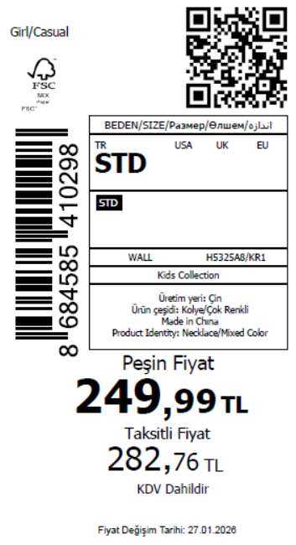 880
2026-01-29 | H5325A8 | NS | 1820114 | BOSNIA | KR1 - KARMA | H5325A8DFASTD | 2 | 5 | 5 | BOSNIA | 6 | 30
2026-01-29 | H5325A8 | NS | 1820113 | EGYPT | KR1 - KARMA | H5325A8DFASTD | 2 | 5 | 5 | EGYPT | 10 | 50
2026-01-29 | H5325A8 | NS | 1820112 | GEORGIA | KR1 - KARMA | H5325A8DFASTD | 2 | 5 | 5 | GEORGIA | 6 | 30
2026-01-29 | H5325A8 | NS | 1820111 | MACEDONIA | KR1 - KARMA | H5325A8DFASTD | 2 | 5 | 5 | MACEDONIA | 6 | 30
2026-01-29 | H5325A8 | NS | 1820110 | MONTENEGRO | KR1 - KARMA | H5325A8DFASTD | 2 | 5 | 5 | MONTENEGRO | 2 | 10
2026-01-29 | H5325A8 | NS | 1820109 | NORTH IRAQ | KR1 - KARMA | H5325A8DFASTD | 2 | 5 | 5 | NORTH IRAQ | 10 | 50
2026-01-29 | H5325A8 | NS | 1820108 | SOUTH IRAQ | KR1 - KARMA | H5325A8DFASTD | 2 | 5 | 5 | SOUTH IRAQ | 10 | 50
2026-01-29 | H5325A8 | NS | 1820106 | AZERBAIJAN | KR1 - KARMA | H5325A8DFASTD | 2 | 5 | 5 | AZERBAIJAN | 2 | 10
2026-01-29 | H5325A8 | NS | 1820105 | KOSOVO | KR1 - KARMA | H5325A8DFASTD | 2 | 5 | 5 | KOSOVO | 2 | 10
2026-01-29 | H5325A8 | NS | 1820104 | LEBANON | KR1 - KARMA | H5325A8DFASTD | 2 | 5 | 5 | LEBANON | 2 | 10
2026-01-29 | H5325A8 | NS | 1820103 | KAZAKHSTAN | KR1 - KARMA | H5325A8KZKASTD | 2 | 5 | 5 | KAZAKHSTAN | 6 | 30 |  | 无稿件
2026-01-29 | H5325A8 | NS | 1820102-无价格 | İSTANBUL DEPO | KR1 - KARMA | H5325A8ECOMASTD | 2 | 5 | 5 | ECOM | 10 | 50
2026-01-29 | H5325A8 | NS | 1820107 | DEFACTO PERAKENDE TİC.A.Ş. DEPO Organize San. Bölgesi 6.Depo Kazım Karabekir Mah. Cumhuriyet Cad. Tekirdağ/Çerkezköy Tel:0090 282 758 11 34-35 | KR1 - KARMA | H5325A8DFASTD | 2 | 5 | 5 | TURKEY | 100 | 500
 |  |  |  |  |  |  |  |  |  |  | 176 | 880

2026-01-29 | H5326A8 | NS | 1820129 | ALBANIA | KR1 - KARMA | H5326A8DFASTD | 2 | 5 | 5 | ALBANIA | 4 | 20 | 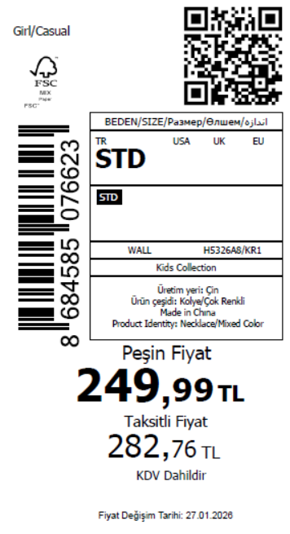 880
2026-01-29 | H5326A8 | NS | 1820128 | BOSNIA | KR1 - KARMA | H5326A8DFASTD | 2 | 5 | 5 | BOSNIA | 6 | 30
2026-01-29 | H5326A8 | NS | 1820127 | EGYPT | KR1 - KARMA | H5326A8DFASTD | 2 | 5 | 5 | EGYPT | 10 | 50
2026-01-29 | H5326A8 | NS | 1820126 | GEORGIA | KR1 - KARMA | H5326A8DFASTD | 2 | 5 | 5 | GEORGIA | 6 | 30
2026-01-29 | H5326A8 | NS | 1820125 | MACEDONIA | KR1 - KARMA | H5326A8DFASTD | 2 | 5 | 5 | MACEDONIA | 6 | 30
2026-01-29 | H5326A8 | NS | 1820124 | MONTENEGRO | KR1 - KARMA | H5326A8DFASTD | 2 | 5 | 5 | MONTENEGRO | 2 | 10
2026-01-29 | H5326A8 | NS | 1820123 | NORTH IRAQ | KR1 - KARMA | H5326A8DFASTD | 2 | 5 | 5 | NORTH IRAQ | 10 | 50
2026-01-29 | H5326A8 | NS | 1820122 | SOUTH IRAQ | KR1 - KARMA | H5326A8DFASTD | 2 | 5 | 5 | SOUTH IRAQ | 10 | 50
2026-01-29 | H5326A8 | NS | 1820120 | AZERBAIJAN | KR1 - KARMA | H5326A8DFASTD | 2 | 5 | 5 | AZERBAIJAN | 2 | 10
2026-01-29 | H5326A8 | NS | 1820119 | KOSOVO | KR1 - KARMA | H5326A8DFASTD | 2 | 5 | 5 | KOSOVO | 2 | 10
2026-01-29 | H5326A8 | NS | 1820118 | LEBANON | KR1 - KARMA | H5326A8DFASTD | 2 | 5 | 5 | LEBANON | 2 | 10
2026-01-29 | H5326A8 | NS | 1820117 | KAZAKHSTAN | KR1 - KARMA | H5326A8KZKASTD | 2 | 5 | 5 | KAZAKHSTAN | 6 | 30 |  | 无稿件
2026-01-29 | H5326A8 | NS | 1820116-无价格 | İSTANBUL DEPO | KR1 - KARMA | H5326A8ECOMASTD | 2 | 5 | 5 | ECOM | 10 | 50
2026-01-29 | H5326A8 | NS | 1820121 | DEFACTO PERAKENDE TİC.A.Ş. DEPO Organize San. Bölgesi 6.Depo Kazım Karabekir Mah. Cumhuriyet Cad. Tekirdağ/Çerkezköy Tel:0090 282 758 11 34-35 | KR1 - KARMA | H5326A8DFASTD | 2 | 5 | 5 | TURKEY | 100 | 500
 |  |  |  |  |  |  |  |  |  |  | 176 | 880

2026-01-29 | H5327A8 | NS | 1820261 | ALBANIA | KR1 - KARMA | H5327A8DFASTD | 1 | 5 | 5 | ALBANIA | 4 | 20 | 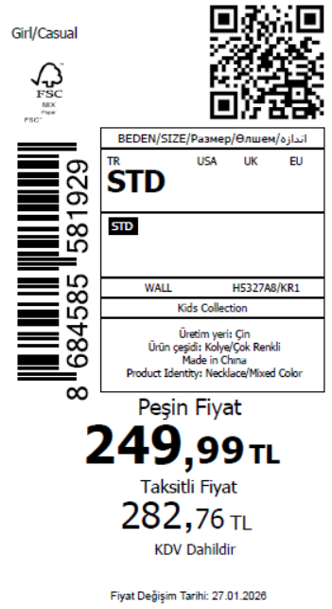 1120
2026-01-29 | H5327A8 | NS | 1820260 | BOSNIA | KR1 - KARMA | H5327A8DFASTD | 1 | 5 | 5 | BOSNIA | 6 | 30
2026-01-29 | H5327A8 | NS | 1820259 | EGYPT | KR1 - KARMA | H5327A8DFASTD | 1 | 5 | 5 | EGYPT | 10 | 50
2026-01-29 | H5327A8 | NS | 1820138 | MACEDONIA | KR1 - KARMA | H5327A8DFASTD | 1 | 5 | 5 | MACEDONIA | 6 | 30
2026-01-29 | H5327A8 | NS | 1820137 | MOROCCO | KR1 - KARMA | H5327A8DFASTD | 1 | 5 | 5 | MOROCCO | 6 | 30
2026-01-29 | H5327A8 | NS | 1820136 | NORTH IRAQ | KR1 - KARMA | H5327A8DFASTD | 1 | 5 | 5 | NORTH IRAQ | 10 | 50
2026-01-29 | H5327A8 | NS | 1820135 | SOUTH IRAQ | KR1 - KARMA | H5327A8DFASTD | 1 | 5 | 5 | SOUTH IRAQ | 10 | 50
2026-01-29 | H5327A8 | NS | 1820134 | AZERBAIJAN | KR1 - KARMA | H5327A8DFASTD | 1 | 5 | 5 | AZERBAIJAN | 2 | 10
2026-01-29 | H5327A8 | NS | 1820133 | KOSOVO | KR1 - KARMA | H5327A8DFASTD | 1 | 5 | 5 | KOSOVO | 2 | 10
2026-01-29 | H5327A8 | NS | 1820132 | LEBANON | KR1 - KARMA | H5327A8DFASTD | 1 | 5 | 5 | LEBANON | 2 | 10
2026-01-29 | H5327A8 | NS | 1820131 | KAZAKHSTAN | KR1 - KARMA | H5327A8KZKASTD | 1 | 5 | 5 | KAZAKHSTAN | 6 | 30 |  | 无稿件
2026-01-29 | H5327A8 | NS | 1820130-无价格 | İSTANBUL DEPO | KR1 - KARMA | H5327A8ECOMASTD | 1 | 5 | 5 | ECOM | 10 | 50
2026-01-29 | H5327A8 | NS | 1820258 | DEFACTO PERAKENDE TİC.A.Ş. DEPO Organize San. Bölgesi 6.Depo Kazım Karabekir Mah. Cumhuriyet Cad. Tekirdağ/Çerkezköy Tel:0090 282 758 11 34-35 | KR1 - KARMA | H5327A8DFASTD | 1 | 5 | 5 | TURKEY | 150 | 750
 |  |  |  |  |  |  |  |  |  |  | 224 | 1120

2026-01-29 | H5328A8 | NS | 1820294 | MACEDONIA | KR1 - KARMA | H5328A8DFASTD | 3 | 5 | 5 | MACEDONIA | 6 | 30 | 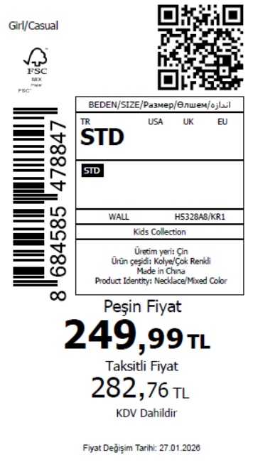 1430
2026-01-29 | H5328A8 | NS | 1820291 | MOLDOVA | KR1 - KARMA | H5328A8DFASTD | 3 | 5 | 5 | MOLDOVA | 4 | 20
2026-01-29 | H5328A8 | NS | 1820287 | MOROCCO | KR1 - KARMA | H5328A8DFASTD | 3 | 5 | 5 | MOROCCO | 6 | 30
2026-01-29 | H5328A8 | NS | 1820284 | SOUTH IRAQ | KR1 - KARMA | H5328A8DFASTD | 3 | 5 | 5 | SOUTH IRAQ | 10 | 50
2026-01-29 | H5328A8 | NS | 1820278 | ALBANIA | KR1 - KARMA | H5328A8DFASTD | 3 | 5 | 5 | ALBANIA | 4 | 20
2026-01-29 | H5328A8 | NS | 1820275 | BOSNIA | KR1 - KARMA | H5328A8DFASTD | 3 | 5 | 5 | BOSNIA | 6 | 30
2026-01-29 | H5328A8 | NS | 1820272 | EGYPT | KR1 - KARMA | H5328A8DFASTD | 3 | 5 | 5 | EGYPT | 10 | 50
2026-01-29 | H5328A8 | NS | 1820270 | GEORGIA | KR1 - KARMA | H5328A8DFASTD | 3 | 5 | 5 | GEORGIA | 6 | 30
2026-01-29 | H5328A8 | NS | 1820268 | AZERBAIJAN | KR1 - KARMA | H5328A8DFASTD | 3 | 5 | 5 | AZERBAIJAN | 8 | 40
2026-01-29 | H5328A8 | NS | 1820266 | KOSOVO | KR1 - KARMA | H5328A8DFASTD | 3 | 5 | 5 | KOSOVO | 8 | 40
2026-01-29 | H5328A8 | NS | 1820264 | LEBANON | KR1 - KARMA | H5328A8DFASTD | 3 | 5 | 5 | LEBANON | 8 | 40
2026-01-29 | H5328A8 | NS | 1820263-无价格 | İSTANBUL DEPO | KR1 - KARMA | H5328A8ECOMASTD | 3 | 5 | 5 | ECOM | 10 | 50
2026-01-29 | H5328A8 | NS | 1820281 | DEFACTO PERAKENDE TİC.A.Ş. DEPO Organize San. Bölgesi 6.Depo Kazım Karabekir Mah. Cumhuriyet Cad. Tekirdağ/Çerkezköy Tel:0090 282 758 11 34-35 | KR1 - KARMA | H5328A8DFASTD | 3 | 5 | 5 | TURKEY | 200 | 1000
 |  |  |  |  |  |  |  |  |  |  | 286 | 1430

2026-01-29 | H5324A8 | NS | 1820369 | ALBANIA | KR1 - KARMA | H5324A8DFASTD | 3 | 5 | 5 | ALBANIA | 4 | 20 | 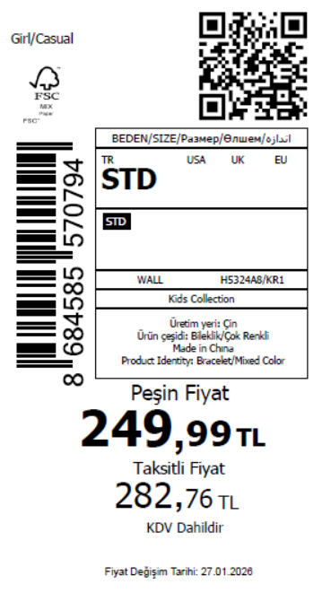 1350
2026-01-29 | H5324A8 | NS | 1820368 | BOSNIA | KR1 - KARMA | H5324A8DFASTD | 3 | 5 | 5 | BOSNIA | 6 | 30
2026-01-29 | H5324A8 | NS | 1820367 | GEORGIA | KR1 - KARMA | H5324A8DFASTD | 3 | 5 | 5 | GEORGIA | 6 | 30
2026-01-29 | H5324A8 | NS | 1820366 | MOLDOVA | KR1 - KARMA | H5324A8DFASTD | 3 | 5 | 5 | MOLDOVA | 4 | 20
2026-01-29 | H5324A8 | NS | 1820365 | MONTENEGRO | KR1 - KARMA | H5324A8DFASTD | 3 | 5 | 5 | MONTENEGRO | 2 | 10
2026-01-29 | H5324A8 | NS | 1820364 | MOROCCO | KR1 - KARMA | H5324A8DFASTD | 3 | 5 | 5 | MOROCCO | 6 | 30
2026-01-29 | H5324A8 | NS | 1820363 | NORTH IRAQ | KR1 - KARMA | H5324A8DFASTD | 3 | 5 | 5 | NORTH IRAQ | 10 | 50
2026-01-29 | H5324A8 | NS | 1820362 | SOUTH IRAQ | KR1 - KARMA | H5324A8DFASTD | 3 | 5 | 5 | SOUTH IRAQ | 10 | 50
2026-01-29 | H5324A8 | NS | 1820360 | AZERBAIJAN | KR1 - KARMA | H5324A8DFASTD | 3 | 5 | 5 | AZERBAIJAN | 2 | 10
2026-01-29 | H5324A8 | NS | 1820359 | KOSOVO | KR1 - KARMA | H5324A8DFASTD | 3 | 5 | 5 | KOSOVO | 2 | 10
2026-01-29 | H5324A8 | NS | 1820358 | LEBANON | KR1 - KARMA | H5324A8DFASTD | 3 | 5 | 5 | LEBANON | 2 | 10
2026-01-29 | H5324A8 | NS | 1820357 | KAZAKHSTAN | KR1 - KARMA | H5324A8KZKASTD | 3 | 5 | 5 | KAZAKHSTAN | 6 | 30 |  | 无稿件
2026-01-29 | H5324A8 | NS | 1820356-无价格 | İSTANBUL DEPO | KR1 - KARMA | H5324A8ECOMASTD | 3 | 5 | 5 | ECOM | 10 | 50
2026-01-29 | H5324A8 | NS | 1820361 | DEFACTO PERAKENDE TİC.A.Ş. DEPO Organize San. Bölgesi 6.Depo Kazım Karabekir Mah. Cumhuriyet Cad. Tekirdağ/Çerkezköy Tel:0090 282 758 11 34-35 | KR1 - KARMA | H5324A8DFASTD | 3 | 5 | 5 | TURKEY | 200 | 1000
 |  |  |  |  |  |  |  |  |  |  | 270 | 1350

2026-01-29 | H5329A8 | NS | 1820478 | ALBANIA | KR1 - KARMA | H5329A8DFASTD | 2 | 5 | 5 | ALBANIA | 4 | 20 | 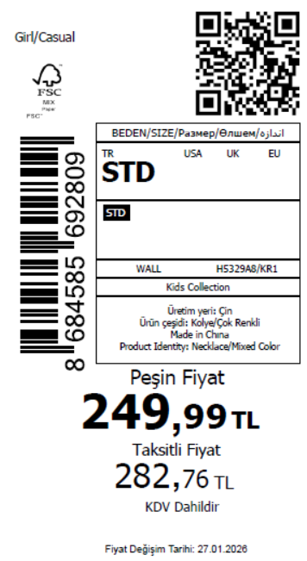 1370
2026-01-29 | H5329A8 | NS | 1820475 | BOSNIA | KR1 - KARMA | H5329A8DFASTD | 2 | 5 | 5 | BOSNIA | 6 | 30
2026-01-29 | H5329A8 | NS | 1820472 | EGYPT | KR1 - KARMA | H5329A8DFASTD | 2 | 5 | 5 | EGYPT | 10 | 50
2026-01-29 | H5329A8 | NS | 1820470 | GEORGIA | KR1 - KARMA | H5329A8DFASTD | 2 | 5 | 5 | GEORGIA | 6 | 30
2026-01-29 | H5329A8 | NS | 1820466 | MACEDONIA | KR1 - KARMA | H5329A8DFASTD | 2 | 5 | 5 | MACEDONIA | 6 | 30
2026-01-29 | H5329A8 | NS | 1820464 | MOLDOVA | KR1 - KARMA | H5329A8DFASTD | 2 | 5 | 5 | MOLDOVA | 4 | 20
2026-01-29 | H5329A8 | NS | 1820461 | MOROCCO | KR1 - KARMA | H5329A8DFASTD | 2 | 5 | 5 | MOROCCO | 6 | 30
2026-01-29 | H5329A8 | NS | 1820459 | SOUTH IRAQ | KR1 - KARMA | H5329A8DFASTD | 2 | 5 | 5 | SOUTH IRAQ | 10 | 50
2026-01-29 | H5329A8 | NS | 1820456 | AZERBAIJAN | KR1 - KARMA | H5329A8DFASTD | 2 | 5 | 5 | AZERBAIJAN | 2 | 10
2026-01-29 | H5329A8 | NS | 1820454 | KOSOVO | KR1 - KARMA | H5329A8DFASTD | 2 | 5 | 5 | KOSOVO | 2 | 10
2026-01-29 | H5329A8 | NS | 1820452 | LEBANON | KR1 - KARMA | H5329A8DFASTD | 2 | 5 | 5 | LEBANON | 2 | 10
2026-01-29 | H5329A8 | NS | 1820451 | KAZAKHSTAN | KR1 - KARMA | H5329A8KZKASTD | 2 | 5 | 5 | KAZAKHSTAN | 6 | 30 |  | 无稿件
2026-01-29 | H5329A8 | NS | 1820449-无价格 | İSTANBUL DEPO | KR1 - KARMA | H5329A8ECOMASTD | 2 | 5 | 5 | ECOM | 10 | 50
2026-01-29 | H5329A8 | NS | 1820458 | DEFACTO PERAKENDE TİC.A.Ş. DEPO Organize San. Bölgesi 6.Depo Kazım Karabekir Mah. Cumhuriyet Cad. Tekirdağ/Çerkezköy Tel:0090 282 758 11 34-35 | KR1 - KARMA | H5329A8DFASTD | 2 | 5 | 5 | TURKEY | 200 | 1000
 |  |  |  |  |  |  |  |  |  |  | 274 | 1370

2026-01-29 | H5330A8 | NS | 1820441 | ALBANIA | KR1 - KARMA | H5330A8DFASTD | 3 | 5 | 5 | ALBANIA | 4 | 20 | 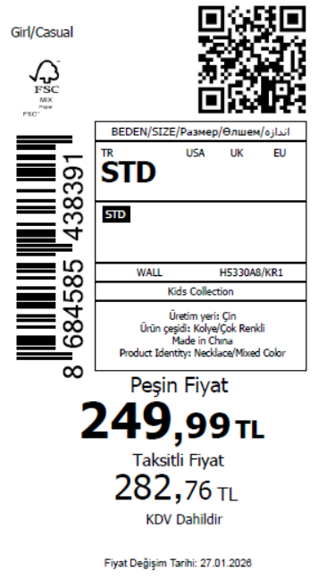 1380
2026-01-29 | H5330A8 | NS | 1820440 | BOSNIA | KR1 - KARMA | H5330A8DFASTD | 3 | 5 | 5 | BOSNIA | 6 | 30
2026-01-29 | H5330A8 | NS | 1820439 | GEORGIA | KR1 - KARMA | H5330A8DFASTD | 3 | 5 | 5 | GEORGIA | 6 | 30
2026-01-29 | H5330A8 | NS | 1820438 | MACEDONIA | KR1 - KARMA | H5330A8DFASTD | 3 | 5 | 5 | MACEDONIA | 6 | 30
2026-01-29 | H5330A8 | NS | 1820437 | MOLDOVA | KR1 - KARMA | H5330A8DFASTD | 3 | 5 | 5 | MOLDOVA | 4 | 20
2026-01-29 | H5330A8 | NS | 1820436 | MONTENEGRO | KR1 - KARMA | H5330A8DFASTD | 3 | 5 | 5 | MONTENEGRO | 2 | 10
2026-01-29 | H5330A8 | NS | 1820435 | MOROCCO | KR1 - KARMA | H5330A8DFASTD | 3 | 5 | 5 | MOROCCO | 6 | 30
2026-01-29 | H5330A8 | NS | 1820434 | NORTH IRAQ | KR1 - KARMA | H5330A8DFASTD | 3 | 5 | 5 | NORTH IRAQ | 10 | 50
2026-01-29 | H5330A8 | NS | 1820433 | SOUTH IRAQ | KR1 - KARMA | H5330A8DFASTD | 3 | 5 | 5 | SOUTH IRAQ | 10 | 50
2026-01-29 | H5330A8 | NS | 1820431 | AZERBAIJAN | KR1 - KARMA | H5330A8DFASTD | 3 | 5 | 5 | AZERBAIJAN | 2 | 10
2026-01-29 | H5330A8 | NS | 1820430 | KOSOVO | KR1 - KARMA | H5330A8DFASTD | 3 | 5 | 5 | KOSOVO | 2 | 10
2026-01-29 | H5330A8 | NS | 1820429 | LEBANON | KR1 - KARMA | H5330A8DFASTD | 3 | 5 | 5 | LEBANON | 2 | 10
2026-01-29 | H5330A8 | NS | 1820427 | KAZAKHSTAN | KR1 - KARMA | H5330A8KZKASTD | 3 | 5 | 5 | KAZAKHSTAN | 6 | 30 |  | 无稿件
2026-01-29 | H5330A8 | NS | 1820426-无价格 | İSTANBUL DEPO | KR1 - KARMA | H5330A8ECOMASTD | 3 | 5 | 5 | ECOM | 10 | 50
2026-01-29 | H5330A8 | NS | 1820432 | DEFACTO PERAKENDE TİC.A.Ş. DEPO Organize San. Bölgesi 6.Depo Kazım Karabekir Mah. Cumhuriyet Cad. Tekirdağ/Çerkezköy Tel:0090 282 758 11 34-35 | KR1 - KARMA | H5330A8DFASTD | 3 | 5 | 5 | TURKEY | 200 | 1000
 |  |  |  |  |  |  |  |  |  |  | 276 | 1380

2026-01-29 | H5331A8 | NS | 1820514 | DEFACTO PERAKENDE TİC.A.Ş. DEPO Organize San. Bölgesi 6.Depo Kazım Karabekir Mah. Cumhuriyet Cad. Tekirdağ/Çerkezköy Tel:0090 282 758 11 34-35 | KR1 - KARMA | H5331A8DF1 | 5 | 5 | 5 | TURKEY | 150 | 750 | 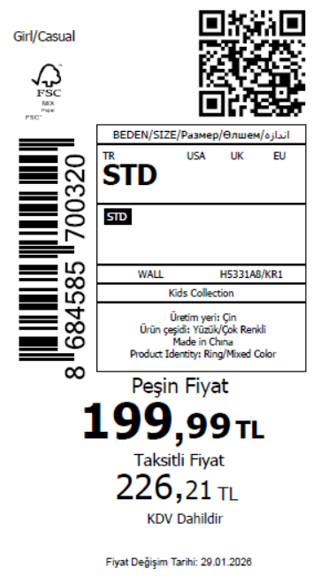 1100
2026-01-29 | H5331A8 | NS | 1820513 | EGYPT | KR1 - KARMA | H5331A8DF1 | 5 | 5 | 5 | EGYPT | 10 | 50
2026-01-29 | H5331A8 | NS | 1820512 | NORTH IRAQ | KR1 - KARMA | H5331A8DF1 | 5 | 5 | 5 | NORTH IRAQ | 10 | 50
2026-01-29 | H5331A8 | NS | 1820511 | SOUTH IRAQ | KR1 - KARMA | H5331A8DF1 | 5 | 5 | 5 | SOUTH IRAQ | 10 | 50
2026-01-29 | H5331A8 | NS | 1820510 | MACEDONIA | KR1 - KARMA | H5331A8DF1 | 5 | 5 | 5 | MACEDONIA | 4 | 20
2026-01-29 | H5331A8 | NS | 1820509 | BOSNIA | KR1 - KARMA | H5331A8DF1 | 5 | 5 | 5 | BOSNIA | 4 | 20
2026-01-29 | H5331A8 | NS | 1820508 | ALBANIA | KR1 - KARMA | H5331A8DF1 | 5 | 5 | 5 | ALBANIA | 2 | 10
2026-01-29 | H5331A8 | NS | 1820507 | MONTENEGRO | KR1 - KARMA | H5331A8DF1 | 5 | 5 | 5 | MONTENEGRO | 2 | 10
2026-01-29 | H5331A8 | NS | 1820506 | AZERBAIJAN | KR1 - KARMA | H5331A8DF1 | 5 | 5 | 5 | AZERBAIJAN | 6 | 30
2026-01-29 | H5331A8 | NS | 1820505 | KOSOVO | KR1 - KARMA | H5331A8DF1 | 5 | 5 | 5 | KOSOVO | 6 | 30
2026-01-29 | H5331A8 | NS | 1820504 | LEBANON | KR1 - KARMA | H5331A8DF1 | 5 | 5 | 5 | LEBANON | 6 | 30
2026-01-29 | H5331A8 | NS | 1820503-无价格 | İSTANBUL DEPO | KR1 - KARMA | H5331A8ECOM2 | 5 | 5 | 5 | ECOM | 10 | 50
 |  |  |  |  |  |  |  |  |  |  | 220 | 1100

2026-01-29 | H5332A8 | NS | 1820350 | BOSNIA | KR1 - KARMA | H5332A8DFASTD | 5 | 5 | 5 | BOSNIA | 6 | 30 | 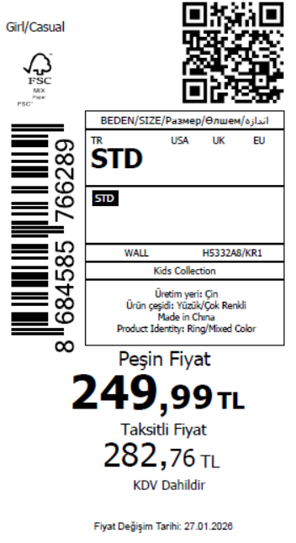 1130
2026-01-29 | H5332A8 | NS | 1820348 | EGYPT | KR1 - KARMA | H5332A8DFASTD | 5 | 5 | 5 | EGYPT | 10 | 50
2026-01-29 | H5332A8 | NS | 1820346 | GEORGIA | KR1 - KARMA | H5332A8DFASTD | 5 | 5 | 5 | GEORGIA | 6 | 30
2026-01-29 | H5332A8 | NS | 1820344 | MACEDONIA | KR1 - KARMA | H5332A8DFASTD | 5 | 5 | 5 | MACEDONIA | 6 | 30
2026-01-29 | H5332A8 | NS | 1820342 | MOLDOVA | KR1 - KARMA | H5332A8DFASTD | 5 | 5 | 5 | MOLDOVA | 4 | 20
2026-01-29 | H5332A8 | NS | 1820341 | MONTENEGRO | KR1 - KARMA | H5332A8DFASTD | 5 | 5 | 5 | MONTENEGRO | 2 | 10
2026-01-29 | H5332A8 | NS | 1820338 | SOUTH IRAQ | KR1 - KARMA | H5332A8DFASTD | 5 | 5 | 5 | SOUTH IRAQ | 10 | 50
2026-01-29 | H5332A8 | NS | 1820336 | MOROCCO | KR1 - KARMA | H5332A8DFASTD | 5 | 5 | 5 | MOROCCO | 6 | 30
2026-01-29 | H5332A8 | NS | 1820333 | KOSOVO | KR1 - KARMA | H5332A8DFASTD | 5 | 5 | 5 | KOSOVO | 2 | 10
2026-01-29 | H5332A8 | NS | 1820331 | LEBANON | KR1 - KARMA | H5332A8DFASTD | 5 | 5 | 5 | LEBANON | 2 | 10
2026-01-29 | H5332A8 | NS | 1820329 | AZERBAIJAN | KR1 - KARMA | H5332A8DFASTD | 5 | 5 | 5 | AZERBAIJAN | 6 | 30
2026-01-29 | H5332A8 | NS | 1820327 | KAZAKHSTAN | KR1 - KARMA | H5332A8KZKASTD | 5 | 5 | 5 | KAZAKHSTAN | 6 | 30 |  | 无稿件
2026-01-29 | H5332A8 | NS | 1820324-无价格 | İSTANBUL DEPO | KR1 - KARMA | H5332A8ECOMASTD | 5 | 5 | 5 | ECOM | 10 | 50
2026-01-29 | H5332A8 | NS | 1820335 | DEFACTO PERAKENDE TİC.A.Ş. DEPO Organize San. Bölgesi 6.Depo Kazım Karabekir Mah. Cumhuriyet Cad. Tekirdağ/Çerkezköy Tel:0090 282 758 11 34-35 | KR1 - KARMA | H5332A8DFASTD | 5 | 5 | 5 | TURKEY | 150 | 750
 |  |  |  |  |  |  |  |  |  |  | 226 | 1130

2026-01-29 | H5307A8 | NS | 1825356 | DEFACTO PERAKENDE TİC.A.Ş. DEPO Organize San. Bölgesi 6.Depo Kazım Karabekir Mah. Cumhuriyet Cad. Tekirdağ/Çerkezköy Tel:0090 282 758 11 34-35 | KR1 - KARMA | H5307A8DFASTD | 1 | 5 | 5 | TURKEY | 150 | 750 | 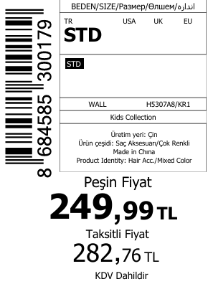 1180
2026-01-29 | H5307A8 | NS | 1820561 | KAZAKHSTAN | KR1 - KARMA | H5307A8KZKASTD | 1 | 5 | 5 | KAZAKHSTAN | 6 | 30 |  | 无稿件
2026-01-29 | H5307A8 | NS | 1820573 | EGYPT | KR1 - KARMA | H5307A8DFASTD | 1 | 5 | 5 | EGYPT | 10 | 50
2026-01-29 | H5307A8 | NS | 1820572 | GEORGIA | KR1 - KARMA | H5307A8DFASTD | 1 | 5 | 5 | GEORGIA | 6 | 30
2026-01-29 | H5307A8 | NS | 1820564 | AZERBAIJAN | KR1 - KARMA | H5307A8DFASTD | 1 | 5 | 5 | AZERBAIJAN | 2 | 10
2026-01-29 | H5307A8 | NS | 1820567 | NORTH IRAQ | KR1 - KARMA | H5307A8DFASTD | 1 | 5 | 5 | NORTH IRAQ | 10 | 50
2026-01-29 | H5307A8 | NS | 1820568 | MOROCCO | KR1 - KARMA | H5307A8DFASTD | 1 | 5 | 5 | MOROCCO | 6 | 30
2026-01-29 | H5307A8 | NS | 1820563 | KOSOVO | KR1 - KARMA | H5307A8DFASTD | 1 | 5 | 5 | KOSOVO | 2 | 10
2026-01-29 | H5307A8 | NS | 1820574 | BOSNIA | KR1 - KARMA | H5307A8DFASTD | 1 | 5 | 5 | BOSNIA | 6 | 30
2026-01-29 | H5307A8 | NS | 1820571 | MACEDONIA | KR1 - KARMA | H5307A8DFASTD | 1 | 5 | 5 | MACEDONIA | 6 | 30
2026-01-29 | H5307A8 | NS | 1820562 | LEBANON | KR1 - KARMA | H5307A8DFASTD | 1 | 5 | 5 | LEBANON | 2 | 10
2026-01-29 | H5307A8 | NS | 1820575 | ALBANIA | KR1 - KARMA | H5307A8DFASTD | 1 | 5 | 5 | ALBANIA | 4 | 20
2026-01-29 | H5307A8 | NS | 1820570 | MOLDOVA | KR1 - KARMA | H5307A8DFASTD | 1 | 5 | 5 | MOLDOVA | 4 | 20
2026-01-29 | H5307A8 | NS | 1820566 | SOUTH IRAQ | KR1 - KARMA | H5307A8DFASTD | 1 | 5 | 5 | SOUTH IRAQ | 10 | 50
2026-01-29 | H5307A8 | NS | 1820569 | MONTENEGRO | KR1 - KARMA | H5307A8DFASTD | 1 | 5 | 5 | MONTENEGRO | 2 | 10
2026-01-29 | H5307A8 | NS | 1825355-无价格 | İSTANBUL DEPO | KR1 - KARMA | H5307A8ECOMASTD | 1 | 5 | 5 | ECOM | 10 | 50
 |  |  |  |  |  |  |  |  |  |  | 236 | 1180

