3.31 REPEAT
订单日期 | Image | Style Code | Season | Order Number | Ship To | ColorCode-Name | Prepack Code | Set Content | STD | Qty. In A Blister | Delivery Country | lot贴纸 | Total Open Quantity
2026-02-17 | 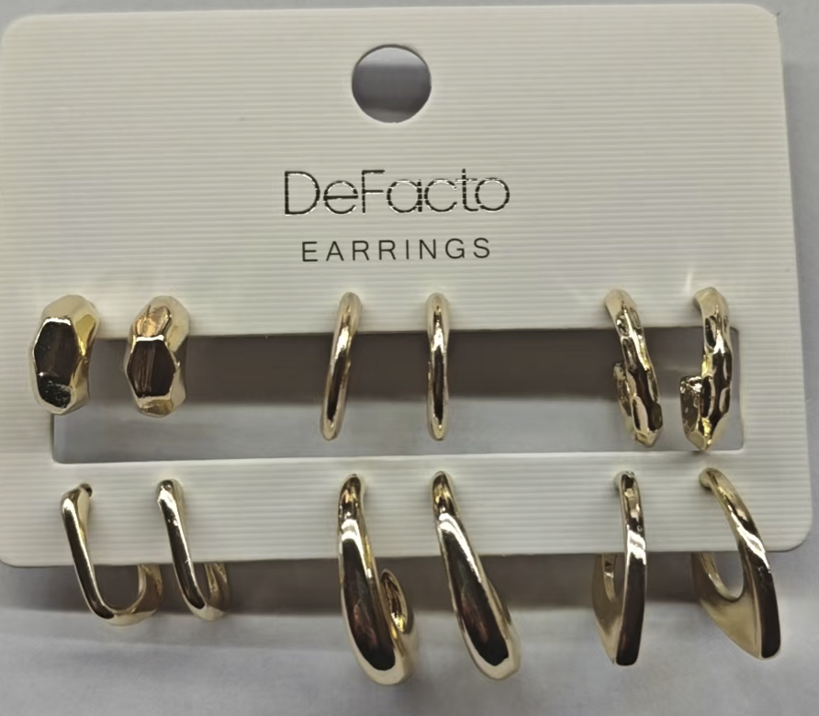 | H1748AX | NS | 1844242 | DEFACTO PERAKENDE TİC.A.Ş. DEPO Organize San. Bölgesi 6.Depo Kazım Karabekir Mah. Cumhuriyet Cad. Tekirdağ/Çerkezköy Tel:0090 282 758 11 34-35 | GD1 - GOLD | H1748AXDFASTD | 6 | 5 | 5 | TURKEY | 180 | 900 | 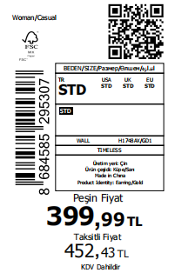 1000
2026-02-17 |  | H1748AX | NS | 1844241-无价格 | İSTANBUL DEPO | GD1 - GOLD | H1748AXECOMASTD | 6 | 5 | 5 | ECOM | 20 | 100
 |  |  |  |  |  |  |  |  |  |  |  | 200 | 1000

2026-02-17 | 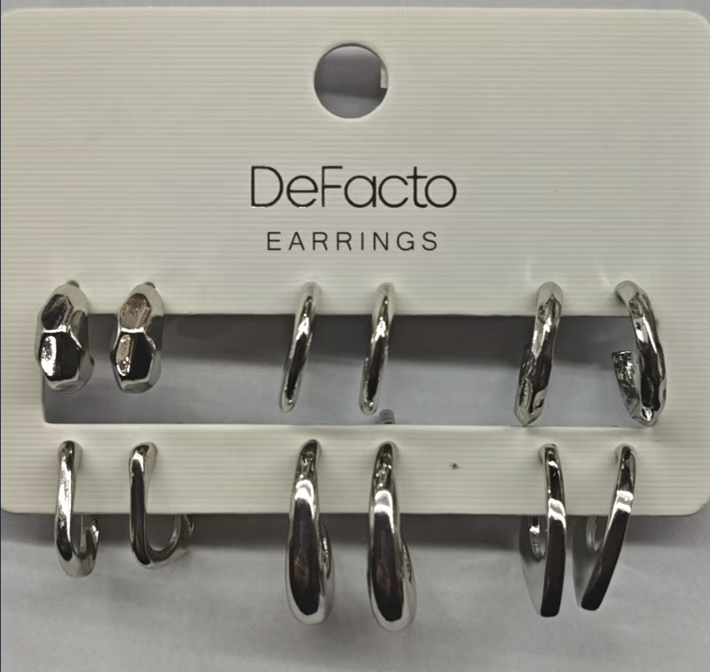 | H1748AX | NS | 1844242 | DEFACTO PERAKENDE TİC.A.Ş. DEPO Organize San. Bölgesi 6.Depo Kazım Karabekir Mah. Cumhuriyet Cad. Tekirdağ/Çerkezköy Tel:0090 282 758 11 34-35 | SR4 - SILVER | H1748AXDFBSTD | 6 | 5 | 5 | TURKEY | 180 | 900 | 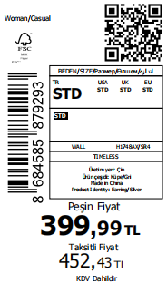 1000
2026-02-17 |  | H1748AX | NS | 1844241-无价格 | İSTANBUL DEPO | SR4 - SILVER | H1748AXECOMBSTD | 6 | 5 | 5 | ECOM | 20 | 100
 |  |  |  |  |  |  |  |  |  |  |  | 200 | 1000

 |  |  |  |  |  |  |  |  |  |  |  | 800 | 4000

