特殊价格牌 2.25
辅料采购单 DEFACTO ORDER FORM
服装款号 | 辅料编号 | 插入图片 | 辅料描述 | 用途 |  |  |  |  |  |  | 总计 | 备注
 |  |  |  |  |  | XS | S | M | L | XL
H0891AX | Price sticker | 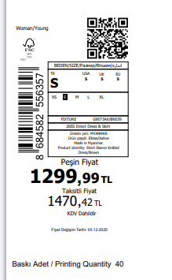 | 哈萨克斯坦-KAZAKHSTAN-1763682 | 价格牌 | LT.PINK | 25 | 48 | 48 | 48 | 25 | 194
H0891AX | Price sticker |  | TOPTAN5-1763681 | 价格牌 | LT.PINK | 18 | 35 | 35 | 35 | 18 | 141
H0891AX | Price sticker |  | TOPTAN7-1763679 | 价格牌 | LT.PINK | 26 | 48 | 48 | 48 | 26 | 196

 |  |  |  |  |  |  |  |  |  | 普通 | 390
 |  |  |  |  |  |  |  |  |  | 空白 | 141

