洗唛
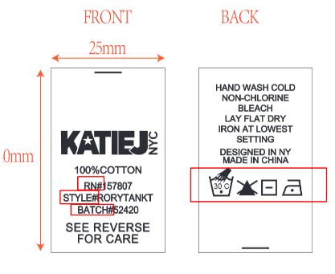
成分 | 100%POLYESTER
RN# | 157807
洗语 | TURN GARMENT INSIDE OUT BEFORE WASHING MACHINE WASH COLD WITH LIKE COLORS DO NOT BLEACH TUMBLE DRY LOW
符号

BATCH# | Style# | 订单件数 | 洗唛数量/个
52905 | PARKERCROPCAMIT | 72 | 80
52905 | PARKERHOODT | 72 | 80
52905 | PARKERRXLSHT | 72 | 80
52905 | PARKERWIDEPT | 72 | 80
52906 | PARKERCROPCAMIT | 72 | 80
52906 | PARKERHOODT | 72 | 80
52906 | PARKERRXLSHT | 72 | 80
52906 | PARKERWIDEPT | 72 | 80
52907 | PARKERCROPCAMIT | 108 | 120
52907 | PARKERHOODT | 108 | 120
52907 | PARKERRXLSHT | 108 | 120
52907 | PARKERWIDEPT | 108 | 120
52908 | PARKERCROPCAMIT | 216 | 230
52908 | PARKERHOODT | 360 | 370
52908 | PARKERRXLSHT | 360 | 370
52908 | PARKERWIDEPT | 360 | 370
 |  | 2304 | 2460
以下图稿已确认：
