4.10
订单日期 | Style Code | Season | Order Number | Ship To | ColorCode-Name | Prepack Code | Set Content | STD | Qty. In A Blister | Delivery Country | LOT贴纸 | Total Open Quantity
2026-02-17 | H6600AX | NS | 1841190 | DEFACTO PERAKENDE TİC.A.Ş. DEPO Organize San. Bölgesi 6.Depo Kazım Karabekir Mah. Cumhuriyet Cad. Tekirdağ/Çerkezköy Tel:0090 282 758 11 34-35 | GD1 - GOLD | H6600AXDFASTD | 3 | 5 | 5 | TURKEY | 520 | 2600 | 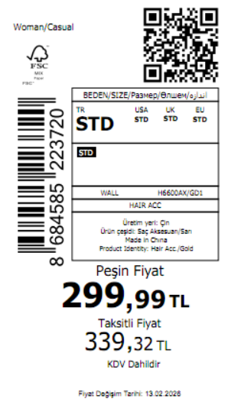 3705
2026-02-17 | H6600AX | NS | 1841183 | KAZAKHSTAN | GD1 - GOLD | H6600AXKZKASTD | 3 | 5 | 5 | KAZAKHSTAN | 15 | 75 |  | 无稿件
2026-02-17 | H6600AX | NS | 1841234 | EGYPT | GD1 - GOLD | H6600AXDFASTD | 3 | 5 | 5 | EGYPT | 20 | 100
2026-02-17 | H6600AX | NS | 1841229 | GEORGIA | GD1 - GOLD | H6600AXDFASTD | 3 | 5 | 5 | GEORGIA | 10 | 50
2026-02-17 | H6600AX | NS | 1841188 | AZERBAIJAN | GD1 - GOLD | H6600AXDFASTD | 3 | 5 | 5 | AZERBAIJAN | 3 | 15
2026-02-17 | H6600AX | NS | 1841207 | NORTH IRAQ | GD1 - GOLD | H6600AXDFASTD | 3 | 5 | 5 | NORTH IRAQ | 20 | 100
2026-02-17 | H6600AX | NS | 1841184 | SAUDI ARABIA | GD1 - GOLD | H6600AXDFASTD | 3 | 5 | 5 | SAUDI ARABIA | 3 | 15
2026-02-17 | H6600AX | NS | 1841211 | MOROCCO | GD1 - GOLD | H6600AXDFASTD | 3 | 5 | 5 | MOROCCO | 20 | 100
2026-02-17 | H6600AX | NS | 1841186 | KOSOVO | GD1 - GOLD | H6600AXDFASTD | 3 | 5 | 5 | KOSOVO | 3 | 15
2026-02-17 | H6600AX | NS | 1841245 | BOSNIA | GD1 - GOLD | H6600AXDFASTD | 3 | 5 | 5 | BOSNIA | 6 | 30
2026-02-17 | H6600AX | NS | 1841223 | MACEDONIA | GD1 - GOLD | H6600AXDFASTD | 3 | 5 | 5 | MACEDONIA | 6 | 30
2026-02-17 | H6600AX | NS | 1841192 | UZBEKISTAN | GD1 - GOLD | H6600AXDFASTD | 3 | 5 | 5 | UZBEKISTAN | 8 | 40
2026-02-17 | H6600AX | NS | 1841194 | UKRAINE | GD1 - GOLD | H6600AXDFASTD | 3 | 5 | 5 | UKRAINE | 15 | 75
2026-02-17 | H6600AX | NS | 1841202 | SERBIA | GD1 - GOLD | H6600AXDFASTD | 3 | 5 | 5 | SERBIA | 4 | 20
2026-02-17 | H6600AX | NS | 1841251 | ALBANIA | GD1 - GOLD | H6600AXDFASTD | 3 | 5 | 5 | ALBANIA | 6 | 30
2026-02-17 | H6600AX | NS | 1841216 | MOLDOVA | GD1 - GOLD | H6600AXDFASTD | 3 | 5 | 5 | MOLDOVA | 10 | 50
2026-02-17 | H6600AX | NS | 1841197 | SOUTH IRAQ | GD1 - GOLD | H6600AXDFASTD | 3 | 5 | 5 | SOUTH IRAQ | 20 | 100
2026-02-17 | H6600AX | NS | 1841179-无价格 | İSTANBUL DEPO | GD1 - GOLD | H6600AXECOMASTD | 3 | 5 | 5 | ECOM | 20 | 100
2026-02-17 | H6600AX | NS | 1841209 | MONTENEGRO | GD1 - GOLD | H6600AXDFASTD | 3 | 5 | 5 | MONTENEGRO | 2 | 10
2026-02-17 | H6600AX | NS | 1841182 | TOPTAN-5 | GD1 - GOLD | H6600AXTOP5ASTD | 3 | 5 | 5 | TOPTAN-5 | 10 | 50 |  | 无稿件
2026-02-17 | H6600AX | NS | 1841181 | TOPTAN-7 | GD1 - GOLD | H6600AXTOP7ASTD | 3 | 5 | 5 | TOPTAN-7 | 20 | 100 |  | 无稿件
 |  |  |  |  |  |  |  |  |  |  | 741 | 3705

2026-02-17 | H6610AX | NS | 1841213 | DEFACTO PERAKENDE TİC.A.Ş. DEPO Organize San. Bölgesi 6.Depo Kazım Karabekir Mah. Cumhuriyet Cad. Tekirdağ/Çerkezköy Tel:0090 282 758 11 34-35 | GD1 - GOLD | H6610AXDFASTD | 6 | 5 | 5 | TURKEY | 600 | 3000 | 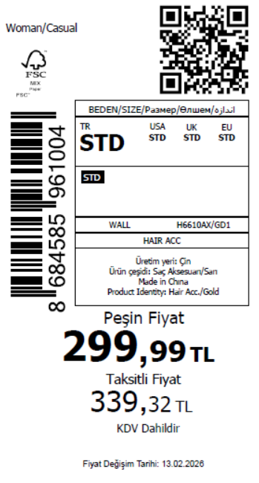 4105
2026-02-17 | H6610AX | NS | 1841199 | KAZAKHSTAN | GD1 - GOLD | H6610AXKZKASTD | 6 | 5 | 5 | KAZAKHSTAN | 15 | 75 |  | 无稿件
2026-02-17 | H6610AX | NS | 1841274 | EGYPT | GD1 - GOLD | H6610AXDFASTD | 6 | 5 | 5 | EGYPT | 20 | 100
2026-02-17 | H6610AX | NS | 1841267 | GEORGIA | GD1 - GOLD | H6610AXDFASTD | 6 | 5 | 5 | GEORGIA | 10 | 50
2026-02-17 | H6610AX | NS | 1841210 | AZERBAIJAN | GD1 - GOLD | H6610AXDFASTD | 6 | 5 | 5 | AZERBAIJAN | 3 | 15
2026-02-17 | H6610AX | NS | 1841237 | NORTH IRAQ | GD1 - GOLD | H6610AXDFASTD | 6 | 5 | 5 | NORTH IRAQ | 20 | 100
2026-02-17 | H6610AX | NS | 1841204 | SAUDI ARABIA | GD1 - GOLD | H6610AXDFASTD | 6 | 5 | 5 | SAUDI ARABIA | 3 | 15
2026-02-17 | H6610AX | NS | 1841246 | MOROCCO | GD1 - GOLD | H6610AXDFASTD | 6 | 5 | 5 | MOROCCO | 20 | 100
2026-02-17 | H6610AX | NS | 1841208 | KOSOVO | GD1 - GOLD | H6610AXDFASTD | 6 | 5 | 5 | KOSOVO | 3 | 15
2026-02-17 | H6610AX | NS | 1841278 | BOSNIA | GD1 - GOLD | H6610AXDFASTD | 6 | 5 | 5 | BOSNIA | 6 | 30
2026-02-17 | H6610AX | NS | 1841261 | MACEDONIA | GD1 - GOLD | H6610AXDFASTD | 6 | 5 | 5 | MACEDONIA | 6 | 30
2026-02-17 | H6610AX | NS | 1841215 | UZBEKISTAN | GD1 - GOLD | H6610AXDFASTD | 6 | 5 | 5 | UZBEKISTAN | 8 | 40
2026-02-17 | H6610AX | NS | 1841221 | UKRAINE | GD1 - GOLD | H6610AXDFASTD | 6 | 5 | 5 | UKRAINE | 15 | 75
2026-02-17 | H6610AX | NS | 1841232 | SERBIA | GD1 - GOLD | H6610AXDFASTD | 6 | 5 | 5 | SERBIA | 4 | 20
2026-02-17 | H6610AX | NS | 1841285 | ALBANIA | GD1 - GOLD | H6610AXDFASTD | 6 | 5 | 5 | ALBANIA | 6 | 30
2026-02-17 | H6610AX | NS | 1841254 | MOLDOVA | GD1 - GOLD | H6610AXDFASTD | 6 | 5 | 5 | MOLDOVA | 10 | 50
2026-02-17 | H6610AX | NS | 1841227 | SOUTH IRAQ | GD1 - GOLD | H6610AXDFASTD | 6 | 5 | 5 | SOUTH IRAQ | 20 | 100
2026-02-17 | H6610AX | NS | 1841189-无价格 | İSTANBUL DEPO | GD1 - GOLD | H6610AXECOMASTD | 6 | 5 | 5 | ECOM | 20 | 100
2026-02-17 | H6610AX | NS | 1841240 | MONTENEGRO | GD1 - GOLD | H6610AXDFASTD | 6 | 5 | 5 | MONTENEGRO | 2 | 10
2026-02-17 | H6610AX | NS | 1841195 | TOPTAN-5 | GD1 - GOLD | H6610AXTOP5ASTD | 6 | 5 | 5 | TOPTAN-5 | 10 | 50 |  | 无稿件
2026-02-17 | H6610AX | NS | 1841193 | TOPTAN-7 | GD1 - GOLD | H6610AXTOP7ASTD | 6 | 5 | 5 | TOPTAN-7 | 20 | 100 |  | 无稿件
 |  |  |  |  |  |  |  |  |  |  | 821 | 4105

2026-02-17 | H6611AX | NS | 1841367 | DEFACTO PERAKENDE TİC.A.Ş. DEPO Organize San. Bölgesi 6.Depo Kazım Karabekir Mah. Cumhuriyet Cad. Tekirdağ/Çerkezköy Tel:0090 282 758 11 34-35 | KR1 - KARMA | H6611AXDFASTD | 3 | 5 | 5 | TURKEY | 500 | 2500 | 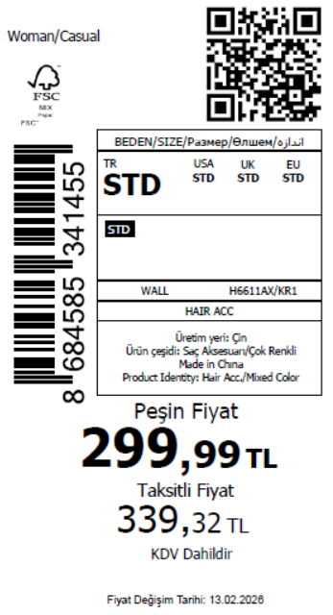 3605
2026-02-17 | H6611AX | NS | 1841353 | KAZAKHSTAN | KR1 - KARMA | H6611AXKZKASTD | 3 | 5 | 5 | KAZAKHSTAN | 15 | 75 |  | 无稿件
2026-02-17 | H6611AX | NS | 1841405 | EGYPT | KR1 - KARMA | H6611AXDFASTD | 3 | 5 | 5 | EGYPT | 20 | 100
2026-02-17 | H6611AX | NS | 1841402 | GEORGIA | KR1 - KARMA | H6611AXDFASTD | 3 | 5 | 5 | GEORGIA | 10 | 50
2026-02-17 | H6611AX | NS | 1841364 | AZERBAIJAN | KR1 - KARMA | H6611AXDFASTD | 3 | 5 | 5 | AZERBAIJAN | 3 | 15
2026-02-17 | H6611AX | NS | 1841386 | NORTH IRAQ | KR1 - KARMA | H6611AXDFASTD | 3 | 5 | 5 | NORTH IRAQ | 20 | 100
2026-02-17 | H6611AX | NS | 1841357 | SAUDI ARABIA | KR1 - KARMA | H6611AXDFASTD | 3 | 5 | 5 | SAUDI ARABIA | 3 | 15
2026-02-17 | H6611AX | NS | 1841391 | MOROCCO | KR1 - KARMA | H6611AXDFASTD | 3 | 5 | 5 | MOROCCO | 20 | 100
2026-02-17 | H6611AX | NS | 1841361 | KOSOVO | KR1 - KARMA | H6611AXDFASTD | 3 | 5 | 5 | KOSOVO | 3 | 15
2026-02-17 | H6611AX | NS | 1841412 | BOSNIA | KR1 - KARMA | H6611AXDFASTD | 3 | 5 | 5 | BOSNIA | 6 | 30
2026-02-17 | H6611AX | NS | 1841399 | MACEDONIA | KR1 - KARMA | H6611AXDFASTD | 3 | 5 | 5 | MACEDONIA | 6 | 30
2026-02-17 | H6611AX | NS | 1841371 | UZBEKISTAN | KR1 - KARMA | H6611AXDFASTD | 3 | 5 | 5 | UZBEKISTAN | 8 | 40
2026-02-17 | H6611AX | NS | 1841375 | UKRAINE | KR1 - KARMA | H6611AXDFASTD | 3 | 5 | 5 | UKRAINE | 15 | 75
2026-02-17 | H6611AX | NS | 1841381 | SERBIA | KR1 - KARMA | H6611AXDFASTD | 3 | 5 | 5 | SERBIA | 4 | 20
2026-02-17 | H6611AX | NS | 1841416 | ALBANIA | KR1 - KARMA | H6611AXDFASTD | 3 | 5 | 5 | ALBANIA | 6 | 30
2026-02-17 | H6611AX | NS | 1841395 | MOLDOVA | KR1 - KARMA | H6611AXDFASTD | 3 | 5 | 5 | MOLDOVA | 10 | 50
2026-02-17 | H6611AX | NS | 1841377 | SOUTH IRAQ | KR1 - KARMA | H6611AXDFASTD | 3 | 5 | 5 | SOUTH IRAQ | 20 | 100
2026-02-17 | H6611AX | NS | 1841344-无价格 | İSTANBUL DEPO | KR1 - KARMA | H6611AXECOMASTD | 3 | 5 | 5 | ECOM | 20 | 100
2026-02-17 | H6611AX | NS | 1841388 | MONTENEGRO | KR1 - KARMA | H6611AXDFASTD | 3 | 5 | 5 | MONTENEGRO | 2 | 10
2026-02-17 | H6611AX | NS | 1841350 | TOPTAN-5 | KR1 - KARMA | H6611AXTOP5ASTD | 3 | 5 | 5 | TOPTAN-5 | 10 | 50 |  | 无稿件
2026-02-17 | H6611AX | NS | 1841348 | TOPTAN-7 | KR1 - KARMA | H6611AXTOP7ASTD | 3 | 5 | 5 | TOPTAN-7 | 20 | 100 |  | 无稿件
 |  |  |  |  |  |  |  |  |  |  | 721 | 3605

2026-02-17 | H6615AX | NS | 1841340 | DEFACTO PERAKENDE TİC.A.Ş. DEPO Organize San. Bölgesi 6.Depo Kazım Karabekir Mah. Cumhuriyet Cad. Tekirdağ/Çerkezköy Tel:0090 282 758 11 34-35 | PN1 - PINK | H6615AXDFASTD | 1 | 5 | 5 | TURKEY | 300 | 1500 | 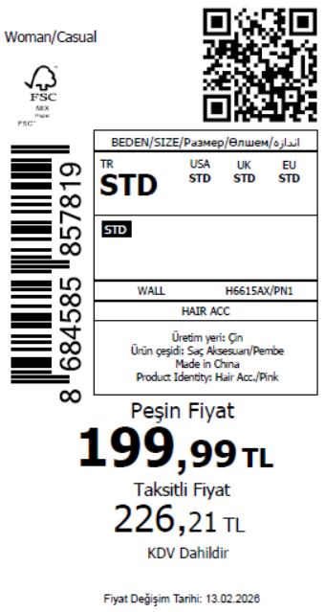 2605
2026-02-17 | H6615AX | NS | 1841321 | KAZAKHSTAN | PN1 - PINK | H6615AXKZKASTD | 1 | 5 | 5 | KAZAKHSTAN | 15 | 75 |  | 无稿件
2026-02-17 | H6615AX | NS | 1841387 | EGYPT | PN1 - PINK | H6615AXDFASTD | 1 | 5 | 5 | EGYPT | 20 | 100
2026-02-17 | H6615AX | NS | 1841383 | GEORGIA | PN1 - PINK | H6615AXDFASTD | 1 | 5 | 5 | GEORGIA | 10 | 50
2026-02-17 | H6615AX | NS | 1841335 | AZERBAIJAN | PN1 - PINK | H6615AXDFASTD | 1 | 5 | 5 | AZERBAIJAN | 3 | 15
2026-02-17 | H6615AX | NS | 1841360 | NORTH IRAQ | PN1 - PINK | H6615AXDFASTD | 1 | 5 | 5 | NORTH IRAQ | 20 | 100
2026-02-17 | H6615AX | NS | 1841326 | SAUDI ARABIA | PN1 - PINK | H6615AXDFASTD | 1 | 5 | 5 | SAUDI ARABIA | 3 | 15
2026-02-17 | H6615AX | NS | 1841369 | MOROCCO | PN1 - PINK | H6615AXDFASTD | 1 | 5 | 5 | MOROCCO | 20 | 100
2026-02-17 | H6615AX | NS | 1841332 | KOSOVO | PN1 - PINK | H6615AXDFASTD | 1 | 5 | 5 | KOSOVO | 3 | 15
2026-02-17 | H6615AX | NS | 1841390 | BOSNIA | PN1 - PINK | H6615AXDFASTD | 1 | 5 | 5 | BOSNIA | 6 | 30
2026-02-17 | H6615AX | NS | 1841379 | MACEDONIA | PN1 - PINK | H6615AXDFASTD | 1 | 5 | 5 | MACEDONIA | 6 | 30
2026-02-17 | H6615AX | NS | 1841342 | UZBEKISTAN | PN1 - PINK | H6615AXDFASTD | 1 | 5 | 5 | UZBEKISTAN | 8 | 40
2026-02-17 | H6615AX | NS | 1841347 | UKRAINE | PN1 - PINK | H6615AXDFASTD | 1 | 5 | 5 | UKRAINE | 15 | 75
2026-02-17 | H6615AX | NS | 1841356 | SERBIA | PN1 - PINK | H6615AXDFASTD | 1 | 5 | 5 | SERBIA | 4 | 20
2026-02-17 | H6615AX | NS | 1841393 | ALBANIA | PN1 - PINK | H6615AXDFASTD | 1 | 5 | 5 | ALBANIA | 6 | 30
2026-02-17 | H6615AX | NS | 1841373 | MOLDOVA | PN1 - PINK | H6615AXDFASTD | 1 | 5 | 5 | MOLDOVA | 10 | 50
2026-02-17 | H6615AX | NS | 1841349 | SOUTH IRAQ | PN1 - PINK | H6615AXDFASTD | 1 | 5 | 5 | SOUTH IRAQ | 20 | 100
2026-02-17 | H6615AX | NS | 1841309-无价格 | İSTANBUL DEPO | PN1 - PINK | H6615AXECOMASTD | 1 | 5 | 5 | ECOM | 20 | 100
2026-02-17 | H6615AX | NS | 1841365 | MONTENEGRO | PN1 - PINK | H6615AXDFASTD | 1 | 5 | 5 | MONTENEGRO | 2 | 10
2026-02-17 | H6615AX | NS | 1841317 | TOPTAN-5 | PN1 - PINK | H6615AXTOP5ASTD | 1 | 5 | 5 | TOPTAN-5 | 10 | 50 |  | 无稿件
2026-02-17 | H6615AX | NS | 1841312 | TOPTAN-7 | PN1 - PINK | H6615AXTOP7ASTD | 1 | 5 | 5 | TOPTAN-7 | 20 | 100 |  | 无稿件
 |  |  |  |  |  |  |  |  |  |  | 521 | 2605

2026-02-17 | H6616AX | NS | 1841380 | DEFACTO PERAKENDE TİC.A.Ş. DEPO Organize San. Bölgesi 6.Depo Kazım Karabekir Mah. Cumhuriyet Cad. Tekirdağ/Çerkezköy Tel:0090 282 758 11 34-35 | KR1 - KARMA | H6616AXDFASTD | 3 | 5 | 5 | TURKEY | 300 | 1500 | 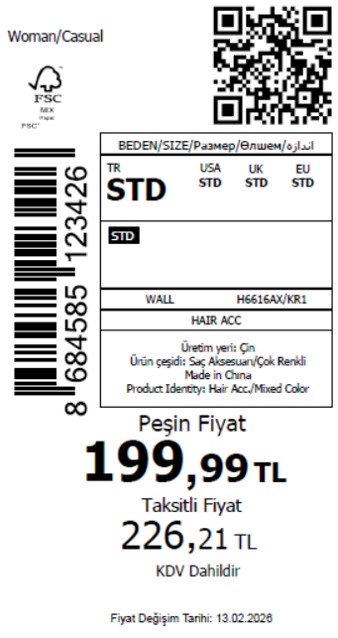 2130
2026-02-17 | H6616AX | NS | 1841368 | KAZAKHSTAN | KR1 - KARMA | H6616AXKZKASTD | 3 | 5 | 5 | KAZAKHSTAN | 8 | 40 |  | 无稿件
2026-02-17 | H6616AX | NS | 1841418 | EGYPT | KR1 - KARMA | H6616AXDFASTD | 3 | 5 | 5 | EGYPT | 10 | 50
2026-02-17 | H6616AX | NS | 1841415 | GEORGIA | KR1 - KARMA | H6616AXDFASTD | 3 | 5 | 5 | GEORGIA | 5 | 25
2026-02-17 | H6616AX | NS | 1841378 | AZERBAIJAN | KR1 - KARMA | H6616AXDFASTD | 3 | 5 | 5 | AZERBAIJAN | 3 | 15
2026-02-17 | H6616AX | NS | 1841396 | NORTH IRAQ | KR1 - KARMA | H6616AXDFASTD | 3 | 5 | 5 | NORTH IRAQ | 10 | 50
2026-02-17 | H6616AX | NS | 1841372 | SAUDI ARABIA | KR1 - KARMA | H6616AXDFASTD | 3 | 5 | 5 | SAUDI ARABIA | 3 | 15
2026-02-17 | H6616AX | NS | 1841403 | MOROCCO | KR1 - KARMA | H6616AXDFASTD | 3 | 5 | 5 | MOROCCO | 10 | 50
2026-02-17 | H6616AX | NS | 1841374 | KOSOVO | KR1 - KARMA | H6616AXDFASTD | 3 | 5 | 5 | KOSOVO | 3 | 15
2026-02-17 | H6616AX | NS | 1841420 | BOSNIA | KR1 - KARMA | H6616AXDFASTD | 3 | 5 | 5 | BOSNIA | 3 | 15
2026-02-17 | H6616AX | NS | 1841410 | MACEDONIA | KR1 - KARMA | H6616AXDFASTD | 3 | 5 | 5 | MACEDONIA | 3 | 15
2026-02-17 | H6616AX | NS | 1841382 | UZBEKISTAN | KR1 - KARMA | H6616AXDFASTD | 3 | 5 | 5 | UZBEKISTAN | 4 | 20
2026-02-17 | H6616AX | NS | 1841385 | UKRAINE | KR1 - KARMA | H6616AXDFASTD | 3 | 5 | 5 | UKRAINE | 8 | 40
2026-02-17 | H6616AX | NS | 1841392 | SERBIA | KR1 - KARMA | H6616AXDFASTD | 3 | 5 | 5 | SERBIA | 2 | 10
2026-02-17 | H6616AX | NS | 1841423 | ALBANIA | KR1 - KARMA | H6616AXDFASTD | 3 | 5 | 5 | ALBANIA | 3 | 15
2026-02-17 | H6616AX | NS | 1841407 | MOLDOVA | KR1 - KARMA | H6616AXDFASTD | 3 | 5 | 5 | MOLDOVA | 5 | 25
2026-02-17 | H6616AX | NS | 1841389 | SOUTH IRAQ | KR1 - KARMA | H6616AXDFASTD | 3 | 5 | 5 | SOUTH IRAQ | 10 | 50
2026-02-17 | H6616AX | NS | 1841359-无价格 | İSTANBUL DEPO | KR1 - KARMA | H6616AXECOMASTD | 3 | 5 | 5 | ECOM | 20 | 100
2026-02-17 | H6616AX | NS | 1841398 | MONTENEGRO | KR1 - KARMA | H6616AXDFASTD | 3 | 5 | 5 | MONTENEGRO | 1 | 5
2026-02-17 | H6616AX | NS | 1841366 | TOPTAN-5 | KR1 - KARMA | H6616AXTOP5ASTD | 3 | 5 | 5 | TOPTAN-5 | 5 | 25 |  | 无稿件
2026-02-17 | H6616AX | NS | 1841363 | TOPTAN-7 | KR1 - KARMA | H6616AXTOP7ASTD | 3 | 5 | 5 | TOPTAN-7 | 10 | 50 |  | 无稿件
 |  |  |  |  |  |  |  |  |  |  | 426 | 2130

2026-02-17 | H6618AX | NS | 1841413 | DEFACTO PERAKENDE TİC.A.Ş. DEPO Organize San. Bölgesi 6.Depo Kazım Karabekir Mah. Cumhuriyet Cad. Tekirdağ/Çerkezköy Tel:0090 282 758 11 34-35 | KR1 - KARMA | H6618AXDFASTD | 1 | 5 | 5 | TURKEY | 400 | 2000 | 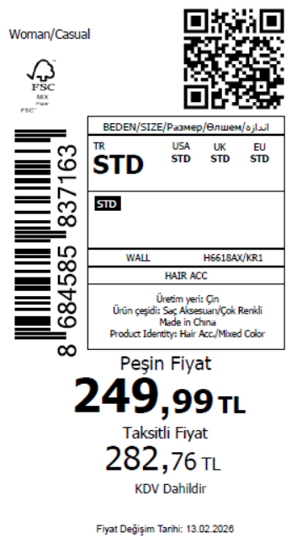 3105
2026-02-17 | H6618AX | NS | 1841401 | KAZAKHSTAN | KR1 - KARMA | H6618AXKZKASTD | 1 | 5 | 5 | KAZAKHSTAN | 15 | 75 |  | 无稿件
2026-02-17 | H6618AX | NS | 1841438 | EGYPT | KR1 - KARMA | H6618AXDFASTD | 1 | 5 | 5 | EGYPT | 20 | 100
2026-02-17 | H6618AX | NS | 1841433 | GEORGIA | KR1 - KARMA | H6618AXDFASTD | 1 | 5 | 5 | GEORGIA | 10 | 50
2026-02-17 | H6618AX | NS | 1841409 | AZERBAIJAN | KR1 - KARMA | H6618AXDFASTD | 1 | 5 | 5 | AZERBAIJAN | 3 | 15
2026-02-17 | H6618AX | NS | 1841424 | NORTH IRAQ | KR1 - KARMA | H6618AXDFASTD | 1 | 5 | 5 | NORTH IRAQ | 20 | 100
2026-02-17 | H6618AX | NS | 1841404 | SAUDI ARABIA | KR1 - KARMA | H6618AXDFASTD | 1 | 5 | 5 | SAUDI ARABIA | 3 | 15
2026-02-17 | H6618AX | NS | 1841426 | MOROCCO | KR1 - KARMA | H6618AXDFASTD | 1 | 5 | 5 | MOROCCO | 20 | 100
2026-02-17 | H6618AX | NS | 1841408 | KOSOVO | KR1 - KARMA | H6618AXDFASTD | 1 | 5 | 5 | KOSOVO | 3 | 15
2026-02-17 | H6618AX | NS | 1841443 | BOSNIA | KR1 - KARMA | H6618AXDFASTD | 1 | 5 | 5 | BOSNIA | 6 | 30
2026-02-17 | H6618AX | NS | 1841430 | MACEDONIA | KR1 - KARMA | H6618AXDFASTD | 1 | 5 | 5 | MACEDONIA | 6 | 30
2026-02-17 | H6618AX | NS | 1841414 | UZBEKISTAN | KR1 - KARMA | H6618AXDFASTD | 1 | 5 | 5 | UZBEKISTAN | 8 | 40
2026-02-17 | H6618AX | NS | 1841417 | UKRAINE | KR1 - KARMA | H6618AXDFASTD | 1 | 5 | 5 | UKRAINE | 15 | 75
2026-02-17 | H6618AX | NS | 1841422 | SERBIA | KR1 - KARMA | H6618AXDFASTD | 1 | 5 | 5 | SERBIA | 4 | 20
2026-02-17 | H6618AX | NS | 1841450 | ALBANIA | KR1 - KARMA | H6618AXDFASTD | 1 | 5 | 5 | ALBANIA | 6 | 30
2026-02-17 | H6618AX | NS | 1841427 | MOLDOVA | KR1 - KARMA | H6618AXDFASTD | 1 | 5 | 5 | MOLDOVA | 10 | 50
2026-02-17 | H6618AX | NS | 1841419 | SOUTH IRAQ | KR1 - KARMA | H6618AXDFASTD | 1 | 5 | 5 | SOUTH IRAQ | 20 | 100
2026-02-17 | H6618AX | NS | 1841394-无价格 | İSTANBUL DEPO | KR1 - KARMA | H6618AXECOMASTD | 1 | 5 | 5 | ECOM | 20 | 100
2026-02-17 | H6618AX | NS | 1841425 | MONTENEGRO | KR1 - KARMA | H6618AXDFASTD | 1 | 5 | 5 | MONTENEGRO | 2 | 10
2026-02-17 | H6618AX | NS | 1841400 | TOPTAN-5 | KR1 - KARMA | H6618AXTOP5ASTD | 1 | 5 | 5 | TOPTAN-5 | 10 | 50 |  | 无稿件
2026-02-17 | H6618AX | NS | 1841397 | TOPTAN-7 | KR1 - KARMA | H6618AXTOP7ASTD | 1 | 5 | 5 | TOPTAN-7 | 20 | 100 |  | 无稿件
 |  |  |  |  |  |  |  |  |  |  | 621 | 3105

2026-02-17 | H6619AX | NS | 1841447 | DEFACTO PERAKENDE TİC.A.Ş. DEPO Organize San. Bölgesi 6.Depo Kazım Karabekir Mah. Cumhuriyet Cad. Tekirdağ/Çerkezköy Tel:0090 282 758 11 34-35 | PN1 - PINK | H6619AXDFASTD | 1 | 5 | 5 | TURKEY | 400 | 2000 | 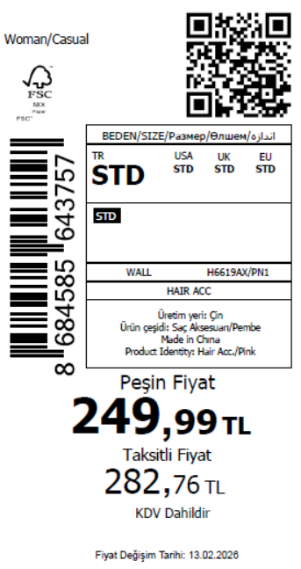 3105
2026-02-17 | H6619AX | NS | 1841434 | KAZAKHSTAN | PN1 - PINK | H6619AXKZKASTD | 1 | 5 | 5 | KAZAKHSTAN | 15 | 75 |  | 无稿件
2026-02-17 | H6619AX | NS | 1841503 | EGYPT | PN1 - PINK | H6619AXDFASTD | 1 | 5 | 5 | EGYPT | 20 | 100
2026-02-17 | H6619AX | NS | 1841498 | GEORGIA | PN1 - PINK | H6619AXDFASTD | 1 | 5 | 5 | GEORGIA | 10 | 50
2026-02-17 | H6619AX | NS | 1841444 | AZERBAIJAN | PN1 - PINK | H6619AXDFASTD | 1 | 5 | 5 | AZERBAIJAN | 3 | 15
2026-02-17 | H6619AX | NS | 1841471 | NORTH IRAQ | PN1 - PINK | H6619AXDFASTD | 1 | 5 | 5 | NORTH IRAQ | 20 | 100
2026-02-17 | H6619AX | NS | 1841437 | SAUDI ARABIA | PN1 - PINK | H6619AXDFASTD | 1 | 5 | 5 | SAUDI ARABIA | 3 | 15
2026-02-17 | H6619AX | NS | 1841479 | MOROCCO | PN1 - PINK | H6619AXDFASTD | 1 | 5 | 5 | MOROCCO | 20 | 100
2026-02-17 | H6619AX | NS | 1841440 | KOSOVO | PN1 - PINK | H6619AXDFASTD | 1 | 5 | 5 | KOSOVO | 3 | 15
2026-02-17 | H6619AX | NS | 1841508 | BOSNIA | PN1 - PINK | H6619AXDFASTD | 1 | 5 | 5 | BOSNIA | 6 | 30
2026-02-17 | H6619AX | NS | 1841491 | MACEDONIA | PN1 - PINK | H6619AXDFASTD | 1 | 5 | 5 | MACEDONIA | 6 | 30
2026-02-17 | H6619AX | NS | 1841451 | UZBEKISTAN | PN1 - PINK | H6619AXDFASTD | 1 | 5 | 5 | UZBEKISTAN | 8 | 40
2026-02-17 | H6619AX | NS | 1841455 | UKRAINE | PN1 - PINK | H6619AXDFASTD | 1 | 5 | 5 | UKRAINE | 15 | 75
2026-02-17 | H6619AX | NS | 1841465 | SERBIA | PN1 - PINK | H6619AXDFASTD | 1 | 5 | 5 | SERBIA | 4 | 20
2026-02-17 | H6619AX | NS | 1841516 | ALBANIA | PN1 - PINK | H6619AXDFASTD | 1 | 5 | 5 | ALBANIA | 6 | 30
2026-02-17 | H6619AX | NS | 1841485 | MOLDOVA | PN1 - PINK | H6619AXDFASTD | 1 | 5 | 5 | MOLDOVA | 10 | 50
2026-02-17 | H6619AX | NS | 1841459 | SOUTH IRAQ | PN1 - PINK | H6619AXDFASTD | 1 | 5 | 5 | SOUTH IRAQ | 20 | 100
2026-02-17 | H6619AX | NS | 1841428-无价格 | İSTANBUL DEPO | PN1 - PINK | H6619AXECOMASTD | 1 | 5 | 5 | ECOM | 20 | 100
2026-02-17 | H6619AX | NS | 1841476 | MONTENEGRO | PN1 - PINK | H6619AXDFASTD | 1 | 5 | 5 | MONTENEGRO | 2 | 10
2026-02-17 | H6619AX | NS | 1841431 | TOPTAN-5 | PN1 - PINK | H6619AXTOP5ASTD | 1 | 5 | 5 | TOPTAN-5 | 10 | 50 |  | 无稿件
2026-02-17 | H6619AX | NS | 1841429 | TOPTAN-7 | PN1 - PINK | H6619AXTOP7ASTD | 1 | 5 | 5 | TOPTAN-7 | 20 | 100 |  | 无稿件
 |  |  |  |  |  |  |  |  |  |  | 621 | 3105

2026-02-17 | H6620AX | NS | 1841461 | DEFACTO PERAKENDE TİC.A.Ş. DEPO Organize San. Bölgesi 6.Depo Kazım Karabekir Mah. Cumhuriyet Cad. Tekirdağ/Çerkezköy Tel:0090 282 758 11 34-35 | KR1 - KARMA | H6620AXDFASTD | 2 | 5 | 5 | TURKEY | 300 | 1500 | 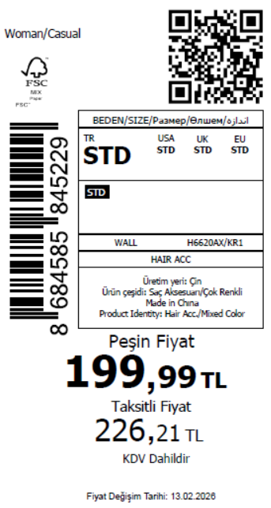 2555
2026-02-17 | H6620AX | NS | 1841446 | KAZAKHSTAN | KR1 - KARMA | H6620AXKZKASTD | 2 | 5 | 5 | KAZAKHSTAN | 15 | 75 |  | 无稿件
2026-02-17 | H6620AX | NS | 1841513 | EGYPT | KR1 - KARMA | H6620AXDFASTD | 2 | 5 | 5 | EGYPT | 20 | 100
2026-02-17 | H6620AX | NS | 1841504 | GEORGIA | KR1 - KARMA | H6620AXDFASTD | 2 | 5 | 5 | GEORGIA | 10 | 50
2026-02-17 | H6620AX | NS | 1841456 | AZERBAIJAN | KR1 - KARMA | H6620AXDFASTD | 2 | 5 | 5 | AZERBAIJAN | 3 | 15
2026-02-17 | H6620AX | NS | 1841477 | NORTH IRAQ | KR1 - KARMA | H6620AXDFASTD | 2 | 5 | 5 | NORTH IRAQ | 20 | 100
2026-02-17 | H6620AX | NS | 1841449 | SAUDI ARABIA | KR1 - KARMA | H6620AXDFASTD | 2 | 5 | 5 | SAUDI ARABIA | 3 | 15
2026-02-17 | H6620AX | NS | 1841486 | MOROCCO | KR1 - KARMA | H6620AXDFASTD | 2 | 5 | 5 | MOROCCO | 20 | 100
2026-02-17 | H6620AX | NS | 1841453 | KOSOVO | KR1 - KARMA | H6620AXDFASTD | 2 | 5 | 5 | KOSOVO | 3 | 15
2026-02-17 | H6620AX | NS | 1841496 | MACEDONIA | KR1 - KARMA | H6620AXDFASTD | 2 | 5 | 5 | MACEDONIA | 6 | 30
2026-02-17 | H6620AX | NS | 1841463 | UZBEKISTAN | KR1 - KARMA | H6620AXDFASTD | 2 | 5 | 5 | UZBEKISTAN | 8 | 40
2026-02-17 | H6620AX | NS | 1841467 | UKRAINE | KR1 - KARMA | H6620AXDFASTD | 2 | 5 | 5 | UKRAINE | 15 | 75
2026-02-17 | H6620AX | NS | 1841519 | ALBANIA | KR1 - KARMA | H6620AXDFASTD | 2 | 5 | 5 | ALBANIA | 6 | 30
2026-02-17 | H6620AX | NS | 1841490 | MOLDOVA | KR1 - KARMA | H6620AXDFASTD | 2 | 5 | 5 | MOLDOVA | 10 | 50
2026-02-17 | H6620AX | NS | 1841472 | SOUTH IRAQ | KR1 - KARMA | H6620AXDFASTD | 2 | 5 | 5 | SOUTH IRAQ | 20 | 100
2026-02-17 | H6620AX | NS | 1841436-无价格 | İSTANBUL DEPO | KR1 - KARMA | H6620AXECOMASTD | 2 | 5 | 5 | ECOM | 20 | 100
2026-02-17 | H6620AX | NS | 1841480 | MONTENEGRO | KR1 - KARMA | H6620AXDFASTD | 2 | 5 | 5 | MONTENEGRO | 2 | 10
2026-02-17 | H6620AX | NS | 1841441 | TOPTAN-5 | KR1 - KARMA | H6620AXTOP5ASTD | 2 | 5 | 5 | TOPTAN-5 | 10 | 50 |  | 无稿件
2026-02-17 | H6620AX | NS | 1841439 | TOPTAN-7 | KR1 - KARMA | H6620AXTOP7ASTD | 2 | 5 | 5 | TOPTAN-7 | 20 | 100 |  | 无稿件
 |  |  |  |  |  |  |  |  |  |  | 511 | 2555

2026-02-17 | H6621AX | NS | 1841509 | DEFACTO PERAKENDE TİC.A.Ş. DEPO Organize San. Bölgesi 6.Depo Kazım Karabekir Mah. Cumhuriyet Cad. Tekirdağ/Çerkezköy Tel:0090 282 758 11 34-35 | GD1 - GOLD | H6621AXDFASTD | 2 | 5 | 5 | TURKEY | 350 | 1750 | 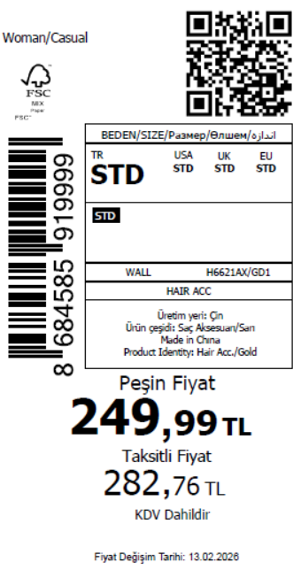 2725
2026-02-17 | H6621AX | NS | 1841493 | KAZAKHSTAN | GD1 - GOLD | H6621AXKZKASTD | 2 | 5 | 5 | KAZAKHSTAN | 15 | 75 |  | 无稿件
2026-02-17 | H6621AX | NS | 1841551 | EGYPT | GD1 - GOLD | H6621AXDFASTD | 2 | 5 | 5 | EGYPT | 20 | 100
2026-02-17 | H6621AX | NS | 1841506 | AZERBAIJAN | GD1 - GOLD | H6621AXDFASTD | 2 | 5 | 5 | AZERBAIJAN | 3 | 15
2026-02-17 | H6621AX | NS | 1841526 | NORTH IRAQ | GD1 - GOLD | H6621AXDFASTD | 2 | 5 | 5 | NORTH IRAQ | 20 | 100
2026-02-17 | H6621AX | NS | 1841497 | SAUDI ARABIA | GD1 - GOLD | H6621AXDFASTD | 2 | 5 | 5 | SAUDI ARABIA | 3 | 15
2026-02-17 | H6621AX | NS | 1841532 | MOROCCO | GD1 - GOLD | H6621AXDFASTD | 2 | 5 | 5 | MOROCCO | 20 | 100
2026-02-17 | H6621AX | NS | 1841501 | KOSOVO | GD1 - GOLD | H6621AXDFASTD | 2 | 5 | 5 | KOSOVO | 3 | 15
2026-02-17 | H6621AX | NS | 1841556 | BOSNIA | GD1 - GOLD | H6621AXDFASTD | 2 | 5 | 5 | BOSNIA | 6 | 30
2026-02-17 | H6621AX | NS | 1841545 | MACEDONIA | GD1 - GOLD | H6621AXDFASTD | 2 | 5 | 5 | MACEDONIA | 6 | 30
2026-02-17 | H6621AX | NS | 1841512 | UKRAINE | GD1 - GOLD | H6621AXDFASTD | 2 | 5 | 5 | UKRAINE | 15 | 75
2026-02-17 | H6621AX | NS | 1841520 | SERBIA | GD1 - GOLD | H6621AXDFASTD | 2 | 5 | 5 | SERBIA | 4 | 20
2026-02-17 | H6621AX | NS | 1841536 | MOLDOVA | GD1 - GOLD | H6621AXDFASTD | 2 | 5 | 5 | MOLDOVA | 10 | 50
2026-02-17 | H6621AX | NS | 1841515 | SOUTH IRAQ | GD1 - GOLD | H6621AXDFASTD | 2 | 5 | 5 | SOUTH IRAQ | 20 | 100
2026-02-17 | H6621AX | NS | 1841482-无价格 | İSTANBUL DEPO | GD1 - GOLD | H6621AXECOMASTD | 2 | 5 | 5 | ECOM | 20 | 100
2026-02-17 | H6621AX | NS | 1841488 | TOPTAN-5 | GD1 - GOLD | H6621AXTOP5ASTD | 2 | 5 | 5 | TOPTAN-5 | 10 | 50 |  | 无稿件
2026-02-17 | H6621AX | NS | 1841483 | TOPTAN-7 | GD1 - GOLD | H6621AXTOP7ASTD | 2 | 5 | 5 | TOPTAN-7 | 20 | 100 |  | 无稿件
 |  |  |  |  |  |  |  |  |  |  | 545 | 2725

2026-02-17 | H6626AX | NS | 1841563 | DEFACTO PERAKENDE TİC.A.Ş. DEPO Organize San. Bölgesi 6.Depo Kazım Karabekir Mah. Cumhuriyet Cad. Tekirdağ/Çerkezköy Tel:0090 282 758 11 34-35 | KR1 - KARMA | H6626AXDFASTD | 2 | 5 | 5 | TURKEY | 600 | 3000 | 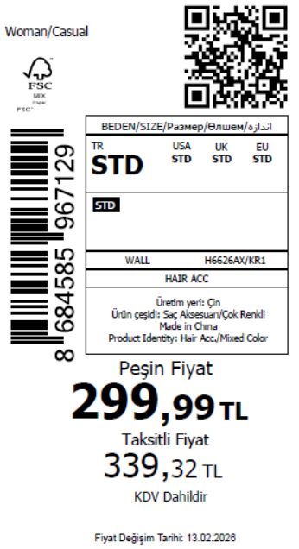 4105
2026-02-17 | H6626AX | NS | 1841544 | KAZAKHSTAN | KR1 - KARMA | H6626AXKZKASTD | 2 | 5 | 5 | KAZAKHSTAN | 15 | 75 |  | 无稿件
2026-02-17 | H6626AX | NS | 1841608 | EGYPT | KR1 - KARMA | H6626AXDFASTD | 2 | 5 | 5 | EGYPT | 20 | 100
2026-02-17 | H6626AX | NS | 1841605 | GEORGIA | KR1 - KARMA | H6626AXDFASTD | 2 | 5 | 5 | GEORGIA | 10 | 50
2026-02-17 | H6626AX | NS | 1841560 | AZERBAIJAN | KR1 - KARMA | H6626AXDFASTD | 2 | 5 | 5 | AZERBAIJAN | 3 | 15
2026-02-17 | H6626AX | NS | 1841579 | NORTH IRAQ | KR1 - KARMA | H6626AXDFASTD | 2 | 5 | 5 | NORTH IRAQ | 20 | 100
2026-02-17 | H6626AX | NS | 1841548 | SAUDI ARABIA | KR1 - KARMA | H6626AXDFASTD | 2 | 5 | 5 | SAUDI ARABIA | 3 | 15
2026-02-17 | H6626AX | NS | 1841590 | MOROCCO | KR1 - KARMA | H6626AXDFASTD | 2 | 5 | 5 | MOROCCO | 20 | 100
2026-02-17 | H6626AX | NS | 1841555 | KOSOVO | KR1 - KARMA | H6626AXDFASTD | 2 | 5 | 5 | KOSOVO | 3 | 15
2026-02-17 | H6626AX | NS | 1841610 | BOSNIA | KR1 - KARMA | H6626AXDFASTD | 2 | 5 | 5 | BOSNIA | 6 | 30
2026-02-17 | H6626AX | NS | 1841601 | MACEDONIA | KR1 - KARMA | H6626AXDFASTD | 2 | 5 | 5 | MACEDONIA | 6 | 30
2026-02-17 | H6626AX | NS | 1841565 | UZBEKISTAN | KR1 - KARMA | H6626AXDFASTD | 2 | 5 | 5 | UZBEKISTAN | 8 | 40
2026-02-17 | H6626AX | NS | 1841568 | UKRAINE | KR1 - KARMA | H6626AXDFASTD | 2 | 5 | 5 | UKRAINE | 15 | 75
2026-02-17 | H6626AX | NS | 1841575 | SERBIA | KR1 - KARMA | H6626AXDFASTD | 2 | 5 | 5 | SERBIA | 4 | 20
2026-02-17 | H6626AX | NS | 1841613 | ALBANIA | KR1 - KARMA | H6626AXDFASTD | 2 | 5 | 5 | ALBANIA | 6 | 30
2026-02-17 | H6626AX | NS | 1841595 | MOLDOVA | KR1 - KARMA | H6626AXDFASTD | 2 | 5 | 5 | MOLDOVA | 10 | 50
2026-02-17 | H6626AX | NS | 1841571 | SOUTH IRAQ | KR1 - KARMA | H6626AXDFASTD | 2 | 5 | 5 | SOUTH IRAQ | 20 | 100
2026-02-17 | H6626AX | NS | 1841531-无价格 | İSTANBUL DEPO | KR1 - KARMA | H6626AXECOMASTD | 2 | 5 | 5 | ECOM | 20 | 100
2026-02-17 | H6626AX | NS | 1841584 | MONTENEGRO | KR1 - KARMA | H6626AXDFASTD | 2 | 5 | 5 | MONTENEGRO | 2 | 10
2026-02-17 | H6626AX | NS | 1841539 | TOPTAN-5 | KR1 - KARMA | H6626AXTOP5ASTD | 2 | 5 | 5 | TOPTAN-5 | 10 | 50 |  | 无稿件
2026-02-17 | H6626AX | NS | 1841535 | TOPTAN-7 | KR1 - KARMA | H6626AXTOP7ASTD | 2 | 5 | 5 | TOPTAN-7 | 20 | 100 |  | 无稿件
 |  |  |  |  |  |  |  |  |  |  | 821 | 4105

2026-02-17 | H6628AX | NS | 1841602 | DEFACTO PERAKENDE TİC.A.Ş. DEPO Organize San. Bölgesi 6.Depo Kazım Karabekir Mah. Cumhuriyet Cad. Tekirdağ/Çerkezköy Tel:0090 282 758 11 34-35 | GD1 - GOLD | H6628AXDFASTD | 4 | 5 | 5 | TURKEY | 600 | 3000 | 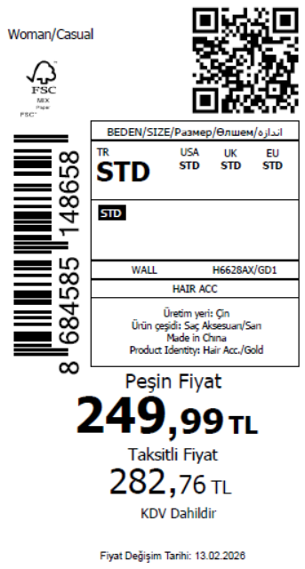 4105
2026-02-17 | H6628AX | NS | 1841589 | KAZAKHSTAN | GD1 - GOLD | H6628AXKZKASTD | 4 | 5 | 5 | KAZAKHSTAN | 15 | 75 |  | 无稿件
2026-02-17 | H6628AX | NS | 1841624 | EGYPT | GD1 - GOLD | H6628AXDFASTD | 4 | 5 | 5 | EGYPT | 20 | 100
2026-02-17 | H6628AX | NS | 1841623 | GEORGIA | GD1 - GOLD | H6628AXDFASTD | 4 | 5 | 5 | GEORGIA | 10 | 50
2026-02-17 | H6628AX | NS | 1841598 | AZERBAIJAN | GD1 - GOLD | H6628AXDFASTD | 4 | 5 | 5 | AZERBAIJAN | 3 | 15
2026-02-17 | H6628AX | NS | 1841611 | NORTH IRAQ | GD1 - GOLD | H6628AXDFASTD | 4 | 5 | 5 | NORTH IRAQ | 20 | 100
2026-02-17 | H6628AX | NS | 1841592 | SAUDI ARABIA | GD1 - GOLD | H6628AXDFASTD | 4 | 5 | 5 | SAUDI ARABIA | 3 | 15
2026-02-17 | H6628AX | NS | 1841615 | MOROCCO | GD1 - GOLD | H6628AXDFASTD | 4 | 5 | 5 | MOROCCO | 20 | 100
2026-02-17 | H6628AX | NS | 1841596 | KOSOVO | GD1 - GOLD | H6628AXDFASTD | 4 | 5 | 5 | KOSOVO | 3 | 15
2026-02-17 | H6628AX | NS | 1841625 | BOSNIA | GD1 - GOLD | H6628AXDFASTD | 4 | 5 | 5 | BOSNIA | 6 | 30
2026-02-17 | H6628AX | NS | 1841622 | MACEDONIA | GD1 - GOLD | H6628AXDFASTD | 4 | 5 | 5 | MACEDONIA | 6 | 30
2026-02-17 | H6628AX | NS | 1841604 | UZBEKISTAN | GD1 - GOLD | H6628AXDFASTD | 4 | 5 | 5 | UZBEKISTAN | 8 | 40
2026-02-17 | H6628AX | NS | 1841606 | UKRAINE | GD1 - GOLD | H6628AXDFASTD | 4 | 5 | 5 | UKRAINE | 15 | 75
2026-02-17 | H6628AX | NS | 1841609 | SERBIA | GD1 - GOLD | H6628AXDFASTD | 4 | 5 | 5 | SERBIA | 4 | 20
2026-02-17 | H6628AX | NS | 1841628 | ALBANIA | GD1 - GOLD | H6628AXDFASTD | 4 | 5 | 5 | ALBANIA | 6 | 30
2026-02-17 | H6628AX | NS | 1841619 | MOLDOVA | GD1 - GOLD | H6628AXDFASTD | 4 | 5 | 5 | MOLDOVA | 10 | 50
2026-02-17 | H6628AX | NS | 1841607 | SOUTH IRAQ | GD1 - GOLD | H6628AXDFASTD | 4 | 5 | 5 | SOUTH IRAQ | 20 | 100
2026-02-17 | H6628AX | NS | 1841577-无价格 | İSTANBUL DEPO | GD1 - GOLD | H6628AXECOMASTD | 4 | 5 | 5 | ECOM | 20 | 100
2026-02-17 | H6628AX | NS | 1841612 | MONTENEGRO | GD1 - GOLD | H6628AXDFASTD | 4 | 5 | 5 | MONTENEGRO | 2 | 10
2026-02-17 | H6628AX | NS | 1841583 | TOPTAN-5 | GD1 - GOLD | H6628AXTOP5ASTD | 4 | 5 | 5 | TOPTAN-5 | 10 | 50 |  | 无稿件
2026-02-17 | H6628AX | NS | 1841580 | TOPTAN-7 | GD1 - GOLD | H6628AXTOP7ASTD | 4 | 5 | 5 | TOPTAN-7 | 20 | 100 |  | 无稿件
 |  |  |  |  |  |  |  |  |  |  | 821 | 4105

 |  |  |  |  |  |  |  |  |  |  | 14340 | 71700 | 35850

