Order Form-安徽
TAGS & LABELS ORDER FORM

Trim Code 辅料编号 | Color 颜色 | Sample picture 辅料图片 | SIZE 尺码 | Pcs 个 | USAGE 用途 | STYLE# 服装款号/工厂
21 AULTH10098 | 灰色 | 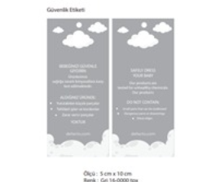 | 款号 | 数量 | 婴童挂牌EXTRA HANGTAG | 安徽
 |  |  | H3052A5 | 1230
 |  |  | H3661A5 | 4030
 |  |  | H3902A5 | 3520

 |  |  | Total 总数 | 8780 | 分款包装发货
25 SPLBG12532 | 黑色 | 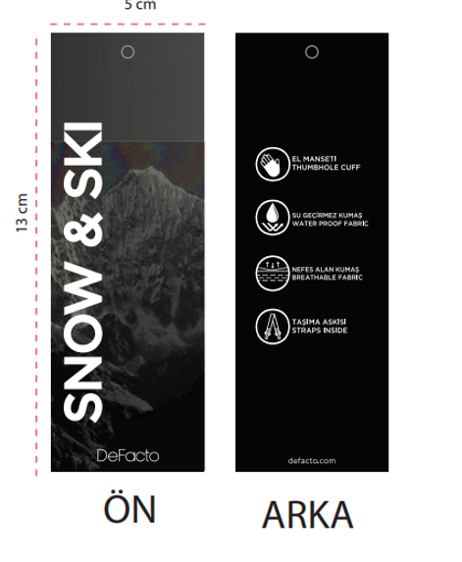 | 款号 | 数量 | SNOW & SKI挂牌 | 安徽
 |  |  | F4480A8 | 5300
 |  |  | H3902A5 | 3520

 |  |  | Total 总数 | 8820 | 分款包装发货
25_SPLBM12784 | 黑色 | 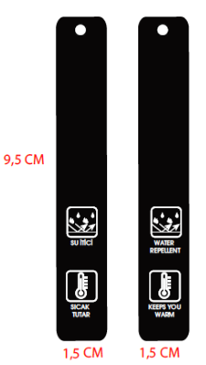 | 款号 | 数量 | 防水+保暖挂牌WATER REPELLENT+KEEP WARM | 安徽
 |  |  | H3661A5 | 4030
 |  |  | H2929A8 | 6780

 |  |  | Total 总数 | 10810 | 分款包装发货
26_AULBG13987 | 黑色 | 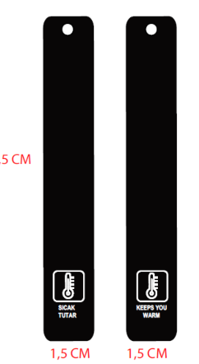 | 款号 | 数量 | 保暖挂牌KEEP WARM | 安徽
 |  |  | H2946A8 | 7580
 |  |  | H3052A5 | 1230

 |  |  | Total 总数 | 8810

Collection 季节/系列 | 2026AU |  | Order Date 下单日期 | 2026-02-26

Company Name 公司名称 | 杭州轻工/OLIVIA |  | Telephone 公司电话 | 86-571-88847275

Delivery Address (送货地址): | 安徽池州市东至县大渡口镇工业园 丞诺服装有限公司

Receiver (收件人): | 汪厂

Contact #: (收件人电话) | 177 5664 2798

Expect Ship Date 预计收货日期 | 2026-03-08

Remarks:
1. Please add at least 2.5% wastage for each item.
2. For China orders, the order date will be base on the date we receive official PO.
3. For oversea orders, the order date will be base on the date we receive payment.
4. Clients must notify us of any damage, fault or shortage within 2 weeks of receipt of the goods -
we can not accept responsibility after this period.
5. Payment term: T/T before shipment

Order Form-慈溪
TAGS & LABELS ORDER FORM

Trim Code 辅料编号 | Color 颜色 | Sample picture 辅料图片 | SIZE 尺码 | Pcs 个 | USAGE 用途 | STYLE# 服装款号/工厂
26_AULBG13988 | 黑色 | 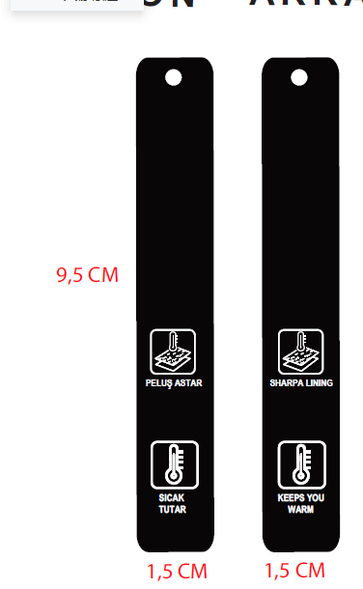 | 款号 | 数量 | 羊羔毛里布+保暖挂牌SHERPA LINING+KEEP WARM | 慈溪
 |  |  | G9345A8 | 4140

 |  |  | Total 总数 | 4140

Collection 季节/系列 | 2026AU |  | Order Date 下单日期 | 2026-02-26

Company Name 公司名称 | 杭州轻工/OLIVIA |  | Telephone 公司电话 | 86-571-88847275

Delivery Address (送货地址): | 浙江省宁波市慈溪市匡堰镇匡和路52号c幢7楼 慈溪市金桓服饰有限公司

Receiver (收件人): | 余金慈

Contact #: (收件人电话) | 13429334719

Expect Ship Date 预计收货日期 | 2026-03-08

Remarks:
1. Please add at least 2.5% wastage for each item.
2. For China orders, the order date will be base on the date we receive official PO.
3. For oversea orders, the order date will be base on the date we receive payment.
4. Clients must notify us of any damage, fault or shortage within 2 weeks of receipt of the goods -
we can not accept responsibility after this period.
5. Payment term: T/T before shipment

Order Form-轻工
TAGS & LABELS ORDER FORM

Trim Code 辅料编号 | Color 颜色 | Sample picture 辅料图片 | SIZE 尺码 | Pcs 个 | USAGE 用途 | STYLE# 服装款号/工厂
26_AULBG13991 | 白色 | 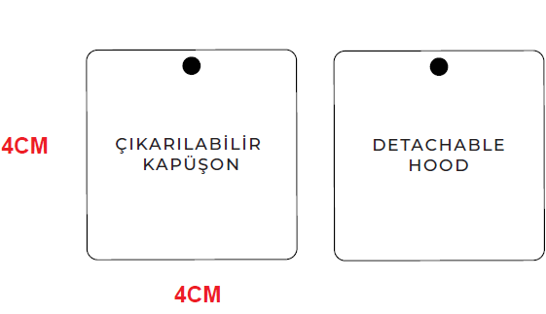 | 款号 | 数量 | 可脱卸帽子挂牌DETRACHABLE HOOD | 轻工
 |  |  | H1699A8 | 1700

 |  |  | Total 总数 | 1700
Collection 季节/系列 | 2026AU |  | Order Date 下单日期 | 2026-02-26

Company Name 公司名称 | 杭州轻工/OLIVIA |  | Telephone 公司电话 | 86-571-88847275

Delivery Address (送货地址): | 杭州轻工/OLIVIA

Receiver (收件人):

Contact #: (收件人电话)

Expect Ship Date 预计收货日期 | 2026-03-08

Remarks:
1. Please add at least 2.5% wastage for each item.
2. For China orders, the order date will be base on the date we receive official PO.
3. For oversea orders, the order date will be base on the date we receive payment.
4. Clients must notify us of any damage, fault or shortage within 2 weeks of receipt of the goods -
we can not accept responsibility after this period.
5. Payment term: T/T before shipment

