Sheet2
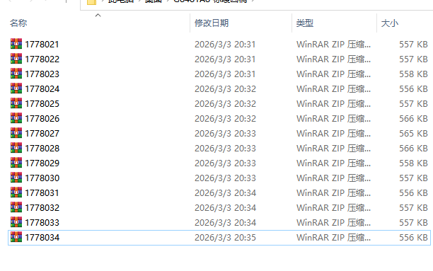

订单号 | 求和项:总件数 | Order Number | 求和项:Total Open Quantity
1778020 | 56 | 1778020 | 56
1778021 | 8 | 1778021 | 8
1778022 | 8 | 1778022 | 8
1778023 | 8 | 1778023 | 8
1778024 | 8 | 1778024 | 8
1778025 | 8 | 1778025 | 8
1778026 | 104 | 1778026 | 104
1778027 | 128 | 1778027 | 128
1778028 | 120 | 1778028 | 120
1778029 | 8 | 1778029 | 8
1778030 | 8 | 1778030 | 8
1778031 | 8 | 1778031 | 8
1778032 | 8 | 1778032 | 8
1778033 | 8 | 1778033 | 8
1778034 | 8 | 1778034 | 8
总计 | 496 | 总计 | 496

