主标+条码标 3% 3.4
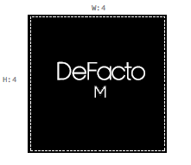
款号 | 颜色 | S | M | L | XL | XXL | 3XL |  | 涉及PO
H1582AX | BK27 - BLACK | 519 | 1020 | 1014 | 525 | 478 | 6 | 3562 | 1800885,1800883,1800884
H1582AX | GR322 - GREY | 294 | 575 | 571 | 296 | 269 | 4 | 2006 | 1800885,1800883,1800884
 |  | 813 | 1595 | 1585 | 821 | 747 | 10 | 5571

