主标+条码标 3% 3.4
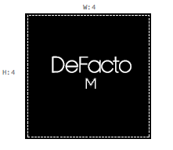
款号 | 颜色 | S | M | L | XL | XXL | 3XL |  | 涉及PO
H1582AX | BK27 - BLACK | 344 | 688 | 688 | 443 | 344 | 5 | 2512 | 1800912,1800915,1800916,1800917,1800918,1800919,1800920,1800921,1800922,1800923,1800924,1800926,1800929,1800932,1800934,1800936,1800939,1800941,1800913
H1582AX | GR322 - GREY | 192 | 383 | 383 | 247 | 192 | 3 | 1400 | 1800912,1800915,1800916,1800917,1800918,1800919,1800920,1800921,1800922,1800923,1800924,1800926,1800929,1800932,1800934,1800936,1800939,1800941,1800913
 |  | 536 | 1071 | 1071 | 690 | 536 | 8 | 3912

