4.24 BRIDE
订单日期 | Style Code | Season | Order Number | Ship To | ColorCode-Name | Prepack Code | Set Content | STD | Qty. In A Blister | Delivery Country | lot 贴纸 | Total Open Quantity
2026-02-17 | H7692AX | NS | 1854634 | ALBANIA | WT1 - WHITE (000) | H7692AXDFASTD | 2 | 5 | 5 | ALBANIA | 6 | 30 | 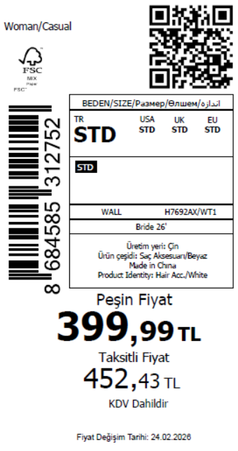 2245
2026-02-17 | H7692AX | NS | 1854633 | BOSNIA | WT1 - WHITE (000) | H7692AXDFASTD | 2 | 5 | 5 | BOSNIA | 8 | 40
2026-02-17 | H7692AX | NS | 1854632 | EGYPT | WT1 - WHITE (000) | H7692AXDFASTD | 2 | 5 | 5 | EGYPT | 15 | 75
2026-02-17 | H7692AX | NS | 1854631 | GEORGIA | WT1 - WHITE (000) | H7692AXDFASTD | 2 | 5 | 5 | GEORGIA | 6 | 30
2026-02-17 | H7692AX | NS | 1854629 | MACEDONIA | WT1 - WHITE (000) | H7692AXDFASTD | 2 | 5 | 5 | MACEDONIA | 6 | 30
2026-02-17 | H7692AX | NS | 1854628 | MOROCCO | WT1 - WHITE (000) | H7692AXDFASTD | 2 | 5 | 5 | MOROCCO | 10 | 50
2026-02-17 | H7692AX | NS | 1854626 | MONTENEGRO | WT1 - WHITE (000) | H7692AXDFASTD | 2 | 5 | 5 | MONTENEGRO | 2 | 10
2026-02-17 | H7692AX | NS | 1854624 | NORTH IRAQ | WT1 - WHITE (000) | H7692AXDFASTD | 2 | 5 | 5 | NORTH IRAQ | 15 | 75
2026-02-17 | H7692AX | NS | 1854619 | SOUTH IRAQ | WT1 - WHITE (000) | H7692AXDFASTD | 2 | 5 | 5 | SOUTH IRAQ | 15 | 75
2026-02-17 | H7692AX | NS | 1854615 | UKRAINE | WT1 - WHITE (000) | H7692AXDFASTD | 2 | 5 | 5 | UKRAINE | 6 | 30
2026-02-17 | H7692AX | NS | 1854611 | UZBEKISTAN | WT1 - WHITE (000) | H7692AXDFASTD | 2 | 5 | 5 | UZBEKISTAN | 6 | 30
2026-02-17 | H7692AX | NS | 1854605 | AZERBAIJAN | WT1 - WHITE (000) | H7692AXDFASTD | 2 | 5 | 5 | AZERBAIJAN | 2 | 10
2026-02-17 | H7692AX | NS | 1854601 | LEBANON | WT1 - WHITE (000) | H7692AXDFASTD | 2 | 5 | 5 | LEBANON | 2 | 10
2026-02-17 | H7692AX | NS | 1854598 | KOSOVO | WT1 - WHITE (000) | H7692AXDFASTD | 2 | 5 | 5 | KOSOVO | 2 | 10
2026-02-17 | H7692AX | NS | 1854592 | SAUDI ARABIA | WT1 - WHITE (000) | H7692AXDFASTD | 2 | 5 | 5 | SAUDI ARABIA | 2 | 10
2026-02-17 | H7692AX | NS | 1854588 | KAZAKHSTAN | WT1 - WHITE (000) | H7692AXKZKASTD | 2 | 5 | 5 | KAZAKHSTAN | 10 | 50 |  | 无稿件
2026-02-17 | H7692AX | NS | 1854584 | TOPTAN-5 | WT1 - WHITE (000) | H7692AXTOP5ASTD | 2 | 5 | 5 | TOPTAN-5 | 6 | 30 |  | 无稿件
2026-02-17 | H7692AX | NS | 1854580 | TOPTAN-7 | WT1 - WHITE (000) | H7692AXTOP7ASTD | 2 | 5 | 5 | TOPTAN-7 | 10 | 50 |  | 无稿件
2026-02-17 | H7692AX | NS | 1854576-无价格 | İSTANBUL DEPO | WT1 - WHITE (000) | H7692AXECOMASTD | 2 | 5 | 5 | ECOM | 20 | 100
2026-02-17 | H7692AX | NS | 1854610 | DEFACTO PERAKENDE TİC.A.Ş. DEPO Organize San. Bölgesi 6.Depo Kazım Karabekir Mah. Cumhuriyet Cad. Tekirdağ/Çerkezköy Tel:0090 282 758 11 34-35 | WT1 - WHITE (000) | H7692AXDFASTD | 2 | 5 | 5 | TURKEY | 300 | 1500
 |  |  |  |  |  |  |  |  |  |  | 449 | 2245

2026-02-17 | H7693AX | NS | 1854630 | ALBANIA | WT1 - WHITE (000) | H7693AXDFASTD | 1 | 5 | 5 | ALBANIA | 6 | 30 | 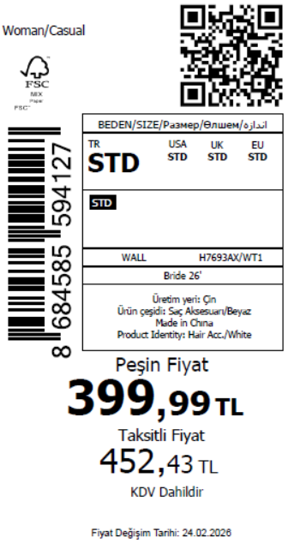 1465
2026-02-17 | H7693AX | NS | 1854627 | BOSNIA | WT1 - WHITE (000) | H7693AXDFASTD | 1 | 5 | 5 | BOSNIA | 8 | 40
2026-02-17 | H7693AX | NS | 1854625 | EGYPT | WT1 - WHITE (000) | H7693AXDFASTD | 1 | 5 | 5 | EGYPT | 15 | 75
2026-02-17 | H7693AX | NS | 1854622 | GEORGIA | WT1 - WHITE (000) | H7693AXDFASTD | 1 | 5 | 5 | GEORGIA | 6 | 30
2026-02-17 | H7693AX | NS | 1854616 | MACEDONIA | WT1 - WHITE (000) | H7693AXDFASTD | 1 | 5 | 5 | MACEDONIA | 6 | 30
2026-02-17 | H7693AX | NS | 1854612 | MOROCCO | WT1 - WHITE (000) | H7693AXDFASTD | 1 | 5 | 5 | MOROCCO | 10 | 50
2026-02-17 | H7693AX | NS | 1854607 | MONTENEGRO | WT1 - WHITE (000) | H7693AXDFASTD | 1 | 5 | 5 | MONTENEGRO | 2 | 10
2026-02-17 | H7693AX | NS | 1854602 | NORTH IRAQ | WT1 - WHITE (000) | H7693AXDFASTD | 1 | 5 | 5 | NORTH IRAQ | 15 | 75
2026-02-17 | H7693AX | NS | 1854597 | SOUTH IRAQ | WT1 - WHITE (000) | H7693AXDFASTD | 1 | 5 | 5 | SOUTH IRAQ | 15 | 75
2026-02-17 | H7693AX | NS | 1854593 | UKRAINE | WT1 - WHITE (000) | H7693AXDFASTD | 1 | 5 | 5 | UKRAINE | 6 | 30
2026-02-17 | H7693AX | NS | 1854589 | UZBEKISTAN | WT1 - WHITE (000) | H7693AXDFASTD | 1 | 5 | 5 | UZBEKISTAN | 6 | 30
2026-02-17 | H7693AX | NS | 1854581 | AZERBAIJAN | WT1 - WHITE (000) | H7693AXDFASTD | 1 | 5 | 5 | AZERBAIJAN | 2 | 10
2026-02-17 | H7693AX | NS | 1854578 | LEBANON | WT1 - WHITE (000) | H7693AXDFASTD | 1 | 5 | 5 | LEBANON | 2 | 10
2026-02-17 | H7693AX | NS | 1854574 | KOSOVO | WT1 - WHITE (000) | H7693AXDFASTD | 1 | 5 | 5 | KOSOVO | 2 | 10
2026-02-17 | H7693AX | NS | 1854571 | SAUDI ARABIA | WT1 - WHITE (000) | H7693AXDFASTD | 1 | 5 | 5 | SAUDI ARABIA | 2 | 10
2026-02-17 | H7693AX | NS | 1854568 | KAZAKHSTAN | WT1 - WHITE (000) | H7693AXKZKASTD | 1 | 5 | 5 | KAZAKHSTAN | 10 | 50 |  | 无稿件
2026-02-17 | H7693AX | NS | 1854566 | TOPTAN-7 | WT1 - WHITE (000) | H7693AXTOP7ASTD | 1 | 5 | 5 | TOPTAN-7 | 10 | 50 |  | 无稿件
2026-02-17 | H7693AX | NS | 1854564-无价格 | İSTANBUL DEPO | WT1 - WHITE (000) | H7693AXECOMASTD | 1 | 5 | 5 | ECOM | 20 | 100
2026-02-17 | H7693AX | NS | 1854586 | DEFACTO PERAKENDE TİC.A.Ş. DEPO Organize San. Bölgesi 6.Depo Kazım Karabekir Mah. Cumhuriyet Cad. Tekirdağ/Çerkezköy Tel:0090 282 758 11 34-35 | WT1 - WHITE (000) | H7693AXDFASTD | 1 | 5 | 5 | TURKEY | 150 | 750
 |  |  |  |  |  |  |  |  |  |  | 293 | 1465

2026-02-17 | H7694AX | NS | 1854703 | ALBANIA | WT1 - WHITE (000) | H7694AXDFASTD | 1 | 5 | 5 | ALBANIA | 6 | 30 | 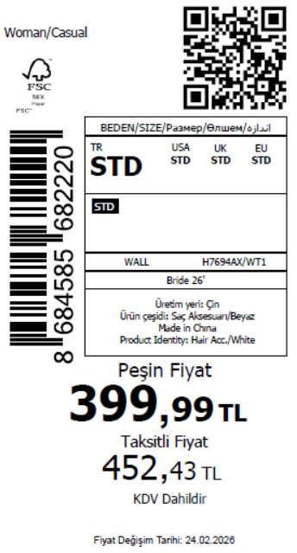 1465
2026-02-17 | H7694AX | NS | 1854701 | BOSNIA | WT1 - WHITE (000) | H7694AXDFASTD | 1 | 5 | 5 | BOSNIA | 8 | 40
2026-02-17 | H7694AX | NS | 1854699 | EGYPT | WT1 - WHITE (000) | H7694AXDFASTD | 1 | 5 | 5 | EGYPT | 15 | 75
2026-02-17 | H7694AX | NS | 1854697 | GEORGIA | WT1 - WHITE (000) | H7694AXDFASTD | 1 | 5 | 5 | GEORGIA | 6 | 30
2026-02-17 | H7694AX | NS | 1854695 | MACEDONIA | WT1 - WHITE (000) | H7694AXDFASTD | 1 | 5 | 5 | MACEDONIA | 6 | 30
2026-02-17 | H7694AX | NS | 1854693 | MOROCCO | WT1 - WHITE (000) | H7694AXDFASTD | 1 | 5 | 5 | MOROCCO | 10 | 50
2026-02-17 | H7694AX | NS | 1854691 | MONTENEGRO | WT1 - WHITE (000) | H7694AXDFASTD | 1 | 5 | 5 | MONTENEGRO | 2 | 10
2026-02-17 | H7694AX | NS | 1854689 | NORTH IRAQ | WT1 - WHITE (000) | H7694AXDFASTD | 1 | 5 | 5 | NORTH IRAQ | 15 | 75
2026-02-17 | H7694AX | NS | 1854686 | SOUTH IRAQ | WT1 - WHITE (000) | H7694AXDFASTD | 1 | 5 | 5 | SOUTH IRAQ | 15 | 75
2026-02-17 | H7694AX | NS | 1854684 | UKRAINE | WT1 - WHITE (000) | H7694AXDFASTD | 1 | 5 | 5 | UKRAINE | 6 | 30
2026-02-17 | H7694AX | NS | 1854682 | UZBEKISTAN | WT1 - WHITE (000) | H7694AXDFASTD | 1 | 5 | 5 | UZBEKISTAN | 6 | 30
2026-02-17 | H7694AX | NS | 1854677 | AZERBAIJAN | WT1 - WHITE (000) | H7694AXDFASTD | 1 | 5 | 5 | AZERBAIJAN | 2 | 10
2026-02-17 | H7694AX | NS | 1854674 | LEBANON | WT1 - WHITE (000) | H7694AXDFASTD | 1 | 5 | 5 | LEBANON | 2 | 10
2026-02-17 | H7694AX | NS | 1854671 | KOSOVO | WT1 - WHITE (000) | H7694AXDFASTD | 1 | 5 | 5 | KOSOVO | 2 | 10
2026-02-17 | H7694AX | NS | 1854667 | SAUDI ARABIA | WT1 - WHITE (000) | H7694AXDFASTD | 1 | 5 | 5 | SAUDI ARABIA | 2 | 10
2026-02-17 | H7694AX | NS | 1854664 | KAZAKHSTAN | WT1 - WHITE (000) | H7694AXKZKASTD | 1 | 5 | 5 | KAZAKHSTAN | 10 | 50 |  | 无稿件
2026-02-17 | H7694AX | NS | 1854662 | TOPTAN-7 | WT1 - WHITE (000) | H7694AXTOP7ASTD | 1 | 5 | 5 | TOPTAN-7 | 10 | 50 |  | 无稿件
2026-02-17 | H7694AX | NS | 1854660-无价格 | İSTANBUL DEPO | WT1 - WHITE (000) | H7694AXECOMASTD | 1 | 5 | 5 | ECOM | 20 | 100
2026-02-17 | H7694AX | NS | 1854679 | DEFACTO PERAKENDE TİC.A.Ş. DEPO Organize San. Bölgesi 6.Depo Kazım Karabekir Mah. Cumhuriyet Cad. Tekirdağ/Çerkezköy Tel:0090 282 758 11 34-35 | WT1 - WHITE (000) | H7694AXDFASTD | 1 | 5 | 5 | TURKEY | 150 | 750
 |  |  |  |  |  |  |  |  |  |  | 293 | 1465

2026-02-17 | H7695AX | NS | 1854705 | ALBANIA | SR4 - SILVER | H7695AXDFASTD | 2 | 5 | 5 | ALBANIA | 6 | 30 | 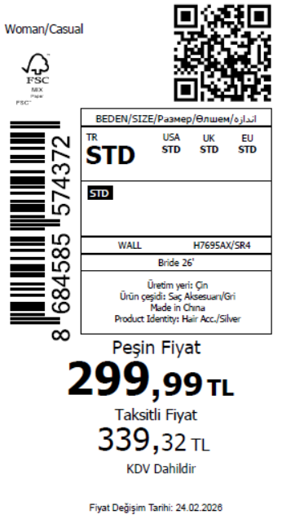 1745
2026-02-17 | H7695AX | NS | 1854704 | BOSNIA | SR4 - SILVER | H7695AXDFASTD | 2 | 5 | 5 | BOSNIA | 8 | 40
2026-02-17 | H7695AX | NS | 1854702 | EGYPT | SR4 - SILVER | H7695AXDFASTD | 2 | 5 | 5 | EGYPT | 15 | 75
2026-02-17 | H7695AX | NS | 1854700 | GEORGIA | SR4 - SILVER | H7695AXDFASTD | 2 | 5 | 5 | GEORGIA | 6 | 30
2026-02-17 | H7695AX | NS | 1854698 | MACEDONIA | SR4 - SILVER | H7695AXDFASTD | 2 | 5 | 5 | MACEDONIA | 6 | 30
2026-02-17 | H7695AX | NS | 1854696 | MOROCCO | SR4 - SILVER | H7695AXDFASTD | 2 | 5 | 5 | MOROCCO | 10 | 50
2026-02-17 | H7695AX | NS | 1854694 | MONTENEGRO | SR4 - SILVER | H7695AXDFASTD | 2 | 5 | 5 | MONTENEGRO | 2 | 10
2026-02-17 | H7695AX | NS | 1854692 | NORTH IRAQ | SR4 - SILVER | H7695AXDFASTD | 2 | 5 | 5 | NORTH IRAQ | 15 | 75
2026-02-17 | H7695AX | NS | 1854690 | SOUTH IRAQ | SR4 - SILVER | H7695AXDFASTD | 2 | 5 | 5 | SOUTH IRAQ | 15 | 75
2026-02-17 | H7695AX | NS | 1854688 | UKRAINE | SR4 - SILVER | H7695AXDFASTD | 2 | 5 | 5 | UKRAINE | 6 | 30
2026-02-17 | H7695AX | NS | 1854687 | UZBEKISTAN | SR4 - SILVER | H7695AXDFASTD | 2 | 5 | 5 | UZBEKISTAN | 6 | 30
2026-02-17 | H7695AX | NS | 1854683 | AZERBAIJAN | SR4 - SILVER | H7695AXDFASTD | 2 | 5 | 5 | AZERBAIJAN | 2 | 10
2026-02-17 | H7695AX | NS | 1854681 | LEBANON | SR4 - SILVER | H7695AXDFASTD | 2 | 5 | 5 | LEBANON | 2 | 10
2026-02-17 | H7695AX | NS | 1854678 | KOSOVO | SR4 - SILVER | H7695AXDFASTD | 2 | 5 | 5 | KOSOVO | 2 | 10
2026-02-17 | H7695AX | NS | 1854675 | SAUDI ARABIA | SR4 - SILVER | H7695AXDFASTD | 2 | 5 | 5 | SAUDI ARABIA | 2 | 10
2026-02-17 | H7695AX | NS | 1854673 | KAZAKHSTAN | SR4 - SILVER | H7695AXKZKASTD | 2 | 5 | 5 | KAZAKHSTAN | 10 | 50 |  | 无稿件
2026-02-17 | H7695AX | NS | 1854670 | TOPTAN-5 | SR4 - SILVER | H7695AXTOP5ASTD | 2 | 5 | 5 | TOPTAN-5 | 6 | 30 |  | 无稿件
2026-02-17 | H7695AX | NS | 1854669 | TOPTAN-7 | SR4 - SILVER | H7695AXTOP7ASTD | 2 | 5 | 5 | TOPTAN-7 | 10 | 50 |  | 无稿件
2026-02-17 | H7695AX | NS | 1854666-无价格 | İSTANBUL DEPO | SR4 - SILVER | H7695AXECOMASTD | 2 | 5 | 5 | ECOM | 20 | 100
2026-02-17 | H7695AX | NS | 1854685 | DEFACTO PERAKENDE TİC.A.Ş. DEPO Organize San. Bölgesi 6.Depo Kazım Karabekir Mah. Cumhuriyet Cad. Tekirdağ/Çerkezköy Tel:0090 282 758 11 34-35 | SR4 - SILVER | H7695AXDFASTD | 2 | 5 | 5 | TURKEY | 200 | 1000
 |  |  |  |  |  |  |  |  |  |  | 349 | 1745

2026-02-17 | H7696AX | NS | 1854777 | ALBANIA | WT1 - WHITE (000) | H7696AXDFASTD | 1 | 5 | 5 | ALBANIA | 6 | 30 | 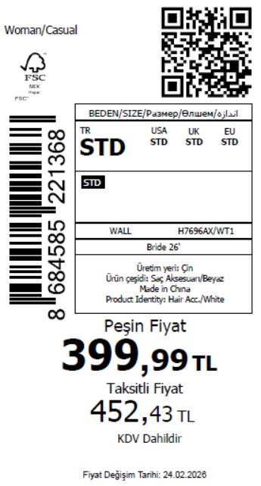 2215
2026-02-17 | H7696AX | NS | 1854774 | BOSNIA | WT1 - WHITE (000) | H7696AXDFASTD | 1 | 5 | 5 | BOSNIA | 8 | 40
2026-02-17 | H7696AX | NS | 1854770 | EGYPT | WT1 - WHITE (000) | H7696AXDFASTD | 1 | 5 | 5 | EGYPT | 15 | 75
2026-02-17 | H7696AX | NS | 1854767 | GEORGIA | WT1 - WHITE (000) | H7696AXDFASTD | 1 | 5 | 5 | GEORGIA | 6 | 30
2026-02-17 | H7696AX | NS | 1854764 | MACEDONIA | WT1 - WHITE (000) | H7696AXDFASTD | 1 | 5 | 5 | MACEDONIA | 6 | 30
2026-02-17 | H7696AX | NS | 1854762 | MOROCCO | WT1 - WHITE (000) | H7696AXDFASTD | 1 | 5 | 5 | MOROCCO | 10 | 50
2026-02-17 | H7696AX | NS | 1854759 | MONTENEGRO | WT1 - WHITE (000) | H7696AXDFASTD | 1 | 5 | 5 | MONTENEGRO | 2 | 10
2026-02-17 | H7696AX | NS | 1854757 | NORTH IRAQ | WT1 - WHITE (000) | H7696AXDFASTD | 1 | 5 | 5 | NORTH IRAQ | 15 | 75
2026-02-17 | H7696AX | NS | 1854755 | SOUTH IRAQ | WT1 - WHITE (000) | H7696AXDFASTD | 1 | 5 | 5 | SOUTH IRAQ | 15 | 75
2026-02-17 | H7696AX | NS | 1854751 | UKRAINE | WT1 - WHITE (000) | H7696AXDFASTD | 1 | 5 | 5 | UKRAINE | 6 | 30
2026-02-17 | H7696AX | NS | 1854747 | UZBEKISTAN | WT1 - WHITE (000) | H7696AXDFASTD | 1 | 5 | 5 | UZBEKISTAN | 6 | 30
2026-02-17 | H7696AX | NS | 1854739 | AZERBAIJAN | WT1 - WHITE (000) | H7696AXDFASTD | 1 | 5 | 5 | AZERBAIJAN | 2 | 10
2026-02-17 | H7696AX | NS | 1854737 | LEBANON | WT1 - WHITE (000) | H7696AXDFASTD | 1 | 5 | 5 | LEBANON | 2 | 10
2026-02-17 | H7696AX | NS | 1854733 | KOSOVO | WT1 - WHITE (000) | H7696AXDFASTD | 1 | 5 | 5 | KOSOVO | 2 | 10
2026-02-17 | H7696AX | NS | 1854729 | SAUDI ARABIA | WT1 - WHITE (000) | H7696AXDFASTD | 1 | 5 | 5 | SAUDI ARABIA | 2 | 10
2026-02-17 | H7696AX | NS | 1854726 | KAZAKHSTAN | WT1 - WHITE (000) | H7696AXKZKASTD | 1 | 5 | 5 | KAZAKHSTAN | 10 | 50 |  | 无稿件
2026-02-17 | H7696AX | NS | 1854722 | TOPTAN-7 | WT1 - WHITE (000) | H7696AXTOP7ASTD | 1 | 5 | 5 | TOPTAN-7 | 10 | 50 |  | 无稿件
2026-02-17 | H7696AX | NS | 1854719-无价格 | İSTANBUL DEPO | WT1 - WHITE (000) | H7696AXECOMASTD | 1 | 5 | 5 | ECOM | 20 | 100
2026-02-17 | H7696AX | NS | 1854744 | DEFACTO PERAKENDE TİC.A.Ş. DEPO Organize San. Bölgesi 6.Depo Kazım Karabekir Mah. Cumhuriyet Cad. Tekirdağ/Çerkezköy Tel:0090 282 758 11 34-35 | WT1 - WHITE (000) | H7696AXDFASTD | 1 | 5 | 5 | TURKEY | 300 | 1500
 |  |  |  |  |  |  |  |  |  |  | 443 | 2215

2026-02-17 | H7697AX | NS | 1854779 | ALBANIA | WT1 - WHITE (000) | H7697AXDFASTD | 3 | 5 | 5 | ALBANIA | 6 | 30 | 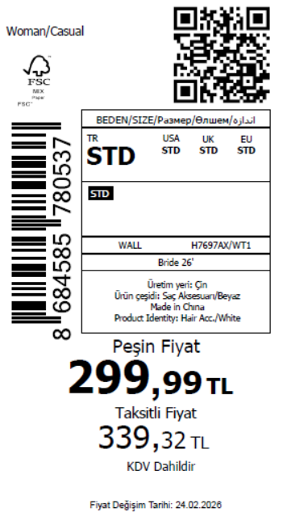 2245
2026-02-17 | H7697AX | NS | 1854776 | BOSNIA | WT1 - WHITE (000) | H7697AXDFASTD | 3 | 5 | 5 | BOSNIA | 8 | 40
2026-02-17 | H7697AX | NS | 1854773 | EGYPT | WT1 - WHITE (000) | H7697AXDFASTD | 3 | 5 | 5 | EGYPT | 15 | 75
2026-02-17 | H7697AX | NS | 1854771 | GEORGIA | WT1 - WHITE (000) | H7697AXDFASTD | 3 | 5 | 5 | GEORGIA | 6 | 30
2026-02-17 | H7697AX | NS | 1854768 | MACEDONIA | WT1 - WHITE (000) | H7697AXDFASTD | 3 | 5 | 5 | MACEDONIA | 6 | 30
2026-02-17 | H7697AX | NS | 1854765 | MOROCCO | WT1 - WHITE (000) | H7697AXDFASTD | 3 | 5 | 5 | MOROCCO | 10 | 50
2026-02-17 | H7697AX | NS | 1854761 | MONTENEGRO | WT1 - WHITE (000) | H7697AXDFASTD | 3 | 5 | 5 | MONTENEGRO | 2 | 10
2026-02-17 | H7697AX | NS | 1854758 | NORTH IRAQ | WT1 - WHITE (000) | H7697AXDFASTD | 3 | 5 | 5 | NORTH IRAQ | 15 | 75
2026-02-17 | H7697AX | NS | 1854754 | SOUTH IRAQ | WT1 - WHITE (000) | H7697AXDFASTD | 3 | 5 | 5 | SOUTH IRAQ | 15 | 75
2026-02-17 | H7697AX | NS | 1854750 | UKRAINE | WT1 - WHITE (000) | H7697AXDFASTD | 3 | 5 | 5 | UKRAINE | 6 | 30
2026-02-17 | H7697AX | NS | 1854746 | UZBEKISTAN | WT1 - WHITE (000) | H7697AXDFASTD | 3 | 5 | 5 | UZBEKISTAN | 6 | 30
2026-02-17 | H7697AX | NS | 1854741 | AZERBAIJAN | WT1 - WHITE (000) | H7697AXDFASTD | 3 | 5 | 5 | AZERBAIJAN | 2 | 10
2026-02-17 | H7697AX | NS | 1854734 | LEBANON | WT1 - WHITE (000) | H7697AXDFASTD | 3 | 5 | 5 | LEBANON | 2 | 10
2026-02-17 | H7697AX | NS | 1854730 | KOSOVO | WT1 - WHITE (000) | H7697AXDFASTD | 3 | 5 | 5 | KOSOVO | 2 | 10
2026-02-17 | H7697AX | NS | 1854725 | SAUDI ARABIA | WT1 - WHITE (000) | H7697AXDFASTD | 3 | 5 | 5 | SAUDI ARABIA | 2 | 10
2026-02-17 | H7697AX | NS | 1854721 | KAZAKHSTAN | WT1 - WHITE (000) | H7697AXKZKASTD | 3 | 5 | 5 | KAZAKHSTAN | 10 | 50 |  | 无稿件
2026-02-17 | H7697AX | NS | 1854717 | TOPTAN-5 | WT1 - WHITE (000) | H7697AXTOP5ASTD | 3 | 5 | 5 | TOPTAN-5 | 6 | 30 |  | 无稿件
2026-02-17 | H7697AX | NS | 1854795 | TOPTAN-7 | WT1 - WHITE (000) | H7697AXTOP7ASTD | 3 | 5 | 5 | TOPTAN-7 | 10 | 50 |  | 无稿件
2026-02-17 | H7697AX | NS | 1854792-无价格 | İSTANBUL DEPO | WT1 - WHITE (000) | H7697AXECOMASTD | 3 | 5 | 5 | ECOM | 20 | 100
2026-02-17 | H7697AX | NS | 1854743 | DEFACTO PERAKENDE TİC.A.Ş. DEPO Organize San. Bölgesi 6.Depo Kazım Karabekir Mah. Cumhuriyet Cad. Tekirdağ/Çerkezköy Tel:0090 282 758 11 34-35 | WT1 - WHITE (000) | H7697AXDFASTD | 3 | 5 | 5 | TURKEY | 300 | 1500
 |  |  |  |  |  |  |  |  |  |  | 449 | 2245

2026-02-17 | H7699AX | NS | 1854861 | KAZAKHSTAN | WT1 - WHITE (000) | H7699AXKZKASTD | 1 | 5 | 5 | KAZAKHSTAN | 10 | 50 | 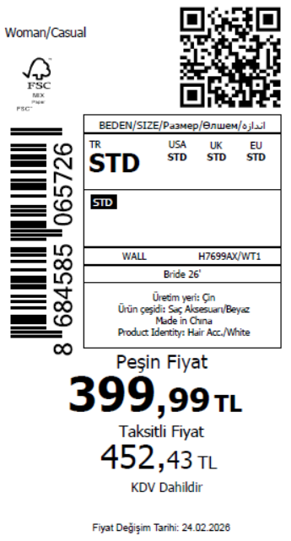 1570 | 无稿件
2026-02-17 | H7699AX | NS | 1854857 | MACEDONIA | WT1 - WHITE (000) | H7699AXDFASTD | 1 | 5 | 5 | MACEDONIA | 6 | 30
2026-02-17 | H7699AX | NS | 1854853 | MOROCCO | WT1 - WHITE (000) | H7699AXDFASTD | 1 | 5 | 5 | MOROCCO | 10 | 50
2026-02-17 | H7699AX | NS | 1854851 | MONTENEGRO | WT1 - WHITE (000) | H7699AXDFASTD | 1 | 5 | 5 | MONTENEGRO | 2 | 10
2026-02-17 | H7699AX | NS | 1854847 | NORTH IRAQ | WT1 - WHITE (000) | H7699AXDFASTD | 1 | 5 | 5 | NORTH IRAQ | 15 | 75
2026-02-17 | H7699AX | NS | 1854843 | SOUTH IRAQ | WT1 - WHITE (000) | H7699AXDFASTD | 1 | 5 | 5 | SOUTH IRAQ | 15 | 75
2026-02-17 | H7699AX | NS | 1854838 | UKRAINE | WT1 - WHITE (000) | H7699AXDFASTD | 1 | 5 | 5 | UKRAINE | 6 | 30
2026-02-17 | H7699AX | NS | 1854834 | UZBEKISTAN | WT1 - WHITE (000) | H7699AXDFASTD | 1 | 5 | 5 | UZBEKISTAN | 6 | 30
2026-02-17 | H7699AX | NS | 1854830 | AZERBAIJAN | WT1 - WHITE (000) | H7699AXDFASTD | 1 | 5 | 5 | AZERBAIJAN | 2 | 10
2026-02-17 | H7699AX | NS | 1854824 | LEBANON | WT1 - WHITE (000) | H7699AXDFASTD | 1 | 5 | 5 | LEBANON | 2 | 10
2026-02-17 | H7699AX | NS | 1854820 | KOSOVO | WT1 - WHITE (000) | H7699AXDFASTD | 1 | 5 | 5 | KOSOVO | 2 | 10
2026-02-17 | H7699AX | NS | 1854816 | SAUDI ARABIA | WT1 - WHITE (000) | H7699AXDFASTD | 1 | 5 | 5 | SAUDI ARABIA | 2 | 10
2026-02-17 | H7699AX | NS | 1854813 | TOPTAN-5 | WT1 - WHITE (000) | H7699AXTOP5ASTD | 1 | 5 | 5 | TOPTAN-5 | 6 | 30 |  | 无稿件
2026-02-17 | H7699AX | NS | 1854810 | TOPTAN-7 | WT1 - WHITE (000) | H7699AXTOP7ASTD | 1 | 5 | 5 | TOPTAN-7 | 10 | 50 |  | 无稿件
2026-02-17 | H7699AX | NS | 1854807-无价格 | İSTANBUL DEPO | WT1 - WHITE (000) | H7699AXECOMASTD | 1 | 5 | 5 | ECOM | 20 | 100
2026-02-17 | H7699AX | NS | 1854832 | DEFACTO PERAKENDE TİC.A.Ş. DEPO Organize San. Bölgesi 6.Depo Kazım Karabekir Mah. Cumhuriyet Cad. Tekirdağ/Çerkezköy Tel:0090 282 758 11 34-35 | WT1 - WHITE (000) | H7699AXDFASTD | 1 | 5 | 5 | TURKEY | 200 | 1000
 |  |  |  |  |  |  |  |  |  |  | 314 | 1570

2026-02-17 | H7700AX | NS | 1854858 | ALBANIA | WT1 - WHITE (000) | H7700AXDFASTD | 1 | 5 | 5 | ALBANIA | 6 | 30 | 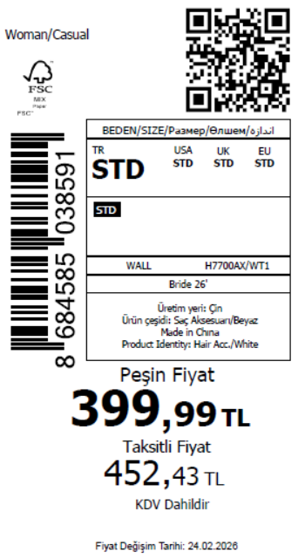 1715
2026-02-17 | H7700AX | NS | 1854854 | BOSNIA | WT1 - WHITE (000) | H7700AXDFASTD | 1 | 5 | 5 | BOSNIA | 8 | 40
2026-02-17 | H7700AX | NS | 1854849 | EGYPT | WT1 - WHITE (000) | H7700AXDFASTD | 1 | 5 | 5 | EGYPT | 15 | 75
2026-02-17 | H7700AX | NS | 1854844 | MACEDONIA | WT1 - WHITE (000) | H7700AXDFASTD | 1 | 5 | 5 | MACEDONIA | 6 | 30
2026-02-17 | H7700AX | NS | 1854840 | MOROCCO | WT1 - WHITE (000) | H7700AXDFASTD | 1 | 5 | 5 | MOROCCO | 10 | 50
2026-02-17 | H7700AX | NS | 1854836 | MONTENEGRO | WT1 - WHITE (000) | H7700AXDFASTD | 1 | 5 | 5 | MONTENEGRO | 2 | 10
2026-02-17 | H7700AX | NS | 1854831 | NORTH IRAQ | WT1 - WHITE (000) | H7700AXDFASTD | 1 | 5 | 5 | NORTH IRAQ | 15 | 75
2026-02-17 | H7700AX | NS | 1854826 | SOUTH IRAQ | WT1 - WHITE (000) | H7700AXDFASTD | 1 | 5 | 5 | SOUTH IRAQ | 15 | 75
2026-02-17 | H7700AX | NS | 1854821 | UKRAINE | WT1 - WHITE (000) | H7700AXDFASTD | 1 | 5 | 5 | UKRAINE | 6 | 30
2026-02-17 | H7700AX | NS | 1854817 | UZBEKISTAN | WT1 - WHITE (000) | H7700AXDFASTD | 1 | 5 | 5 | UZBEKISTAN | 6 | 30
2026-02-17 | H7700AX | NS | 1854812 | AZERBAIJAN | WT1 - WHITE (000) | H7700AXDFASTD | 1 | 5 | 5 | AZERBAIJAN | 2 | 10
2026-02-17 | H7700AX | NS | 1854809 | LEBANON | WT1 - WHITE (000) | H7700AXDFASTD | 1 | 5 | 5 | LEBANON | 2 | 10
2026-02-17 | H7700AX | NS | 1854806 | KOSOVO | WT1 - WHITE (000) | H7700AXDFASTD | 1 | 5 | 5 | KOSOVO | 2 | 10
2026-02-17 | H7700AX | NS | 1854803 | SAUDI ARABIA | WT1 - WHITE (000) | H7700AXDFASTD | 1 | 5 | 5 | SAUDI ARABIA | 2 | 10
2026-02-17 | H7700AX | NS | 1854801 | KAZAKHSTAN | WT1 - WHITE (000) | H7700AXKZKASTD | 1 | 5 | 5 | KAZAKHSTAN | 10 | 50 |  | 无稿件
2026-02-17 | H7700AX | NS | 1854800 | TOPTAN-5 | WT1 - WHITE (000) | H7700AXTOP5ASTD | 1 | 5 | 5 | TOPTAN-5 | 6 | 30 |  | 无稿件
2026-02-17 | H7700AX | NS | 1854799 | TOPTAN-7 | WT1 - WHITE (000) | H7700AXTOP7ASTD | 1 | 5 | 5 | TOPTAN-7 | 10 | 50 |  | 无稿件
2026-02-17 | H7700AX | NS | 1854798-无价格 | İSTANBUL DEPO | WT1 - WHITE (000) | H7700AXECOMASTD | 1 | 5 | 5 | ECOM | 20 | 100
2026-02-17 | H7700AX | NS | 1854815 | DEFACTO PERAKENDE TİC.A.Ş. DEPO Organize San. Bölgesi 6.Depo Kazım Karabekir Mah. Cumhuriyet Cad. Tekirdağ/Çerkezköy Tel:0090 282 758 11 34-35 | WT1 - WHITE (000) | H7700AXDFASTD | 1 | 5 | 5 | TURKEY | 200 | 1000
 |  |  |  |  |  |  |  |  |  |  | 343 | 1715

2026-02-17 | H7701AX | NS | 1854865 | ALBANIA | KR1 - KARMA | H7701AXDFASTD | 1 | 5 | 5 | ALBANIA | 6 | 30 | 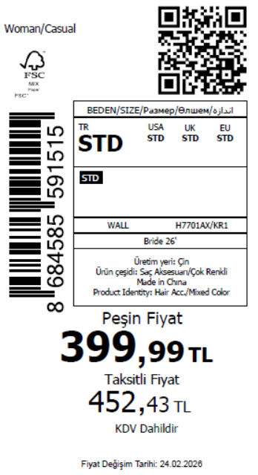 1465
2026-02-17 | H7701AX | NS | 1854863 | BOSNIA | KR1 - KARMA | H7701AXDFASTD | 1 | 5 | 5 | BOSNIA | 8 | 40
2026-02-17 | H7701AX | NS | 1854859 | EGYPT | KR1 - KARMA | H7701AXDFASTD | 1 | 5 | 5 | EGYPT | 15 | 75
2026-02-17 | H7701AX | NS | 1854855 | GEORGIA | KR1 - KARMA | H7701AXDFASTD | 1 | 5 | 5 | GEORGIA | 6 | 30
2026-02-17 | H7701AX | NS | 1854850 | MACEDONIA | KR1 - KARMA | H7701AXDFASTD | 1 | 5 | 5 | MACEDONIA | 6 | 30
2026-02-17 | H7701AX | NS | 1854846 | MOROCCO | KR1 - KARMA | H7701AXDFASTD | 1 | 5 | 5 | MOROCCO | 10 | 50
2026-02-17 | H7701AX | NS | 1854842 | MONTENEGRO | KR1 - KARMA | H7701AXDFASTD | 1 | 5 | 5 | MONTENEGRO | 2 | 10
2026-02-17 | H7701AX | NS | 1854835 | NORTH IRAQ | KR1 - KARMA | H7701AXDFASTD | 1 | 5 | 5 | NORTH IRAQ | 15 | 75
2026-02-17 | H7701AX | NS | 1854828 | SOUTH IRAQ | KR1 - KARMA | H7701AXDFASTD | 1 | 5 | 5 | SOUTH IRAQ | 15 | 75
2026-02-17 | H7701AX | NS | 1854825 | UKRAINE | KR1 - KARMA | H7701AXDFASTD | 1 | 5 | 5 | UKRAINE | 6 | 30
2026-02-17 | H7701AX | NS | 1854822 | UZBEKISTAN | KR1 - KARMA | H7701AXDFASTD | 1 | 5 | 5 | UZBEKISTAN | 6 | 30
2026-02-17 | H7701AX | NS | 1854818 | AZERBAIJAN | KR1 - KARMA | H7701AXDFASTD | 1 | 5 | 5 | AZERBAIJAN | 2 | 10
2026-02-17 | H7701AX | NS | 1854814 | LEBANON | KR1 - KARMA | H7701AXDFASTD | 1 | 5 | 5 | LEBANON | 2 | 10
2026-02-17 | H7701AX | NS | 1854811 | KOSOVO | KR1 - KARMA | H7701AXDFASTD | 1 | 5 | 5 | KOSOVO | 2 | 10
2026-02-17 | H7701AX | NS | 1854808 | SAUDI ARABIA | KR1 - KARMA | H7701AXDFASTD | 1 | 5 | 5 | SAUDI ARABIA | 2 | 10
2026-02-17 | H7701AX | NS | 1854805 | KAZAKHSTAN | KR1 - KARMA | H7701AXKZKASTD | 1 | 5 | 5 | KAZAKHSTAN | 10 | 50 |  | 无稿件
2026-02-17 | H7701AX | NS | 1854804 | TOPTAN-7 | KR1 - KARMA | H7701AXTOP7ASTD | 1 | 5 | 5 | TOPTAN-7 | 10 | 50 |  | 无稿件
2026-02-17 | H7701AX | NS | 1854802-无价格 | İSTANBUL DEPO | KR1 - KARMA | H7701AXECOMASTD | 1 | 5 | 5 | ECOM | 20 | 100
2026-02-17 | H7701AX | NS | 1854819 | DEFACTO PERAKENDE TİC.A.Ş. DEPO Organize San. Bölgesi 6.Depo Kazım Karabekir Mah. Cumhuriyet Cad. Tekirdağ/Çerkezköy Tel:0090 282 758 11 34-35 | KR1 - KARMA | H7701AXDFASTD | 1 | 5 | 5 | TURKEY | 150 | 750
 |  |  |  |  |  |  |  |  |  |  | 293 | 1465

2026-02-17 | H7702AX | NS | 1854970 | ALBANIA | KR1 - KARMA | H7702AXDFASTD | 1 | 5 | 5 | ALBANIA | 6 | 30 | 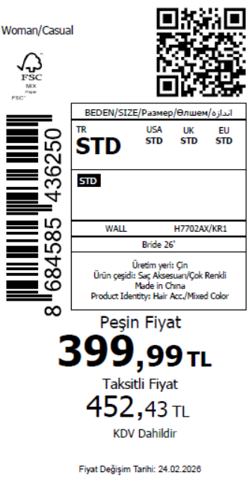 2215
2026-02-17 | H7702AX | NS | 1854965 | BOSNIA | KR1 - KARMA | H7702AXDFASTD | 1 | 5 | 5 | BOSNIA | 8 | 40
2026-02-17 | H7702AX | NS | 1854959 | EGYPT | KR1 - KARMA | H7702AXDFASTD | 1 | 5 | 5 | EGYPT | 15 | 75
2026-02-17 | H7702AX | NS | 1854953 | GEORGIA | KR1 - KARMA | H7702AXDFASTD | 1 | 5 | 5 | GEORGIA | 6 | 30
2026-02-17 | H7702AX | NS | 1854948 | MACEDONIA | KR1 - KARMA | H7702AXDFASTD | 1 | 5 | 5 | MACEDONIA | 6 | 30
2026-02-17 | H7702AX | NS | 1854942 | MOROCCO | KR1 - KARMA | H7702AXDFASTD | 1 | 5 | 5 | MOROCCO | 10 | 50
2026-02-17 | H7702AX | NS | 1854934 | MONTENEGRO | KR1 - KARMA | H7702AXDFASTD | 1 | 5 | 5 | MONTENEGRO | 2 | 10
2026-02-17 | H7702AX | NS | 1854928 | NORTH IRAQ | KR1 - KARMA | H7702AXDFASTD | 1 | 5 | 5 | NORTH IRAQ | 15 | 75
2026-02-17 | H7702AX | NS | 1854924 | SOUTH IRAQ | KR1 - KARMA | H7702AXDFASTD | 1 | 5 | 5 | SOUTH IRAQ | 15 | 75
2026-02-17 | H7702AX | NS | 1854917 | UKRAINE | KR1 - KARMA | H7702AXDFASTD | 1 | 5 | 5 | UKRAINE | 6 | 30
2026-02-17 | H7702AX | NS | 1854908 | UZBEKISTAN | KR1 - KARMA | H7702AXDFASTD | 1 | 5 | 5 | UZBEKISTAN | 6 | 30
2026-02-17 | H7702AX | NS | 1854900 | AZERBAIJAN | KR1 - KARMA | H7702AXDFASTD | 1 | 5 | 5 | AZERBAIJAN | 2 | 10
2026-02-17 | H7702AX | NS | 1854895 | LEBANON | KR1 - KARMA | H7702AXDFASTD | 1 | 5 | 5 | LEBANON | 2 | 10
2026-02-17 | H7702AX | NS | 1854890 | KOSOVO | KR1 - KARMA | H7702AXDFASTD | 1 | 5 | 5 | KOSOVO | 2 | 10
2026-02-17 | H7702AX | NS | 1854886 | SAUDI ARABIA | KR1 - KARMA | H7702AXDFASTD | 1 | 5 | 5 | SAUDI ARABIA | 2 | 10
2026-02-17 | H7702AX | NS | 1854880 | KAZAKHSTAN | KR1 - KARMA | H7702AXKZKASTD | 1 | 5 | 5 | KAZAKHSTAN | 10 | 50 |  | 无稿件
2026-02-17 | H7702AX | NS | 1854879 | TOPTAN-7 | KR1 - KARMA | H7702AXTOP7ASTD | 1 | 5 | 5 | TOPTAN-7 | 10 | 50 |  | 无稿件
2026-02-17 | H7702AX | NS | 1854877-无价格 | İSTANBUL DEPO | KR1 - KARMA | H7702AXECOMASTD | 1 | 5 | 5 | ECOM | 20 | 100
2026-02-17 | H7702AX | NS | 1854903 | DEFACTO PERAKENDE TİC.A.Ş. DEPO Organize San. Bölgesi 6.Depo Kazım Karabekir Mah. Cumhuriyet Cad. Tekirdağ/Çerkezköy Tel:0090 282 758 11 34-35 | KR1 - KARMA | H7702AXDFASTD | 1 | 5 | 5 | TURKEY | 300 | 1500
 |  |  |  |  |  |  |  |  |  |  | 443 | 2215

2026-02-17 | H7703AX | NS | 1854999 | ALBANIA | WT1 - WHITE (000) | H7703AXDFASTD | 1 | 5 | 5 | ALBANIA | 6 | 30 | 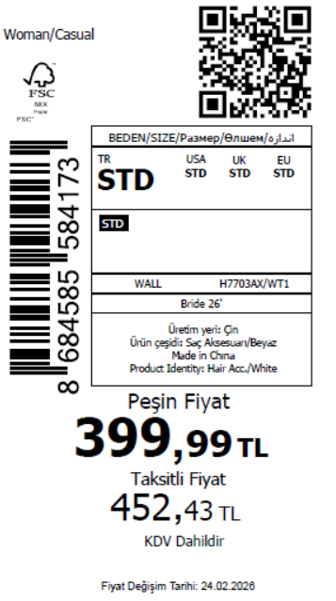 1745
2026-02-17 | H7703AX | NS | 1854993 | BOSNIA | WT1 - WHITE (000) | H7703AXDFASTD | 1 | 5 | 5 | BOSNIA | 8 | 40
2026-02-17 | H7703AX | NS | 1854990 | EGYPT | WT1 - WHITE (000) | H7703AXDFASTD | 1 | 5 | 5 | EGYPT | 15 | 75
2026-02-17 | H7703AX | NS | 1854984 | GEORGIA | WT1 - WHITE (000) | H7703AXDFASTD | 1 | 5 | 5 | GEORGIA | 6 | 30
2026-02-17 | H7703AX | NS | 1854981 | MACEDONIA | WT1 - WHITE (000) | H7703AXDFASTD | 1 | 5 | 5 | MACEDONIA | 6 | 30
2026-02-17 | H7703AX | NS | 1854976 | MOROCCO | WT1 - WHITE (000) | H7703AXDFASTD | 1 | 5 | 5 | MOROCCO | 10 | 50
2026-02-17 | H7703AX | NS | 1854973 | MONTENEGRO | WT1 - WHITE (000) | H7703AXDFASTD | 1 | 5 | 5 | MONTENEGRO | 2 | 10
2026-02-17 | H7703AX | NS | 1854963 | NORTH IRAQ | WT1 - WHITE (000) | H7703AXDFASTD | 1 | 5 | 5 | NORTH IRAQ | 15 | 75
2026-02-17 | H7703AX | NS | 1854957 | SOUTH IRAQ | WT1 - WHITE (000) | H7703AXDFASTD | 1 | 5 | 5 | SOUTH IRAQ | 15 | 75
2026-02-17 | H7703AX | NS | 1854951 | UKRAINE | WT1 - WHITE (000) | H7703AXDFASTD | 1 | 5 | 5 | UKRAINE | 6 | 30
2026-02-17 | H7703AX | NS | 1854946 | UZBEKISTAN | WT1 - WHITE (000) | H7703AXDFASTD | 1 | 5 | 5 | UZBEKISTAN | 6 | 30
2026-02-17 | H7703AX | NS | 1854935 | AZERBAIJAN | WT1 - WHITE (000) | H7703AXDFASTD | 1 | 5 | 5 | AZERBAIJAN | 2 | 10
2026-02-17 | H7703AX | NS | 1854931 | LEBANON | WT1 - WHITE (000) | H7703AXDFASTD | 1 | 5 | 5 | LEBANON | 2 | 10
2026-02-17 | H7703AX | NS | 1854925 | KOSOVO | WT1 - WHITE (000) | H7703AXDFASTD | 1 | 5 | 5 | KOSOVO | 2 | 10
2026-02-17 | H7703AX | NS | 1854920 | SAUDI ARABIA | WT1 - WHITE (000) | H7703AXDFASTD | 1 | 5 | 5 | SAUDI ARABIA | 2 | 10
2026-02-17 | H7703AX | NS | 1854914 | KAZAKHSTAN | WT1 - WHITE (000) | H7703AXKZKASTD | 1 | 5 | 5 | KAZAKHSTAN | 10 | 50 |  | 无稿件
2026-02-17 | H7703AX | NS | 1854910 | TOPTAN-5 | WT1 - WHITE (000) | H7703AXTOP5ASTD | 1 | 5 | 5 | TOPTAN-5 | 6 | 30 |  | 无稿件
2026-02-17 | H7703AX | NS | 1854906 | TOPTAN-7 | WT1 - WHITE (000) | H7703AXTOP7ASTD | 1 | 5 | 5 | TOPTAN-7 | 10 | 50 |  | 无稿件
2026-02-17 | H7703AX | NS | 1854902-无价格 | İSTANBUL DEPO | WT1 - WHITE (000) | H7703AXECOMASTD | 1 | 5 | 5 | ECOM | 20 | 100
2026-02-17 | H7703AX | NS | 1854944 | DEFACTO PERAKENDE TİC.A.Ş. DEPO Organize San. Bölgesi 6.Depo Kazım Karabekir Mah. Cumhuriyet Cad. Tekirdağ/Çerkezköy Tel:0090 282 758 11 34-35 | WT1 - WHITE (000) | H7703AXDFASTD | 1 | 5 | 5 | TURKEY | 200 | 1000
 |  |  |  |  |  |  |  |  |  |  | 349 | 1745

2026-02-17 | H7704AX | NS | 1855013 | ALBANIA | WT1 - WHITE (000) | H7704AXDFASTD | 1 | 5 | 5 | ALBANIA | 6 | 30 | 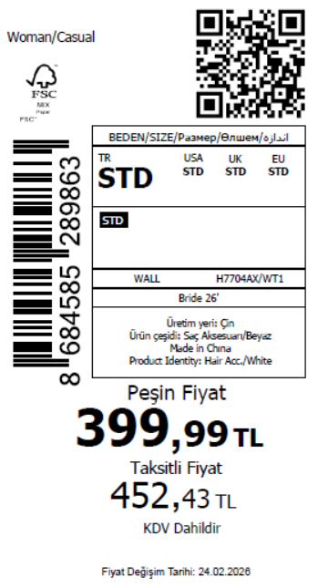 2245
2026-02-17 | H7704AX | NS | 1855010 | BOSNIA | WT1 - WHITE (000) | H7704AXDFASTD | 1 | 5 | 5 | BOSNIA | 8 | 40
2026-02-17 | H7704AX | NS | 1855007 | EGYPT | WT1 - WHITE (000) | H7704AXDFASTD | 1 | 5 | 5 | EGYPT | 15 | 75
2026-02-17 | H7704AX | NS | 1855005 | GEORGIA | WT1 - WHITE (000) | H7704AXDFASTD | 1 | 5 | 5 | GEORGIA | 6 | 30
2026-02-17 | H7704AX | NS | 1855003 | MACEDONIA | WT1 - WHITE (000) | H7704AXDFASTD | 1 | 5 | 5 | MACEDONIA | 6 | 30
2026-02-17 | H7704AX | NS | 1855002 | MOROCCO | WT1 - WHITE (000) | H7704AXDFASTD | 1 | 5 | 5 | MOROCCO | 10 | 50
2026-02-17 | H7704AX | NS | 1854998 | MONTENEGRO | WT1 - WHITE (000) | H7704AXDFASTD | 1 | 5 | 5 | MONTENEGRO | 2 | 10
2026-02-17 | H7704AX | NS | 1854995 | NORTH IRAQ | WT1 - WHITE (000) | H7704AXDFASTD | 1 | 5 | 5 | NORTH IRAQ | 15 | 75
2026-02-17 | H7704AX | NS | 1854991 | SOUTH IRAQ | WT1 - WHITE (000) | H7704AXDFASTD | 1 | 5 | 5 | SOUTH IRAQ | 15 | 75
2026-02-17 | H7704AX | NS | 1854989 | UKRAINE | WT1 - WHITE (000) | H7704AXDFASTD | 1 | 5 | 5 | UKRAINE | 6 | 30
2026-02-17 | H7704AX | NS | 1854987 | UZBEKISTAN | WT1 - WHITE (000) | H7704AXDFASTD | 1 | 5 | 5 | UZBEKISTAN | 6 | 30
2026-02-17 | H7704AX | NS | 1854983 | AZERBAIJAN | WT1 - WHITE (000) | H7704AXDFASTD | 1 | 5 | 5 | AZERBAIJAN | 2 | 10
2026-02-17 | H7704AX | NS | 1854979 | LEBANON | WT1 - WHITE (000) | H7704AXDFASTD | 1 | 5 | 5 | LEBANON | 2 | 10
2026-02-17 | H7704AX | NS | 1854977 | KOSOVO | WT1 - WHITE (000) | H7704AXDFASTD | 1 | 5 | 5 | KOSOVO | 2 | 10
2026-02-17 | H7704AX | NS | 1854974 | SAUDI ARABIA | WT1 - WHITE (000) | H7704AXDFASTD | 1 | 5 | 5 | SAUDI ARABIA | 2 | 10
2026-02-17 | H7704AX | NS | 1854971 | KAZAKHSTAN | WT1 - WHITE (000) | H7704AXKZKASTD | 1 | 5 | 5 | KAZAKHSTAN | 10 | 50 |  | 无稿件
2026-02-17 | H7704AX | NS | 1854967 | TOPTAN-5 | WT1 - WHITE (000) | H7704AXTOP5ASTD | 1 | 5 | 5 | TOPTAN-5 | 6 | 30 |  | 无稿件
2026-02-17 | H7704AX | NS | 1854941 | TOPTAN-7 | WT1 - WHITE (000) | H7704AXTOP7ASTD | 1 | 5 | 5 | TOPTAN-7 | 10 | 50 |  | 无稿件
2026-02-17 | H7704AX | NS | 1854936-无价格 | İSTANBUL DEPO | WT1 - WHITE (000) | H7704AXECOMASTD | 1 | 5 | 5 | ECOM | 20 | 100
2026-02-17 | H7704AX | NS | 1854986 | DEFACTO PERAKENDE TİC.A.Ş. DEPO Organize San. Bölgesi 6.Depo Kazım Karabekir Mah. Cumhuriyet Cad. Tekirdağ/Çerkezköy Tel:0090 282 758 11 34-35 | WT1 - WHITE (000) | H7704AXDFASTD | 1 | 5 | 5 | TURKEY | 300 | 1500
 |  |  |  |  |  |  |  |  |  |  | 449 | 2245

2026-02-17 | H7705AX | NS | 1855280 | DEFACTO PERAKENDE TİC.A.Ş. DEPO Organize San. Bölgesi 6.Depo Kazım Karabekir Mah. Cumhuriyet Cad. Tekirdağ/Çerkezköy Tel:0090 282 758 11 34-35 | WT1 - WHITE (000) | H7705AXDFASTD | 1 | 5 | 5 | TURKEY | 100 | 500 | 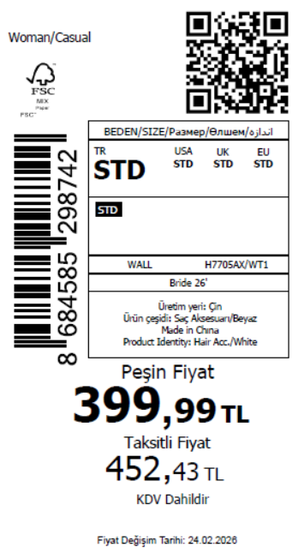 640
2026-02-17 | H7705AX | NS | 1855278 | AZERBAIJAN | WT1 - WHITE (000) | H7705AXDFASTD | 1 | 5 | 5 | AZERBAIJAN | 2 | 10
2026-02-17 | H7705AX | NS | 1855276 | LEBANON | WT1 - WHITE (000) | H7705AXDFASTD | 1 | 5 | 5 | LEBANON | 2 | 10
2026-02-17 | H7705AX | NS | 1855272 | KOSOVO | WT1 - WHITE (000) | H7705AXDFASTD | 1 | 5 | 5 | KOSOVO | 2 | 10
2026-02-17 | H7705AX | NS | 1855270 | SAUDI ARABIA | WT1 - WHITE (000) | H7705AXDFASTD | 1 | 5 | 5 | SAUDI ARABIA | 2 | 10
2026-02-17 | H7705AX | NS | 1855267-无价格 | İSTANBUL DEPO | WT1 - WHITE (000) | H7705AXECOMASTD | 1 | 5 | 5 | ECOM | 20 | 100
 |  |  |  |  |  |  |  |  |  |  | 128 | 640

2026-02-17 | H7706AX | NS | 1855027 | ALBANIA | WT1 - WHITE (000) | H7706AXDFASTD | 2 | 5 | 5 | ALBANIA | 6 | 30 | 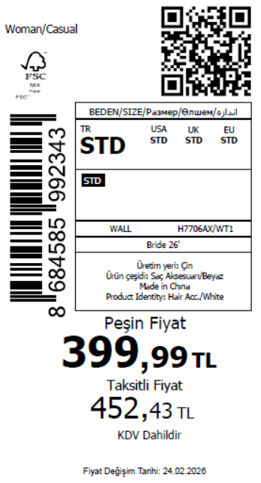 2245
2026-02-17 | H7706AX | NS | 1855026 | BOSNIA | WT1 - WHITE (000) | H7706AXDFASTD | 2 | 5 | 5 | BOSNIA | 8 | 40
2026-02-17 | H7706AX | NS | 1855025 | EGYPT | WT1 - WHITE (000) | H7706AXDFASTD | 2 | 5 | 5 | EGYPT | 15 | 75
2026-02-17 | H7706AX | NS | 1855024 | GEORGIA | WT1 - WHITE (000) | H7706AXDFASTD | 2 | 5 | 5 | GEORGIA | 6 | 30
2026-02-17 | H7706AX | NS | 1855023 | MACEDONIA | WT1 - WHITE (000) | H7706AXDFASTD | 2 | 5 | 5 | MACEDONIA | 6 | 30
2026-02-17 | H7706AX | NS | 1855022 | MOROCCO | WT1 - WHITE (000) | H7706AXDFASTD | 2 | 5 | 5 | MOROCCO | 10 | 50
2026-02-17 | H7706AX | NS | 1855021 | MONTENEGRO | WT1 - WHITE (000) | H7706AXDFASTD | 2 | 5 | 5 | MONTENEGRO | 2 | 10
2026-02-17 | H7706AX | NS | 1855020 | NORTH IRAQ | WT1 - WHITE (000) | H7706AXDFASTD | 2 | 5 | 5 | NORTH IRAQ | 15 | 75
2026-02-17 | H7706AX | NS | 1855019 | SOUTH IRAQ | WT1 - WHITE (000) | H7706AXDFASTD | 2 | 5 | 5 | SOUTH IRAQ | 15 | 75
2026-02-17 | H7706AX | NS | 1855018 | UKRAINE | WT1 - WHITE (000) | H7706AXDFASTD | 2 | 5 | 5 | UKRAINE | 6 | 30
2026-02-17 | H7706AX | NS | 1855017 | UZBEKISTAN | WT1 - WHITE (000) | H7706AXDFASTD | 2 | 5 | 5 | UZBEKISTAN | 6 | 30
2026-02-17 | H7706AX | NS | 1855015 | AZERBAIJAN | WT1 - WHITE (000) | H7706AXDFASTD | 2 | 5 | 5 | AZERBAIJAN | 2 | 10
2026-02-17 | H7706AX | NS | 1855014 | LEBANON | WT1 - WHITE (000) | H7706AXDFASTD | 2 | 5 | 5 | LEBANON | 2 | 10
2026-02-17 | H7706AX | NS | 1855012 | KOSOVO | WT1 - WHITE (000) | H7706AXDFASTD | 2 | 5 | 5 | KOSOVO | 2 | 10
2026-02-17 | H7706AX | NS | 1855011 | SAUDI ARABIA | WT1 - WHITE (000) | H7706AXDFASTD | 2 | 5 | 5 | SAUDI ARABIA | 2 | 10
2026-02-17 | H7706AX | NS | 1855009 | KAZAKHSTAN | WT1 - WHITE (000) | H7706AXKZKASTD | 2 | 5 | 5 | KAZAKHSTAN | 10 | 50 |  | 无稿件
2026-02-17 | H7706AX | NS | 1855008 | TOPTAN-5 | WT1 - WHITE (000) | H7706AXTOP5ASTD | 2 | 5 | 5 | TOPTAN-5 | 6 | 30 |  | 无稿件
2026-02-17 | H7706AX | NS | 1855006 | TOPTAN-7 | WT1 - WHITE (000) | H7706AXTOP7ASTD | 2 | 5 | 5 | TOPTAN-7 | 10 | 50 |  | 无稿件
2026-02-17 | H7706AX | NS | 1855004-无价格 | İSTANBUL DEPO | WT1 - WHITE (000) | H7706AXECOMASTD | 2 | 5 | 5 | ECOM | 20 | 100
2026-02-17 | H7706AX | NS | 1855016 | DEFACTO PERAKENDE TİC.A.Ş. DEPO Organize San. Bölgesi 6.Depo Kazım Karabekir Mah. Cumhuriyet Cad. Tekirdağ/Çerkezköy Tel:0090 282 758 11 34-35 | WT1 - WHITE (000) | H7706AXDFASTD | 2 | 5 | 5 | TURKEY | 300 | 1500
 |  |  |  |  |  |  |  |  |  |  | 449 | 2245

2026-02-17 | H7707AX | NS | 1855111 | ALBANIA | WT1 - WHITE (000) | H7707AXDFASTD | 1 | 5 | 5 | ALBANIA | 6 | 30 | 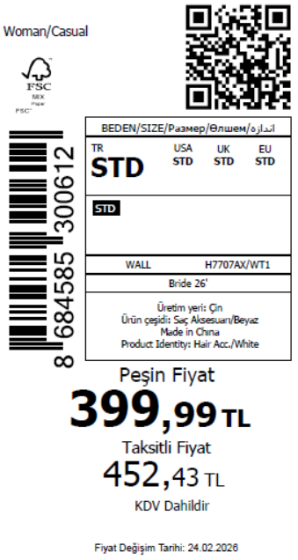 1745
2026-02-17 | H7707AX | NS | 1855109 | BOSNIA | WT1 - WHITE (000) | H7707AXDFASTD | 1 | 5 | 5 | BOSNIA | 8 | 40
2026-02-17 | H7707AX | NS | 1855106 | EGYPT | WT1 - WHITE (000) | H7707AXDFASTD | 1 | 5 | 5 | EGYPT | 15 | 75
2026-02-17 | H7707AX | NS | 1855101 | GEORGIA | WT1 - WHITE (000) | H7707AXDFASTD | 1 | 5 | 5 | GEORGIA | 6 | 30
2026-02-17 | H7707AX | NS | 1855097 | MACEDONIA | WT1 - WHITE (000) | H7707AXDFASTD | 1 | 5 | 5 | MACEDONIA | 6 | 30
2026-02-17 | H7707AX | NS | 1855093 | MOROCCO | WT1 - WHITE (000) | H7707AXDFASTD | 1 | 5 | 5 | MOROCCO | 10 | 50
2026-02-17 | H7707AX | NS | 1855088 | MONTENEGRO | WT1 - WHITE (000) | H7707AXDFASTD | 1 | 5 | 5 | MONTENEGRO | 2 | 10
2026-02-17 | H7707AX | NS | 1855082 | NORTH IRAQ | WT1 - WHITE (000) | H7707AXDFASTD | 1 | 5 | 5 | NORTH IRAQ | 15 | 75
2026-02-17 | H7707AX | NS | 1855077 | SOUTH IRAQ | WT1 - WHITE (000) | H7707AXDFASTD | 1 | 5 | 5 | SOUTH IRAQ | 15 | 75
2026-02-17 | H7707AX | NS | 1855072 | UKRAINE | WT1 - WHITE (000) | H7707AXDFASTD | 1 | 5 | 5 | UKRAINE | 6 | 30
2026-02-17 | H7707AX | NS | 1855069 | UZBEKISTAN | WT1 - WHITE (000) | H7707AXDFASTD | 1 | 5 | 5 | UZBEKISTAN | 6 | 30
2026-02-17 | H7707AX | NS | 1855061 | AZERBAIJAN | WT1 - WHITE (000) | H7707AXDFASTD | 1 | 5 | 5 | AZERBAIJAN | 2 | 10
2026-02-17 | H7707AX | NS | 1855057 | LEBANON | WT1 - WHITE (000) | H7707AXDFASTD | 1 | 5 | 5 | LEBANON | 2 | 10
2026-02-17 | H7707AX | NS | 1855053 | KOSOVO | WT1 - WHITE (000) | H7707AXDFASTD | 1 | 5 | 5 | KOSOVO | 2 | 10
2026-02-17 | H7707AX | NS | 1855049 | SAUDI ARABIA | WT1 - WHITE (000) | H7707AXDFASTD | 1 | 5 | 5 | SAUDI ARABIA | 2 | 10
2026-02-17 | H7707AX | NS | 1855045 | KAZAKHSTAN | WT1 - WHITE (000) | H7707AXKZKASTD | 1 | 5 | 5 | KAZAKHSTAN | 10 | 50 |  | 无稿件
2026-02-17 | H7707AX | NS | 1855041 | TOPTAN-5 | WT1 - WHITE (000) | H7707AXTOP5ASTD | 1 | 5 | 5 | TOPTAN-5 | 6 | 30 |  | 无稿件
2026-02-17 | H7707AX | NS | 1855038 | TOPTAN-7 | WT1 - WHITE (000) | H7707AXTOP7ASTD | 1 | 5 | 5 | TOPTAN-7 | 10 | 50 |  | 无稿件
2026-02-17 | H7707AX | NS | 1855036-无价格 | İSTANBUL DEPO | WT1 - WHITE (000) | H7707AXECOMASTD | 1 | 5 | 5 | ECOM | 20 | 100
2026-02-17 | H7707AX | NS | 1855065 | DEFACTO PERAKENDE TİC.A.Ş. DEPO Organize San. Bölgesi 6.Depo Kazım Karabekir Mah. Cumhuriyet Cad. Tekirdağ/Çerkezköy Tel:0090 282 758 11 34-35 | WT1 - WHITE (000) | H7707AXDFASTD | 1 | 5 | 5 | TURKEY | 200 | 1000
 |  |  |  |  |  |  |  |  |  |  | 349 | 1745

2026-02-17 | H7708AX | NS | 1855108 | ALBANIA | WT1 - WHITE (000) | H7708AXDFASTD | 1 | 5 | 5 | ALBANIA | 6 | 30 | 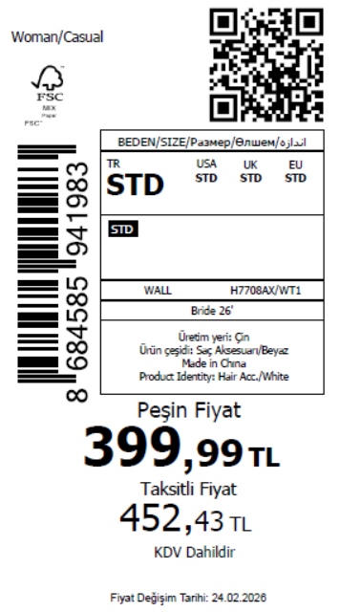 1745
2026-02-17 | H7708AX | NS | 1855103 | BOSNIA | WT1 - WHITE (000) | H7708AXDFASTD | 1 | 5 | 5 | BOSNIA | 8 | 40
2026-02-17 | H7708AX | NS | 1855099 | EGYPT | WT1 - WHITE (000) | H7708AXDFASTD | 1 | 5 | 5 | EGYPT | 15 | 75
2026-02-17 | H7708AX | NS | 1855094 | GEORGIA | WT1 - WHITE (000) | H7708AXDFASTD | 1 | 5 | 5 | GEORGIA | 6 | 30
2026-02-17 | H7708AX | NS | 1855091 | MACEDONIA | WT1 - WHITE (000) | H7708AXDFASTD | 1 | 5 | 5 | MACEDONIA | 6 | 30
2026-02-17 | H7708AX | NS | 1855086 | MOROCCO | WT1 - WHITE (000) | H7708AXDFASTD | 1 | 5 | 5 | MOROCCO | 10 | 50
2026-02-17 | H7708AX | NS | 1855080 | MONTENEGRO | WT1 - WHITE (000) | H7708AXDFASTD | 1 | 5 | 5 | MONTENEGRO | 2 | 10
2026-02-17 | H7708AX | NS | 1855075 | NORTH IRAQ | WT1 - WHITE (000) | H7708AXDFASTD | 1 | 5 | 5 | NORTH IRAQ | 15 | 75
2026-02-17 | H7708AX | NS | 1855067 | SOUTH IRAQ | WT1 - WHITE (000) | H7708AXDFASTD | 1 | 5 | 5 | SOUTH IRAQ | 15 | 75
2026-02-17 | H7708AX | NS | 1855063 | UKRAINE | WT1 - WHITE (000) | H7708AXDFASTD | 1 | 5 | 5 | UKRAINE | 6 | 30
2026-02-17 | H7708AX | NS | 1855058 | UZBEKISTAN | WT1 - WHITE (000) | H7708AXDFASTD | 1 | 5 | 5 | UZBEKISTAN | 6 | 30
2026-02-17 | H7708AX | NS | 1855052 | AZERBAIJAN | WT1 - WHITE (000) | H7708AXDFASTD | 1 | 5 | 5 | AZERBAIJAN | 2 | 10
2026-02-17 | H7708AX | NS | 1855048 | LEBANON | WT1 - WHITE (000) | H7708AXDFASTD | 1 | 5 | 5 | LEBANON | 2 | 10
2026-02-17 | H7708AX | NS | 1855044 | KOSOVO | WT1 - WHITE (000) | H7708AXDFASTD | 1 | 5 | 5 | KOSOVO | 2 | 10
2026-02-17 | H7708AX | NS | 1855039 | SAUDI ARABIA | WT1 - WHITE (000) | H7708AXDFASTD | 1 | 5 | 5 | SAUDI ARABIA | 2 | 10
2026-02-17 | H7708AX | NS | 1855035 | KAZAKHSTAN | WT1 - WHITE (000) | H7708AXKZKASTD | 1 | 5 | 5 | KAZAKHSTAN | 10 | 50 |  | 无稿件
2026-02-17 | H7708AX | NS | 1855033 | TOPTAN-5 | WT1 - WHITE (000) | H7708AXTOP5ASTD | 1 | 5 | 5 | TOPTAN-5 | 6 | 30 |  | 无稿件
2026-02-17 | H7708AX | NS | 1855031 | TOPTAN-7 | WT1 - WHITE (000) | H7708AXTOP7ASTD | 1 | 5 | 5 | TOPTAN-7 | 10 | 50 |  | 无稿件
2026-02-17 | H7708AX | NS | 1855030-无价格 | İSTANBUL DEPO | WT1 - WHITE (000) | H7708AXECOMASTD | 1 | 5 | 5 | ECOM | 20 | 100
2026-02-17 | H7708AX | NS | 1855055 | DEFACTO PERAKENDE TİC.A.Ş. DEPO Organize San. Bölgesi 6.Depo Kazım Karabekir Mah. Cumhuriyet Cad. Tekirdağ/Çerkezköy Tel:0090 282 758 11 34-35 | WT1 - WHITE (000) | H7708AXDFASTD | 1 | 5 | 5 | TURKEY | 200 | 1000
 |  |  |  |  |  |  |  |  |  |  | 349 | 1745

2026-02-17 | H7709AX | NS | 1855292 | ALBANIA | KR1 - KARMA | H7709AXDFASTD | 1 | 5 | 5 | ALBANIA | 6 | 30 | 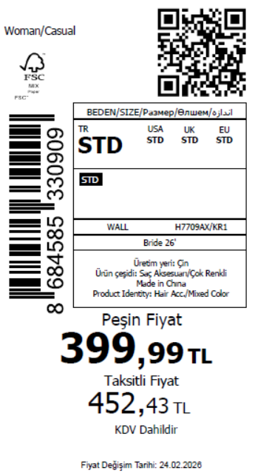 1495
2026-02-17 | H7709AX | NS | 1855287 | BOSNIA | KR1 - KARMA | H7709AXDFASTD | 1 | 5 | 5 | BOSNIA | 8 | 40
2026-02-17 | H7709AX | NS | 1855285 | EGYPT | KR1 - KARMA | H7709AXDFASTD | 1 | 5 | 5 | EGYPT | 15 | 75
2026-02-17 | H7709AX | NS | 1855283 | GEORGIA | KR1 - KARMA | H7709AXDFASTD | 1 | 5 | 5 | GEORGIA | 6 | 30
2026-02-17 | H7709AX | NS | 1855282 | MACEDONIA | KR1 - KARMA | H7709AXDFASTD | 1 | 5 | 5 | MACEDONIA | 6 | 30
2026-02-17 | H7709AX | NS | 1855281 | MOROCCO | KR1 - KARMA | H7709AXDFASTD | 1 | 5 | 5 | MOROCCO | 10 | 50
2026-02-17 | H7709AX | NS | 1855279 | MONTENEGRO | KR1 - KARMA | H7709AXDFASTD | 1 | 5 | 5 | MONTENEGRO | 2 | 10
2026-02-17 | H7709AX | NS | 1855277 | NORTH IRAQ | KR1 - KARMA | H7709AXDFASTD | 1 | 5 | 5 | NORTH IRAQ | 15 | 75
2026-02-17 | H7709AX | NS | 1855275 | SOUTH IRAQ | KR1 - KARMA | H7709AXDFASTD | 1 | 5 | 5 | SOUTH IRAQ | 15 | 75
2026-02-17 | H7709AX | NS | 1855273 | UKRAINE | KR1 - KARMA | H7709AXDFASTD | 1 | 5 | 5 | UKRAINE | 6 | 30
2026-02-17 | H7709AX | NS | 1855268 | UZBEKISTAN | KR1 - KARMA | H7709AXDFASTD | 1 | 5 | 5 | UZBEKISTAN | 6 | 30
2026-02-17 | H7709AX | NS | 1855265 | AZERBAIJAN | KR1 - KARMA | H7709AXDFASTD | 1 | 5 | 5 | AZERBAIJAN | 2 | 10
2026-02-17 | H7709AX | NS | 1855264 | LEBANON | KR1 - KARMA | H7709AXDFASTD | 1 | 5 | 5 | LEBANON | 2 | 10
2026-02-17 | H7709AX | NS | 1855263 | KOSOVO | KR1 - KARMA | H7709AXDFASTD | 1 | 5 | 5 | KOSOVO | 2 | 10
2026-02-17 | H7709AX | NS | 1855262 | SAUDI ARABIA | KR1 - KARMA | H7709AXDFASTD | 1 | 5 | 5 | SAUDI ARABIA | 2 | 10
2026-02-17 | H7709AX | NS | 1855261 | KAZAKHSTAN | KR1 - KARMA | H7709AXKZKASTD | 1 | 5 | 5 | KAZAKHSTAN | 10 | 50 |  | 无稿件
2026-02-17 | H7709AX | NS | 1855260 | TOPTAN-5 | KR1 - KARMA | H7709AXTOP5ASTD | 1 | 5 | 5 | TOPTAN-5 | 6 | 30 |  | 无稿件
2026-02-17 | H7709AX | NS | 1855259 | TOPTAN-7 | KR1 - KARMA | H7709AXTOP7ASTD | 1 | 5 | 5 | TOPTAN-7 | 10 | 50 |  | 无稿件
2026-02-17 | H7709AX | NS | 1855258-无价格 | İSTANBUL DEPO | KR1 - KARMA | H7709AXECOMASTD | 1 | 5 | 5 | ECOM | 20 | 100
2026-02-17 | H7709AX | NS | 1855266 | DEFACTO PERAKENDE TİC.A.Ş. DEPO Organize San. Bölgesi 6.Depo Kazım Karabekir Mah. Cumhuriyet Cad. Tekirdağ/Çerkezköy Tel:0090 282 758 11 34-35 | KR1 - KARMA | H7709AXDFASTD | 1 | 5 | 5 | TURKEY | 150 | 750
 |  |  |  |  |  |  |  |  |  |  | 299 | 1495

2026-02-17 | H7710AX | NS | 1855122 | ALBANIA | SR4 - SILVER | H7710AXDFASTD | 1 | 5 | 5 | ALBANIA | 3 | 15 | 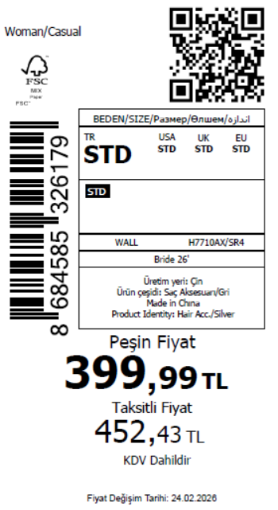 935
2026-02-17 | H7710AX | NS | 1855119 | BOSNIA | SR4 - SILVER | H7710AXDFASTD | 1 | 5 | 5 | BOSNIA | 4 | 20
2026-02-17 | H7710AX | NS | 1855116 | EGYPT | SR4 - SILVER | H7710AXDFASTD | 1 | 5 | 5 | EGYPT | 8 | 40
2026-02-17 | H7710AX | NS | 1855115 | GEORGIA | SR4 - SILVER | H7710AXDFASTD | 1 | 5 | 5 | GEORGIA | 3 | 15
2026-02-17 | H7710AX | NS | 1855114 | MACEDONIA | SR4 - SILVER | H7710AXDFASTD | 1 | 5 | 5 | MACEDONIA | 3 | 15
2026-02-17 | H7710AX | NS | 1855113 | MOROCCO | SR4 - SILVER | H7710AXDFASTD | 1 | 5 | 5 | MOROCCO | 5 | 25
2026-02-17 | H7710AX | NS | 1855112 | MONTENEGRO | SR4 - SILVER | H7710AXDFASTD | 1 | 5 | 5 | MONTENEGRO | 1 | 5
2026-02-17 | H7710AX | NS | 1855110 | NORTH IRAQ | SR4 - SILVER | H7710AXDFASTD | 1 | 5 | 5 | NORTH IRAQ | 8 | 40
2026-02-17 | H7710AX | NS | 1855107 | SOUTH IRAQ | SR4 - SILVER | H7710AXDFASTD | 1 | 5 | 5 | SOUTH IRAQ | 8 | 40
2026-02-17 | H7710AX | NS | 1855104 | UKRAINE | SR4 - SILVER | H7710AXDFASTD | 1 | 5 | 5 | UKRAINE | 3 | 15
2026-02-17 | H7710AX | NS | 1855102 | UZBEKISTAN | SR4 - SILVER | H7710AXDFASTD | 1 | 5 | 5 | UZBEKISTAN | 3 | 15
2026-02-17 | H7710AX | NS | 1855092 | AZERBAIJAN | SR4 - SILVER | H7710AXDFASTD | 1 | 5 | 5 | AZERBAIJAN | 2 | 10
2026-02-17 | H7710AX | NS | 1855087 | LEBANON | SR4 - SILVER | H7710AXDFASTD | 1 | 5 | 5 | LEBANON | 2 | 10
2026-02-17 | H7710AX | NS | 1855083 | KOSOVO | SR4 - SILVER | H7710AXDFASTD | 1 | 5 | 5 | KOSOVO | 2 | 10
2026-02-17 | H7710AX | NS | 1855078 | SAUDI ARABIA | SR4 - SILVER | H7710AXDFASTD | 1 | 5 | 5 | SAUDI ARABIA | 2 | 10
2026-02-17 | H7710AX | NS | 1855076 | KAZAKHSTAN | SR4 - SILVER | H7710AXKZKASTD | 1 | 5 | 5 | KAZAKHSTAN | 5 | 25 |  | 无稿件
2026-02-17 | H7710AX | NS | 1855071 | TOPTAN-7 | SR4 - SILVER | H7710AXTOP7ASTD | 1 | 5 | 5 | TOPTAN-7 | 5 | 25 |  | 无稿件
2026-02-17 | H7710AX | NS | 1855068-无价格 | İSTANBUL DEPO | SR4 - SILVER | H7710AXECOMASTD | 1 | 5 | 5 | ECOM | 20 | 100
2026-02-17 | H7710AX | NS | 1855098 | DEFACTO PERAKENDE TİC.A.Ş. DEPO Organize San. Bölgesi 6.Depo Kazım Karabekir Mah. Cumhuriyet Cad. Tekirdağ/Çerkezköy Tel:0090 282 758 11 34-35 | SR4 - SILVER | H7710AXDFASTD | 1 | 5 | 5 | TURKEY | 100 | 500
 |  |  |  |  |  |  |  |  |  |  | 187 | 935

2026-02-17 | H7711AX | NS | 1855142 | ALBANIA | SR4 - SILVER | H7711AXDFASTD | 1 | 5 | 5 | ALBANIA | 3 | 15 | 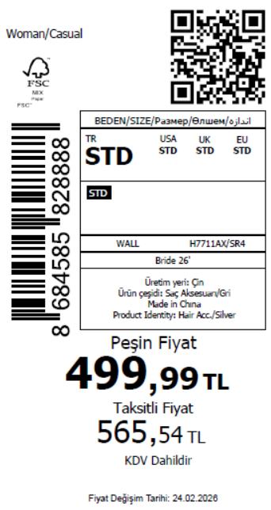 935
2026-02-17 | H7711AX | NS | 1855140 | BOSNIA | SR4 - SILVER | H7711AXDFASTD | 1 | 5 | 5 | BOSNIA | 4 | 20
2026-02-17 | H7711AX | NS | 1855139 | EGYPT | SR4 - SILVER | H7711AXDFASTD | 1 | 5 | 5 | EGYPT | 8 | 40
2026-02-17 | H7711AX | NS | 1855138 | GEORGIA | SR4 - SILVER | H7711AXDFASTD | 1 | 5 | 5 | GEORGIA | 3 | 15
2026-02-17 | H7711AX | NS | 1855137 | MACEDONIA | SR4 - SILVER | H7711AXDFASTD | 1 | 5 | 5 | MACEDONIA | 3 | 15
2026-02-17 | H7711AX | NS | 1855136 | MOROCCO | SR4 - SILVER | H7711AXDFASTD | 1 | 5 | 5 | MOROCCO | 5 | 25
2026-02-17 | H7711AX | NS | 1855135 | MONTENEGRO | SR4 - SILVER | H7711AXDFASTD | 1 | 5 | 5 | MONTENEGRO | 1 | 5
2026-02-17 | H7711AX | NS | 1855134 | NORTH IRAQ | SR4 - SILVER | H7711AXDFASTD | 1 | 5 | 5 | NORTH IRAQ | 8 | 40
2026-02-17 | H7711AX | NS | 1855133 | SOUTH IRAQ | SR4 - SILVER | H7711AXDFASTD | 1 | 5 | 5 | SOUTH IRAQ | 8 | 40
2026-02-17 | H7711AX | NS | 1855131 | UKRAINE | SR4 - SILVER | H7711AXDFASTD | 1 | 5 | 5 | UKRAINE | 3 | 15
2026-02-17 | H7711AX | NS | 1855128 | UZBEKISTAN | SR4 - SILVER | H7711AXDFASTD | 1 | 5 | 5 | UZBEKISTAN | 3 | 15
2026-02-17 | H7711AX | NS | 1855125 | AZERBAIJAN | SR4 - SILVER | H7711AXDFASTD | 1 | 5 | 5 | AZERBAIJAN | 2 | 10
2026-02-17 | H7711AX | NS | 1855124 | LEBANON | SR4 - SILVER | H7711AXDFASTD | 1 | 5 | 5 | LEBANON | 2 | 10
2026-02-17 | H7711AX | NS | 1855123 | KOSOVO | SR4 - SILVER | H7711AXDFASTD | 1 | 5 | 5 | KOSOVO | 2 | 10
2026-02-17 | H7711AX | NS | 1855121 | SAUDI ARABIA | SR4 - SILVER | H7711AXDFASTD | 1 | 5 | 5 | SAUDI ARABIA | 2 | 10
2026-02-17 | H7711AX | NS | 1855120 | KAZAKHSTAN | SR4 - SILVER | H7711AXKZKASTD | 1 | 5 | 5 | KAZAKHSTAN | 5 | 25 |  | 无稿件
2026-02-17 | H7711AX | NS | 1855118 | TOPTAN-7 | SR4 - SILVER | H7711AXTOP7ASTD | 1 | 5 | 5 | TOPTAN-7 | 5 | 25 |  | 无稿件
2026-02-17 | H7711AX | NS | 1855117-无价格 | İSTANBUL DEPO | SR4 - SILVER | H7711AXECOMASTD | 1 | 5 | 5 | ECOM | 20 | 100
2026-02-17 | H7711AX | NS | 1855126 | DEFACTO PERAKENDE TİC.A.Ş. DEPO Organize San. Bölgesi 6.Depo Kazım Karabekir Mah. Cumhuriyet Cad. Tekirdağ/Çerkezköy Tel:0090 282 758 11 34-35 | SR4 - SILVER | H7711AXDFASTD | 1 | 5 | 5 | TURKEY | 100 | 500
 |  |  |  |  |  |  |  |  |  |  | 187 | 935

2026-02-17 | H7712AX | NS | 1855105 | ALBANIA | SR4 - SILVER | H7712AXDFASTD | 1 | 5 | 5 | ALBANIA | 3 | 15 | 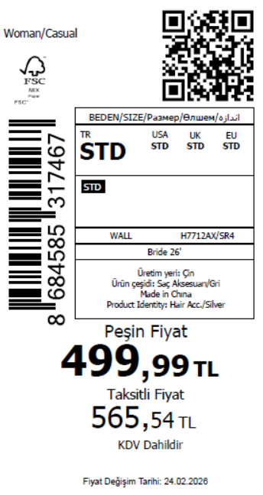 935
2026-02-17 | H7712AX | NS | 1855100 | BOSNIA | SR4 - SILVER | H7712AXDFASTD | 1 | 5 | 5 | BOSNIA | 4 | 20
2026-02-17 | H7712AX | NS | 1855096 | EGYPT | SR4 - SILVER | H7712AXDFASTD | 1 | 5 | 5 | EGYPT | 8 | 40
2026-02-17 | H7712AX | NS | 1855090 | GEORGIA | SR4 - SILVER | H7712AXDFASTD | 1 | 5 | 5 | GEORGIA | 3 | 15
2026-02-17 | H7712AX | NS | 1855084 | MACEDONIA | SR4 - SILVER | H7712AXDFASTD | 1 | 5 | 5 | MACEDONIA | 3 | 15
2026-02-17 | H7712AX | NS | 1855079 | MOROCCO | SR4 - SILVER | H7712AXDFASTD | 1 | 5 | 5 | MOROCCO | 5 | 25
2026-02-17 | H7712AX | NS | 1855073 | MONTENEGRO | SR4 - SILVER | H7712AXDFASTD | 1 | 5 | 5 | MONTENEGRO | 1 | 5
2026-02-17 | H7712AX | NS | 1855066 | NORTH IRAQ | SR4 - SILVER | H7712AXDFASTD | 1 | 5 | 5 | NORTH IRAQ | 8 | 40
2026-02-17 | H7712AX | NS | 1855062 | SOUTH IRAQ | SR4 - SILVER | H7712AXDFASTD | 1 | 5 | 5 | SOUTH IRAQ | 8 | 40
2026-02-17 | H7712AX | NS | 1855059 | UKRAINE | SR4 - SILVER | H7712AXDFASTD | 1 | 5 | 5 | UKRAINE | 3 | 15
2026-02-17 | H7712AX | NS | 1855051 | UZBEKISTAN | SR4 - SILVER | H7712AXDFASTD | 1 | 5 | 5 | UZBEKISTAN | 3 | 15
2026-02-17 | H7712AX | NS | 1855043 | AZERBAIJAN | SR4 - SILVER | H7712AXDFASTD | 1 | 5 | 5 | AZERBAIJAN | 2 | 10
2026-02-17 | H7712AX | NS | 1855040 | LEBANON | SR4 - SILVER | H7712AXDFASTD | 1 | 5 | 5 | LEBANON | 2 | 10
2026-02-17 | H7712AX | NS | 1855037 | KOSOVO | SR4 - SILVER | H7712AXDFASTD | 1 | 5 | 5 | KOSOVO | 2 | 10
2026-02-17 | H7712AX | NS | 1855034 | SAUDI ARABIA | SR4 - SILVER | H7712AXDFASTD | 1 | 5 | 5 | SAUDI ARABIA | 2 | 10
2026-02-17 | H7712AX | NS | 1855032 | KAZAKHSTAN | SR4 - SILVER | H7712AXKZKASTD | 1 | 5 | 5 | KAZAKHSTAN | 5 | 25 |  | 无稿件
2026-02-17 | H7712AX | NS | 1855029 | TOPTAN-7 | SR4 - SILVER | H7712AXTOP7ASTD | 1 | 5 | 5 | TOPTAN-7 | 5 | 25 |  | 无稿件
2026-02-17 | H7712AX | NS | 1855028-无价格 | İSTANBUL DEPO | SR4 - SILVER | H7712AXECOMASTD | 1 | 5 | 5 | ECOM | 20 | 100
2026-02-17 | H7712AX | NS | 1855047 | DEFACTO PERAKENDE TİC.A.Ş. DEPO Organize San. Bölgesi 6.Depo Kazım Karabekir Mah. Cumhuriyet Cad. Tekirdağ/Çerkezköy Tel:0090 282 758 11 34-35 | SR4 - SILVER | H7712AXDFASTD | 1 | 5 | 5 | TURKEY | 100 | 500
 |  |  |  |  |  |  |  |  |  |  | 187 | 935

2026-02-17 | E4427AX | NS | 1855162 | DEFACTO PERAKENDE TİC.A.Ş. DEPO Organize San. Bölgesi 6.Depo Kazım Karabekir Mah. Cumhuriyet Cad. Tekirdağ/Çerkezköy Tel:0090 282 758 11 34-35 | WT1 - WHITE (000) | E4427AXYDAA | 1 | 5 | 5 | TURKEY | 200 | 1000 | 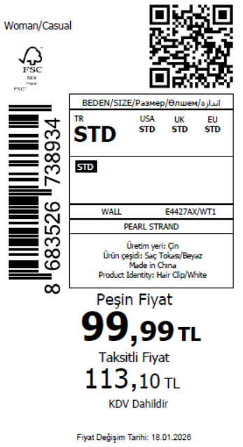 1745
2026-02-17 | E4427AX | NS | 1855189 | BOSNIA | WT1 - WHITE (000) | E4427AXYDAA | 1 | 5 | 5 | BOSNIA | 8 | 40
2026-02-17 | E4427AX | NS | 1855171 | NORTH IRAQ | WT1 - WHITE (000) | E4427AXYDAA | 1 | 5 | 5 | NORTH IRAQ | 15 | 75
2026-02-17 | E4427AX | NS | 1855167 | UKRAINE | WT1 - WHITE (000) | E4427AXYDAA | 1 | 5 | 5 | UKRAINE | 6 | 30
2026-02-17 | E4427AX | NS | 1855170 | SOUTH IRAQ | WT1 - WHITE (000) | E4427AXYDAA | 1 | 5 | 5 | SOUTH IRAQ | 15 | 75
2026-02-17 | E4427AX | NS | 1855160 | AZERBAIJAN | WT1 - WHITE (000) | E4427AXYDAA | 1 | 5 | 5 | AZERBAIJAN | 2 | 10
2026-02-17 | E4427AX | NS | 1855143-无价格 | İSTANBUL DEPO | WT1 - WHITE (000) | E4427AXECOMASTD | 1 | 5 | 5 | ECOM | 20 | 100
2026-02-17 | E4427AX | NS | 1855148 | KAZAKHSTAN | WT1 - WHITE (000) | E4427AXKZKASTD | 1 | 5 | 5 | KAZAKHSTAN | 10 | 50 |  | 无稿件
2026-02-17 | E4427AX | NS | 1855146 | TOPTAN-5 | WT1 - WHITE (000) | E4427AXTOP5ASTD | 1 | 5 | 5 | TOPTAN-5 | 6 | 30 |  | 无稿件
2026-02-17 | E4427AX | NS | 1855144 | TOPTAN-7 | WT1 - WHITE (000) | E4427AXTOP7ASTD | 1 | 5 | 5 | TOPTAN-7 | 10 | 50 |  | 无稿件
2026-02-17 | E4427AX | NS | 1855192 | ALBANIA | WT1 - WHITE (000) | E4427AXYDAA | 1 | 5 | 5 | ALBANIA | 6 | 30
2026-02-17 | E4427AX | NS | 1855184 | EGYPT | WT1 - WHITE (000) | E4427AXYDAA | 1 | 5 | 5 | EGYPT | 15 | 75
2026-02-17 | E4427AX | NS | 1855181 | GEORGIA | WT1 - WHITE (000) | E4427AXYDAA | 1 | 5 | 5 | GEORGIA | 6 | 30
2026-02-17 | E4427AX | NS | 1855179 | MACEDONIA | WT1 - WHITE (000) | E4427AXYDAA | 1 | 5 | 5 | MACEDONIA | 6 | 30
2026-02-17 | E4427AX | NS | 1855176 | MOROCCO | WT1 - WHITE (000) | E4427AXYDAA | 1 | 5 | 5 | MOROCCO | 10 | 50
2026-02-17 | E4427AX | NS | 1855174 | MONTENEGRO | WT1 - WHITE (000) | E4427AXYDAA | 1 | 5 | 5 | MONTENEGRO | 2 | 10
2026-02-17 | E4427AX | NS | 1855164 | UZBEKISTAN | WT1 - WHITE (000) | E4427AXYDAA | 1 | 5 | 5 | UZBEKISTAN | 6 | 30
2026-02-17 | E4427AX | NS | 1855157 | LEBANON | WT1 - WHITE (000) | E4427AXYDAA | 1 | 5 | 5 | LEBANON | 2 | 10
2026-02-17 | E4427AX | NS | 1855155 | KOSOVO | WT1 - WHITE (000) | E4427AXYDAA | 1 | 5 | 5 | KOSOVO | 2 | 10
2026-02-17 | E4427AX | NS | 1855150 | SAUDI ARABIA | WT1 - WHITE (000) | E4427AXYDAA | 1 | 5 | 5 | SAUDI ARABIA | 2 | 10
 |  |  |  |  |  |  |  |  |  |  | 349 | 1745

 |  |  |  |  |  |  |  |  |  |  | 13902 | 69510 | 34755

