DEW404
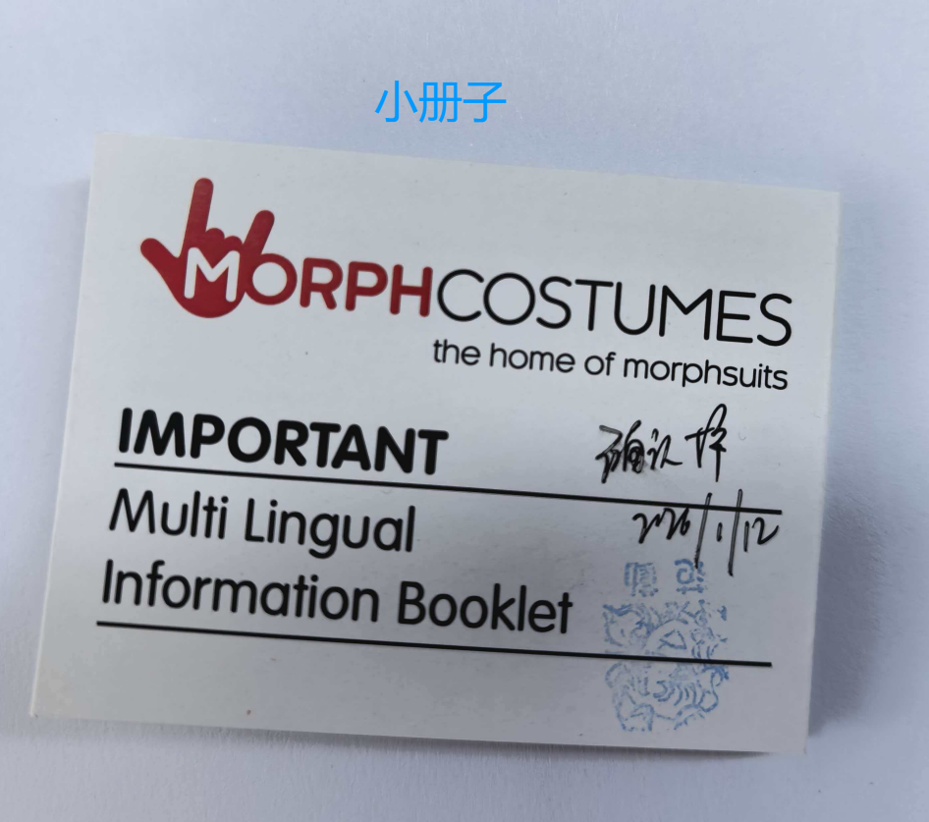
DEW404 |  |  | 衣服数 | 衬板纸 | 小册子
SKU | DESCRIPTION | UPC | 计划数 | 实际数量 | 实际数量
KLAROMS | Arachnomania Morphsuit Kids S |  | 80 | 85 | 85
KLAROMM | Arachnomania Morphsuit Kids M |  | 240 | 245 | 245
KLAROML | Arachnomania Morphsuit Kids L |  | 200 | 205 | 205
KLDFBS | Blue Deco Dino Fury Morphsuit Kids S |  | 560 | 565 | 565
KLDFBM | Blue Deco Dino Fury Morphsuit Kids M |  | 600 | 605 | 605
KLDFBL | Blue Deco Dino Fury Morphsuit Kids L |  | 560 | 565 | 565
KLDFRS | Red Deco Dino Fury Morphsuit Kids S |  | 840 | 845 | 845
KLDFRM | Red Deco Dino Fury Morphsuit Kids M |  | 1040 | 1045 | 1045
KLDFRL | Red Deco Dino Fury Morphsuit Kids L |  | 840 | 845 | 845
KLMTRS | The Rake Morphsuit Kids S |  | 1040 | 1045 | 1045
KLMTRM | The Rake Morphsuit KIds M |  | 3440 | 3445 | 3445
KLMTRL | The Rake Morphsuit Kids L |  | 5000 | 5005 | 5005
KLMTRX | The Rake Morphsuit Kids XL |  | 1520 | 1525 | 1525
KPALS | Alien Morphsuit Kids S |  | 560 | 565 | 565
KPALM | Alien Morphsuit Kids M |  | 760 | 765 | 765
KPALL | Alien Morphsuit Kids L |  | 1080 | 1085 | 1085
KPALX | Alien Morphsuit Kids XL |  | 560 | 565 | 565
KPMUS | Mummy Morphsuit Kids S |  | 80 | 85 | 85
KPMUM | Mummy Morphsuit Kids M |  | 200 | 205 | 205
KPMUL | Mummy Morphsuit Kids L |  | 80 | 85 | 85
KPSMS | Slenderman Morphsuit Kids S |  | 40 | 45 | 45
KPSMM | Slenderman Morphsuit Kids M |  | 680 | 685 | 685
KPSML | Slenderman Morphsuit Kids L |  | 840 | 845 | 845
KPSMX | Slenderman Morphsuit Kids XL |  | 480 | 485 | 485
KPZAS | Zalgo Morphsuit Kids S |  | 320 | 325 | 325
KPZAM | Zalgo Morphsuit Kids M |  | 1320 | 1325 | 1325
KPZAL | Zalgo Morphsuit Kids L |  | 1840 | 1845 | 1845
KPZAX | Zalgo Morphsuit Kids XL |  | 520 | 525 | 525
KSBKS | Black Morphsuit Kids S |  | 480 | 485 | 485
KSBKM | Black Morphsuit Kids M |  | 560 | 565 | 565
KSBKL | Black Morphsuit Kids L |  | 1440 | 1445 | 1445
KSBKX | Black Morphsuit Kids XL |  | 80 | 85 | 85
KSBLS | Blue Morphsuit Kids S |  | 80 | 85 | 85
KSBLM | Blue Morphsuit Kids M |  | 80 | 85 | 85
KSBLL | Blue Morphsuit Kids L |  | 160 | 165 | 165
KSGRS | Green Morphsuit Kids S |  | 40 | 45 | 45
KSGRM | Green Morphsuit Kids M |  | 160 | 165 | 165
KSGRL | Green Morphsuit Kids L |  | 240 | 245 | 245
KSREM | Red Morphsuit Kids M |  | 160 | 165 | 165
KSREL | Red Morphsuit Kids L |  | 200 | 205 | 205
MCKBMS | Mighty Morphin Black Morphsuit Kids S |  | 80 | 85 | 85
MCKBMM | Mighty Morphin Black Morphsuit Kids M |  | 480 | 485 | 485
MCKBML | Mighty Morphin Black Morphsuit Kids L |  | 600 | 605 | 605
MCKBMX | Mighty Morphin Black Morphsuit Kids XL |  | 400 | 405 | 405
MCKMBM | Mighty Morphin Blue Morphsuit Kids M |  | 120 | 125 | 125
MCKMBL | Mighty Morphin Blue Morphsuit Kids L |  | 240 | 245 | 245
MCKMRM | Mighty Morphin Red Morphsuit Kids M |  | 240 | 245 | 245
MCKMRL | Mighty Morphin Red Morphsuit Kids L |  | 280 | 285 | 285
MLAROMM | Arachnomania Morphsuit M |  | 60 | 65 | 65
MLAROML | Arachnomania Morphsuit L |  | 180 | 185 | 185
MLAROMX | Arachnomania Morphsuit XL |  | 210 | 215 | 215
MLAROM2 | Arachnomania Morphsuit XXL |  | 60 | 65 | 65
MLMSBM | Skull & Bones Morphsuit M |  | 90 | 95 | 95
MLMSBL | Skull & Bones Morphsuit L |  | 240 | 245 | 245
MLMSBX | Skull & Bones Morphsuit XL |  | 120 | 125 | 125
MLMSB2 | Skull & Bones Morphsuit XXL |  | 60 | 65 | 65
MLMTRM | The Rake Morphsuit M |  | 630 | 635 | 635
MLMTRL | The Rake Morphsuit L |  | 330 | 335 | 335
MLMTRX | The Rake Morphsuit XL |  | 300 | 305 | 305
MLMTR2 | The Rake Morphsuit XXL |  | 120 | 125 | 125
MLMZOM | The Zombie Morphsuit M |  | 120 | 125 | 125
MLMZOX | The Zombie Morphsuit XL |  | 150 | 155 | 155
MLMZO2 | The Zombie Morphsuit XXL |  | 60 | 65 | 65
MLPRBKM | Black Power Rangers Morphsuit M |  | 600 | 605 | 605
MLPRBKL | Black Power Rangers Morphsuit L |  | 1260 | 1265 | 1265
MLPRBKX | Black Power Rangers Morphsuit XL |  | 420 | 425 | 425
MLPRBK2 | Black Power Rangers Morphsuit XXL |  | 270 | 275 | 275
MLPRBLM | Blue Power Rangers Morphsuit M |  | 690 | 695 | 695
MLPRBLL | Blue Power Rangers Morphsuit L |  | 630 | 635 | 635
MLPRBLX | Blue Power Rangers Morphsuit XL |  | 540 | 545 | 545
MLPRBL2 | Blue Power Rangers Morphsuit XXL |  | 210 | 215 | 215
MLPRGM | Green Power Rangers Morphsuit M |  | 300 | 305 | 305
MLPRGL | Green Power Rangers Morphsuit L |  | 180 | 185 | 185
MLPRGX | Green Power Rangers Morphsuit XL |  | 60 | 65 | 65
MLPRG2 | Green Power Rangers Morphsuit XXL |  | 60 | 65 | 65
MLPRPM | Pink Power Rangers Morphsuit M |  | 420 | 425 | 425
MLPRPL | Pink Power Rangers Morphsuit L |  | 150 | 155 | 155
MLPRPX | Pink Power Rangers Morphsuit XL |  | 150 | 155 | 155
MLPRP2 | Pink Power Rangers Morphsuit XXL |  | 120 | 125 | 125
MLPRRNM | Red Power Rangers Morphsuit M |  | 930 | 935 | 935
MLPRRNL | Red Power Rangers Morphsuit L |  | 1350 | 1355 | 1355
MLPRRNX | Red Power Rangers Morphsuit XL |  | 180 | 185 | 185
MLPRRN2 | Red Power Rangers Morphsuit XXL |  | 450 | 455 | 455
MLPRWM | White Power Ranger Morphsuit M |  | 480 | 485 | 485
MLPRWL | White Power Ranger Morphsuit L |  | 660 | 665 | 665
MLPRWX | White Power Ranger Morphsuit XL |  | 330 | 335 | 335
MLPRW2 | White Power Ranger Morphsuit XXL |  | 120 | 125 | 125
MLPRYM | Yellow Power Rangers Morphsuit M |  | 300 | 305 | 305
MLPRYL | Yellow Power Rangers Morphsuit L |  | 330 | 335 | 335
MLPRYX | Yellow Power Rangers Morphsuit XL |  | 60 | 65 | 65
MLPRY2 | Yellow Power Rangers Morphsuit XXL |  | 60 | 65 | 65
MLWPRPIS | Pink Power Ranger Suit Womens S |  | 180 | 185 | 185
MLWPRPIM | Pink Power Ranger Suit Womens M |  | 30 | 35 | 35
MLWPRPIL | Pink Power Ranger Suit Womens L |  | 90 | 95 | 95
MPALM | Alien Morphsuit M |  | 30 | 35 | 35
MPALL | Alien Morphsuit L |  | 330 | 335 | 335
MPALX | Alien Morphsuit XL |  | 180 | 185 | 185
MPAL2 | Alien Morphsuit XXL |  | 90 | 95 | 95
MPCTM | Crash Test Dummy Morphsuit M |  | 150 | 155 | 155
MPCTL | Crash Test Dummy Morphsuit L |  | 180 | 185 | 185
MPCTX | Crash Test Dummy Morphsuit XL |  | 360 | 365 | 365
MPCT2 | Crash Test Dummy Morphsuit XXL |  | 180 | 185 | 185
MPJAL | Jamaican Bobsled Morphsuit L |  | 450 | 455 | 455
MPJAX | Jamaican Bobsled Morphsuit XL |  | 330 | 335 | 335
MPSUM | Suit Morphsuit M |  | 270 | 275 | 275
MPSUL | Suit Morphsuit L |  | 150 | 155 | 155
MPSUX | Suit Morphsuit XL |  | 60 | 65 | 65
MPSU2 | Suit Morphsuit XXL |  | 60 | 65 | 65
MSBKM | Black Morphsuit M |  | 690 | 695 | 695
MSBKL | Black Morphsuit L |  | 780 | 785 | 785
MSBKX | Black Morphsuit XL |  | 450 | 455 | 455
MSBK2 | Black Morphsuit XXL |  | 360 | 365 | 365
MSBLM | Blue Morphsuit M |  | 150 | 155 | 155
MSBLL | Blue Morphsuit L |  | 120 | 125 | 125
MSBLX | Blue Morphsuit XL |  | 180 | 185 | 185
MSBL2 | Blue Morphsuit XXL |  | 60 | 65 | 65
MSGRM | Green Morphsuit M |  | 210 | 215 | 215
MSGRL | Green Morphsuit L |  | 300 | 305 | 305
MSGRX | Green Morphsuit XL |  | 60 | 65 | 65
MSGR2 | Green Morphsuit XXL |  | 30 | 35 | 35
MSORM | Orange Morphsuit M |  | 180 | 185 | 185
MSORL | Orange Morphsuit L |  | 270 | 275 | 275
MSORX | Orange Morphsuit XL |  | 180 | 185 | 185
MSOR2 | Orange Morphsuit XXL |  | 120 | 125 | 125
MSPUM | Purple Morphsuit M |  | 240 | 245 | 245
MSPUL | Purple Morphsuit L |  | 180 | 185 | 185
MSPUX | Purple Morphsuit XL |  | 90 | 95 | 95
MSPU2 | Purple Morphsuit XXL |  | 60 | 65 | 65
MSWHM | White Morphsuit M |  | 540 | 545 | 545
MSWHL | White Morphsuit L |  | 450 | 455 | 455
MSWHX | White Morphsuit XL |  | 330 | 335 | 335
MSWH2 | White Morphsuit XXL |  | 150 | 155 | 155
MSYEM | Yellow Morphsuit M |  | 180 | 185 | 185
MSYEL | Yellow Morphsuit L |  | 90 | 95 | 95
MSYEX | Yellow Morphsuit XL |  | 90 | 95 | 95
MSYE2 | Yellow Morphsuit XXL |  | 30 | 35 | 35
STSBKM | Black Msuit Mens M |  | 1380 | 1385 | 1385
STSBKL | Black Msuit Mens L |  | 1440 | 1445 | 1445
STSBKX | Black Msuit Mens XL |  | 1350 | 1355 | 1355
STSBK2 | Black Msuit Mens XXL |  | 210 | 215 | 215
STSBLM | Blue Msuit Mens M |  | 270 | 275 | 275
STSBLL | Blue Msuit Mens L |  | 540 | 545 | 545
...

