4.14
订单日期 | Style Code | Season | Order Number | Ship To | ColorCode-Name | Prepack Code | Set Content | STD | Qty. In A Blister | Delivery Country | LOT 贴纸 | Total Open Quantity
2026-03-11 | H0569AX | NS | 1871101 | DEFACTO PERAKENDE TİC.A.Ş. DEPO Organize San. Bölgesi 6.Depo Kazım Karabekir Mah. Cumhuriyet Cad. Tekirdağ/Çerkezköy Tel:0090 282 758 11 34-35 | KR1 - KARMA | H0569AXDFASTD | 6 | 5 | 5 | TURKEY | 313 | 1565 | 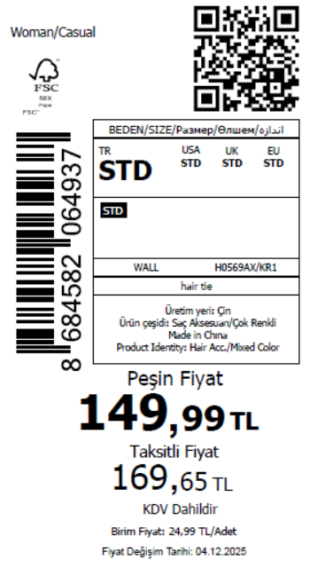 2350
2026-03-11 | H0569AX | NS | 1871095 | KAZAKHSTAN | KR1 - KARMA | H0569AXKZKASTD | 6 | 5 | 5 | KAZAKHSTAN | 13 | 65
2026-03-11 | H0569AX | NS | 1871097 | EGYPT | KR1 - KARMA | H0569AXDFASTD | 6 | 5 | 5 | EGYPT | 15 | 75
2026-03-11 | H0569AX | NS | 1871106 | GEORGIA | KR1 - KARMA | H0569AXDFASTD | 6 | 5 | 5 | GEORGIA | 9 | 45
2026-03-11 | H0569AX | NS | 1871113 | NORTH IRAQ | KR1 - KARMA | H0569AXDFASTD | 6 | 5 | 5 | NORTH IRAQ | 18 | 90
2026-03-11 | H0569AX | NS | 1871098 | MOROCCO | KR1 - KARMA | H0569AXDFASTD | 6 | 5 | 5 | MOROCCO | 15 | 75
2026-03-11 | H0569AX | NS | 1871107 | BOSNIA | KR1 - KARMA | H0569AXDFASTD | 6 | 5 | 5 | BOSNIA | 9 | 45
2026-03-11 | H0569AX | NS | 1871105 | MACEDONIA | KR1 - KARMA | H0569AXDFASTD | 6 | 5 | 5 | MACEDONIA | 9 | 45
2026-03-11 | H0569AX | NS | 1871099 | UZBEKISTAN | KR1 - KARMA | H0569AXDFASTD | 6 | 5 | 5 | UZBEKISTAN | 4 | 20
2026-03-11 | H0569AX | NS | 1871100 | UKRAINE | KR1 - KARMA | H0569AXDFASTD | 6 | 5 | 5 | UKRAINE | 13 | 65
2026-03-11 | H0569AX | NS | 1871110 | ALBANIA | KR1 - KARMA | H0569AXDFASTD | 6 | 5 | 5 | ALBANIA | 4 | 20
2026-03-11 | H0569AX | NS | 1871104 | MOLDOVA | KR1 - KARMA | H0569AXDFASTD | 6 | 5 | 5 | MOLDOVA | 13 | 65
2026-03-11 | H0569AX | NS | 1871102 | SOUTH IRAQ | KR1 - KARMA | H0569AXDFASTD | 6 | 5 | 5 | SOUTH IRAQ | 18 | 90
2026-03-11 | H0569AX | NS | 1871096-无价格 | İSTANBUL DEPO | KR1 - KARMA | H0569AXECOMASTD | 6 | 5 | 5 | ECOM | 13 | 65
2026-03-11 | H0569AX | NS | 1871103 | MONTENEGRO | KR1 - KARMA | H0569AXDFASTD | 6 | 5 | 5 | MONTENEGRO | 4 | 20
 |  |  |  |  |  |  |  |  |  |  | 470 | 2350

2026-03-11 | H0570AX | NS | 1871167 | DEFACTO PERAKENDE TİC.A.Ş. DEPO Organize San. Bölgesi 6.Depo Kazım Karabekir Mah. Cumhuriyet Cad. Tekirdağ/Çerkezköy Tel:0090 282 758 11 34-35 | KR1 - KARMA | H0570AXDFASTD | 10 | 5 | 5 | TURKEY | 252 | 1260 | 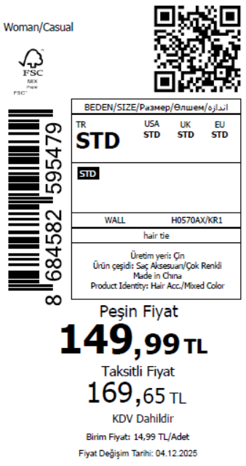 1900
2026-03-11 | H0570AX | NS | 1871132 | KAZAKHSTAN | KR1 - KARMA | H0570AXKZKASTD | 10 | 5 | 5 | KAZAKHSTAN | 10 | 50
2026-03-11 | H0570AX | NS | 1871137 | EGYPT | KR1 - KARMA | H0570AXDFASTD | 10 | 5 | 5 | EGYPT | 15 | 75
2026-03-11 | H0570AX | NS | 1871157 | GEORGIA | KR1 - KARMA | H0570AXDFASTD | 10 | 5 | 5 | GEORGIA | 7 | 35
2026-03-11 | H0570AX | NS | 1871165 | NORTH IRAQ | KR1 - KARMA | H0570AXDFASTD | 10 | 5 | 5 | NORTH IRAQ | 14 | 70
2026-03-11 | H0570AX | NS | 1871139 | MOROCCO | KR1 - KARMA | H0570AXDFASTD | 10 | 5 | 5 | MOROCCO | 15 | 75
2026-03-11 | H0570AX | NS | 1871159 | BOSNIA | KR1 - KARMA | H0570AXDFASTD | 10 | 5 | 5 | BOSNIA | 7 | 35
2026-03-11 | H0570AX | NS | 1871154 | MACEDONIA | KR1 - KARMA | H0570AXDFASTD | 10 | 5 | 5 | MACEDONIA | 7 | 35
2026-03-11 | H0570AX | NS | 1871141 | UZBEKISTAN | KR1 - KARMA | H0570AXDFASTD | 10 | 5 | 5 | UZBEKISTAN | 3 | 15
2026-03-11 | H0570AX | NS | 1871144 | UKRAINE | KR1 - KARMA | H0570AXDFASTD | 10 | 5 | 5 | UKRAINE | 10 | 50
2026-03-11 | H0570AX | NS | 1871163 | ALBANIA | KR1 - KARMA | H0570AXDFASTD | 10 | 5 | 5 | ALBANIA | 3 | 15
2026-03-11 | H0570AX | NS | 1871152 | MOLDOVA | KR1 - KARMA | H0570AXDFASTD | 10 | 5 | 5 | MOLDOVA | 10 | 50
2026-03-11 | H0570AX | NS | 1871147 | SOUTH IRAQ | KR1 - KARMA | H0570AXDFASTD | 10 | 5 | 5 | SOUTH IRAQ | 14 | 70
2026-03-11 | H0570AX | NS | 1871134-无价格 | İSTANBUL DEPO | KR1 - KARMA | H0570AXECOMASTD | 10 | 5 | 5 | ECOM | 10 | 50
2026-03-11 | H0570AX | NS | 1871149 | MONTENEGRO | KR1 - KARMA | H0570AXDFASTD | 10 | 5 | 5 | MONTENEGRO | 3 | 15
 |  |  |  |  |  |  |  |  |  |  | 380 | 1900

2026-03-11 | H0571AX | NS | 1871264 | DEFACTO PERAKENDE TİC.A.Ş. DEPO Organize San. Bölgesi 6.Depo Kazım Karabekir Mah. Cumhuriyet Cad. Tekirdağ/Çerkezköy Tel:0090 282 758 11 34-35 | KR1 - KARMA | H0571AXDFASTD | 10 | 5 | 5 | TURKEY | 363 | 1815 | 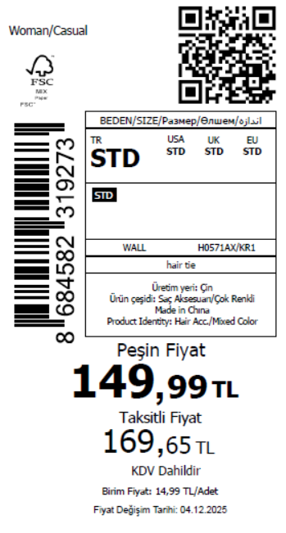 2690
2026-03-11 | H0571AX | NS | 1871244 | KAZAKHSTAN | KR1 - KARMA | H0571AXKZKASTD | 10 | 5 | 5 | KAZAKHSTAN | 15 | 75
2026-03-11 | H0571AX | NS | 1871246 | EGYPT | KR1 - KARMA | H0571AXDFASTD | 10 | 5 | 5 | EGYPT | 15 | 75
2026-03-11 | H0571AX | NS | 1871259 | GEORGIA | KR1 - KARMA | H0571AXDFASTD | 10 | 5 | 5 | GEORGIA | 10 | 50
2026-03-11 | H0571AX | NS | 1871263 | NORTH IRAQ | KR1 - KARMA | H0571AXDFASTD | 10 | 5 | 5 | NORTH IRAQ | 20 | 100
2026-03-11 | H0571AX | NS | 1871247 | MOROCCO | KR1 - KARMA | H0571AXDFASTD | 10 | 5 | 5 | MOROCCO | 15 | 75
2026-03-11 | H0571AX | NS | 1871261 | BOSNIA | KR1 - KARMA | H0571AXDFASTD | 10 | 5 | 5 | BOSNIA | 10 | 50
2026-03-11 | H0571AX | NS | 1871258 | MACEDONIA | KR1 - KARMA | H0571AXDFASTD | 10 | 5 | 5 | MACEDONIA | 10 | 50
2026-03-11 | H0571AX | NS | 1871249 | UZBEKISTAN | KR1 - KARMA | H0571AXDFASTD | 10 | 5 | 5 | UZBEKISTAN | 5 | 25
2026-03-11 | H0571AX | NS | 1871251 | UKRAINE | KR1 - KARMA | H0571AXDFASTD | 10 | 5 | 5 | UKRAINE | 15 | 75
2026-03-11 | H0571AX | NS | 1871262 | ALBANIA | KR1 - KARMA | H0571AXDFASTD | 10 | 5 | 5 | ALBANIA | 5 | 25
2026-03-11 | H0571AX | NS | 1871256 | MOLDOVA | KR1 - KARMA | H0571AXDFASTD | 10 | 5 | 5 | MOLDOVA | 15 | 75
2026-03-11 | H0571AX | NS | 1871252 | SOUTH IRAQ | KR1 - KARMA | H0571AXDFASTD | 10 | 5 | 5 | SOUTH IRAQ | 20 | 100
2026-03-11 | H0571AX | NS | 1871245-无价格 | İSTANBUL DEPO | KR1 - KARMA | H0571AXECOMASTD | 10 | 5 | 5 | ECOM | 15 | 75
2026-03-11 | H0571AX | NS | 1871254 | MONTENEGRO | KR1 - KARMA | H0571AXDFASTD | 10 | 5 | 5 | MONTENEGRO | 5 | 25
 |  |  |  |  |  |  |  |  |  |  | 538 | 2690

2026-03-11 | H0572AX | NS | 1871323 | DEFACTO PERAKENDE TİC.A.Ş. DEPO Organize San. Bölgesi 6.Depo Kazım Karabekir Mah. Cumhuriyet Cad. Tekirdağ/Çerkezköy Tel:0090 282 758 11 34-35 | KR1 - KARMA | H0572AXDFASTD | 10 | 5 | 5 | TURKEY | 302 | 1510 | 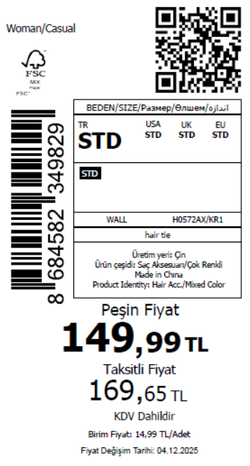 2270
2026-03-11 | H0572AX | NS | 1871266 | KAZAKHSTAN | KR1 - KARMA | H0572AXKZKASTD | 10 | 5 | 5 | KAZAKHSTAN | 13 | 65
2026-03-11 | H0572AX | NS | 1871270 | EGYPT | KR1 - KARMA | H0572AXDFASTD | 10 | 5 | 5 | EGYPT | 15 | 75
2026-03-11 | H0572AX | NS | 1871303 | GEORGIA | KR1 - KARMA | H0572AXDFASTD | 10 | 5 | 5 | GEORGIA | 8 | 40
2026-03-11 | H0572AX | NS | 1871320 | NORTH IRAQ | KR1 - KARMA | H0572AXDFASTD | 10 | 5 | 5 | NORTH IRAQ | 17 | 85
2026-03-11 | H0572AX | NS | 1871273 | MOROCCO | KR1 - KARMA | H0572AXDFASTD | 10 | 5 | 5 | MOROCCO | 15 | 75
2026-03-11 | H0572AX | NS | 1871308 | BOSNIA | KR1 - KARMA | H0572AXDFASTD | 10 | 5 | 5 | BOSNIA | 8 | 40
2026-03-11 | H0572AX | NS | 1871299 | MACEDONIA | KR1 - KARMA | H0572AXDFASTD | 10 | 5 | 5 | MACEDONIA | 8 | 40
2026-03-11 | H0572AX | NS | 1871277 | UZBEKISTAN | KR1 - KARMA | H0572AXDFASTD | 10 | 5 | 5 | UZBEKISTAN | 4 | 20
2026-03-11 | H0572AX | NS | 1871283 | UKRAINE | KR1 - KARMA | H0572AXDFASTD | 10 | 5 | 5 | UKRAINE | 13 | 65
2026-03-11 | H0572AX | NS | 1871313 | ALBANIA | KR1 - KARMA | H0572AXDFASTD | 10 | 5 | 5 | ALBANIA | 4 | 20
2026-03-11 | H0572AX | NS | 1871296 | MOLDOVA | KR1 - KARMA | H0572AXDFASTD | 10 | 5 | 5 | MOLDOVA | 13 | 65
2026-03-11 | H0572AX | NS | 1871288 | SOUTH IRAQ | KR1 - KARMA | H0572AXDFASTD | 10 | 5 | 5 | SOUTH IRAQ | 17 | 85
2026-03-11 | H0572AX | NS | 1871267-无价格 | İSTANBUL DEPO | KR1 - KARMA | H0572AXECOMASTD | 10 | 5 | 5 | ECOM | 13 | 65
2026-03-11 | H0572AX | NS | 1871291 | MONTENEGRO | KR1 - KARMA | H0572AXDFASTD | 10 | 5 | 5 | MONTENEGRO | 4 | 20
 |  |  |  |  |  |  |  |  |  |  | 454 | 2270

