腰卡+主标+条码标3% 3.25
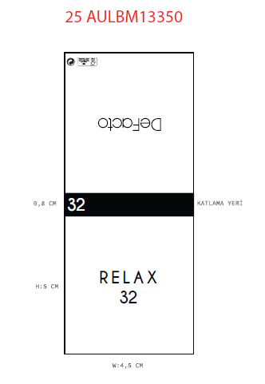
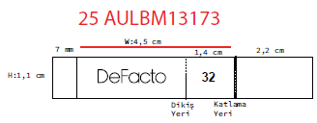
款号 | 颜色 | 28 | 30 | 32 | 34 | 36 | 38 | 40 |  | 涉及PO
H5117AX | BK81 - BLACK | 464 | 505 | 1009 | 1009 | 1009 | 505 | 325 | 4826 | 1874641,1874639
H5117AX | KH534 - DARK KHAKI | 330 | 581 | 733 | 733 | 618 | 309 | 231 | 3535 | 1874641,1874639
 |  | 794 | 1086 | 1742 | 1742 | 1627 | 814 | 556 | 8361

