腰卡+主标+条码标3% 3.25
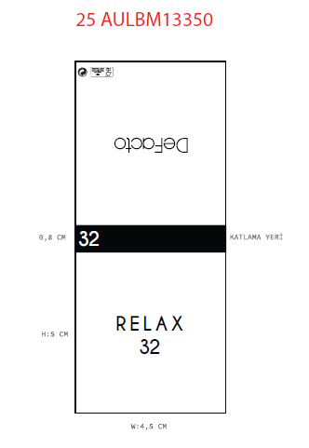
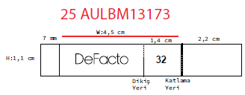
款号 | 颜色 | 28 | 30 | 32 | 34 | 36 | 38 | 40 |  | 涉及PO
H5117AX | BK81 - BLACK | 0 | 245 | 490 | 490 | 490 | 245 | 0 | 1960 | 1874658,1874659,1874660,1874661,1874662,1874663,1874664,1874665,1874666,1874667,1874668,1874669,1874670,1874671,1874672,1874673,1874674,1874657
H5117AX | KH534 - DARK KHAKI | 0 | 215 | 431 | 431 | 431 | 215 | 0 | 1723 | 1874658,1874659,1874660,1874661,1874662,1874663,1874664,1874665,1874666,1874667,1874668,1874669,1874670,1874671,1874672,1874673,1874674,1874657
 |  |  | 460 | 921 | 921 | 921 | 460 |  | 3683

