主标
南昌鹏旭制衣有限公司
Nan Chang Peng Xu Garment Co. Ltd
江西省南昌市青云谱区昌南工业园B-07号包佛路168号厂房2号楼第4层
4 th floor, Factory Building 2 NO.168 , Baofu Road,No.B-07 Changnan Industrial Park，
Qingyunpu District,Nanchang City,Jiangxi Province
Tel: 0791-88298793 Email: Lily.wang<yanfang@pengxuclothing.cn>
LT2665单加单主标计划

款号 | 9/12M | 12/18M | 2T | 3T | 4T | 5 | 6 | 0.875 | 10/12 | 14/16 | 总数量 |  | 样品数量
2099QF | 不分尺码 LGCRI26002 BENTEX 主标 28*66mm |  |  |  |  |  |  |  |  |  | 2520 | @2026 LEGO FRIENDS | 10
8073LF/8073LFV 8074LF/8074LFV 8077LF/8077LFV | 不分尺码 LGCRI26003 |  |  |  |  |  |  |  |  |  | 11340 | 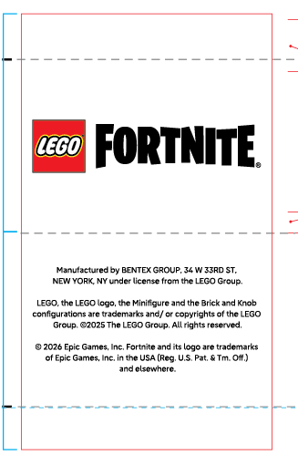 LEGO FORTNITE | 50

