主标+条码标 3.31
款号 | 颜色 | XS | S | M | L | XL | XXL | 3XL |  | 主标 | 涉及PO
C7889AX | BK81 - BLACK | 814 | 1628 | 2692 | 1828 | 1828 | 914 | 495 | 10199 | #13729 | 1856257,1856263,1856265,1856267,1856272,1856274,1856276,1856278,1856280,1856282,1856284,1856286,1856288,1856290,1856292,1856294,1856295,1856375,1856377,1856380,1856382,1856384,1856386,1856389,1856391,1856393,1856394,1856397,1856399,1856401,1856403,1856270
C7889AX | GR93 - GREY MELANGE | 666 | 1332 | 2198 | 1472 | 1472 | 766 | 397 | 8303 | #13728 | 1856257,1856263,1856265,1856267,1856272,1856274,1856276,1856278,1856280,1856282,1856284,1856286,1856288,1856290,1856292,1856294,1856295,1856375,1856377,1856380,1856382,1856384,1856386,1856389,1856391,1856393,1856394,1856397,1856399,1856401,1856403,1856270
C7889AX | PN681 - LT.PINK | 491 | 982 | 1473 | 982 | 982 | 491 | 343 | 5744 | #13728 | 1856257,1856263,1856265,1856267,1856272,1856274,1856276,1856278,1856280,1856282,1856284,1856286,1856288,1856290,1856292,1856294,1856295,1856375,1856377,1856380,1856382,1856384,1856386,1856389,1856391,1856393,1856394,1856397,1856399,1856401,1856403,1856270
 |  | 1971 | 3942 | 6363 | 4282 | 4282 | 2171 | 1235 | 24246

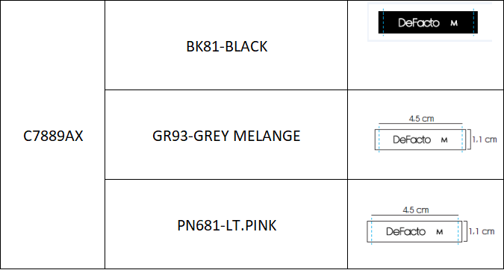
 |  |  |  |  |  |  |  |  | 10199 | 黑色
 |  |  |  |  |  |  |  |  | 14047 | 白色

