ELFIN
Supplier | EX-FACTORY DATE | Style IMG | ITEM NO. | Class Name | QUANTITY | CARD
ELFIN | APRIL |  | H7005AX | EARRING | 1990 | 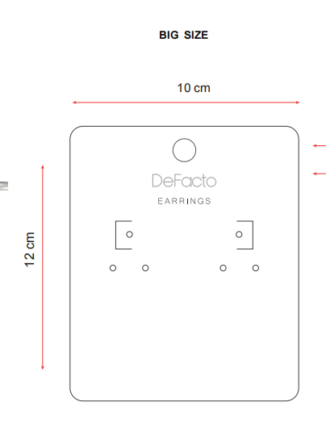 5
ELFIN | APRIL |  | H7440AX | ANKLET | 2105 | 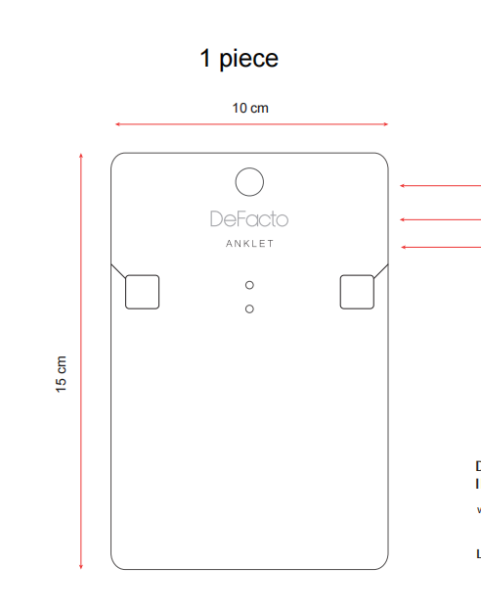 5
ELFIN | APRIL |  | H7466AX | NECKLACE | 645 | 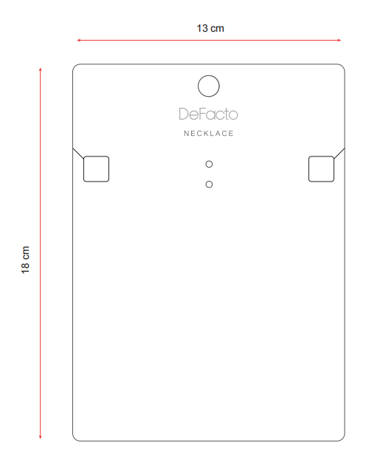 5
ELFIN | APRIL |  | H7031AX | ANKLET | 2785 | 5
ELFIN | APRIL |  | H7406AX | EARRING | 2210 | 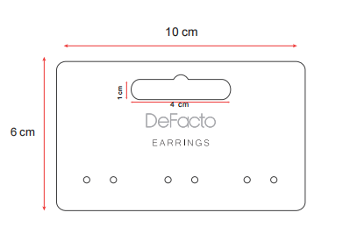 5 | 麻烦把每组孔间距调大一些
ELFIN | APRIL |  | H7422AX | EARRING | 3455 | 5
ELFIN | APRIL |  | H7461AX | BRACELET | 2045 | 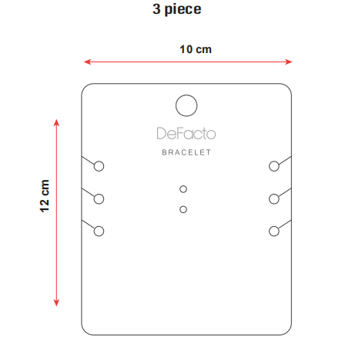 5
ELFIN | APRIL |  | H7442AX | BRACELET | 1745 | 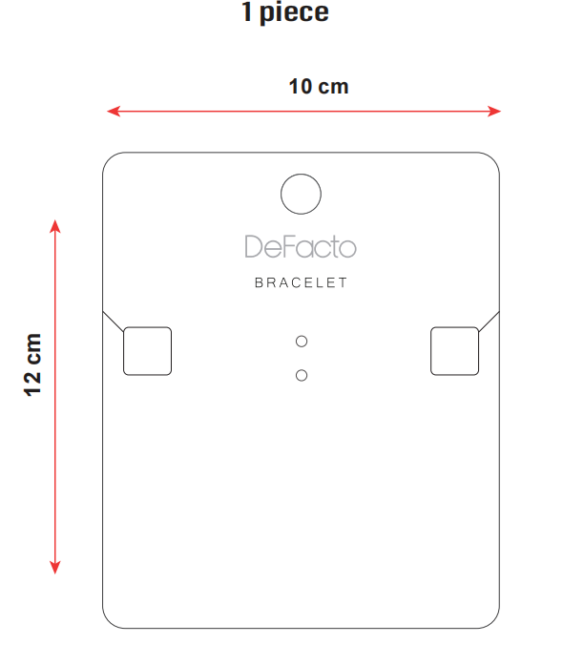 5
 |  |  |  |  | 16980

