5.12
订单日期 | Style Code | Season | Order Number | Ship To | ColorCode-Name | Prepack Code | Set Content | STD | Qty. In A Blister | Delivery Country | LOT 贴纸 | Total Open Quantity
2026-04-01 | H9959AX | NS | 1892005 | ALBANIA | PN201 - FUCHSIA | H9959AXDFASTD | 1 | 5 | 5 | ALBANIA | 4 | 20 | 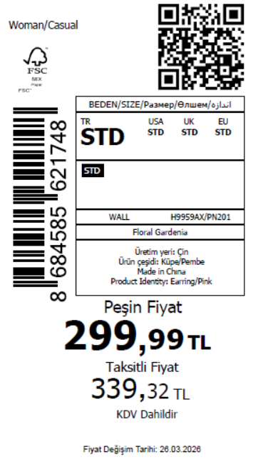 795
2026-04-01 | H9959AX | NS | 1892004 | GEORGIA | PN201 - FUCHSIA | H9959AXDFASTD | 1 | 5 | 5 | GEORGIA | 6 | 30
2026-04-01 | H9959AX | NS | 1892003 | MACEDONIA | PN201 - FUCHSIA | H9959AXDFASTD | 1 | 5 | 5 | MACEDONIA | 4 | 20
2026-04-01 | H9959AX | NS | 1892002 | MOLDOVA | PN201 - FUCHSIA | H9959AXDFASTD | 1 | 5 | 5 | MOLDOVA | 6 | 30
2026-04-01 | H9959AX | NS | 1892001 | MONTENEGRO | PN201 - FUCHSIA | H9959AXDFASTD | 1 | 5 | 5 | MONTENEGRO | 1 | 5
2026-04-01 | H9959AX | NS | 1892000 | MOROCCO | PN201 - FUCHSIA | H9959AXDFASTD | 1 | 5 | 5 | MOROCCO | 6 | 30
2026-04-01 | H9959AX | NS | 1891999 | NORTH IRAQ | PN201 - FUCHSIA | H9959AXDFASTD | 1 | 5 | 5 | NORTH IRAQ | 10 | 50
2026-04-01 | H9959AX | NS | 1891998 | SOUTH IRAQ | PN201 - FUCHSIA | H9959AXDFASTD | 1 | 5 | 5 | SOUTH IRAQ | 10 | 50
2026-04-01 | H9959AX | NS | 1891996 | KOSOVO | PN201 - FUCHSIA | H9959AXDFASTD | 1 | 5 | 5 | KOSOVO | 2 | 10
2026-04-01 | H9959AX | NS | 1891995-无价格 | İSTANBUL DEPO | PN201 - FUCHSIA | H9959AXECOMASTD | 1 | 5 | 5 | ECOM | 10 | 50
2026-04-01 | H9959AX | NS | 1891997 | DEFACTO PERAKENDE TİC.A.Ş. DEPO Organize San. Bölgesi 6.Depo Kazım Karabekir Mah. Cumhuriyet Cad. Tekirdağ/Çerkezköy Tel:0090 282 758 11 34-35 | PN201 - FUCHSIA | H9959AXDFASTD | 1 | 5 | 5 | TURKEY | 100 | 500
 |  |  |  |  |  |  |  |  |  |  | 159 | 795

2026-04-01 | H9981AX | NS | 1891969 | ALBANIA | KR1 - KARMA | H9981AXDFASTD | 1 | 5 | 5 | ALBANIA | 4 | 20 | 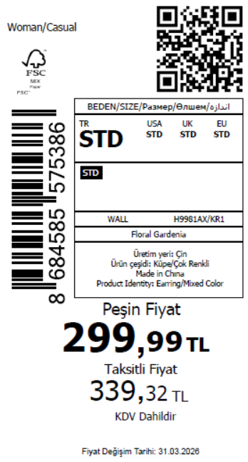 840
2026-04-01 | H9981AX | NS | 1891968 | BOSNIA | KR1 - KARMA | H9981AXDFASTD | 1 | 5 | 5 | BOSNIA | 6 | 30
2026-04-01 | H9981AX | NS | 1891967 | GEORGIA | KR1 - KARMA | H9981AXDFASTD | 1 | 5 | 5 | GEORGIA | 6 | 30
2026-04-01 | H9981AX | NS | 1891966 | MACEDONIA | KR1 - KARMA | H9981AXDFASTD | 1 | 5 | 5 | MACEDONIA | 4 | 20
2026-04-01 | H9981AX | NS | 1891965 | MOLDOVA | KR1 - KARMA | H9981AXDFASTD | 1 | 5 | 5 | MOLDOVA | 6 | 30
2026-04-01 | H9981AX | NS | 1891964 | MONTENEGRO | KR1 - KARMA | H9981AXDFASTD | 1 | 5 | 5 | MONTENEGRO | 1 | 5
2026-04-01 | H9981AX | NS | 1891963 | MOROCCO | KR1 - KARMA | H9981AXDFASTD | 1 | 5 | 5 | MOROCCO | 6 | 30
2026-04-01 | H9981AX | NS | 1891962 | NORTH IRAQ | KR1 - KARMA | H9981AXDFASTD | 1 | 5 | 5 | NORTH IRAQ | 10 | 50
2026-04-01 | H9981AX | NS | 1891961 | SERBIA | KR1 - KARMA | H9981AXDFASTD | 1 | 5 | 5 | SERBIA | 1 | 5
2026-04-01 | H9981AX | NS | 1891960 | SOUTH IRAQ | KR1 - KARMA | H9981AXDFASTD | 1 | 5 | 5 | SOUTH IRAQ | 10 | 50
2026-04-01 | H9981AX | NS | 1891958 | AZERBAIJAN | KR1 - KARMA | H9981AXDFASTD | 1 | 5 | 5 | AZERBAIJAN | 2 | 10
2026-04-01 | H9981AX | NS | 1891957 | KOSOVO | KR1 - KARMA | H9981AXDFASTD | 1 | 5 | 5 | KOSOVO | 2 | 10
2026-04-01 | H9981AX | NS | 1891956-无价格 | İSTANBUL DEPO | KR1 - KARMA | H9981AXECOMASTD | 1 | 5 | 5 | ECOM | 10 | 50
2026-04-01 | H9981AX | NS | 1891959 | DEFACTO PERAKENDE TİC.A.Ş. DEPO Organize San. Bölgesi 6.Depo Kazım Karabekir Mah. Cumhuriyet Cad. Tekirdağ/Çerkezköy Tel:0090 282 758 11 34-35 | KR1 - KARMA | H9981AXDFASTD | 1 | 5 | 5 | TURKEY | 100 | 500
 |  |  |  |  |  |  |  |  |  |  | 168 | 840

2026-04-01 | H9976AX | NS | 1891989 | ALBANIA | KR1 - KARMA | H9976AXDFASTD | 1 | 5 | 5 | ALBANIA | 6 | 30 | 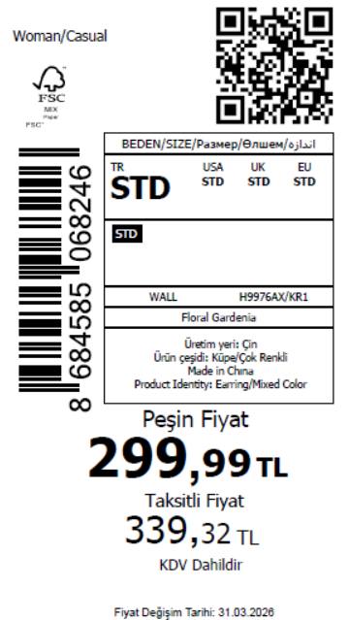 1060
2026-04-01 | H9976AX | NS | 1891988 | BOSNIA | KR1 - KARMA | H9976AXDFASTD | 1 | 5 | 5 | BOSNIA | 4 | 20
2026-04-01 | H9976AX | NS | 1891987 | GEORGIA | KR1 - KARMA | H9976AXDFASTD | 1 | 5 | 5 | GEORGIA | 6 | 30
2026-04-01 | H9976AX | NS | 1891986 | MACEDONIA | KR1 - KARMA | H9976AXDFASTD | 1 | 5 | 5 | MACEDONIA | 6 | 30
2026-04-01 | H9976AX | NS | 1891985 | MOLDOVA | KR1 - KARMA | H9976AXDFASTD | 1 | 5 | 5 | MOLDOVA | 6 | 30
2026-04-01 | H9976AX | NS | 1891984 | MONTENEGRO | KR1 - KARMA | H9976AXDFASTD | 1 | 5 | 5 | MONTENEGRO | 2 | 10
2026-04-01 | H9976AX | NS | 1891983 | MOROCCO | KR1 - KARMA | H9976AXDFASTD | 1 | 5 | 5 | MOROCCO | 6 | 30
2026-04-01 | H9976AX | NS | 1891982 | NORTH IRAQ | KR1 - KARMA | H9976AXDFASTD | 1 | 5 | 5 | NORTH IRAQ | 6 | 30
2026-04-01 | H9976AX | NS | 1891981 | SERBIA | KR1 - KARMA | H9976AXDFASTD | 1 | 5 | 5 | SERBIA | 1 | 5
2026-04-01 | H9976AX | NS | 1891980 | SOUTH IRAQ | KR1 - KARMA | H9976AXDFASTD | 1 | 5 | 5 | SOUTH IRAQ | 6 | 30
2026-04-01 | H9976AX | NS | 1891979 | UKRAINE | KR1 - KARMA | H9976AXDFASTD | 1 | 5 | 5 | UKRAINE | 4 | 20
2026-04-01 | H9976AX | NS | 1891978 | UZBEKISTAN | KR1 - KARMA | H9976AXDFASTD | 1 | 5 | 5 | UZBEKISTAN | 4 | 20
2026-04-01 | H9976AX | NS | 1891976 | AZERBAIJAN | KR1 - KARMA | H9976AXDFASTD | 1 | 5 | 5 | AZERBAIJAN | 2 | 10
2026-04-01 | H9976AX | NS | 1891975 | KOSOVO | KR1 - KARMA | H9976AXDFASTD | 1 | 5 | 5 | KOSOVO | 2 | 10
2026-04-01 | H9976AX | NS | 1891974 | TOPTAN-5 | KR1 - KARMA | H9976AXTOP5ASTD | 1 | 5 | 5 | TOPTAN-5 | 4 | 20 |  | 无稿件
2026-04-01 | H9976AX | NS | 1891973 | TOPTAN-7 | KR1 - KARMA | H9976AXTOP7ASTD | 1 | 5 | 5 | TOPTAN-7 | 6 | 30 |  | 无稿件
2026-04-01 | H9976AX | NS | 1891972-无价格 | İSTANBUL DEPO | KR1 - KARMA | H9976AXECOMASTD | 1 | 5 | 5 | ECOM | 10 | 50
2026-04-01 | H9976AX | NS | 1891971 | KAZAKHSTAN | KR1 - KARMA | H9976AXKZKASTD | 1 | 5 | 5 | KAZAKHSTAN | 6 | 30 |  | 无稿件
2026-04-01 | H9976AX | NS | 1891977 | DEFACTO PERAKENDE TİC.A.Ş. DEPO Organize San. Bölgesi 6.Depo Kazım Karabekir Mah. Cumhuriyet Cad. Tekirdağ/Çerkezköy Tel:0090 282 758 11 34-35 | KR1 - KARMA | H9976AXDFASTD | 1 | 5 | 5 | TURKEY | 125 | 625
 |  |  |  |  |  |  |  |  |  |  | 212 | 1060

2026-04-01 | H9969AX | NS | 1892028 | ALBANIA | RD1 - RED | H9969AXDFASTD | 1 | 5 | 5 | ALBANIA | 6 | 30 | 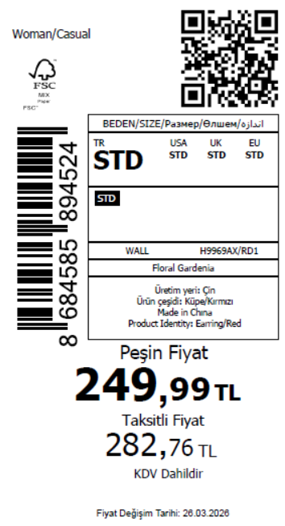 1050
2026-04-01 | H9969AX | NS | 1892025 | BOSNIA | RD1 - RED | H9969AXDFASTD | 1 | 5 | 5 | BOSNIA | 4 | 20
2026-04-01 | H9969AX | NS | 1892022 | EGYPT | RD1 - RED | H9969AXDFASTD | 1 | 5 | 5 | EGYPT | 6 | 30
2026-04-01 | H9969AX | NS | 1892020 | GEORGIA | RD1 - RED | H9969AXDFASTD | 1 | 5 | 5 | GEORGIA | 6 | 30
2026-04-01 | H9969AX | NS | 1892019 | MACEDONIA | RD1 - RED | H9969AXDFASTD | 1 | 5 | 5 | MACEDONIA | 6 | 30
2026-04-01 | H9969AX | NS | 1892018 | MONTENEGRO | RD1 - RED | H9969AXDFASTD | 1 | 5 | 5 | MONTENEGRO | 2 | 10
2026-04-01 | H9969AX | NS | 1892017 | MOROCCO | RD1 - RED | H9969AXDFASTD | 1 | 5 | 5 | MOROCCO | 6 | 30
2026-04-01 | H9969AX | NS | 1892016 | NORTH IRAQ | RD1 - RED | H9969AXDFASTD | 1 | 5 | 5 | NORTH IRAQ | 6 | 30
2026-04-01 | H9969AX | NS | 1892015 | SERBIA | RD1 - RED | H9969AXDFASTD | 1 | 5 | 5 | SERBIA | 1 | 5
2026-04-01 | H9969AX | NS | 1892014 | SOUTH IRAQ | RD1 - RED | H9969AXDFASTD | 1 | 5 | 5 | SOUTH IRAQ | 6 | 30
2026-04-01 | H9969AX | NS | 1892013 | UKRAINE | RD1 - RED | H9969AXDFASTD | 1 | 5 | 5 | UKRAINE | 4 | 20
2026-04-01 | H9969AX | NS | 1892012 | UZBEKISTAN | RD1 - RED | H9969AXDFASTD | 1 | 5 | 5 | UZBEKISTAN | 4 | 20
2026-04-01 | H9969AX | NS | 1892010 | KOSOVO | RD1 - RED | H9969AXDFASTD | 1 | 5 | 5 | KOSOVO | 2 | 10
2026-04-01 | H9969AX | NS | 1892009 | TOPTAN-5 | RD1 - RED | H9969AXTOP5ASTD | 1 | 5 | 5 | TOPTAN-5 | 4 | 20 |  | 无稿件
2026-04-01 | H9969AX | NS | 1892008 | TOPTAN-7 | RD1 - RED | H9969AXTOP7ASTD | 1 | 5 | 5 | TOPTAN-7 | 6 | 30 |  | 无稿件
2026-04-01 | H9969AX | NS | 1892007-无价格 | İSTANBUL DEPO | RD1 - RED | H9969AXECOMASTD | 1 | 5 | 5 | ECOM | 10 | 50
2026-04-01 | H9969AX | NS | 1892006 | KAZAKHSTAN | RD1 - RED | H9969AXKZKASTD | 1 | 5 | 5 | KAZAKHSTAN | 6 | 30 |  | 无稿件
2026-04-01 | H9969AX | NS | 1892011 | DEFACTO PERAKENDE TİC.A.Ş. DEPO Organize San. Bölgesi 6.Depo Kazım Karabekir Mah. Cumhuriyet Cad. Tekirdağ/Çerkezköy Tel:0090 282 758 11 34-35 | RD1 - RED | H9969AXDFASTD | 1 | 5 | 5 | TURKEY | 125 | 625
 |  |  |  |  |  |  |  |  |  |  | 210 | 1050

2026-04-01 | H9972AX | NS | 1892037 | ALBANIA | RD1 - RED | H9972AXDFASTD | 1 | 5 | 5 | ALBANIA | 4 | 20 | 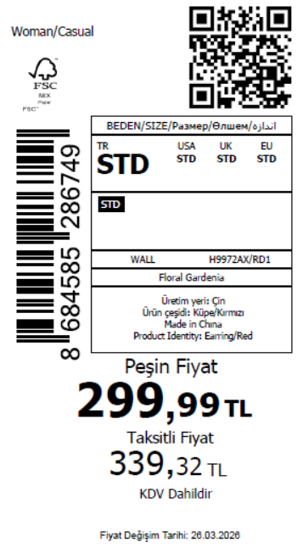 840
2026-04-01 | H9972AX | NS | 1892036 | BOSNIA | RD1 - RED | H9972AXDFASTD | 1 | 5 | 5 | BOSNIA | 6 | 30
2026-04-01 | H9972AX | NS | 1892035 | GEORGIA | RD1 - RED | H9972AXDFASTD | 1 | 5 | 5 | GEORGIA | 6 | 30
2026-04-01 | H9972AX | NS | 1892034 | MACEDONIA | RD1 - RED | H9972AXDFASTD | 1 | 5 | 5 | MACEDONIA | 4 | 20
2026-04-01 | H9972AX | NS | 1892033 | MOLDOVA | RD1 - RED | H9972AXDFASTD | 1 | 5 | 5 | MOLDOVA | 6 | 30
2026-04-01 | H9972AX | NS | 1892032 | MONTENEGRO | RD1 - RED | H9972AXDFASTD | 1 | 5 | 5 | MONTENEGRO | 1 | 5
2026-04-01 | H9972AX | NS | 1892031 | MOROCCO | RD1 - RED | H9972AXDFASTD | 1 | 5 | 5 | MOROCCO | 6 | 30
2026-04-01 | H9972AX | NS | 1892030 | NORTH IRAQ | RD1 - RED | H9972AXDFASTD | 1 | 5 | 5 | NORTH IRAQ | 10 | 50
2026-04-01 | H9972AX | NS | 1892029 | SERBIA | RD1 - RED | H9972AXDFASTD | 1 | 5 | 5 | SERBIA | 1 | 5
2026-04-01 | H9972AX | NS | 1892027 | SOUTH IRAQ | RD1 - RED | H9972AXDFASTD | 1 | 5 | 5 | SOUTH IRAQ | 10 | 50
2026-04-01 | H9972AX | NS | 1892024 | AZERBAIJAN | RD1 - RED | H9972AXDFASTD | 1 | 5 | 5 | AZERBAIJAN | 2 | 10
2026-04-01 | H9972AX | NS | 1892023 | KOSOVO | RD1 - RED | H9972AXDFASTD | 1 | 5 | 5 | KOSOVO | 2 | 10
2026-04-01 | H9972AX | NS | 1892021-无价格 | İSTANBUL DEPO | RD1 - RED | H9972AXECOMASTD | 1 | 5 | 5 | ECOM | 10 | 50
2026-04-01 | H9972AX | NS | 1892026 | DEFACTO PERAKENDE TİC.A.Ş. DEPO Organize San. Bölgesi 6.Depo Kazım Karabekir Mah. Cumhuriyet Cad. Tekirdağ/Çerkezköy Tel:0090 282 758 11 34-35 | RD1 - RED | H9972AXDFASTD | 1 | 5 | 5 | TURKEY | 100 | 500
 |  |  |  |  |  |  |  |  |  |  | 168 | 840

 |  |  |  |  |  |  |  |  |  |  | 1834 | 9170

 |  |  |  |  |  |  |  |  |  |  | 11004 | 5502

