5.12 HAIR
订单日期 | Style Code | Season | Order Number | Ship To | ColorCode-Name | Prepack Code | Set Content | STD | Qty. In A Blister | Delivery Country | LOT贴纸 | Total Open Quantity
2026-03-26 | I0005AX | NS | 1886825 | ALBANIA | PN50 - PINK | I0005AXDFASTD | 1 | 5 | 5 | ALBANIA | 8 | 40 | 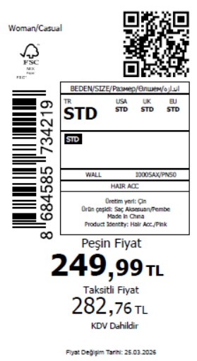 1815
2026-03-26 | I0005AX | NS | 1886823 | BOSNIA | PN50 - PINK | I0005AXDFASTD | 1 | 5 | 5 | BOSNIA | 10 | 50
2026-03-26 | I0005AX | NS | 1886817 | EGYPT | PN50 - PINK | I0005AXDFASTD | 1 | 5 | 5 | EGYPT | 20 | 100
2026-03-26 | I0005AX | NS | 1886812 | GEORGIA | PN50 - PINK | I0005AXDFASTD | 1 | 5 | 5 | GEORGIA | 10 | 50
2026-03-26 | I0005AX | NS | 1886810 | MACEDONIA | PN50 - PINK | I0005AXDFASTD | 1 | 5 | 5 | MACEDONIA | 6 | 30
2026-03-26 | I0005AX | NS | 1886807 | MOLDOVA | PN50 - PINK | I0005AXDFASTD | 1 | 5 | 5 | MOLDOVA | 10 | 50
2026-03-26 | I0005AX | NS | 1886805 | MONTENEGRO | PN50 - PINK | I0005AXDFASTD | 1 | 5 | 5 | MONTENEGRO | 2 | 10
2026-03-26 | I0005AX | NS | 1886803 | MOROCCO | PN50 - PINK | I0005AXDFASTD | 1 | 5 | 5 | MOROCCO | 20 | 100
2026-03-26 | I0005AX | NS | 1886800 | NORTH IRAQ | PN50 - PINK | I0005AXDFASTD | 1 | 5 | 5 | NORTH IRAQ | 20 | 100
2026-03-26 | I0005AX | NS | 1886797 | SERBIA | PN50 - PINK | I0005AXDFASTD | 1 | 5 | 5 | SERBIA | 2 | 10
2026-03-26 | I0005AX | NS | 1886795 | SOUTH IRAQ | PN50 - PINK | I0005AXDFASTD | 1 | 5 | 5 | SOUTH IRAQ | 20 | 100
2026-03-26 | I0005AX | NS | 1886794 | UKRAINE | PN50 - PINK | I0005AXDFASTD | 1 | 5 | 5 | UKRAINE | 10 | 50
2026-03-26 | I0005AX | NS | 1886792 | UZBEKISTAN | PN50 - PINK | I0005AXDFASTD | 1 | 5 | 5 | UZBEKISTAN | 6 | 30
2026-03-26 | I0005AX | NS | 1886788 | AZERBAIJAN | PN50 - PINK | I0005AXDFASTD | 1 | 5 | 5 | AZERBAIJAN | 2 | 10
2026-03-26 | I0005AX | NS | 1886786 | KOSOVO | PN50 - PINK | I0005AXDFASTD | 1 | 5 | 5 | KOSOVO | 3 | 15
2026-03-26 | I0005AX | NS | 1886784 | LEBANON | PN50 - PINK | I0005AXDFASTD | 1 | 5 | 5 | LEBANON | 4 | 20
2026-03-26 | I0005AX | NS | 1886782 | KAZAKHSTAN | PN50 - PINK | I0005AXKZKASTD | 1 | 5 | 5 | KAZAKHSTAN | 15 | 75 |  | 无稿件
2026-03-26 | I0005AX | NS | 1886779 | TOPTAN-5 | PN50 - PINK | I0005AXTOP5ASTD | 1 | 5 | 5 | TOPTAN-5 | 10 | 50 |  | 无稿件
2026-03-26 | I0005AX | NS | 1886778 | TOPTAN-7 | PN50 - PINK | I0005AXTOP7ASTD | 1 | 5 | 5 | TOPTAN-7 | 15 | 75 |  | 无稿件
2026-03-26 | I0005AX | NS | 1886776-无价格 | İSTANBUL DEPO | PN50 - PINK | I0005AXECOMASTD | 1 | 5 | 5 | ECOM | 20 | 100
2026-03-26 | I0005AX | NS | 1886790 | DEFACTO PERAKENDE TİC.A.Ş. DEPO Organize San. Bölgesi 6.Depo Kazım Karabekir Mah. Cumhuriyet Cad. Tekirdağ/Çerkezköy Tel:0090 282 758 11 34-35 | PN50 - PINK | I0005AXDFASTD | 1 | 5 | 5 | TURKEY | 150 | 750
 |  |  |  |  |  |  |  |  |  |  | 363 | 1815

2026-03-26 | I0005AX | NS | 1886825 | ALBANIA | WT1 - WHITE (000) | I0005AXDFBSTD | 1 | 5 | 5 | ALBANIA | 8 | 40 | 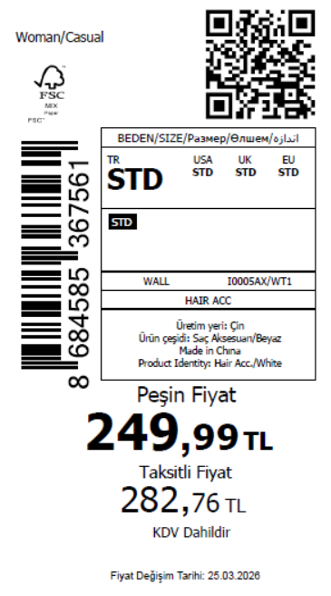 1815
2026-03-26 | I0005AX | NS | 1886823 | BOSNIA | WT1 - WHITE (000) | I0005AXDFBSTD | 1 | 5 | 5 | BOSNIA | 10 | 50
2026-03-26 | I0005AX | NS | 1886817 | EGYPT | WT1 - WHITE (000) | I0005AXDFBSTD | 1 | 5 | 5 | EGYPT | 20 | 100
2026-03-26 | I0005AX | NS | 1886812 | GEORGIA | WT1 - WHITE (000) | I0005AXDFBSTD | 1 | 5 | 5 | GEORGIA | 10 | 50
2026-03-26 | I0005AX | NS | 1886810 | MACEDONIA | WT1 - WHITE (000) | I0005AXDFBSTD | 1 | 5 | 5 | MACEDONIA | 6 | 30
2026-03-26 | I0005AX | NS | 1886807 | MOLDOVA | WT1 - WHITE (000) | I0005AXDFBSTD | 1 | 5 | 5 | MOLDOVA | 10 | 50
2026-03-26 | I0005AX | NS | 1886805 | MONTENEGRO | WT1 - WHITE (000) | I0005AXDFBSTD | 1 | 5 | 5 | MONTENEGRO | 2 | 10
2026-03-26 | I0005AX | NS | 1886803 | MOROCCO | WT1 - WHITE (000) | I0005AXDFBSTD | 1 | 5 | 5 | MOROCCO | 20 | 100
2026-03-26 | I0005AX | NS | 1886800 | NORTH IRAQ | WT1 - WHITE (000) | I0005AXDFBSTD | 1 | 5 | 5 | NORTH IRAQ | 20 | 100
2026-03-26 | I0005AX | NS | 1886797 | SERBIA | WT1 - WHITE (000) | I0005AXDFBSTD | 1 | 5 | 5 | SERBIA | 2 | 10
2026-03-26 | I0005AX | NS | 1886795 | SOUTH IRAQ | WT1 - WHITE (000) | I0005AXDFBSTD | 1 | 5 | 5 | SOUTH IRAQ | 20 | 100
2026-03-26 | I0005AX | NS | 1886794 | UKRAINE | WT1 - WHITE (000) | I0005AXDFBSTD | 1 | 5 | 5 | UKRAINE | 10 | 50
2026-03-26 | I0005AX | NS | 1886792 | UZBEKISTAN | WT1 - WHITE (000) | I0005AXDFBSTD | 1 | 5 | 5 | UZBEKISTAN | 6 | 30
2026-03-26 | I0005AX | NS | 1886788 | AZERBAIJAN | WT1 - WHITE (000) | I0005AXDFBSTD | 1 | 5 | 5 | AZERBAIJAN | 2 | 10
2026-03-26 | I0005AX | NS | 1886786 | KOSOVO | WT1 - WHITE (000) | I0005AXDFBSTD | 1 | 5 | 5 | KOSOVO | 3 | 15
2026-03-26 | I0005AX | NS | 1886784 | LEBANON | WT1 - WHITE (000) | I0005AXDFBSTD | 1 | 5 | 5 | LEBANON | 4 | 20
2026-03-26 | I0005AX | NS | 1886782 | KAZAKHSTAN | WT1 - WHITE (000) | I0005AXKZKBSTD | 1 | 5 | 5 | KAZAKHSTAN | 15 | 75 |  | 无稿件
2026-03-26 | I0005AX | NS | 1886779 | TOPTAN-5 | WT1 - WHITE (000) | I0005AXTOP5BSTD | 1 | 5 | 5 | TOPTAN-5 | 10 | 50 |  | 无稿件
2026-03-26 | I0005AX | NS | 1886778 | TOPTAN-7 | WT1 - WHITE (000) | I0005AXTOP7BSTD | 1 | 5 | 5 | TOPTAN-7 | 15 | 75 |  | 无稿件
2026-03-26 | I0005AX | NS | 1886776-无价格 | İSTANBUL DEPO | WT1 - WHITE (000) | I0005AXECOMBSTD | 1 | 5 | 5 | ECOM | 20 | 100
2026-03-26 | I0005AX | NS | 1886790 | DEFACTO PERAKENDE TİC.A.Ş. DEPO Organize San. Bölgesi 6.Depo Kazım Karabekir Mah. Cumhuriyet Cad. Tekirdağ/Çerkezköy Tel:0090 282 758 11 34-35 | WT1 - WHITE (000) | I0005AXDFBSTD | 1 | 5 | 5 | TURKEY | 150 | 750
 |  |  |  |  |  |  |  |  |  |  | 363 | 1815

2026-03-26 | I0007AX | NS | 1887081 | ALBANIA | PN50 - PINK | I0007AXDFASTD | 2 | 5 | 5 | ALBANIA | 8 | 40 | 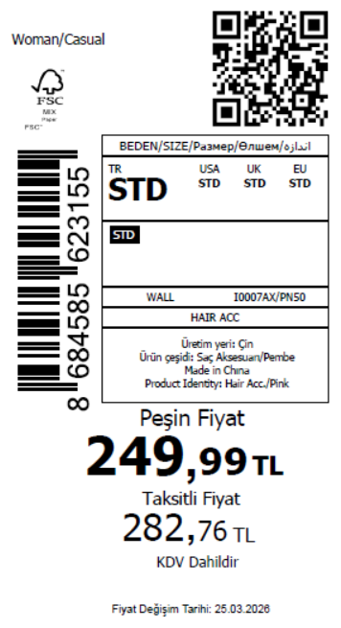 3165
2026-03-26 | I0007AX | NS | 1887080 | BOSNIA | PN50 - PINK | I0007AXDFASTD | 2 | 5 | 5 | BOSNIA | 10 | 50
2026-03-26 | I0007AX | NS | 1887079 | EGYPT | PN50 - PINK | I0007AXDFASTD | 2 | 5 | 5 | EGYPT | 20 | 100
2026-03-26 | I0007AX | NS | 1887078 | GEORGIA | PN50 - PINK | I0007AXDFASTD | 2 | 5 | 5 | GEORGIA | 10 | 50
2026-03-26 | I0007AX | NS | 1887077 | MACEDONIA | PN50 - PINK | I0007AXDFASTD | 2 | 5 | 5 | MACEDONIA | 6 | 30
2026-03-26 | I0007AX | NS | 1887076 | MOLDOVA | PN50 - PINK | I0007AXDFASTD | 2 | 5 | 5 | MOLDOVA | 10 | 50
2026-03-26 | I0007AX | NS | 1887075 | MONTENEGRO | PN50 - PINK | I0007AXDFASTD | 2 | 5 | 5 | MONTENEGRO | 2 | 10
2026-03-26 | I0007AX | NS | 1887073 | MOROCCO | PN50 - PINK | I0007AXDFASTD | 2 | 5 | 5 | MOROCCO | 20 | 100
2026-03-26 | I0007AX | NS | 1887072 | NORTH IRAQ | PN50 - PINK | I0007AXDFASTD | 2 | 5 | 5 | NORTH IRAQ | 20 | 100
2026-03-26 | I0007AX | NS | 1887070 | SERBIA | PN50 - PINK | I0007AXDFASTD | 2 | 5 | 5 | SERBIA | 2 | 10
2026-03-26 | I0007AX | NS | 1887068 | SOUTH IRAQ | PN50 - PINK | I0007AXDFASTD | 2 | 5 | 5 | SOUTH IRAQ | 20 | 100
2026-03-26 | I0007AX | NS | 1887066 | UKRAINE | PN50 - PINK | I0007AXDFASTD | 2 | 5 | 5 | UKRAINE | 10 | 50
2026-03-26 | I0007AX | NS | 1887065 | UZBEKISTAN | PN50 - PINK | I0007AXDFASTD | 2 | 5 | 5 | UZBEKISTAN | 6 | 30
2026-03-26 | I0007AX | NS | 1887062 | AZERBAIJAN | PN50 - PINK | I0007AXDFASTD | 2 | 5 | 5 | AZERBAIJAN | 2 | 10
2026-03-26 | I0007AX | NS | 1887060 | KOSOVO | PN50 - PINK | I0007AXDFASTD | 2 | 5 | 5 | KOSOVO | 3 | 15
2026-03-26 | I0007AX | NS | 1887058 | LEBANON | PN50 - PINK | I0007AXDFASTD | 2 | 5 | 5 | LEBANON | 4 | 20
2026-03-26 | I0007AX | NS | 1887056 | KAZAKHSTAN | PN50 - PINK | I0007AXKZKASTD | 2 | 5 | 5 | KAZAKHSTAN | 15 | 75 |  | 无稿件
2026-03-26 | I0007AX | NS | 1887055 | TOPTAN-5 | PN50 - PINK | I0007AXTOP5ASTD | 2 | 5 | 5 | TOPTAN-5 | 10 | 50 |  | 无稿件
2026-03-26 | I0007AX | NS | 1887053 | TOPTAN-7 | PN50 - PINK | I0007AXTOP7ASTD | 2 | 5 | 5 | TOPTAN-7 | 15 | 75 |  | 无稿件
2026-03-26 | I0007AX | NS | 1887052-无价格 | İSTANBUL DEPO | PN50 - PINK | I0007AXECOMASTD | 2 | 5 | 5 | ECOM | 40 | 200
2026-03-26 | I0007AX | NS | 1887063 | DEFACTO PERAKENDE TİC.A.Ş. DEPO Organize San. Bölgesi 6.Depo Kazım Karabekir Mah. Cumhuriyet Cad. Tekirdağ/Çerkezköy Tel:0090 282 758 11 34-35 | PN50 - PINK | I0007AXDFASTD | 2 | 5 | 5 | TURKEY | 400 | 2000
 |  |  |  |  |  |  |  |  |  |  | 633 | 3165

2026-03-26 | I0008AX | NS | 1887137 | ALBANIA | OG34 - ORANGE | I0008AXDFASTD | 3 | 5 | 5 | ALBANIA | 8 | 40 | 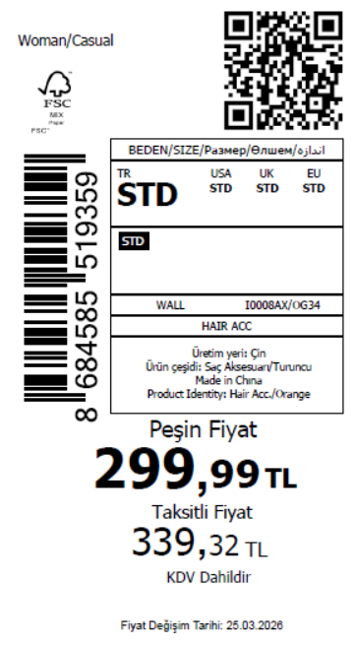 3665
2026-03-26 | I0008AX | NS | 1887134 | BOSNIA | OG34 - ORANGE | I0008AXDFASTD | 3 | 5 | 5 | BOSNIA | 10 | 50
2026-03-26 | I0008AX | NS | 1887132 | EGYPT | OG34 - ORANGE | I0008AXDFASTD | 3 | 5 | 5 | EGYPT | 20 | 100
2026-03-26 | I0008AX | NS | 1887130 | GEORGIA | OG34 - ORANGE | I0008AXDFASTD | 3 | 5 | 5 | GEORGIA | 10 | 50
2026-03-26 | I0008AX | NS | 1887128 | MACEDONIA | OG34 - ORANGE | I0008AXDFASTD | 3 | 5 | 5 | MACEDONIA | 6 | 30
2026-03-26 | I0008AX | NS | 1887126 | MOLDOVA | OG34 - ORANGE | I0008AXDFASTD | 3 | 5 | 5 | MOLDOVA | 10 | 50
2026-03-26 | I0008AX | NS | 1887124 | MONTENEGRO | OG34 - ORANGE | I0008AXDFASTD | 3 | 5 | 5 | MONTENEGRO | 2 | 10
2026-03-26 | I0008AX | NS | 1887122 | MOROCCO | OG34 - ORANGE | I0008AXDFASTD | 3 | 5 | 5 | MOROCCO | 20 | 100
2026-03-26 | I0008AX | NS | 1887119 | NORTH IRAQ | OG34 - ORANGE | I0008AXDFASTD | 3 | 5 | 5 | NORTH IRAQ | 20 | 100
2026-03-26 | I0008AX | NS | 1887117 | SERBIA | OG34 - ORANGE | I0008AXDFASTD | 3 | 5 | 5 | SERBIA | 2 | 10
2026-03-26 | I0008AX | NS | 1887115 | SOUTH IRAQ | OG34 - ORANGE | I0008AXDFASTD | 3 | 5 | 5 | SOUTH IRAQ | 20 | 100
2026-03-26 | I0008AX | NS | 1887113 | UKRAINE | OG34 - ORANGE | I0008AXDFASTD | 3 | 5 | 5 | UKRAINE | 10 | 50
2026-03-26 | I0008AX | NS | 1887110 | UZBEKISTAN | OG34 - ORANGE | I0008AXDFASTD | 3 | 5 | 5 | UZBEKISTAN | 6 | 30
2026-03-26 | I0008AX | NS | 1887106 | AZERBAIJAN | OG34 - ORANGE | I0008AXDFASTD | 3 | 5 | 5 | AZERBAIJAN | 2 | 10
2026-03-26 | I0008AX | NS | 1887105 | KOSOVO | OG34 - ORANGE | I0008AXDFASTD | 3 | 5 | 5 | KOSOVO | 3 | 15
2026-03-26 | I0008AX | NS | 1887104 | LEBANON | OG34 - ORANGE | I0008AXDFASTD | 3 | 5 | 5 | LEBANON | 4 | 20
2026-03-26 | I0008AX | NS | 1887103 | KAZAKHSTAN | OG34 - ORANGE | I0008AXKZKASTD | 3 | 5 | 5 | KAZAKHSTAN | 15 | 75 |  | 无稿件
2026-03-26 | I0008AX | NS | 1887102 | TOPTAN-5 | OG34 - ORANGE | I0008AXTOP5ASTD | 3 | 5 | 5 | TOPTAN-5 | 10 | 50 |  | 无稿件
2026-03-26 | I0008AX | NS | 1887101 | TOPTAN-7 | OG34 - ORANGE | I0008AXTOP7ASTD | 3 | 5 | 5 | TOPTAN-7 | 15 | 75 |  | 无稿件
2026-03-26 | I0008AX | NS | 1887100-无价格 | İSTANBUL DEPO | OG34 - ORANGE | I0008AXECOMASTD | 3 | 5 | 5 | ECOM | 40 | 200
2026-03-26 | I0008AX | NS | 1887109 | DEFACTO PERAKENDE TİC.A.Ş. DEPO Organize San. Bölgesi 6.Depo Kazım Karabekir Mah. Cumhuriyet Cad. Tekirdağ/Çerkezköy Tel:0090 282 758 11 34-35 | OG34 - ORANGE | I0008AXDFASTD | 3 | 5 | 5 | TURKEY | 500 | 2500
 |  |  |  |  |  |  |  |  |  |  | 733 | 3665

2026-03-26 | I0008AX | NS | 1887137 | ALBANIA | YL1 - YELLOW | I0008AXDFBSTD | 3 | 5 | 5 | ALBANIA | 8 | 40 | 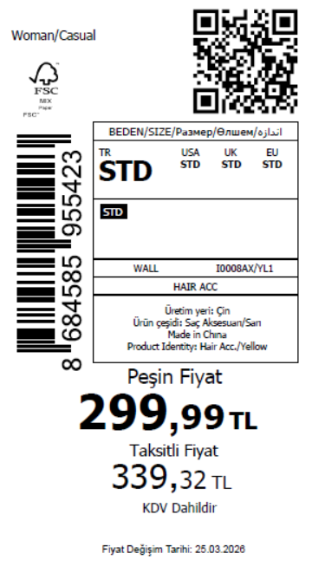 3665
2026-03-26 | I0008AX | NS | 1887134 | BOSNIA | YL1 - YELLOW | I0008AXDFBSTD | 3 | 5 | 5 | BOSNIA | 10 | 50
2026-03-26 | I0008AX | NS | 1887132 | EGYPT | YL1 - YELLOW | I0008AXDFBSTD | 3 | 5 | 5 | EGYPT | 20 | 100
2026-03-26 | I0008AX | NS | 1887130 | GEORGIA | YL1 - YELLOW | I0008AXDFBSTD | 3 | 5 | 5 | GEORGIA | 10 | 50
2026-03-26 | I0008AX | NS | 1887128 | MACEDONIA | YL1 - YELLOW | I0008AXDFBSTD | 3 | 5 | 5 | MACEDONIA | 6 | 30
2026-03-26 | I0008AX | NS | 1887126 | MOLDOVA | YL1 - YELLOW | I0008AXDFBSTD | 3 | 5 | 5 | MOLDOVA | 10 | 50
2026-03-26 | I0008AX | NS | 1887124 | MONTENEGRO | YL1 - YELLOW | I0008AXDFBSTD | 3 | 5 | 5 | MONTENEGRO | 2 | 10
2026-03-26 | I0008AX | NS | 1887122 | MOROCCO | YL1 - YELLOW | I0008AXDFBSTD | 3 | 5 | 5 | MOROCCO | 20 | 100
2026-03-26 | I0008AX | NS | 1887119 | NORTH IRAQ | YL1 - YELLOW | I0008AXDFBSTD | 3 | 5 | 5 | NORTH IRAQ | 20 | 100
2026-03-26 | I0008AX | NS | 1887117 | SERBIA | YL1 - YELLOW | I0008AXDFBSTD | 3 | 5 | 5 | SERBIA | 2 | 10
2026-03-26 | I0008AX | NS | 1887115 | SOUTH IRAQ | YL1 - YELLOW | I0008AXDFBSTD | 3 | 5 | 5 | SOUTH IRAQ | 20 | 100
2026-03-26 | I0008AX | NS | 1887113 | UKRAINE | YL1 - YELLOW | I0008AXDFBSTD | 3 | 5 | 5 | UKRAINE | 10 | 50
2026-03-26 | I0008AX | NS | 1887110 | UZBEKISTAN | YL1 - YELLOW | I0008AXDFBSTD | 3 | 5 | 5 | UZBEKISTAN | 6 | 30
2026-03-26 | I0008AX | NS | 1887106 | AZERBAIJAN | YL1 - YELLOW | I0008AXDFBSTD | 3 | 5 | 5 | AZERBAIJAN | 2 | 10
2026-03-26 | I0008AX | NS | 1887105 | KOSOVO | YL1 - YELLOW | I0008AXDFBSTD | 3 | 5 | 5 | KOSOVO | 3 | 15
2026-03-26 | I0008AX | NS | 1887104 | LEBANON | YL1 - YELLOW | I0008AXDFBSTD | 3 | 5 | 5 | LEBANON | 4 | 20
2026-03-26 | I0008AX | NS | 1887103 | KAZAKHSTAN | YL1 - YELLOW | I0008AXKZKBSTD | 3 | 5 | 5 | KAZAKHSTAN | 15 | 75 |  | 无稿件
2026-03-26 | I0008AX | NS | 1887102 | TOPTAN-5 | YL1 - YELLOW | I0008AXTOP5BSTD | 3 | 5 | 5 | TOPTAN-5 | 10 | 50 |  | 无稿件
2026-03-26 | I0008AX | NS | 1887101 | TOPTAN-7 | YL1 - YELLOW | I0008AXTOP7BSTD | 3 | 5 | 5 | TOPTAN-7 | 15 | 75 |  | 无稿件
2026-03-26 | I0008AX | NS | 1887100-无价格 | İSTANBUL DEPO | YL1 - YELLOW | I0008AXECOMBSTD | 3 | 5 | 5 | ECOM | 40 | 200
2026-03-26 | I0008AX | NS | 1887109 | DEFACTO PERAKENDE TİC.A.Ş. DEPO Organize San. Bölgesi 6.Depo Kazım Karabekir Mah. Cumhuriyet Cad. Tekirdağ/Çerkezköy Tel:0090 282 758 11 34-35 | YL1 - YELLOW | I0008AXDFBSTD | 3 | 5 | 5 | TURKEY | 500 | 2500
 |  |  |  |  |  |  |  |  |  |  | 733 | 3665

2026-03-26 | I0010AX | NS | 1887170 | ALBANIA | RD1 - RED | I0010AXDFASTD | 3 | 5 | 5 | ALBANIA | 8 | 40 | 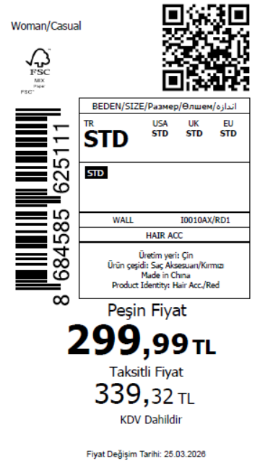 3165
2026-03-26 | I0010AX | NS | 1887167 | BOSNIA | RD1 - RED | I0010AXDFASTD | 3 | 5 | 5 | BOSNIA | 10 | 50
2026-03-26 | I0010AX | NS | 1887165 | EGYPT | RD1 - RED | I0010AXDFASTD | 3 | 5 | 5 | EGYPT | 20 | 100
2026-03-26 | I0010AX | NS | 1887162 | GEORGIA | RD1 - RED | I0010AXDFASTD | 3 | 5 | 5 | GEORGIA | 10 | 50
2026-03-26 | I0010AX | NS | 1887159 | MACEDONIA | RD1 - RED | I0010AXDFASTD | 3 | 5 | 5 | MACEDONIA | 6 | 30
2026-03-26 | I0010AX | NS | 1887156 | MOLDOVA | RD1 - RED | I0010AXDFASTD | 3 | 5 | 5 | MOLDOVA | 10 | 50
2026-03-26 | I0010AX | NS | 1887153 | MONTENEGRO | RD1 - RED | I0010AXDFASTD | 3 | 5 | 5 | MONTENEGRO | 2 | 10
2026-03-26 | I0010AX | NS | 1887152 | MOROCCO | RD1 - RED | I0010AXDFASTD | 3 | 5 | 5 | MOROCCO | 20 | 100
2026-03-26 | I0010AX | NS | 1887151 | NORTH IRAQ | RD1 - RED | I0010AXDFASTD | 3 | 5 | 5 | NORTH IRAQ | 20 | 100
2026-03-26 | I0010AX | NS | 1887150 | SERBIA | RD1 - RED | I0010AXDFASTD | 3 | 5 | 5 | SERBIA | 2 | 10
2026-03-26 | I0010AX | NS | 1887149 | SOUTH IRAQ | RD1 - RED | I0010AXDFASTD | 3 | 5 | 5 | SOUTH IRAQ | 20 | 100
2026-03-26 | I0010AX | NS | 1887148 | UKRAINE | RD1 - RED | I0010AXDFASTD | 3 | 5 | 5 | UKRAINE | 10 | 50
2026-03-26 | I0010AX | NS | 1887147 | UZBEKISTAN | RD1 - RED | I0010AXDFASTD | 3 | 5 | 5 | UZBEKISTAN | 6 | 30
2026-03-26 | I0010AX | NS | 1887145 | AZERBAIJAN | RD1 - RED | I0010AXDFASTD | 3 | 5 | 5 | AZERBAIJAN | 2 | 10
2026-03-26 | I0010AX | NS | 1887144 | KOSOVO | RD1 - RED | I0010AXDFASTD | 3 | 5 | 5 | KOSOVO | 3 | 15
2026-03-26 | I0010AX | NS | 1887143 | LEBANON | RD1 - RED | I0010AXDFASTD | 3 | 5 | 5 | LEBANON | 4 | 20
2026-03-26 | I0010AX | NS | 1887142 | KAZAKHSTAN | RD1 - RED | I0010AXKZKASTD | 3 | 5 | 5 | KAZAKHSTAN | 15 | 75 |  | 无稿件
2026-03-26 | I0010AX | NS | 1887141 | TOPTAN-5 | RD1 - RED | I0010AXTOP5ASTD | 3 | 5 | 5 | TOPTAN-5 | 10 | 50 |  | 无稿件
2026-03-26 | I0010AX | NS | 1887140 | TOPTAN-7 | RD1 - RED | I0010AXTOP7ASTD | 3 | 5 | 5 | TOPTAN-7 | 15 | 75 |  | 无稿件
2026-03-26 | I0010AX | NS | 1887139-无价格 | İSTANBUL DEPO | RD1 - RED | I0010AXECOMASTD | 3 | 5 | 5 | ECOM | 40 | 200
2026-03-26 | I0010AX | NS | 1887146 | DEFACTO PERAKENDE TİC.A.Ş. DEPO Organize San. Bölgesi 6.Depo Kazım Karabekir Mah. Cumhuriyet Cad. Tekirdağ/Çerkezköy Tel:0090 282 758 11 34-35 | RD1 - RED | I0010AXDFASTD | 3 | 5 | 5 | TURKEY | 400 | 2000
 |  |  |  |  |  |  |  |  |  |  | 633 | 3165

2026-03-26 | I0010AX | NS | 1887170 | ALBANIA | NV1 - NAVY | I0010AXDFBSTD | 3 | 5 | 5 | ALBANIA | 8 | 40 | 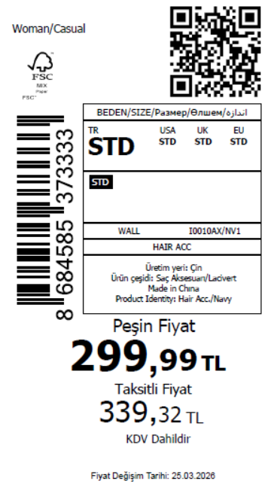 2565
2026-03-26 | I0010AX | NS | 1887167 | BOSNIA | NV1 - NAVY | I0010AXDFBSTD | 3 | 5 | 5 | BOSNIA | 10 | 50
2026-03-26 | I0010AX | NS | 1887165 | EGYPT | NV1 - NAVY | I0010AXDFBSTD | 3 | 5 | 5 | EGYPT | 20 | 100
2026-03-26 | I0010AX | NS | 1887162 | GEORGIA | NV1 - NAVY | I0010AXDFBSTD | 3 | 5 | 5 | GEORGIA | 10 | 50
2026-03-26 | I0010AX | NS | 1887159 | MACEDONIA | NV1 - NAVY | I0010AXDFBSTD | 3 | 5 | 5 | MACEDONIA | 6 | 30
2026-03-26 | I0010AX | NS | 1887156 | MOLDOVA | NV1 - NAVY | I0010AXDFBSTD | 3 | 5 | 5 | MOLDOVA | 10 | 50
2026-03-26 | I0010AX | NS | 1887153 | MONTENEGRO | NV1 - NAVY | I0010AXDFBSTD | 3 | 5 | 5 | MONTENEGRO | 2 | 10
2026-03-26 | I0010AX | NS | 1887152 | MOROCCO | NV1 - NAVY | I0010AXDFBSTD | 3 | 5 | 5 | MOROCCO | 20 | 100
2026-03-26 | I0010AX | NS | 1887151 | NORTH IRAQ | NV1 - NAVY | I0010AXDFBSTD | 3 | 5 | 5 | NORTH IRAQ | 20 | 100
2026-03-26 | I0010AX | NS | 1887150 | SERBIA | NV1 - NAVY | I0010AXDFBSTD | 3 | 5 | 5 | SERBIA | 2 | 10
2026-03-26 | I0010AX | NS | 1887149 | SOUTH IRAQ | NV1 - NAVY | I0010AXDFBSTD | 3 | 5 | 5 | SOUTH IRAQ | 20 | 100
2026-03-26 | I0010AX | NS | 1887148 | UKRAINE | NV1 - NAVY | I0010AXDFBSTD | 3 | 5 | 5 | UKRAINE | 10 | 50
2026-03-26 | I0010AX | NS | 1887147 | UZBEKISTAN | NV1 - NAVY | I0010AXDFBSTD | 3 | 5 | 5 | UZBEKISTAN | 6 | 30
2026-03-26 | I0010AX | NS | 1887145 | AZERBAIJAN | NV1 - NAVY | I0010AXDFBSTD | 3 | 5 | 5 | AZERBAIJAN | 2 | 10
2026-03-26 | I0010AX | NS | 1887144 | KOSOVO | NV1 - NAVY | I0010AXDFBSTD | 3 | 5 | 5 | KOSOVO | 3 | 15
2026-03-26 | I0010AX | NS | 1887143 | LEBANON | NV1 - NAVY | I0010AXDFBSTD | 3 | 5 | 5 | LEBANON | 4 | 20
2026-03-26 | I0010AX | NS | 1887142 | KAZAKHSTAN | NV1 - NAVY | I0010AXKZKBSTD | 3 | 5 | 5 | KAZAKHSTAN | 15 | 75 |  | 无稿件
2026-03-26 | I0010AX | NS | 1887141 | TOPTAN-5 | NV1 - NAVY | I0010AXTOP5BSTD | 3 | 5 | 5 | TOPTAN-5 | 10 | 50 |  | 无稿件
2026-03-26 | I0010AX | NS | 1887140 | TOPTAN-7 | NV1 - NAVY | I0010AXTOP7BSTD | 3 | 5 | 5 | TOPTAN-7 | 15 | 75 |  | 无稿件
2026-03-26 | I0010AX | NS | 1887139-无价格 | İSTANBUL DEPO | NV1 - NAVY | I0010AXECOMBSTD | 3 | 5 | 5 | ECOM | 20 | 100
2026-03-26 | I0010AX | NS | 1887146 | DEFACTO PERAKENDE TİC.A.Ş. DEPO Organize San. Bölgesi 6.Depo Kazım Karabekir Mah. Cumhuriyet Cad. Tekirdağ/Çerkezköy Tel:0090 282 758 11 34-35 | NV1 - NAVY | I0010AXDFBSTD | 3 | 5 | 5 | TURKEY | 300 | 1500
 |  |  |  |  |  |  |  |  |  |  | 513 | 2565

2026-03-26 | I0012AX | NS | 1887198 | ALBANIA | KR1 - KARMA | I0012AXDFASTD | 2 | 5 | 5 | ALBANIA | 8 | 40 | 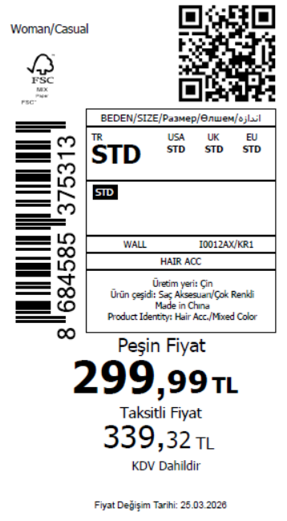 3165
2026-03-26 | I0012AX | NS | 1887197 | BOSNIA | KR1 - KARMA | I0012AXDFASTD | 2 | 5 | 5 | BOSNIA | 10 | 50
2026-03-26 | I0012AX | NS | 1887196 | EGYPT | KR1 - KARMA | I0012AXDFASTD | 2 | 5 | 5 | EGYPT | 20 | 100
2026-03-26 | I0012AX | NS | 1887195 | GEORGIA | KR1 - KARMA | I0012AXDFASTD | 2 | 5 | 5 | GEORGIA | 10 | 50
2026-03-26 | I0012AX | NS | 1887194 | MACEDONIA | KR1 - KARMA | I0012AXDFASTD | 2 | 5 | 5 | MACEDONIA | 6 | 30
2026-03-26 | I0012AX | NS | 1887193 | MOLDOVA | KR1 - KARMA | I0012AXDFASTD | 2 | 5 | 5 | MOLDOVA | 10 | 50
2026-03-26 | I0012AX | NS | 1887192 | MONTENEGRO | KR1 - KARMA | I0012AXDFASTD | 2 | 5 | 5 | MONTENEGRO | 2 | 10
2026-03-26 | I0012AX | NS | 1887191 | MOROCCO | KR1 - KARMA | I0012AXDFASTD | 2 | 5 | 5 | MOROCCO | 20 | 100
2026-03-26 | I0012AX | NS | 1887190 | NORTH IRAQ | KR1 - KARMA | I0012AXDFASTD | 2 | 5 | 5 | NORTH IRAQ | 20 | 100
2026-03-26 | I0012AX | NS | 1887189 | SERBIA | KR1 - KARMA | I0012AXDFASTD | 2 | 5 | 5 | SERBIA | 2 | 10
2026-03-26 | I0012AX | NS | 1887188 | SOUTH IRAQ | KR1 - KARMA | I0012AXDFASTD | 2 | 5 | 5 | SOUTH IRAQ | 20 | 100
2026-03-26 | I0012AX | NS | 1887187 | UKRAINE | KR1 - KARMA | I0012AXDFASTD | 2 | 5 | 5 | UKRAINE | 10 | 50
2026-03-26 | I0012AX | NS | 1887186 | UZBEKISTAN | KR1 - KARMA | I0012AXDFASTD | 2 | 5 | 5 | UZBEKISTAN | 6 | 30
2026-03-26 | I0012AX | NS | 1887184 | AZERBAIJAN | KR1 - KARMA | I0012AXDFASTD | 2 | 5 | 5 | AZERBAIJAN | 2 | 10
2026-03-26 | I0012AX | NS | 1887183 | KOSOVO | KR1 - KARMA | I0012AXDFASTD | 2 | 5 | 5 | KOSOVO | 3 | 15
2026-03-26 | I0012AX | NS | 1887181 | LEBANON | KR1 - KARMA | I0012AXDFASTD | 2 | 5 | 5 | LEBANON | 4 | 20
2026-03-26 | I0012AX | NS | 1887180 | KAZAKHSTAN | KR1 - KARMA | I0012AXKZKASTD | 2 | 5 | 5 | KAZAKHSTAN | 15 | 75 |  | 无稿件
2026-03-26 | I0012AX | NS | 1887178 | TOPTAN-5 | KR1 - KARMA | I0012AXTOP5ASTD | 2 | 5 | 5 | TOPTAN-5 | 10 | 50 |  | 无稿件
2026-03-26 | I0012AX | NS | 1887177 | TOPTAN-7 | KR1 - KARMA | I0012AXTOP7ASTD | 2 | 5 | 5 | TOPTAN-7 | 15 | 75 |  | 无稿件
2026-03-26 | I0012AX | NS | 1887176-无价格 | İSTANBUL DEPO | KR1 - KARMA | I0012AXECOMASTD | 2 | 5 | 5 | ECOM | 40 | 200
2026-03-26 | I0012AX | NS | 1887185 | DEFACTO PERAKENDE TİC.A.Ş. DEPO Organize San. Bölgesi 6.Depo Kazım Karabekir Mah. Cumhuriyet Cad. Tekirdağ/Çerkezköy Tel:0090 282 758 11 34-35 | KR1 - KARMA | I0012AXDFASTD | 2 | 5 | 5 | TURKEY | 400 | 2000
 |  |  |  |  |  |  |  |  |  |  | 633 | 3165

2026-03-26 | I0013AX | NS | 1887219 | ALBANIA | KR1 - KARMA | I0013AXDFASTD | 6 | 5 | 5 | ALBANIA | 8 | 40 | 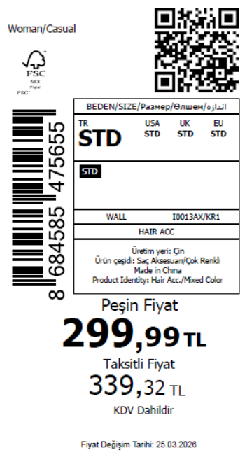 2565
2026-03-26 | I0013AX | NS | 1887218 | BOSNIA | KR1 - KARMA | I0013AXDFASTD | 6 | 5 | 5 | BOSNIA | 10 | 50
2026-03-26 | I0013AX | NS | 1887217 | EGYPT | KR1 - KARMA | I0013AXDFASTD | 6 | 5 | 5 | EGYPT | 20 | 100
2026-03-26 | I0013AX | NS | 1887216 | GEORGIA | KR1 - KARMA | I0013AXDFASTD | 6 | 5 | 5 | GEORGIA | 10 | 50
2026-03-26 | I0013AX | NS | 1887215 | MACEDONIA | KR1 - KARMA | I0013AXDFASTD | 6 | 5 | 5 | MACEDONIA | 6 | 30
2026-03-26 | I0013AX | NS | 1887214 | MOLDOVA | KR1 - KARMA | I0013AXDFASTD | 6 | 5 | 5 | MOLDOVA | 10 | 50
2026-03-26 | I0013AX | NS | 1887213 | MONTENEGRO | KR1 - KARMA | I0013AXDFASTD | 6 | 5 | 5 | MONTENEGRO | 2 | 10
2026-03-26 | I0013AX | NS | 1887212 | MOROCCO | KR1 - KARMA | I0013AXDFASTD | 6 | 5 | 5 | MOROCCO | 20 | 100
2026-03-26 | I0013AX | NS | 1887211 | NORTH IRAQ | KR1 - KARMA | I0013AXDFASTD | 6 | 5 | 5 | NORTH IRAQ | 20 | 100
2026-03-26 | I0013AX | NS | 1887210 | SERBIA | KR1 - KARMA | I0013AXDFASTD | 6 | 5 | 5 | SERBIA | 2 | 10
2026-03-26 | I0013AX | NS | 1887209 | SOUTH IRAQ | KR1 - KARMA | I0013AXDFASTD | 6 | 5 | 5 | SOUTH IRAQ | 20 | 100
2026-03-26 | I0013AX | NS | 1887208 | UKRAINE | KR1 - KARMA | I0013AXDFASTD | 6 | 5 | 5 | UKRAINE | 10 | 50
2026-03-26 | I0013AX | NS | 1887207 | UZBEKISTAN | KR1 - KARMA | I0013AXDFASTD | 6 | 5 | 5 | UZBEKISTAN | 6 | 30
2026-03-26 | I0013AX | NS | 1887205 | AZERBAIJAN | KR1 - KARMA | I0013AXDFASTD | 6 | 5 | 5 | AZERBAIJAN | 2 | 10
2026-03-26 | I0013AX | NS | 1887204 | KOSOVO | KR1 - KARMA | I0013AXDFASTD | 6 | 5 | 5 | KOSOVO | 3 | 15
2026-03-26 | I0013AX | NS | 1887203 | LEBANON | KR1 - KARMA | I0013AXDFASTD | 6 | 5 | 5 | LEBANON | 4 | 20
2026-03-26 | I0013AX | NS | 1887202 | KAZAKHSTAN | KR1 - KARMA | I0013AXKZKASTD | 6 | 5 | 5 | KAZAKHSTAN | 15 | 75 |  | 无稿件
2026-03-26 | I0013AX | NS | 1887201 | TOPTAN-5 | KR1 - KARMA | I0013AXTOP5ASTD | 6 | 5 | 5 | TOPTAN-5 | 10 | 50 |  | 无稿件
2026-03-26 | I0013AX | NS | 1887200 | TOPTAN-7 | KR1 - KARMA | I0013AXTOP7ASTD | 6 | 5 | 5 | TOPTAN-7 | 15 | 75 |  | 无稿件
2026-03-26 | I0013AX | NS | 1887199-无价格 | İSTANBUL DEPO | KR1 - KARMA | I0013AXECOMASTD | 6 | 5 | 5 | ECOM | 20 | 100
2026-03-26 | I0013AX | NS | 1887206 | DEFACTO PERAKENDE TİC.A.Ş. DEPO Organize San. Bölgesi 6.Depo Kazım Karabekir Mah. Cumhuriyet Cad. Tekirdağ/Çerkezköy Tel:0090 282 758 11 34-35 | KR1 - KARMA | I0013AXDFASTD | 6 | 5 | 5 | TURKEY | 300 | 1500
 |  |  |  |  |  |  |  |  |  |  | 513 | 2565

2026-03-26 | I0014AX | NS | 1887240 | ALBANIA | KR1 - KARMA | I0014AXDFASTD | 6 | 5 | 5 | ALBANIA | 8 | 40 | 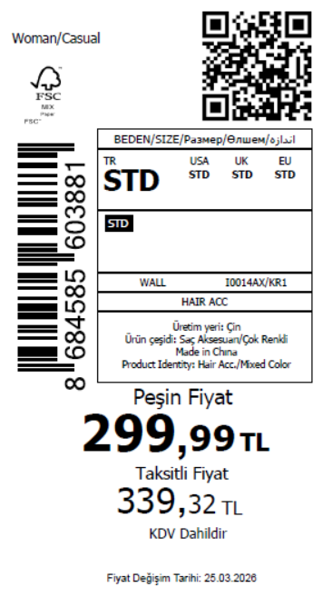 2815
2026-03-26 | I0014AX | NS | 1887239 | BOSNIA | KR1 - KARMA | I0014AXDFASTD | 6 | 5 | 5 | BOSNIA | 10 | 50
2026-03-26 | I0014AX | NS | 1887238 | EGYPT | KR1 - KARMA | I0014AXDFASTD | 6 | 5 | 5 | EGYPT | 20 | 100
2026-03-26 | I0014AX | NS | 1887237 | GEORGIA | KR1 - KARMA | I0014AXDFASTD | 6 | 5 | 5 | GEORGIA | 10 | 50
2026-03-26 | I0014AX | NS | 1887236 | MACEDONIA | KR1 - KARMA | I0014AXDFASTD | 6 | 5 | 5 | MACEDONIA | 6 | 30
2026-03-26 | I0014AX | NS | 1887235 | MOLDOVA | KR1 - KARMA | I0014AXDFASTD | 6 | 5 | 5 | MOLDOVA | 10 | 50
2026-03-26 | I0014AX | NS | 1887234 | MONTENEGRO | KR1 - KARMA | I0014AXDFASTD | 6 | 5 | 5 | MONTENEGRO | 2 | 10
2026-03-26 | I0014AX | NS | 1887233 | MOROCCO | KR1 - KARMA | I0014AXDFASTD | 6 | 5 | 5 | MOROCCO | 20 | 100
2026-03-26 | I0014AX | NS | 1887232 | NORTH IRAQ | KR1 - KARMA | I0014AXDFASTD | 6 | 5 | 5 | NORTH IRAQ | 20 | 100
2026-03-26 | I0014AX | NS | 1887231 | SERBIA | KR1 - KARMA | I0014AXDFASTD | 6 | 5 | 5 | SERBIA | 2 | 10
2026-03-26 | I0014AX | NS | 1887230 | SOUTH IRAQ | KR1 - KARMA | I0014AXDFASTD | 6 | 5 | 5 | SOUTH IRAQ | 20 | 100
2026-03-26 | I0014AX | NS | 1887229 | UKRAINE | KR1 - KARMA | I0014AXDFASTD | 6 | 5 | 5 | UKRAINE | 10 | 50
2026-03-26 | I0014AX | NS | 1887228 | UZBEKISTAN | KR1 - KARMA | I0014AXDFASTD | 6 | 5 | 5 | UZBEKISTAN | 6 | 30
2026-03-26 | I0014AX | NS | 1887226 | AZERBAIJAN | KR1 - KARMA | I0014AXDFASTD | 6 | 5 | 5 | AZERBAIJAN | 2 | 10
2026-03-26 | I0014AX | NS | 1887225 | KOSOVO | KR1 - KARMA | I0014AXDFASTD | 6 | 5 | 5 | KOSOVO | 3 | 15
2026-03-26 | I0014AX | NS | 1887224 | LEBANON | KR1 - KARMA | I0014AXDFASTD | 6 | 5 | 5 | LEBANON | 4 | 20
2026-03-26 | I0014AX | NS | 1887223 | KAZAKHSTAN | KR1 - KARMA | I0014AXKZKASTD | 6 | 5 | 5 | KAZAKHSTAN | 15 | 75 |  | 无稿件
2026-03-26 | I0014AX | NS | 1887222 | TOPTAN-5 | KR1 - KARMA | I0014AXTOP5ASTD | 6 | 5 | 5 | TOPTAN-5 | 10 | 50 |  | 无稿件
2026-03-26 | I0014AX | NS | 1887221 | TOPTAN-7 | KR1 - KARMA | I0014AXTOP7ASTD | 6 | 5 | 5 | TOPTAN-7 | 15 | 75 |  | 无稿件
2026-03-26 | I0014AX | NS | 1887220-无价格 | İSTANBUL DEPO | KR1 - KARMA | I0014AXECOMASTD | 6 | 5 | 5 | ECOM | 20 | 100
2026-03-26 | I0014AX | NS | 1887227 | DEFACTO PERAKENDE TİC.A.Ş. DEPO Organize San. Bölgesi 6.Depo Kazım Karabekir Mah. Cumhuriyet Cad. Tekirdağ/Çerkezköy Tel:0090 282 758 11 34-35 | KR1 - KARMA | I0014AXDFASTD | 6 | 5 | 5 | TURKEY | 350 | 1750
 |  |  |  |  |  |  |  |  |  |  | 563 | 2815

2026-03-26 | I0015AX | NS | 1887278 | ALBANIA | KR1 - KARMA | I0015AXDFASTD | 6 | 5 | 5 | ALBANIA | 8 | 40 | 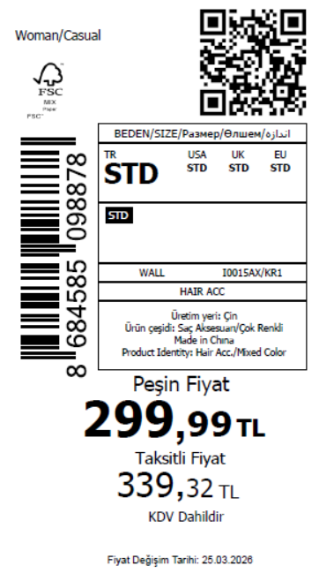 2565
2026-03-26 | I0015AX | NS | 1887276 | BOSNIA | KR1 - KARMA | I0015AXDFASTD | 6 | 5 | 5 | BOSNIA | 10 | 50
2026-03-26 | I0015AX | NS | 1887273 | EGYPT | KR1 - KARMA | I0015AXDFASTD | 6 | 5 | 5 | EGYPT | 20 | 100
2026-03-26 | I0015AX | NS | 1887271 | GEORGIA | KR1 - KARMA | I0015AXDFASTD | 6 | 5 | 5 | GEORGIA | 10 | 50
2026-03-26 | I0015AX | NS | 1887270 | MACEDONIA | KR1 - KARMA | I0015AXDFASTD | 6 | 5 | 5 | MACEDONIA | 6 | 30
2026-03-26 | I0015AX | NS | 1887267 | MOLDOVA | KR1 - KARMA | I0015AXDFASTD | 6 | 5 | 5 | MOLDOVA | 10 | 50
2026-03-26 | I0015AX | NS | 1887265 | MONTENEGRO | KR1 - KARMA | I0015AXDFASTD | 6 | 5 | 5 | MONTENEGRO | 2 | 10
2026-03-26 | I0015AX | NS | 1887263 | MOROCCO | KR1 - KARMA | I0015AXDFASTD | 6 | 5 | 5 | MOROCCO | 20 | 100
2026-03-26 | I0015AX | NS | 1887260 | NORTH IRAQ | KR1 - KARMA | I0015AXDFASTD | 6 | 5 | 5 | NORTH IRAQ | 20 | 100
2026-03-26 | I0015AX | NS | 1887258 | SERBIA | KR1 - KARMA | I0015AXDFASTD | 6 | 5 | 5 | SERBIA | 2 | 10
2026-03-26 | I0015AX | NS | 1887256 | SOUTH IRAQ | KR1 - KARMA | I0015AXDFASTD | 6 | 5 | 5 | SOUTH IRAQ | 20 | 100
2026-03-26 | I0015AX | NS | 1887253 | UKRAINE | KR1 - KARMA | I0015AXDFASTD | 6 | 5 | 5 | UKRAINE | 10 | 50
2026-03-26 | I0015AX | NS | 1887251 | UZBEKISTAN | KR1 - KARMA | I0015AXDFASTD | 6 | 5 | 5 | UZBEKISTAN | 6 | 30
2026-03-26 | I0015AX | NS | 1887247 | AZERBAIJAN | KR1 - KARMA | I0015AXDFASTD | 6 | 5 | 5 | AZERBAIJAN | 2 | 10
2026-03-26 | I0015AX | NS | 1887246 | KOSOVO | KR1 - KARMA | I0015AXDFASTD | 6 | 5 | 5 | KOSOVO | 3 | 15
2026-03-26 | I0015AX | NS | 1887245 | LEBANON | KR1 - KARMA | I0015AXDFASTD | 6 | 5 | 5 | LEBANON | 4 | 20
2026-03-26 | I0015AX | NS | 1887244 | KAZAKHSTAN | KR1 - KARMA | I0015AXKZKASTD | 6 | 5 | 5 | KAZAKHSTAN | 15 | 75 |  | 无稿件
2026-03-26 | I0015AX | NS | 1887243 | TOPTAN-5 | KR1 - KARMA | I0015AXTOP5ASTD | 6 | 5 | 5 | TOPTAN-5 | 10 | 50 |  | 无稿件
2026-03-26 | I0015AX | NS | 1887242 | TOPTAN-7 | KR1 - KARMA | I0015AXTOP7ASTD | 6 | 5 | 5 | TOPTAN-7 | 15 | 75 |  | 无稿件
2026-03-26 | I0015AX | NS | 1887241-无价格 | İSTANBUL DEPO | KR1 - KARMA | I0015AXECOMASTD | 6 | 5 | 5 | ECOM | 20 | 100
2026-03-26 | I0015AX | NS | 1887249 | DEFACTO PERAKENDE TİC.A.Ş. DEPO Organize San. Bölgesi 6.Depo Kazım Karabekir Mah. Cumhuriyet Cad. Tekirdağ/Çerkezköy Tel:0090 282 758 11 34-35 | KR1 - KARMA | I0015AXDFASTD | 6 | 5 | 5 | TURKEY | 300 | 1500
 |  |  |  |  |  |  |  |  |  |  | 513 | 2565

2026-03-26 | I0016AX | NS | 1887319 | ALBANIA | GD1 - GOLD | I0016AXDFASTD | 2 | 5 | 5 | ALBANIA | 8 | 40 | 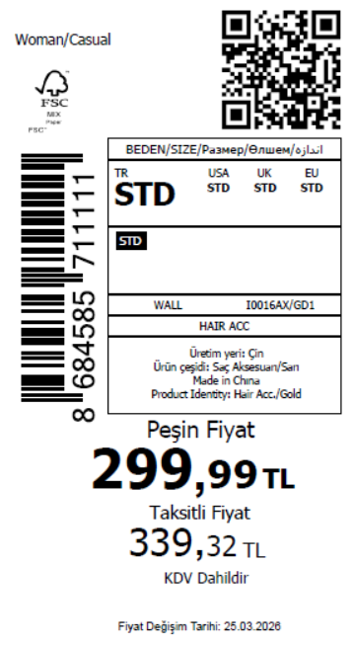 2815
2026-03-26 | I0016AX | NS | 1887315 | BOSNIA | GD1 - GOLD | I0016AXDFASTD | 2 | 5 | 5 | BOSNIA | 10 | 50
2026-03-26 | I0016AX | NS | 1887312 | EGYPT | GD1 - GOLD | I0016AXDFASTD | 2 | 5 | 5 | EGYPT | 20 | 100
2026-03-26 | I0016AX | NS | 1887309 | GEORGIA | GD1 - GOLD | I0016AXDFASTD | 2 | 5 | 5 | GEORGIA | 10 | 50
2026-03-26 | I0016AX | NS | 1887306 | MACEDONIA | GD1 - GOLD | I0016AXDFASTD | 2 | 5 | 5 | MACEDONIA | 6 | 30
2026-03-26 | I0016AX | NS | 1887304 | MOLDOVA | GD1 - GOLD | I0016AXDFASTD | 2 | 5 | 5 | MOLDOVA | 10 | 50
2026-03-26 | I0016AX | NS | 1887303 | MONTENEGRO | GD1 - GOLD | I0016AXDFASTD | 2 | 5 | 5 | MONTENEGRO | 2 | 10
2026-03-26 | I0016AX | NS | 1887302 | MOROCCO | GD1 - GOLD | I0016AXDFASTD | 2 | 5 | 5 | MOROCCO | 20 | 100
2026-03-26 | I0016AX | NS | 1887301 | NORTH IRAQ | GD1 - GOLD | I0016AXDFASTD | 2 | 5 | 5 | NORTH IRAQ | 20 | 100
2026-03-26 | I0016AX | NS | 1887300 | SERBIA | GD1 - GOLD | I0016AXDFASTD | 2 | 5 | 5 | SERBIA | 2 | 10
2026-03-26 | I0016AX | NS | 1887299 | SOUTH IRAQ | GD1 - GOLD | I0016AXDFASTD | 2 | 5 | 5 | SOUTH IRAQ | 20 | 100
2026-03-26 | I0016AX | NS | 1887298 | UKRAINE | GD1 - GOLD | I0016AXDFASTD | 2 | 5 | 5 | UKRAINE | 10 | 50
2026-03-26 | I0016AX | NS | 1887297 | UZBEKISTAN | GD1 - GOLD | I0016AXDFASTD | 2 | 5 | 5 | UZBEKISTAN | 6 | 30
2026-03-26 | I0016AX | NS | 1887295 | AZERBAIJAN | GD1 - GOLD | I0016AXDFASTD | 2 | 5 | 5 | AZERBAIJAN | 2 | 10
2026-03-26 | I0016AX | NS | 1887294 | KOSOVO | GD1 - GOLD | I0016AXDFASTD | 2 | 5 | 5 | KOSOVO | 3 | 15
2026-03-26 | I0016AX | NS | 1887291 | LEBANON | GD1 - GOLD | I0016AXDFASTD | 2 | 5 | 5 | LEBANON | 4 | 20
2026-03-26 | I0016AX | NS | 1887289 | KAZAKHSTAN | GD1 - GOLD | I0016AXKZKASTD | 2 | 5 | 5 | KAZAKHSTAN | 15 | 75 |  | 无稿件
2026-03-26 | I0016AX | NS | 1887288 | TOPTAN-5 | GD1 - GOLD | I0016AXTOP5ASTD | 2 | 5 | 5 | TOPTAN-5 | 10 | 50 |  | 无稿件
2026-03-26 | I0016AX | NS | 1887286 | TOPTAN-7 | GD1 - GOLD | I0016AXTOP7ASTD | 2 | 5 | 5 | TOPTAN-7 | 15 | 75 |  | 无稿件
2026-03-26 | I0016AX | NS | 1887285-无价格 | İSTANBUL DEPO | GD1 - GOLD | I0016AXECOMASTD | 2 | 5 | 5 | ECOM | 20 | 100
2026-03-26 | I0016AX | NS | 1887296 | DEFACTO PERAKENDE TİC.A.Ş. DEPO Organize San. Bölgesi 6.Depo Kazım Karabekir Mah. Cumhuriyet Cad. Tekirdağ/Çerkezköy Tel:0090 282 758 11 34-35 | GD1 - GOLD | I0016AXDFASTD | 2 | 5 | 5 | TURKEY | 350 | 1750
 |  |  |  |  |  |  |  |  |  |  | 563 | 2815

2026-03-26 | I0017AX | NS | 1887373 | ALBANIA | GD1 - GOLD | I0017AXDFASTD | 1 | 5 | 5 | ALBANIA | 8 | 40 | 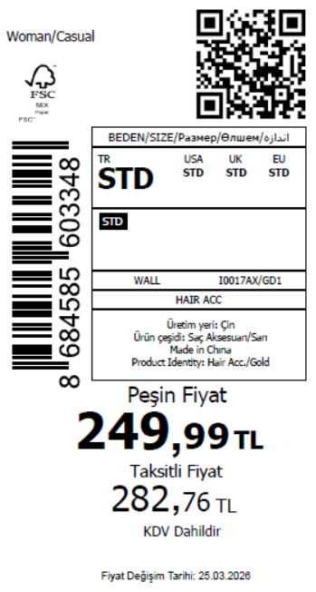 2165
2026-03-26 | I0017AX | NS | 1887371 | BOSNIA | GD1 - GOLD | I0017AXDFASTD | 1 | 5 | 5 | BOSNIA | 10 | 50
2026-03-26 | I0017AX | NS | 1887367 | EGYPT | GD1 - GOLD | I0017AXDFASTD | 1 | 5 | 5 | EGYPT | 20 | 100
2026-03-26 | I0017AX | NS | 1887364 | GEORGIA | GD1 - GOLD | I0017AXDFASTD | 1 | 5 | 5 | GEORGIA | 10 | 50
2026-03-26 | I0017AX | NS | 1887361 | MACEDONIA | GD1 - GOLD | I0017AXDFASTD | 1 | 5 | 5 | MACEDONIA | 6 | 30
2026-03-26 | I0017AX | NS | 1887357 | MOLDOVA | GD1 - GOLD | I0017AXDFASTD | 1 | 5 | 5 | MOLDOVA | 10 | 50
2026-03-26 | I0017AX | NS | 1887354 | MONTENEGRO | GD1 - GOLD | I0017AXDFASTD | 1 | 5 | 5 | MONTENEGRO | 2 | 10
2026-03-26 | I0017AX | NS | 1887350 | MOROCCO | GD1 - GOLD | I0017AXDFASTD | 1 | 5 | 5 | MOROCCO | 20 | 100
2026-03-26 | I0017AX | NS | 1887347 | NORTH IRAQ | GD1 - GOLD | I0017AXDFASTD | 1 | 5 | 5 | NORTH IRAQ | 20 | 100
2026-03-26 | I0017AX | NS | 1887344 | SERBIA | GD1 - GOLD | I0017AXDFASTD | 1 | 5 | 5 | SERBIA | 2 | 10
2026-03-26 | I0017AX | NS | 1887339 | SOUTH IRAQ | GD1 - GOLD | I0017AXDFASTD | 1 | 5 | 5 | SOUTH IRAQ | 20 | 100
2026-03-26 | I0017AX | NS | 1887337 | UKRAINE | GD1 - GOLD | I0017AXDFASTD | 1 | 5 | 5 | UKRAINE | 10 | 50
2026-03-26 | I0017AX | NS | 1887332 | UZBEKISTAN | GD1 - GOLD | I0017AXDFASTD | 1 | 5 | 5 | UZBEKISTAN | 6 | 30
2026-03-26 | I0017AX | NS | 1887327 | AZERBAIJAN | GD1 - GOLD | I0017AXDFASTD | 1 | 5 | 5 | AZERBAIJAN | 2 | 10
2026-03-26 | I0017AX | NS | 1887326 | KOSOVO | GD1 - GOLD | I0017AXDFASTD | 1 | 5 | 5 | KOSOVO | 3 | 15
2026-03-26 | I0017AX | NS | 1887324 | LEBANON | GD1 - GOLD | I0017AXDFASTD | 1 | 5 | 5 | LEBANON | 4 | 20
2026-03-26 | I0017AX | NS | 1887322 | KAZAKHSTAN | GD1 - GOLD | I0017AXKZKASTD | 1 | 5 | 5 | KAZAKHSTAN | 15 | 75 |  | 无稿件
2026-03-26 | I0017AX | NS | 1887321 | TOPTAN-5 | GD1 - GOLD | I0017AXTOP5ASTD | 1 | 5 | 5 | TOPTAN-5 | 10 | 50 |  | 无稿件
2026-03-26 | I0017AX | NS | 1887318 | TOPTAN-7 | GD1 - GOLD | I0017AXTOP7ASTD | 1 | 5 | 5 | TOPTAN-7 | 15 | 75 |  | 无稿件
2026-03-26 | I0017AX | NS | 1887316-无价格 | İSTANBUL DEPO | GD1 - GOLD | I0017AXECOMASTD | 1 | 5 | 5 | ECOM | 20 | 100
2026-03-26 | I0017AX | NS | 1887329 | DEFACTO PERAKENDE TİC.A.Ş. DEPO Organize San. Bölgesi 6.Depo Kazım Karabekir Mah. Cumhuriyet Cad. Tekirdağ/Çerkezköy Tel:0090 282 758 11 34-35 | GD1 - GOLD | I0017AXDFASTD | 1 | 5 | 5 | TURKEY | 220 | 1100
 |  |  |  |  |  |  |  |  |  |  | 433 | 2165

2026-03-26 | I0018AX | NS | 1887376 | ALBANIA | GD1 - GOLD | I0018AXDFASTD | 1 | 5 | 5 | ALBANIA | 8 | 40 | 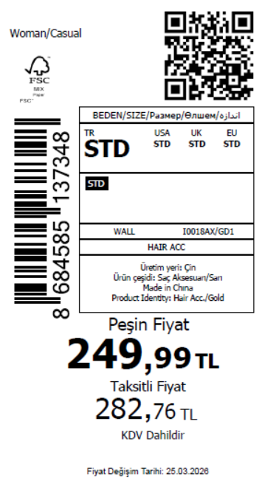 2815
2026-03-26 | I0018AX | NS | 1887375 | BOSNIA | GD1 - GOLD | I0018AXDFASTD | 1 | 5 | 5 | BOSNIA | 10 | 50
2026-03-26 | I0018AX | NS | 1887374 | EGYPT | GD1 - GOLD | I0018AXDFASTD | 1 | 5 | 5 | EGYPT | 20 | 100
2026-03-26 | I0018AX | NS | 1887372 | GEORGIA | GD1 - GOLD | I0018AXDFASTD | 1 | 5 | 5 | GEORGIA | 10 | 50
2026-03-26 | I0018AX | NS | 1887370 | MACEDONIA | GD1 - GOLD | I0018AXDFASTD | 1 | 5 | 5 | MACEDONIA | 6 | 30
2026-03-26 | I0018AX | NS | 1887369 | MOLDOVA | GD1 - GOLD | I0018AXDFASTD | 1 | 5 | 5 | MOLDOVA | 10 | 50
2026-03-26 | I0018AX | NS | 1887366 | MONTENEGRO | GD1 - GOLD | I0018AXDFASTD | 1 | 5 | 5 | MONTENEGRO | 2 | 10
2026-03-26 | I0018AX | NS | 1887363 | MOROCCO | GD1 - GOLD | I0018AXDFASTD | 1 | 5 | 5 | MOROCCO | 20 | 100
2026-03-26 | I0018AX | NS | 1887360 | NORTH IRAQ | GD1 - GOLD | I0018AXDFASTD | 1 | 5 | 5 | NORTH IRAQ | 20 | 100
2026-03-26 | I0018AX | NS | 1887358 | SERBIA | GD1 - GOLD | I0018AXDFASTD | 1 | 5 | 5 | SERBIA | 2 | 10
2026-03-26 | I0018AX | NS | 1887355 | SOUTH IRAQ | GD1 - GOLD | I0018AXDFASTD | 1 | 5 | 5 | SOUTH IRAQ | 20 | 100
2026-03-26 | I0018AX | NS | 1887353 | UKRAINE | GD1 - GOLD | I0018AXDFASTD | 1 | 5 | 5 | UKRAINE | 10 | 50
2026-03-26 | I0018AX | NS | 1887351 | UZBEKISTAN | GD1 - GOLD | I0018AXDFASTD | 1 | 5 | 5 | UZBEKISTAN | 6 | 30
2026-03-26 | I0018AX | NS | 1887345 | AZERBAIJAN | GD1 - GOLD | I0018AXDFASTD | 1 | 5 | 5 | AZERBAIJAN | 2 | 10
2026-03-26 | I0018AX | NS | 1887343 | KOSOVO | GD1 - GOLD | I0018AXDFASTD | 1 | 5 | 5 | KOSOVO | 3 | 15
2026-03-26 | I0018AX | NS | 1887340 | LEBANON | GD1 - GOLD | I0018AXDFASTD | 1 | 5 | 5 | LEBANON | 4 | 20
2026-03-26 | I0018AX | NS | 1887338 | KAZAKHSTAN | GD1 - GOLD | I0018AXKZKASTD | 1 | 5 | 5 | KAZAKHSTAN | 15 | 75 |  | 无稿件
2026-03-26 | I0018AX | NS | 1887335 | TOPTAN-5 | GD1 - GOLD | I0018AXTOP5ASTD | 1 | 5 | 5 | TOPTAN-5 | 10 | 50 |  | 无稿件
2026-03-26 | I0018AX | NS | 1887333 | TOPTAN-7 | GD1 - GOLD | I0018AXTOP7ASTD | 1 | 5 | 5 | TOPTAN-7 | 15 | 75 |  | 无稿件
2026-03-26 | I0018AX | NS | 1887331-无价格 | İSTANBUL DEPO | GD1 - GOLD | I0018AXECOMASTD | 1 | 5 | 5 | ECOM | 20 | 100
2026-03-26 | I0018AX | NS | 1887348 | DEFACTO PERAKENDE TİC.A.Ş. DEPO Organize San. Bölgesi 6.Depo Kazım Karabekir Mah. Cumhuriyet Cad. Tekirdağ/Çerkezköy Tel:0090 282 758 11 34-35 | GD1 - GOLD | I0018AXDFASTD | 1 | 5 | 5 | TURKEY | 350 | 1750
 |  |  |  |  |  |  |  |  |  |  | 563 | 2815

2026-03-26 | I0019AX | NS | 1887287 | ALBANIA | GD1 - GOLD | I0019AXDFASTD | 2 | 5 | 5 | ALBANIA | 8 | 40 | 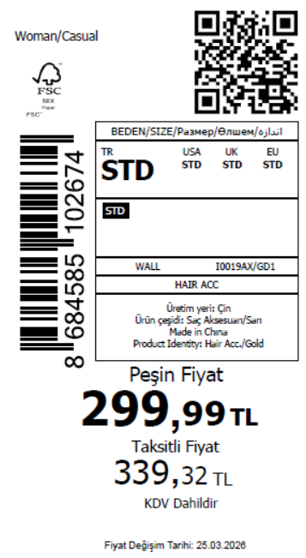 2765
2026-03-26 | I0019AX | NS | 1887281 | BOSNIA | GD1 - GOLD | I0019AXDFASTD | 2 | 5 | 5 | BOSNIA | 10 | 50
2026-03-26 | I0019AX | NS | 1887280 | EGYPT | GD1 - GOLD | I0019AXDFASTD | 2 | 5 | 5 | EGYPT | 20 | 100
2026-03-26 | I0019AX | NS | 1887279 | GEORGIA | GD1 - GOLD | I0019AXDFASTD | 2 | 5 | 5 | GEORGIA | 10 | 50
2026-03-26 | I0019AX | NS | 1887277 | MACEDONIA | GD1 - GOLD | I0019AXDFASTD | 2 | 5 | 5 | MACEDONIA | 6 | 30
2026-03-26 | I0019AX | NS | 1887275 | MOLDOVA | GD1 - GOLD | I0019AXDFASTD | 2 | 5 | 5 | MOLDOVA | 10 | 50
2026-03-26 | I0019AX | NS | 1887274 | MONTENEGRO | GD1 - GOLD | I0019AXDFASTD | 2 | 5 | 5 | MONTENEGRO | 2 | 10
2026-03-26 | I0019AX | NS | 1887272 | MOROCCO | GD1 - GOLD | I0019AXDFASTD | 2 | 5 | 5 | MOROCCO | 20 | 100
2026-03-26 | I0019AX | NS | 1887269 | NORTH IRAQ | GD1 - GOLD | I0019AXDFASTD | 2 | 5 | 5 | NORTH IRAQ | 20 | 100
2026-03-26 | I0019AX | NS | 1887268 | SERBIA | GD1 - GOLD | I0019AXDFASTD | 2 | 5 | 5 | SERBIA | 2 | 10
2026-03-26 | I0019AX | NS | 1887266 | SOUTH IRAQ | GD1 - GOLD | I0019AXDFASTD | 2 | 5 | 5 | SOUTH IRAQ | 20 | 100
2026-03-26 | I0019AX | NS | 1887264 | UKRAINE | GD1 - GOLD | I0019AXDFASTD | 2 | 5 | 5 | UKRAINE | 10 | 50
2026-03-26 | I0019AX | NS | 1887262 | UZBEKISTAN | GD1 - GOLD | I0019AXDFASTD | 2 | 5 | 5 | UZBEKISTAN | 6 | 30
2026-03-26 | I0019AX | NS | 1887259 | AZERBAIJAN | GD1 - GOLD | I0019AXDFASTD | 2 | 5 | 5 | AZERBAIJAN | 2 | 10
2026-03-26 | I0019AX | NS | 1887257 | KOSOVO | GD1 - GOLD | I0019AXDFASTD | 2 | 5 | 5 | KOSOVO | 3 | 15
2026-03-26 | I0019AX | NS | 1887255 | LEBANON | GD1 - GOLD | I0019AXDFASTD | 2 | 5 | 5 | LEBANON | 4 | 20
2026-03-26 | I0019AX | NS | 1887254 | KAZAKHSTAN | GD1 - GOLD | I0019AXKZKASTD | 2 | 5 | 5 | KAZAKHSTAN | 15 | 75 |  | 无稿件
2026-03-26 | I0019AX | NS | 1887252 | TOPTAN-5 | GD1 - GOLD | I0019AXTOP5ASTD | 2 | 5 | 5 | TOPTAN-5 | 10 | 50 |  | 无稿件
2026-03-26 | I0019AX | NS | 1887250 | TOPTAN-7 | GD1 - GOLD | I0019AXTOP7ASTD | 2 | 5 | 5 | TOPTAN-7 | 15 | 75 |  | 无稿件
2026-03-26 | I0019AX | NS | 1887248-无价格 | İSTANBUL DEPO | GD1 - GOLD | I0019AXECOMASTD | 2 | 5 | 5 | ECOM | 20 | 100
2026-03-26 | I0019AX | NS | 1887261 | DEFACTO PERAKENDE TİC.A.Ş. DEPO Organize San. Bölgesi 6.Depo Kazım Karabekir Mah. Cumhuriyet Cad. Tekirdağ/Çerkezköy Tel:0090 282 758 11 34-35 | GD1 - GOLD | I0019AXDFASTD | 2 | 5 | 5 | TURKEY | 340 | 1700
 |  |  |  |  |  |  |  |  |  |  | 553 | 2765

 |  |  |  |  |  |  |  |  |  |  | 16610 | 83050 | 41525

 |  |  |  |  |  |  |  |  |  |  | 99660 | 49830 | 8305

