made with love转印标
 |  |  | 2.3 | 50 | 56 | 62 | 68 | 74 | 80 | 86 | 92 | 98
款号 | 颜色 | 大货样 寄美盛 | tiny baby | new baby | up to 1 | 1-3 | 3-6 | 6-9 | 9-12 | 12-18 | 18-24 | 2-3 | 总数
 |  |  | mnths | mnths | mnths | mnths | mnths | mnths | mnths | mnths | mnths | yrs |  | 大货
BB00801 | 烫标LOVE 18-0420TCX*2 | 1-3M*10个和 6-9M*5个 |  | 162 | 196 | 372 | 428 | 324 | 266 | 192 | 144 |  | 2084 | 轩之冉
BB43301 | 烫标LOVE 19-4025TCX | 1-3M*10个和 6-9M*5个 |  | 95 | 124 | 262 | 300 | 217 | 174 | 109 | 74 |  | 1355 | 轩之冉
BB43801-夹克 | 烫标LOVE 11-0602TCX | 1-3M*10个和 6-9M*5个 |  | 89 | 112 | 260 | 293 | 225 | 200 | 124 | 78 |  | 1381 | 轩之冉
BB43801-爬衣 | 烫标LOVE 13-0404TCX | 1-3M*10个和 6-9M*5个 |  | 89 | 112 | 260 | 293 | 225 | 200 | 124 | 78 |  | 1381 | 轩之冉
BB45501-爬衣 | 烫标LOVE 11-0607TCX | 1-3M*10个和 6-9M*5个 |  | 62 | 76 | 170 | 188 | 146 | 123 | 79 | 58 |  | 902 | 轩之冉
BB45501-背心 | 背心14-4115TCX | 1-3M*10个和 6-9M*5个 |  | 62 | 76 | 170 | 188 | 146 | 123 | 79 | 58 |  | 902 | 轩之冉
BB75401-爬衣 | 烫标LOVE 11-0701TCX | 1-3M*10个和 6-9M*5个 |  | 73 | 92 | 185 | 212 | 156 | 123 | 87 | 62 |  | 990 | 轩之冉
BB75401-背心 | 15-1512TCX | 1-3M*10个和 6-9M*5个 |  | 73 | 92 | 185 | 212 | 156 | 123 | 87 | 62 |  | 990 | 轩之冉
BC58001-衬衫 | 烫标Love 11-0602TCX | 1-3M*10个和 6-9M*5个 |  | 107 | 193 | 451 | 540 | 392 | 329 | 203 | 141 |  | 2356 | 轩之冉
BC58001-爬衣 | 烫标Love18-0420TCX | 1-3M*10个和 6-9M*5个 |  | 107 | 193 | 451 | 540 | 392 | 329 | 203 | 141 |  | 2356 | 轩之冉
BB41301 | 烫标LOVE 11-0602TCX | 1-3M*10个和 6-9M*5个 |  | 159 | 162 | 256 | 445 | 400 | 357 | 338 | 112 |  | 2229 | 三头狼
BB41901 | 烫标LOVE 11-0602TCX | 1-3M*10个和 6-9M*5个 |  | 131 | 182 | 249 | 233 | 149 | 91 | 51 |  |  | 1086 | 三头狼
BB65001 | 烫标LOVE 19-4025TCX | 1-3M*10个和 6-9M*5个 |  | 94 | 117 | 226 | 261 | 196 | 155 | 112 | 81 |  | 1242 | 三头狼
BB70501 | 烫标Love 18-1659TCX | 1-3M*10个和 6-9M*5个 |  |  | 51 | 140 | 280 | 242 | 266 | 208 | 97 |  | 1284 | 三头狼
BC51101 | 烫标Love14-4002TCX*2 | 1-3M*10个和 6-9M*5个 | 36 | 370 | 198 | 458 | 380 | 290 | 228 | 140 | 94 |  | 2194 | 三头狼
BC51301 | 烫标Love18-1550TCX*2 | 1-3M*10个和 6-9M*5个 | 42 | 378 | 218 | 486 | 412 | 310 | 244 | 156 | 104 | 4 | 2354 | 三头狼
BC51501-蝴蝶 | 烫标Love 11-0602TCX | 1-3M*10个和 6-9M*5个 | 31 | 200 | 120 | 255 | 219 | 168 | 133 | 88 | 61 | 17 | 1292 | 三头狼
BC51501-熊 | 烫标Love 14-1305TCX | 1-3M*10个和 6-9M*5个 | 31 | 200 | 120 | 255 | 219 | 168 | 133 | 88 | 61 | 17 | 1292 | 三头狼
BB44901 | 烫标Love 11-0602TCX | 1-3M*10个和 6-9M*5个 |  | 165 | 179 | 260 | 215 | 136 | 103 | 61 |  |  | 1119 | 安阳景虹
BB67801 | 烫标Love 13-0000TCX | 1-3M*10个和 6-9M*5个 |  | 165 | 179 | 262 | 218 | 140 | 110 | 65 |  |  | 1139 | 安阳景虹
BB73501 | 烫标Love 14-1905TCX | 1-3M*10个和 6-9M*5个 |  | 165 | 179 | 263 | 220 | 138 | 106 | 58 |  |  | 1129 | 安阳景虹
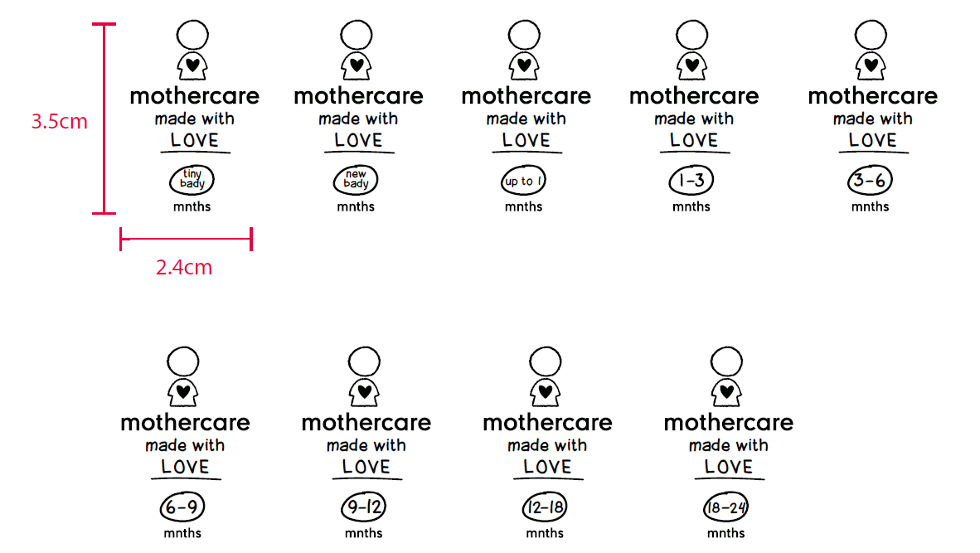
 |  |  |  |  |  |  |  |  |  |  |  |  | 31057

made the FUTURE today
 |  |  |  | 062 | 068 | 074 | 080 | 086 | 092 | 098 | 104 | 110 | 116 | 122 | 128 | 134 | 140
款号 | 颜色 |  | 大货样 寄美盛 | 1-3 | 3-6 | 6-9 | 9-12 | 12-18 | 18-24 | 2-3 | 3-4 | 4-5 | 5-6 | 6-7 | 7-8 | 8-9 | 9-10 | 总数
 |  | 尺寸 |  | mnths | mnths | mnths | mnths | mnths | mnths | yrs | yrs | yrs | yrs | yrs | yrs | yrs | yrs
BB40701 | 烫标Future18-1323TCX | 31*45mm | 2-3Y*10个 5-6y*10个 |  | 32 | 114 | 149 | 234 | 238 | 305 | 230 | 161 | 144 |  |  |  |  | 1607
BB41101 | 烫标Future19-4205TCX | 31*45mm | 2-3Y*10个 5-6y*10个 |  |  | 53 | 67 | 99 | 111 | 156 | 111 | 77 | 56 |  |  |  |  | 730
BB83201 | 烫标Future17-1312TCX | 31*45mm | 2-3Y*10个 5-6y*10个 |  |  | 76 | 101 | 147 | 166 | 225 | 165 | 110 | 102 |  |  |  |  | 1092
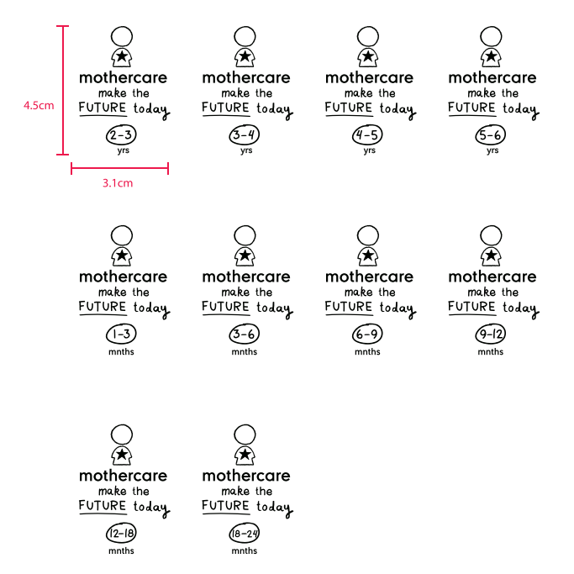
 |  |  |  |  |  |  |  |  |  |  |  |  |  |  |  |  |  | 3429
