主标 1.22
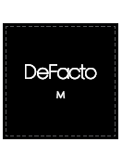
H1611AX款 辅料下单明细
辅料种类 | 尺码 |  |  |  |  | 数量 | 备注
 | XS | S | M | L | XL
25_AULBW13738 | 312 | 580 | 580 | 580 | 312 | 2364 | 黑色主标

