BS-0111订购细码
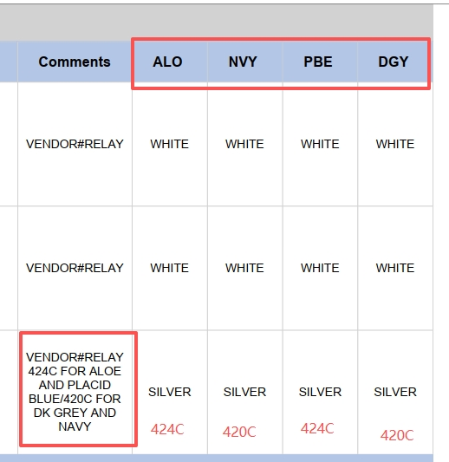
BEN SHERMAN SPRING/SUMMER 2026 - proposed buy
款号： 624004091
款式：YARN DYE TEXTURE STRIPE - TECH JERSEY SPORT FIT POLO
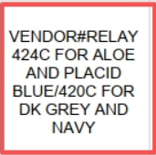
面 料：90% RECYCLED POLY / 10% SPANDEX

CAD | COLOR NAME 颜色/色号 | 品名 | RATIO/PACK 配比比例 |  | 1 | 2 | 2 | 1 | TOTAL UNITS 总件数
 |  |  |  |  | M | L | XL | XXL | 4,000
c&d DDP CN | NAVY NVY藏青 |  | 6pc PPK (M-XXL in a 1-2-2-1 size scale) | 420C | 130 | 255 | 255 | 130 | 770
c&d DDP CN | PLACID BLUE PBE 浅蓝 | Film 平面热转印 1C 57*31mm Heat label BS-0111 | 6pc PPK (M-XXL in a 1-2-2-1 size scale) | 424C | 130 | 255 | 255 | 130 | 770
c&d DDP CN | DARK GREY DGY 灰色 |  | 6pc PPK (M-XXL in a 1-2-2-1 size scale) | 420C | 205 | 410 | 410 | 205 | 1,230
c&d DDP CN | ALOE ALO 绿色 |  | 6pc PPK (M-XXL in a 1-2-2-1 size scale) | 424C | 205 | 410 | 410 | 205 | 1,230

