photo hangtag大货数量
STYLE # | ITEM # | COLOR CODE | COLOR | SIZE | UPC NUMBER | 大货数量
ZY45220U | 619656 | 061 | GREY | S | 199971195911 | 2000
ZY45220U | 619656 | 061 | GREY | M | 199971195928 | 2900 | 办公室额外要每色每码50张 直接寄办公室
ZY45220U | 619656 | 061 | GREY | L | 199971195935 | 1960
ZY45220U | 619656 | 061 | GREY | XL | 199971195942 | 1010

ZY45220U | 619656 | 674 | PINK | S | 199971195867 | 2310
ZY45220U | 619656 | 674 | PINK | M | 199971195874 | 2670
ZY45220U | 619656 | 674 | PINK | L | 199971195881 | 1970
ZY45220U | 619656 | 674 | PINK | XL | 199971195898 | 1030

ZY45220U | 619656 | 277 | CREAM | S | 199971195959 | 2570
ZY45220U | 619656 | 277 | CREAM | M | 199971195966 | 2910
ZY45220U | 619656 | 277 | CREAM | L | 199971195973 | 2220
ZY45220U | 619656 | 277 | CREAM | XL | 199971195980 | 1040
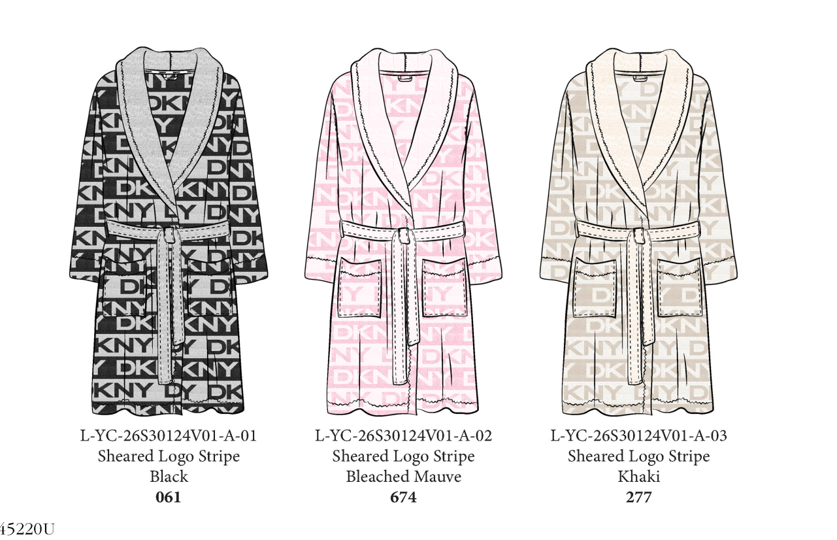
 |  |  |  |  |  | 24590

