shipping mark-箱唛

长面一面：只有净重，毛重，箱号可以手写，其他都要直接印刷上去;

 | DEFACTO PERAKENDE TICARET AS

 | ORDER NUMBER | 1823587 | 订单号

ARTICLE NUMBER : | H2910AX | DESCRIPTION : | T shirt | 品名
COLOR NAME : | RF1 - REFLECTOR GREY | GROSS WEIGHT : | KG | 毛重
SIZES : | S / M / L /XL | NET WEIGHT : | KG | 净重
RATIO IN BOX : | 1/2/2/1 | CARTON DIMENSIONS : X X CM |  | 纸箱尺寸
TOTAL NUMBER OF PIECES : | 7 PCS | CARTON NUMBER : | OF | 箱号

款号 | 注意！每个订单纸箱内容会不一样！具体看箱单和工厂定的规格
颜色
尺码范围
配比
总件数

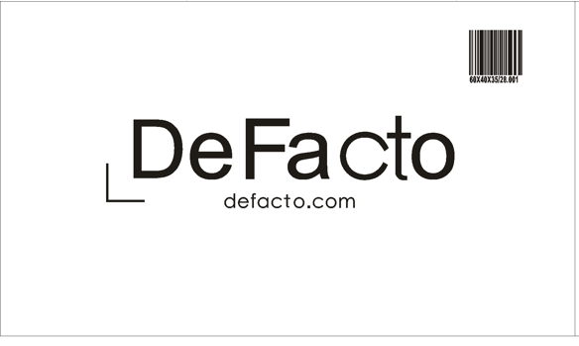
长面另一面

短面两面一样，同时贴（空白黑框里对应贴单独提供的箱贴纸--分PO号-分色-分配比码）：

polybag + carton booking 纸箱+塑料袋
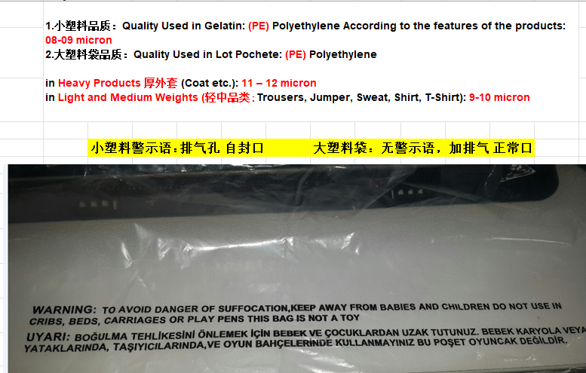
H2910AX - 994PCS's Carton box / Polybag Booking Q'ty 纸箱/塑料袋采购数量
ART NO品名 | MEASUREMENT规格 | BOOKING Q'TY采购数量 | REMARK备注
Single Polybag 塑料袋 | 50+5CM*38CM | 480 | SIZE S,M
Single Polybag 塑料袋 | 55+5CM*38CM | 520 | SIZE L,XL,XL
Master Polybag 立体袋 | 52CM X 38CM X 30CM（待工厂确认） | 83 | For 6pc lot
Master Polybag 立体袋 | 52CM X 38CM X 40CM（待工厂确认） | 142 | For 2pc lot
Carton Box 纸箱（5层无钉） | CM X CM X CM（待工厂确认） | 0
Carton Sheet 天地板 | 40 CM X 20CM | 0

 |  |  |  | 图片内容：WARNING: TO AVOID DANGER OF SUFFOCATION, KEEP AWAY FROM BABIES AND CHILDREN. DO NOT USE IN CRIBS, BEDS, CARRIAGES OR PLAY PENS. THIS BAG IS NOT A TOY.

 |  |  |  | UYARI: BOĞULMA TEHLİKESİNİ ÖNLEMEK İÇİN BEBEK VE ÇOCUKLARDAN UZAK TUTUNUZ. BEBEK KARYOLA VEYA YATAKLARINDA, TAŞIYICILARINDA, VE OYUN BAHÇELERİNDE KULLANMAYINIZ. BU POŞET OYUNCAK DEĞİLDİR.

 |  |  |  |  | 3. 箱上：只有净重/毛重/箱号可以手写，其他不能手写只能印刷上去；

