腰封
ORDER FORM
Brand:
Purchase Order No: | ZJB95210U_CSSH18069468 Costco UK_EU J&B |  |  | Order Date: | 4/7/26

Image | REF# | Description of Goods 请把UPC编号备注在这里 | Size | 数量 | UK备用数量 | SP备用数量 | FR备用数量 | FOB S'hai RMB +13% VAT Unit price/pcs | Total Amount | Latest delivery date | 大货中抽样数量
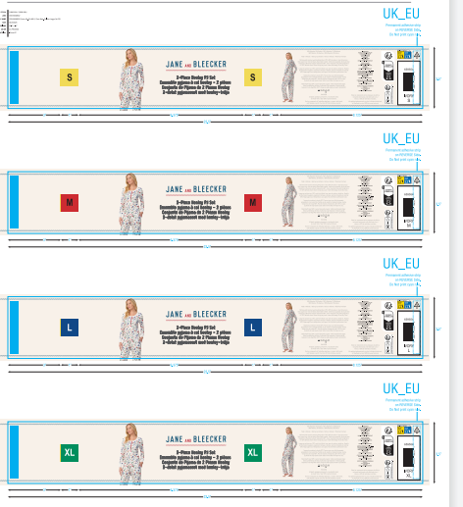 CSSH18069468A | IVORY | 199971196291 | S | 1,204 |  |  |  |  |  |  | 30
 |  | 199971196307 | M | 3,475 |  |  |  |  |  |  | 20
 |  | 199971196314 | L | 1,246 |  |  |  |  |  |  | 20
 |  | 199971196321 | XL | 1,246 |  |  |  |  |  |  | 20
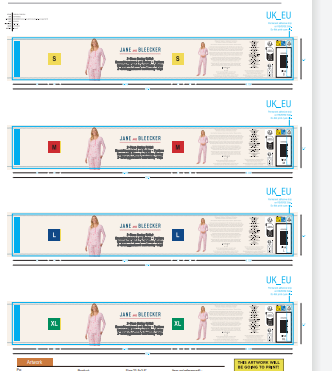 CSSH18069468B | PINK | 199971196253 | S | 2,366 |  |  |  |  |  |  | 30
 |  | 199971196260 | M | 2,408 |  |  |  |  |  |  | 20
 |  | 199971196277 | L | 2,408 |  |  |  |  |  |  | 20
 |  | 199971196284 | XL | 1,246 |  |  |  |  |  |  | 20
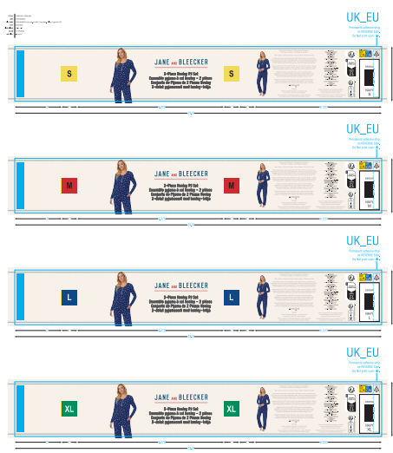 CSSH18069468C | NAVY | 199971196338 | S | 2,366 |  |  |  |  |  |  | 30
 |  | 199971196345 | M | 2,355 |  |  |  |  |  |  | 20
 |  | 199971196352 | L | 2,366 |  |  |  |  |  |  | 20
 |  | 199971196369 | XL | 1,341 |  |  |  |  |  |  | 20
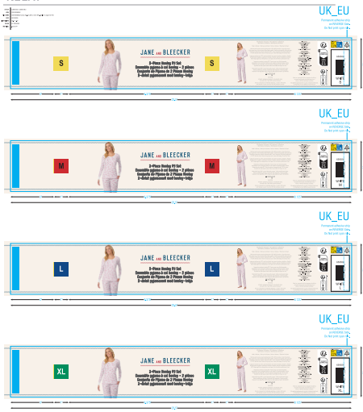 CSSH18069468D | WHITE | 199971196376 | S | 2,366 |  |  |  |  |  |  | 30
 |  | 199971196383 | M | 3,570 |  |  |  |  |  |  | 20
 |  | 199971196390 | L | 2,450 |  |  |  |  |  |  | 20
 |  | 199971196406 | XL | 1,299 |  |  |  |  |  |  | 20
CSSH18069468E | Generic_WHITE | 199971250399 | / |  | 940 | 236 | 135
 | ZJB95210U_CSSH18069468 尺码条 |  | S | 8,302 | 235 | 60 | 35 |  |  |  | 50
 |  |  | M | 11,808 | 316 | 84 | 50 |  |  |  | 20
 |  |  | L | 8,470 | 240 | 60 | 35 |  |  |  | 20
 |  |  | XL | 5,132 | 165 | 35 | 20 |  |  |  | 20
 |  |  |  | 备注： UK的备用数来发给你跟大货一起发越南， 法国西班牙的备用数量给到我， 大货抽样数量给到我

Total: |  |  |  |  |  |  |  |  | 0
Remark:

