Sheet1
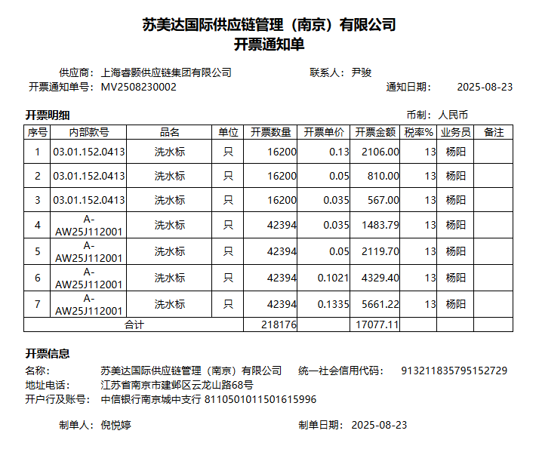
苏美达002 | 03.01.152.0442 洗标A 45*130mm | 16200 | 0.13 | 2106.00
 | 03.01.152.0442 洗标B 45*65mm | 16200 | 0.035 | 567.00
 | 03.01.152.0442 条码标C 45*80mm | 16200 | 0.05 | 810.00
苏美达001 | 03.01.152.0417 洗标A 45*130mm | 22000 | 0.23 | 5060.00
苏美达001 | 03.01.152.0418 洗标A 45*130mm | 20394 | 0.23 | 4690.62
苏美达001 | 03.01.152.0417 洗标B 45*65mm | 22000 | 0.035 | 770.00
苏美达001 | 03.01.152.0418 洗标B 45*65mm | 20394 | 0.035 | 713.79
苏美达001 | 03.01.152.0417 条码标C 45*80mm | 22000 | 0.05 | 1100.00
苏美达001 | 03.01.152.0418 条码标C 45*80mm | 20394 | 0.05 | 1019.70
苏美达003 | 03.01.151.0073 条码标C 45*80mm | 3000 | 0.05 | 150.00
 | 空白不印刷标C 45*80mm | 3000 | 0.03 | 90.00
 |  |  |  | 17077.11

