箱贴
Factory name
PO. Number | S25090817 | JUSTJEANS
Style Code.
Product Code. | JJW-GE-UV-001 | Carton No.:
Inner Packages | pcs/bundle | 16/1
SIZE/qty | 7200
Carton Dimension | 30.5*25.5*17 | Country of Origin：
Gross Weight（KG） | 8.1 | Made In China
Net Weight（KG） | 7.8
Remark

Factory name
PO. Number | S25090817 | JUSTJEANS
Style Code.
Product Code. | JJW-GE-UV-001 | Carton No.:
Inner Packages | pcs/bundle | 16/2
SIZE/qty | 7200
Carton Dimension | 30.5*25.5*17 | Country of Origin：
Gross Weight（KG） | 8.1 | Made In China
Net Weight（KG） | 7.8
Remark

Factory name
PO. Number | S25090817 | JUSTJEANS
Style Code.
Product Code. | JJW-GE-UV-001 | Carton No.:
Inner Packages | pcs/bundle | 16/3
SIZE/qty | 7200
Carton Dimension | 30.5*25.5*17 | Country of Origin：
Gross Weight（KG） | 8.1 | Made In China
Net Weight（KG） | 7.8
Remark

Factory name
PO. Number | S25090817 | JUSTJEANS
Style Code.
Product Code. | JJW-GE-UV-001 | Carton No.:
Inner Packages | pcs/bundle | 16/4
SIZE/qty | 7200
Carton Dimension | 30.5*25.5*17 | Country of Origin：
Gross Weight（KG） | 8.1 | Made In China
Net Weight（KG） | 7.8
Remark

Factory name
PO. Number | S25090817 | JUSTJEANS
Style Code.
Product Code. | JJW-GE-UV-001 | Carton No.:
Inner Packages | pcs/bundle | 16/5
SIZE/qty | 7200
Carton Dimension | 30.5*25.5*17 | Country of Origin：
Gross Weight（KG） | 8.1 | Made In China
Net Weight（KG） | 7.8
Remark

Factory name
PO. Number | S25090817 | JUSTJEANS
Style Code.
Product Code. | JJW-GE-UV-001 | Carton No.:
Inner Packages | pcs/bundle | 16/6
SIZE/qty | 7200
Carton Dimension | 30.5*25.5*17 | Country of Origin：
Gross Weight（KG） | 8.1 | Made In China
Net Weight（KG） | 7.8
Remark

Factory name
PO. Number | S25090817 | JUSTJEANS
Style Code.
Product Code. | JJW-GE-UV-001 | Carton No.:
Inner Packages | pcs/bundle | 16/7
SIZE/qty | 7200
Carton Dimension | 30.5*25.5*17 | Country of Origin：
Gross Weight（KG） | 8.1 | Made In China
Net Weight（KG） | 7.8
Remark

Factory name
PO. Number | S25090817 | JUSTJEANS
Style Code.
Product Code. | JJW-GE-UV-001 | Carton No.:
Inner Packages | pcs/bundle | 16/8
SIZE/qty | 7200
Carton Dimension | 30.5*25.5*17 | Country of Origin：
Gross Weight（KG） | 8.1 | Made In China
Net Weight（KG） | 7.8
Remark

Factory name
PO. Number | S25090817 | JUSTJEANS
Style Code.
Product Code. | JJW-GE-UV-001 | Carton No.:
Inner Packages | pcs/bundle | 16/9
SIZE/qty | 7200
Carton Dimension | 30.5*25.5*17 | Country of Origin：
Gross Weight（KG） | 8.1 | Made In China
Net Weight（KG） | 7.8
Remark

Factory name
PO. Number | S25090817 | JUSTJEANS
Style Code.
Product Code. | JJW-GE-UV-001 | Carton No.:
Inner Packages | pcs/bundle | 16/10
SIZE/qty | 7200
Carton Dimension | 30.5*25.5*17 | Country of Origin：
Gross Weight（KG） | 8.1 | Made In China
Net Weight（KG） | 7.8
Remark

Factory name
PO. Number | S25090817 | JUSTJEANS
Style Code.
Product Code. | JJW-GE-UV-001 | Carton No.:
Inner Packages | pcs/bundle | 16/11
SIZE/qty | 7200
Carton Dimension | 30.5*25.5*17 | Country of Origin：
Gross Weight（KG） | 8.1 | Made In China
Net Weight（KG） | 7.8
Remark

Factory name
PO. Number | S25090817 | JUSTJEANS
Style Code.
Product Code. | JJW-GE-UV-001 | Carton No.:
Inner Packages | pcs/bundle | 16/12
SIZE/qty | 7200
Carton Dimension | 30.5*25.5*17 | Country of Origin：
Gross Weight（KG） | 8.1 | Made In China
Net Weight（KG） | 7.8
Remark

Factory name
PO. Number | S25090817 | JUSTJEANS
Style Code.
Product Code. | JJW-GE-UV-001 | Carton No.:
Inner Packages | pcs/bundle | 16/13
SIZE/qty | 7200
Carton Dimension | 30.5*25.5*17 | Country of Origin：
Gross Weight（KG） | 8.1 | Made In China
Net Weight（KG） | 7.8
Remark

Factory name
PO. Number | S25090817 | JUSTJEANS
Style Code.
Product Code. | JJW-GE-UV-001 | Carton No.:
Inner Packages | pcs/bundle | 16/14
SIZE/qty | 7200
Carton Dimension | 30.5*25.5*17 | Country of Origin：
Gross Weight（KG） | 8.1 | Made In China
Net Weight（KG） | 7.8
Remark

Factory name |  | 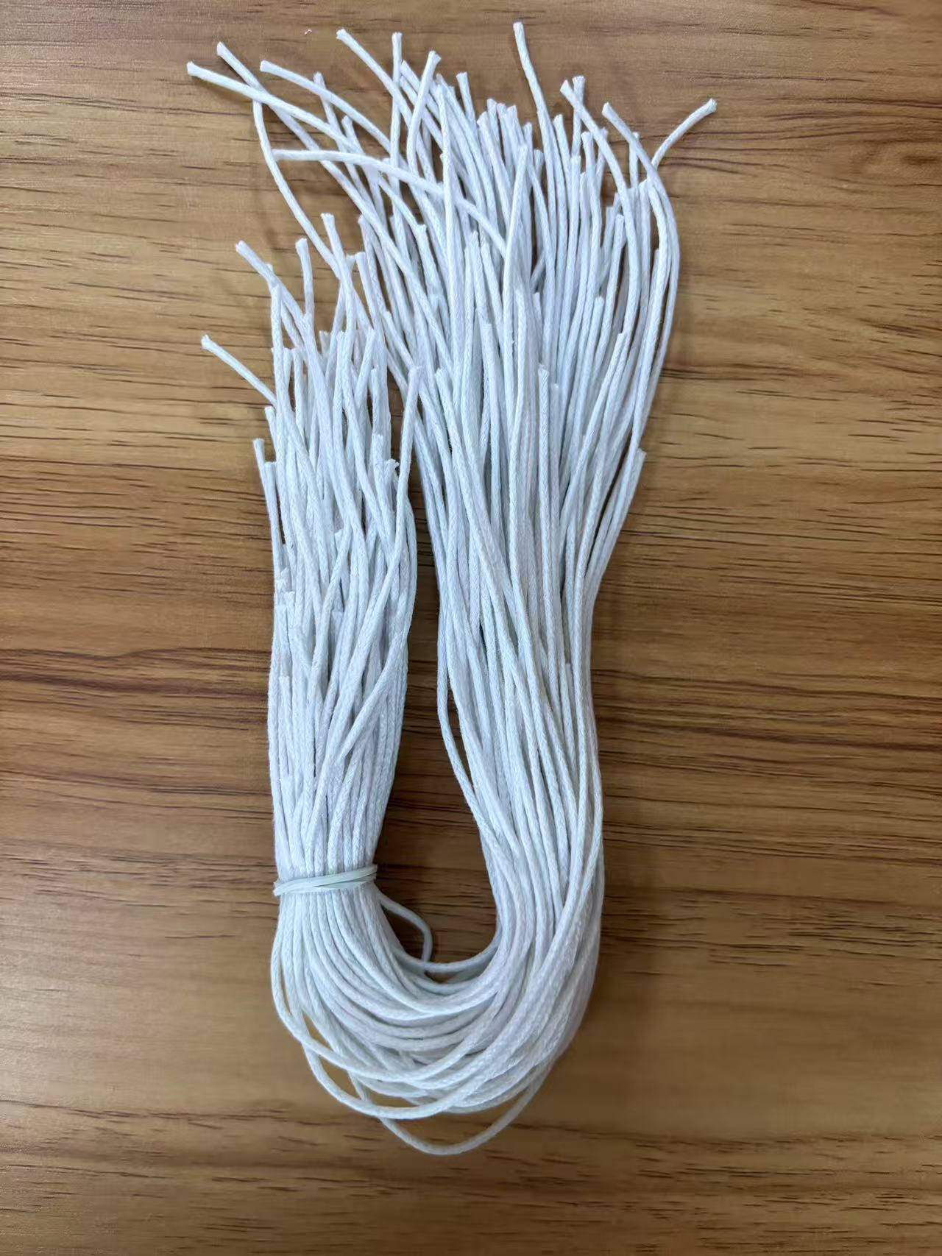
PO. Number | S25090817 | JUSTJEANS
Style Code.
Product Code. | JJW-ST-002 | Carton No.:
Inner Packages | pcs/bundle | 16/15
SIZE/qty | 64000
Carton Dimension | 53*36*36 | Country of Origin：
Gross Weight（KG） | 15.74 | Made In China
Net Weight（KG） | 15.04
Remark

Factory name
PO. Number | S25090817 | JUSTJEANS
Style Code.
Product Code. | JJW-ST-002 | Carton No.:
Inner Packages | pcs/bundle | 16/16
SIZE/qty | 38000
Carton Dimension | 53*36*36 | Country of Origin：
Gross Weight（KG） | 9.8 | Made In China
Net Weight（KG） | 9.1
Remark

