箱贴
Factory name
PO. Number | S25090571 | JUSTJEANS
Style Code.
Product Code. | JJW-GE-UV-001 | Carton No.:
Inner Packages | pcs/bundle | 6/1
SIZE/qty | 7200
Carton Dimension | 30.5*25.5*17 | Country of Origin：
Gross Weight（KG） | 8.09 | Made In China
Net Weight（KG） | 7.79
Remark

Factory name
PO. Number | S25090571 | JUSTJEANS
Style Code.
Product Code. | JJW-GE-UV-001 | Carton No.:
Inner Packages | pcs/bundle | 6/2
SIZE/qty | 7200
Carton Dimension | 30.5*25.5*17 | Country of Origin：
Gross Weight（KG） | 8.09 | Made In China
Net Weight（KG） | 7.79
Remark

Factory name
PO. Number | S25090571 | JUSTJEANS
Style Code.
Product Code. | JJW-GE-UV-001 | Carton No.:
Inner Packages | pcs/bundle | 6/3
SIZE/qty | 7200
Carton Dimension | 30.5*25.5*17 | Country of Origin：
Gross Weight（KG） | 8.09 | Made In China
Net Weight（KG） | 7.79
Remark

Factory name
PO. Number | S25090571 | JUSTJEANS
Style Code.
Product Code. | JJW-GE-UV-001 | Carton No.:
Inner Packages | pcs/bundle | 6/4
SIZE/qty | 7200
Carton Dimension | 30.5*25.5*17 | Country of Origin：
Gross Weight（KG） | 8.09 | Made In China
Net Weight（KG） | 7.79
Remark

Factory name
PO. Number | S25090571 | JUSTJEANS
Style Code.
Product Code. | JJW-GE-UV-001 | Carton No.:
Inner Packages | pcs/bundle | 6/5
SIZE/qty | 7200
Carton Dimension | 30.5*25.5*17 | Country of Origin：
Gross Weight（KG） | 8.09 | Made In China
Net Weight（KG） | 7.79
Remark

Factory name
PO. Number | S25090571 | JUSTJEANS
Style Code.
Product Code. | JJW-GE-UV-001 | Carton No.:
Inner Packages | pcs/bundle | 6/6
SIZE/qty | 4000+600备品
Carton Dimension | 30.5*25.5*17 | Country of Origin：
Gross Weight（KG） | 5.47 | Made In China
Net Weight（KG） | 5.17
Remark

Factory name |  | 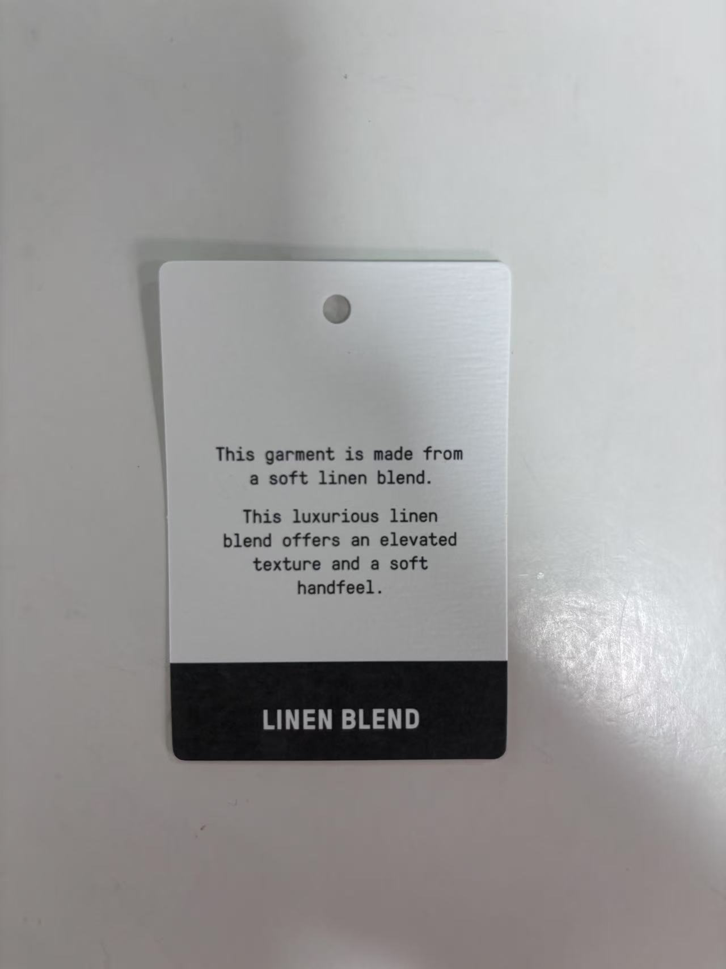
PO. Number | S25090571 | JUSTJEANS
Style Code.
Product Code. | JJW-GE-CO-005 | Carton No.:
Inner Packages | pcs/bundle | 3/1
SIZE/qty | 6000
Carton Dimension | 30.5*25.5*17 | Country of Origin：
Gross Weight（KG） | 8.37 | Made In China
Net Weight（KG） | 8.07
Remark

Factory name
PO. Number | S25090571 | JUSTJEANS
Style Code.
Product Code. | JJW-GE-CO-005 | Carton No.:
Inner Packages | pcs/bundle | 3/2
SIZE/qty | 6000
Carton Dimension | 30.5*25.5*17 | Country of Origin：
Gross Weight（KG） | 8.37 | Made In China
Net Weight（KG） | 8.07
Remark

Factory name
PO. Number | S25090571 | JUSTJEANS
Style Code.
Product Code. | JJW-GE-CO-005 | Carton No.:
Inner Packages | pcs/bundle | 3/3
SIZE/qty | 3000+300备品
Carton Dimension | 30.5*25.5*17 | Country of Origin：
Gross Weight（KG） | 4.75 | Made In China
Net Weight（KG） | 4.75
Remark

