10.20 箱单不干胶发香港
上 海 汭 珩 发 货 清 单
（ruiheng Packaging Delivery List）
Shipping Date 发货日期: |  |  |  |  | 2025-10-20
快递单号: |  |  |  |  | 112219573060 壹米滴答

ORDER NR | Item Code | ARTICLE | PRODUCT DESCRIPTION | PRODUCT BENEFIT | Order Qty | Back-up Qty | Total Qty | Carton #/Total | Net Weight (kg) | Gross Weight (kg) | Carton Size(CM) | CBM | REMARK
订单号 | 产品型号 | 客户单号 | (产品描述) | (产品特点) | 订单数 | 备品数 | 总实发数 | 箱号/总箱数 | 净重 （公斤) | 毛重 （公斤) | 箱子尺寸（CM) | 体积(立方米） | 备注
S25100448 | GA26-0014,0025,0026,0027,0028,0029-01 02 | GE/12/M13677 | N/B |  | 20018 | 482 | 20500 | 1/1 | 14.8 | 15.8 | 40*30*30 | 0.036 | GA-63286
S25100448 | GA26-0014,0025,0026,0027,0028,0029-01 02 | GE/12/M13677 | 0-6 |  | 31746 | 454 | 32200 |  |  |  |  |  | GA-63286
S25100448 | GA26-0014,0025,0026,0027,0028,0029-01 02 | GE/12/M13677 | 6-12 |  | 30821 | 479 | 31300 |  |  |  |  |  | GA-63286
S25100448 | GA26-0014,0025,0026,0027,0028,0029-01 02 | GE/12/M13677 | 12-24 |  | 31603 | 597 | 32200 |  |  |  |  |  | GA-63286
S25100448 | GA25-0316-01 | GE/12/M13677 | 9-12 |  | 10290 | 310 | 10600 |  |  |  |  |  | GA-63286
S25100448 | GA25-0316-01 | GE/12/M13677 | 12H-3 |  | 3198 | 302 | 3500 |  |  |  |  |  | GA-63286
S25100448 | GA25-0316-01 | GE/12/M13677 | 4-5H |  | 2166 | 334 | 2500 |  |  |  |  |  | GA-63286
S25100448 | GA26-0011,0012,0013-01,GA26-0010,0032,0033,0034,0037-01 | GE/12/M14439 | 6-8H |  | 25474 | 526 | 26000 |  |  |  |  |  | GA-63286
S25100448 | GA26-0011,0012,0013-01,GA26-0010,0032,0033,0034,0037-01 | GE/12/M14439 | 9-12 |  | 48032 | 468 | 48500 |  |  |  |  |  | GA-63286
S25100448 | GA26-0011,0012,0013-01,GA26-0010,0032,0033,0034,0037-01 | GE/12/M14439 | 12H-3 |  | 41888 | 612 | 42500 |  |  |  |  |  | GA-63286
S25100448 | GA26-0011,0012,0013-01,GA26-0010,0032,0033,0034,0037-01 | GE/12/M14439 | 4-5H |  | 10576 | 424 | 11000 |  |  |  |  |  | GA-63286
S25100448 | H26-0030,0031-01 02GA | GE/12/M14439 | 0-6 |  | 4216 | 384 | 4600 |  |  |  |  |  | SH-63287
S25100448 | H26-0030,0031-01 02GA | GE/12/M14439 | 6-12 |  | 5944 | 456 | 6400 |  |  |  |  |  | SH-63287
S25100448 | H26-0030,0031-01 02GA | GE/12/M14439 | 12-18 |  | 4544 | 456 | 5000 |  |  |  |  |  | SH-63287
S25100448 | H26-0305-01 | GE/12/M14439 | 7-8 |  | 1973 | 427 | 2400 |  |  |  |  |  | SH-63287
S25100448 | H26-0305-01 | GE/12/M14439 | 9-10 |  | 1140 | 360 | 1500 |  |  |  |  |  | SH-63287
S25100448 | H26-0305-01 | GE/12/M14439 | 11-12 |  | 1940 | 460 | 2400 |  |  |  |  |  | SH-63287
S25100448 | H26-0305-01 | GE/12/M14439 | 13-14 |  | 1173 | 327 | 1500 |  |  |  |  |  | SH-63287
 |  |  |  |  |  |  |  | 1 |  | 15.8 |  | 0.036
 |  |  |  |  |  |  |  | 总件数 |  | 总重量 |  | 总体积

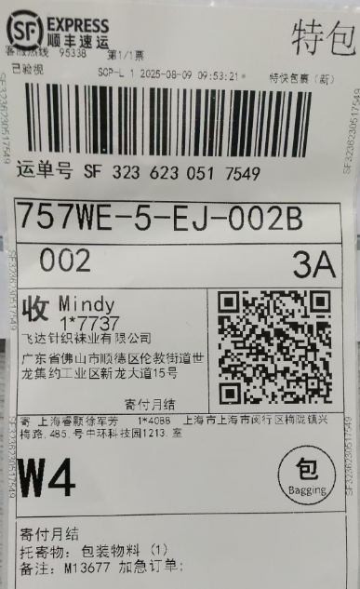
S25100448 | H25-0250-01-03GA | GE/12/M13677 | 6-8H |  | 292 | 58 | 350 | 已经于2025-08-09 发顺丰快递广东飞达SF3236230517549 于2025-08-10签收 |  |  |  |  | GA-63102
S25100448 | H25-0250-01-03GA | GE/12/M13677 | 9-12 |  | 1,106 | 94 | 1,200 |  |  |  |  |  | GA-63102
S25100448 | H25-0250-01-03GA | GE/12/M13677 | 12H-3 |  | 1,648 | 102 | 1,750 |  |  |  |  |  | GA-63102
S25100448 | H25-0250-01-03GA | GE/12/M13677 | 4-6 |  | 1,920 | 100 | 2,020 |  |  |  |  |  | GA-63102
S25100448 | H25-0250-01-03GA | GE/12/M13677 | 7-9 |  | 562 | 88 | 650 |  |  |  |  |  | GA-63102

