箱唛使用说明
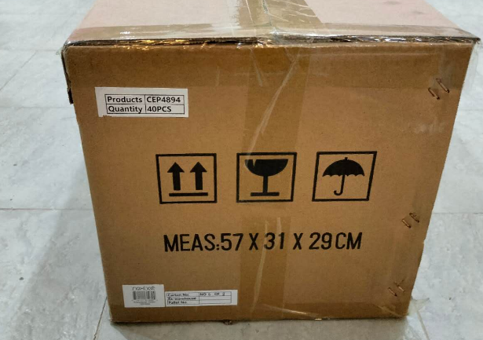
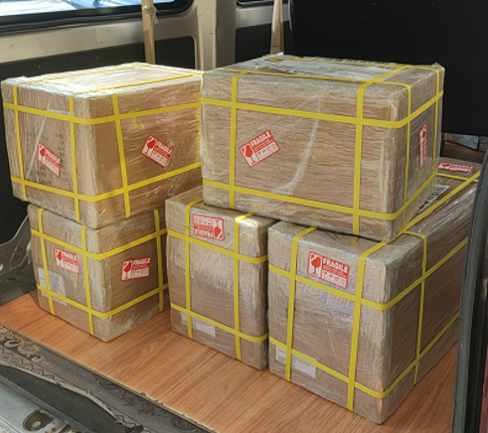
箱子的长的一侧 （两侧都要） 贴两张 The longer side of the box (both sides) 不要打印这个绿色，只是说明位置 |  | 箱子的短的一侧（两侧都要） 贴两张 The longer side of the box (both sides) 不要打印这个蓝色，只是说明位置
第一批所用箱唛： 用于空运 8箱 |  | 箱子的左上角
To: Team NexBelt Operating Inc. |  | Carton No. 箱子编号 | No. 1 of 8
1229 RAILROAD ST. |  | Ex-warehouse 离厂期 | 2025.07.18
CORONA CA 92882 |  | Pallet NO. Pallet 编号 | /
PO No.: | PO545
Item No.: | 101NB
Description/Product Name: Cardboard Box Generic
Country of Origin: | Cambodia
G.W.: | 15.3KG
N.W.: | 14.4KG | 箱子的左下角
Meas: | 42*36*41cm | Products 产品编号，类型和颜色描述 | 101NB
Carton: 1 of 8 |  | Quantity 数量 | 150pcs
 |  | PO NO. PO 编号 | PO545
第8箱是塑料钩子
To: Team NexBelt Operating Inc.
1229 RAILROAD ST.
CORONA CA 92882
PO No.: | PO545
Item No.: | 101NB Accessory
Description/Product Name: Box hanger
Country of Origin: | Cambodia
G.W.: | 4KG
N.W.: | 5KG
Meas: | 42*36*41cm
Carton: 8 of 8
Boxes carton: 42*36*41cm | Gross weight:15.3kg X6 carton + 10.5 one carton
Plastic hook : 42*36*41cm | Gross weight:5kg
Total Gross weight: | 107.3kg

 |  | 不论是海运还是空运，都把装箱单放在第一箱箱子上，用一个透明塑料袋子放装箱单，然后贴在箱子上面。

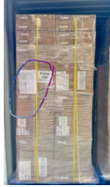
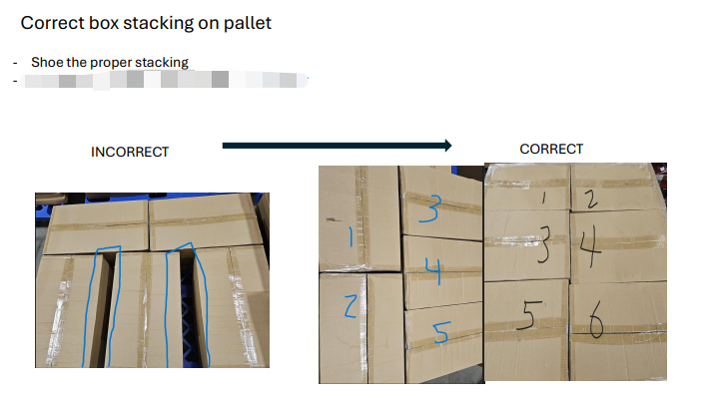
 |  |  |  | 需要打托 | 打托不要有空隙，像这样
箱子的长的一侧 （两侧都要） 贴两张 The longer side of the box (both sides) 不要打印这个绿色，只是说明位置 |  | 箱子的短的一侧（两侧都要） 贴两张 The longer side of the box (both sides) 不要打印这个蓝色，只是说明位置
第二批所用箱唛： 用于海运 29箱 |  | 箱子的左上角
To: Team NexBelt Operating Inc. |  | Carton No. 箱子编号 | No. 1 of 29
1229 RAILROAD ST. |  | Ex-warehouse 离厂期 | 2025.07. 18
CORONA CA 92882 |  | Pallet NO. Pallet 编号 | /
PO No.: | PO545
Item No.: | 101NB
Description/Product Name: Cardboard Box Generic
Country of Origin: | Cambodia | 箱子的左下角
G.W.: | 15.3KG | Products 产品编号，类型和颜色描述 | 101NB
N.W.: | 14.4KG | Quantity 数量 | 150pcs
Meas: | 42*36*41cm | PO NO. PO 编号 | PO545
Carton: 1 of 29

第28、29 箱是塑料钩子
To: Team NexBelt Operating Inc.
1229 RAILROAD ST.
CORONA CA 92882
PO No.: | PO545
Item No.: | 101NB Accessory
Description/Product Name: Box hanger
Country of Origin: | Cambodia
G.W.: | 8KG
N.W.: | 9KG
Meas: | 42*36*41cm
Carton: 28 of 29

Boxes carton: 42*36*41cm | Gross weight:15.3kg X26 cartons + 10.5 one carton
Plastic hook : 42*36*41cm | Gross weight:9kg X 2 cartons
Total Gross weight: | 426.3 KG

